Sheet1
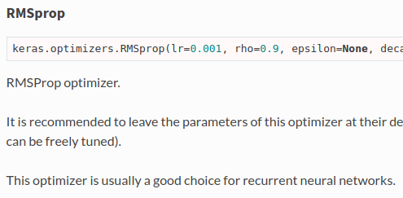
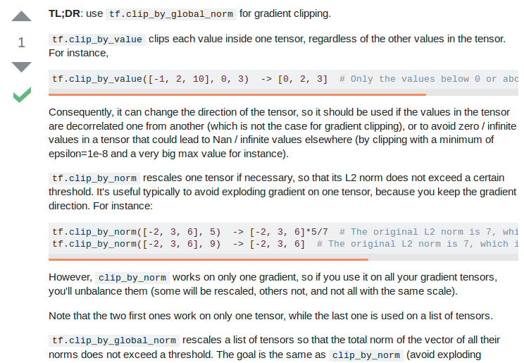
Optimizers | rmsprop |  |  |  |  |  | adagrad | SGD | clipnorm
 |  |  |  |  |  |  |  | Lample et al | vs
 | Keras |  |  |  |  |  | Zhilin Yang |  | clipvalue

 | http://cs231n.github.io/neural-networks-3/#ada
 |  |  |  |  | Zhilin Yang
Learning rate | 0.001 | ← can be freely tuned (said Keras) |  |  | 0.01

Loss function | NO FUCKING CLUE!! |  | categorical_crossentropy
 |  |  | Keras_contrib

Trainable embedding | TRUE

Mask zero | TRUE

Dropout | 0.5 |  |  |  | Embedding prone to overfitting
 | Lample et al |  |  |  | A Theoretically Grounded Application of Dropout in Recurrent Neural Networks

 |  |  |  |  | Yarin Gal | Zoubin Ghahramani

 | https://stackoverflow.com/questions/49458902/does-applying-a-dropout-layer-after-the-embedding-layer-have-the-same-effect-as

Dropout GRU | 0 | Keras default

Recurrent dropout GRU | 0 | Keras default

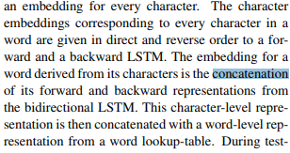
Char merge | Concat
 | Lample et al

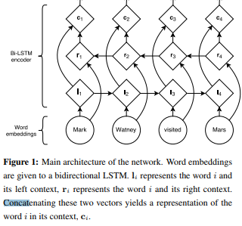
Word merge | Concat
 | Lample et al

Merge layer | Concat |  |  |  |  |  | Concat
 | Zhilin Yang |  |  |  |  |  | Lample et al

Batch size | NONE!!!!! |  | Hell I’ll be using | 8, 16, 32 | That’s it |  | Keras default is 32
 | FUCK THIS SHIT

Epoch | Early stopping patience 10
 | Ji Young Lee
 | MIT

Callback
Chart Title
Early Stopping
 | Avg Epoch | Avg F-1 (micro) |  | Avg Epoch
1 | 8.3 | 91.29% | 1 | 8.3
2 | 10 | 91.36% | 2 | 10
3 | 12.6 | 91.43% | 3 | 12.6
4 | 13.3 | 91.24% | 4 | 13.3

 |  |  |  | Avg F-1 (micro)
 |  |  | 1 | 91.29%
 |  |  | 2 | 91.36%
 |  |  | 3 | 91.43%
Run at |  | Home | 4 | 91.24%
Trial per settings |  | 3
Comments |  | Other than patience, everything was set to default

Early Stopping

DropoutGRU
Chart Title
GRU Dropout
Dropout rate | Avg Epoch | Avg F-1 (micro) | Dropout rate | Avg Epoch
0 | 12 | 91.01% | 0 | 12
0.1 | 10.5 | 91.41% | 0.1 | 10.5
0.2 | 16 | 91.49% | 0.2 | 16
0.3 | 13 | 91.52% | 0.3 | 13
0.4 | 14.5 | 91.57% | 0.4 | 14.5
0.5 | 18 | 91.63% | 0.5 | 18
0.6 | 19 | 91.53% | 0.6 | 19
0.7 | 16 | 91.13% | 0.7 | 16
0.8 | 18.5 | 90.80% | 0.8 | 18.5
0.9 | 19.5 | 88.55% | 0.9 | 19.5

Run at |  | HPC | Dropout rate | Avg F-1 (micro)
Trial per settings |  | 2 | 0 | 91.01%
Comments |  | - | 0.1 | 91.41%
 |  |  | 0.2 | 91.49%
 |  |  | 0.3 | 91.52%
 |  |  | 0.4 | 91.57%
GRU Dropout
 |  |  | 0.5 | 91.63%
 |  |  | 0.6 | 91.53%
 |  |  | 0.7 | 91.13%
 |  |  | 0.8 | 90.80%
 |  |  | 0.9 | 88.55%

DropoutEmb
Chart Title
Embedding Dropout
Dropout rate | Avg Epoch | Avg F-1 (micro) |  |  | Dropout rate | Avg Epoch
0 | 7 | 91.11% |  |  | 0 | 7
0.1 | 7.5 | 91.15% |  |  | 0.1 | 7.5
0.2 | 9 | 91.12% |  |  | 0.2 | 9
0.3 | 9.5 | 91.30% |  |  | 0.3 | 9.5
0.4 | 9.5 | 91.41% |  |  | 0.4 | 9.5
0.5 | 8.5 | 91.24% |  |  | 0.5 | 8.5
0.6 | 14 | 91.25% |  |  | 0.6 | 14
0.7 | 12.5 | 90.97% |  |  | 0.7 | 12.5
0.8 | 16 | 90.57% |  |  | 0.8 | 16
0.9 | 20 | 89.10% |  |  | 0.9 | 20

Run at |  | HPC |  |  | Dropout rate | Avg F-1 (micro)
Trial per settings |  | 2 |  |  | 0 | 91.11%
Comments |  | Rate 0 until 0.6 numbers are gotten from logEDo.txt, the collected data are below |  |  | 0.1 | 91.15%
 |  |  |  |  | 0.2 | 91.12%
 |  | 0 | 7 | 0.9111364886 | 0.3 | 91.30%
 |  | 0 | 7 | 0.91105189697 | 0.4 | 91.41%
Embedding Dropout
 |  | 1 | 8 | 0.9103751639 | 0.5 | 91.24%
 |  | 1 | 7 | 0.91265913801 | 0.6 | 91.25%
 |  | 2 | 8 | 0.9113902635 | 0.7 | 90.97%
 |  | 2 | 10 | 0.91096730533 | 0.8 | 90.57%
 |  | 3 | 9 | 0.91342046272 | 0.9 | 89.10%
 |  | 3 | 10 | 0.91248995474
 |  | 4 | 10 | 0.91342046272
 |  | 4 | 9 | 0.91477392886
 |  | 5 | 8 | 0.91189781331
 |  | 5 | 9 | 0.91299750455
 |  | 6 | 13 | 0.91274372964
 |  | 6 | 15 | 0.91232077148

Trimlen
Trimming Length
Trim length | Avg Epoch | Avg F-1 (Micro) | Trim length | Avg Epoch
64 | 11 | 91.34% | 64 | 11
126 | 11 | 91.36% | 126 | 11
188 | 10 | 91.36% | 188 | 10

Run at |  | Home | Trim length | Avg F-1 (Micro)
Trial per settings |  | 2 | 64 | 91.34%
Comments |  | - | 126 | 91.36%
 |  |  | 188 | 91.36%

Trimming Length

EmbXMod
Embedding Choice
Model Choice
 | WE Only |  | CE Only |  | Both
Embedding | Avg Epoch | Avg F-1 (Micro) | Avg Epoch | Avg F-1 (Micro) | Avg Epoch | Avg F-1 (Micro) |  |  | Epoch | F-1 |  | Epoch | F-1 |  | Epoch |  | Epoch
polyglot.vec | 16.5 | 91.10% | 22.5 | 89.14% | 11.5 | 91.41% |  | WE Only | 14.5 | 88.38% | polyglot.vec | 16.83 | 90.55% | WE Only | 14.5 | polyglot.vec | 16.833333333
rang_fasttext.vec | 17.5 | 88.12% | 14 | 89.20% | 11 | 87.74% |  | CE Only | 12.4 | 71.50% | rang_fasttext.vec | 14.17 | 88.35% | CE Only | 12.4 | rang_fasttext.vec | 14.166666667
rang_word2vec.vec | 17.5 | 87.82% | 14 | 89.85% | 9 | 87.70% |  | Both | 8.8 | 88.39% | rang_word2vec.vec | 13.50 | 88.46% | Both | 8.8 | rang_word2vec.vec | 13.5
wiki.id.vec | 8 | 88.13% | 2 | 0.00% | 6 | 87.94% |  |  |  |  | wiki.id.vec | 5.33 | 58.69% |  |  | wiki.id.vec | 5.3333333333
WE_w.vec | 13 | 86.72% | 9.5 | 89.28% | 6.5 | 87.17% |  |  |  |  | WE_w.vec | 9.67 | 87.72% |  | F-1 | WE_w.vec | 9.6666666667
 |  |  |  |  |  |  |  |  |  |  |  |  |  | WE Only | 0.88377658128
 |  |  |  |  |  |  |  |  |  |  |  |  |  | CE Only | 0.71496448265 |  | F-1
Run at |  | Dukun & HPC |  |  |  |  |  |  |  |  |  |  |  | Both | 0.88391762102 | polyglot.vec | 0.90551794039
Trial per settings |  | 2 |  |  |  |  |  |  |  |  |  |  |  |  |  | rang_fasttext.vec | 0.88354860449
Comments |  | first trial was run at dukun, second one was run at hpc |  |  |  |  |  |  |  |  |  |  |  |  |  | rang_word2vec.vec | 0.88456701585
 |  |  |  |  |  |  |  |  |  |  |  |  |  |  |  | wiki.id.vec | 0.58690201875
 |  |  |  |  |  |  |  |  |  |  |  |  |  |  |  | WE_w.vec | 0.87722889543
 |  | Epoch 1 | Epoch 2 |  | F-1 1 | F-1 2
polyglot.vec | 1 | 18 | 15 |  | 0.9111364886 | 0.91079812207 | 16.5 |  | 0.91096730533
rang_fasttext.vec | 1 | 21 | 14 |  | 0.8808497671 | 0.88163336381 | 17.5 |  | 0.88124156545
rang_word2vec.vec | 1 | 18 | 17 |  | 0.87867310957 | 0.87771538026 | 17.5 |  | 0.87819424492
wiki.id.vec | 1 | 9 | 7 |  | 0.88230946481 | 0.88022259902 | 8 |  | 0.88126603191
Model Choice
Embedding Choice
WE_w.vec | 1 | 14 | 12 |  | 0.86734471169 | 0.86708280588 | 13 |  | 0.86721375878
polyglot.vec | 2 | 23 | 22 |  | 0.89133178183 | 0.89156226666 | 22.5 |  | 0.89144702424
rang_fasttext.vec | 2 | 14 | 14 |  | 0.88981996184 | 0.89425430409 | 14 |  | 0.89203713296
rang_word2vec.vec | 2 | 14 | 14 |  | 0.89902928731 | 0.89803368456 | 14 |  | 0.89853148594
wiki.id.vec | 2 |  | 2 |  |  | 0 | 2 |  | 0
WE_w.vec | 2 | 9 | 10 |  | 0.89330457148 | 0.89230896872 | 9.5 |  | 0.8928067701
polyglot.vec | 3 | 12 | 11 |  | 0.91443556232 | 0.91384342089 | 11.5 |  | 0.9141394916
rang_fasttext.vec | 3 | 13 | 9 |  | 0.87736711506 | 0.87736711506 | 11 |  | 0.87736711506
rang_word2vec.vec | 3 | 9 | 9 |  | 0.87606112054 | 0.87788951286 | 9 |  | 0.8769753167
wiki.id.vec | 3 |  | 6 |  |  | 0.87944002435 | 6 |  | 0.87944002435
WE_w.vec | 3 | 6 | 7 |  | 0.8704875813 | 0.87284473351 | 6.5 |  | 0.87166615741

TraXMod
 | Not Trainable |  | Trainable
Model | Avg Epoch | Avg F-1 (Micro) | Avg Epoch | Avg F-1 (Micro) | Model | Not Trainable | Trainable
WE Only | 27.5 | 88.75% | 16.5 | 91.10% | WE Only | 27.5 | 16.5
CE Only | 30 | 85.11% | 22.5 | 89.14% | CE Only | 30 | 22.5
Both | 16.5 | 89.76% | 11.5 | 91.41% | Both | 16.5 | 11.5

 |  |  |  |  | Model | Not Trainable | Trainable
Run at |  | Dukun |  |  | WE Only | 88.75% | 91.10%
Trial per settings |  | 2 |  |  | CE Only | 85.11% | 89.14%
Comments |  | no trainable training hit max epoch=30 for model 1 & 2 |  |  | Both | 89.76% | 91.41%

LossXEpoch
Epoch | loss: | acc: | val_loss: | val_acc: | Epoch | val_loss:
1 | 0.8138 | 0.7624 | 0.3422 | 0.8982 | 1 | 0.3422
2 | 0.3762 | 0.886 | 0.281 | 0.9126 | 2 | 0.281
3 | 0.3169 | 0.9056 | 0.2554 | 0.921 | 3 | 0.2554
4 | 0.2848 | 0.9145 | 0.2458 | 0.925 | 4 | 0.2458
5 | 0.2635 | 0.9211 | 0.247 | 0.9249 | 5 | 0.247
6 | 0.2474 | 0.9251 | 0.234 | 0.9288 | 6 | 0.234
7 | 0.235 | 0.9289 | 0.2314 | 0.9291 | 7 | 0.2314
8 | 0.223 | 0.9319 | 0.2303 | 0.93 | 8 | 0.2303
9 | 0.2108 | 0.9353 | 0.2275 | 0.9319 | 9 | 0.2275
10 | 0.2015 | 0.9383 | 0.2302 | 0.931 | 10 | 0.2302
11 | 0.1897 | 0.9414 | 0.2268 | 0.9327 | 11 | 0.2268
12 | 0.1814 | 0.9439 | 0.2286 | 0.9316 | 12 | 0.2286
13 | 0.1702 | 0.9466 | 0.2346 | 0.9305 | 13 | 0.2346
14 | 0.1645 | 0.9476 | 0.2365 | 0.9317 | 14 | 0.2365
15 | 0.1535 | 0.9521 | 0.2381 | 0.9312 | 15 | 0.2381

Optimizer
Optimizer
 |  |  |  | Rmsprop |  |  | SGD
Optimizer | Epoch | F-1 (Micro) |  | Learning rate | Epoch | F-1 (Micro) | Nesterov | Gradient clipping | Epoch | F-1 (Micro) | Optimizer | Epoch
Adam | 8 | 91.48% |  | 0.0005 | 19 | 91.35% | FALSE | FALSE | 0 | 78.59% | Adam | 8
Adagrad | 13.5 | 91.67% |  | 0.001 | 10 | 91.36% | TRUE | FALSE | 0 | 77.86% | Adagrad | 13.5
Rmsprop | 10 | 91.36% |  | 0.002 | 7 | 91.24% | FALSE | TRUE | 0 | 78.05% | Rmsprop | 10
SGD | 30 | 78.59% |  | 0.005 | 4 | 91.34% | TRUE | TRUE | 0 | 77.90% | SGD | 30

 |  |  |  |  |  |  |  |  |  |  | Optimizer | F-1 (Micro)
Run at |  | Dukun |  |  |  |  |  |  |  |  | Adam | 91.48%
Trial per settings |  | 2 |  |  |  |  |  |  |  |  | Adagrad | 91.67%
Comments |  | Time/epoch for every optimizer is the same, around 320s |  |  |  |  |  |  |  |  | Rmsprop | 91.36%
 |  |  |  |  |  |  |  |  |  |  | SGD | 78.59%
Chart Title

adam | 8 | 0.91595821173
adam | 8 | 0.91358964598
adagrad | 12 | 0.91646576154
adagrad | 15 | 0.91697331134
Optimizer
<keras.optimizers.SGD object at 0x7fbc5f11d9d0> | 0 | 0.78594087045
<keras.optimizers.SGD object at 0x7ff58001d9d0> | 0 | 0.7785813983
<keras.optimizers.SGD object at 0x7f9cc5b1d9d0> | 0 | 0.78052700588
<keras.optimizers.SGD object at 0x7fb0e25dd9d0> | 0 | 0.77900435647
<keras.optimizers.RMSprop object at 0x7f968781d9d0> | 17 | 0.91401260415 | 19 | 0.91346275853
<keras.optimizers.RMSprop object at 0x7f471a41d9d0> | 21 | 0.91291291291
<keras.optimizers.RMSprop object at 0x7fab7d75d9d0> | 6 | 0.91274372965 | 7 | 0.91236306729
<keras.optimizers.RMSprop object at 0x7fe03bb5d9d0> | 8 | 0.91198240494
<keras.optimizers.RMSprop object at 0x7f3bac11d9d0> | 4 | 0.91384342089 | 4 | 0.91342046272
<keras.optimizers.RMSprop object at 0x7f99781dd9d0> | 4 | 0.91299750455

Loss
Loss
Chart Title
Loss | Epoch | F-1 (Micro) | Loss | Epoch
categorical_crossentropy | 12 | 91.47% | categorical_crossentropy | 12
categorical_hinge | 21.5 | 90.89% | categorical_hinge | 21.5
binary_crossentropy | 10.5 | 91.49% | binary_crossentropy | 10.5
kullback_leibler_divergence | 14.5 | 91.55% | kullback_leibler_divergence | 14.5
poisson | 14 | 91.60% | poisson | 14
cosine_proximity | 18 | 91.42% | cosine_proximity | 18
logcosh | 17.5 | 91.42% | logcosh | 17.5
mean_squared_error | 16.5 | 91.42% | mean_squared_error | 16.5
mean_squared_logarithmic_error | 16 | 91.41% | mean_squared_logarithmic_error | 16
squared_hinge | 21 | 87.42% | squared_hinge | 21

 |  |  | Loss | F-1 (Micro)
Run at |  | Dukun | categorical_crossentropy | 91.47%
Trial per settings |  | 2 | categorical_hinge | 90.89%
Comments |  | Optimizer using adagrad | binary_crossentropy | 91.49%
 |  |  | kullback_leibler_divergence | 91.55%
 |  |  | poisson | 91.60%
Loss
 |  |  | cosine_proximity | 91.42%
 |  |  | logcosh | 91.42%
 |  |  | mean_squared_error | 91.42%
 |  |  | mean_squared_logarithmic_error | 91.41%
 |  |  | squared_hinge | 87.42%

