Comparison
Series (all at 100:1) | Size | Rated Torque @2000rpm (Nm) | Limit for repeat peak torque (Nm) | Limit for Average Input Speed (rpm) | Moment of Inertia I (x10^-4 kgm^2) | Moment of Inertia J (x10^-5 kgfms^2) | Backdriving Torque (Nm) | Starting Torque (Nm) | Mass (kg) | Outer Diameter (A) (mm) | Total Thickness (B) (mm) | Spline Ring Thickness (C2) (mm) | Spline Ring Mounting Diameter (Q) (mm) | Spline Ring number of Bolts (L) | Spline Ring Bolt Diameter (M) (mm) | Flexspline Mounting Diameter (T1) (mm) | Flexspline number of Bolts (R) | Flexspline Bolt Diameter (S) (mm) | Input Shaft Diameter (V) (mm) | Bearing Mounting Diameter (mm) | Bearing Number of Bolts | Bearing Bolt Diameter (mm)
CSF | 14 | 7.8 | 28 | 3500 | 0.033 | 0.034 | 1.7 | 0.021 | 0.09 | 50 | 28.5 | 11 | 44 | 6 | 3.5 | 17 | 6 | 4.5 | 6 | x | x | x
 | 20 | 40 | 82 | 3500 | 0.193 | 0.197 | 4.5 | 0.037 | 0.28 | 70 | 33.5 | 12 | 62 | 12 | 3.5 | 24 | 8 | 5.5 | 9 | x | x | x
 | 25 | 67 | 157 | 3500 | 0.413 | 0.421 | 8.4 | 0.069 | 0.42 | 85 | 37 | 13 | 75 | 12 | 4.5 | 30 | 8 | 6.6 | 11 | x | x | x
 | 32 | 137 | 333 | 3500 | 1.69 | 1.72 | 18 | 0.15 | 0.89 | 110 | 44 | 16 | 100 | 12 | 5.5 | 40 | 8 | 9 | 14 | x | x | x
 | 40 | 265 | 568 | 3000 | 4.5 | 4.59 | 41 | 0.26 | 1.7 | 135 | 53 | 19 | 120 | 12 | 6.6 | 50 | 8 | 11 | 14 | x | x | x
 | 50 | 470 | 980 | 3000 | 12.5 | 12.8 | 57 | 0.48 | 3.2 | 170 | 64 | 23 | 150 | 12 | 9 | 60 | 8 | 15.5 | 19 | x | x | x
CSG | 14 | 10 | 36 | 3500 | 0.033 | 0.034 | 1.9 | 0.023 | 0.09 | 50 | 28.5 | 11 | 44 | 8 | 3.5 | 17 | 6 | 4.5 | 6 | x | x | x
 | 20 | 52 | 107 | 3500 | 0.193 | 0.197 | 5 | 0.041 | 0.28 | 70 | 33.5 | 12 | 62 | 16 | 3.5 | 24 | 8 | 5.5 | 9 | x | x | x
 | 25 | 87 | 204 | 3500 | 0.413 | 0.421 | 9.2 | 0.076 | 0.42 | 85 | 37 | 13 | 75 | 16 | 4.5 | 30 | 8 | 6.6 | 11 | x | x | x
 | 32 | 178 | 433 | 3500 | 1.69 | 1.72 | 20 | 0.17 | 0.89 | 110 | 44 | 16 | 100 | 16 | 5.5 | 40 | 8 | 9 | 14 | x | x | x
 | 40 | 345 | 738 | 3000 | 4.5 | 4.59 | 34 | 0.29 | 1.7 | 135 | 53 | 19 | 120 | 16 | 6.6 | 50 | 8 | 11 | 14 | x | x | x
 | 50 | 611 | 1274 | 2500 | 12.5 | 12.8 | 63 | 0.53 | 3.2 | 170 | 64 | 23 | 150 | 16 | 9 | 60 | 8 | 15.5 | 19 | x | x | x
FB | 14 | 5.9 | 9.8 | 2500 | 0.033 | 0.034 | 2.4525 | 0.00981 | 0.1 | 50 | 10.5 | 5 | 44 | 6 | 3 | 44 | 6 | 3 | 6 | x | x | x
 | 20 | 22 | 26 | 2500 | 0.135 | 0.138 | 4.905 | 0.024525 | 0.3 | 70 | 12.5 | 6 | 60 | 6 | 4 | 60 | 6 | 4 | 9 | x | x | x
 | 25 | 39 | 52 | 2500 | 0.36 | 0.37 | 7.848 | 0.03924 | 0.5 | 85 | 16.5 | 8 | 75 | 6 | 5 | 75 | 6 | 5 | 14 | x | x | x
 | 32 | 82 | 98 | 2300 | 1.29 | 1.32 | 10.791 | 0.05886 | 1 | 110 | 20.5 | 10 | 100 | 6 | 6 | 100 | 6 | 6 | 14 | x | x | x
 | 40 | 157 | 186 | 2000 | 3.38 | 3.45 | 24.525 | 0.0981 | 1.8 | 135 | 27 | 13 | 120 | 6 | 8 | 120 | 6 | 8 | 14 | x | x | x
 | 50 | 284 | 253 | 1700 | 9.9 | 10 | 49.05 | 0.24525 | 2.9 | 170 | 33 | 16 | 150 | 6 | 10 | 150 | 6 | 10 | 19 | x | x | x
CSD | 14 | 5.4 | 19 | 3500 | 0.021 | 0.021 | 3.1 | 0.023 | 0.06 | 50 | 11 | 4.5 | 44 | 6 | 3.4 | 17 | 9 | 3.4 | x | 17 | 4 | 3
 | 20 | 28 | 57 | 3500 | 0.09 | 0.092 | 5.2 | 0.043 | 0.13 | 70 | 14 | 6 | 62 | 12 | 3.4 | 24 | 9 | 3.5 | x | 26 | 4 | 3
 | 25 | 47 | 110 | 3500 | 0.282 | 0.288 | 9.6 | 0.079 | 0.24 | 85 | 17 | 7 | 75 | 12 | 3.4 | 30 | 9 | 5.5 | x | 30 | 4 | 3
 | 32 | 96 | 233 | 3500 | 1.09 | 1.11 | 21 | 0.18 | 0.51 | 110 | 22 | 9 | 100 | 12 | 4.5 | 41 | 11 | 6.6 | x | 40 | 4 | 4
 | 40 | 185 | 398 | 3500 | 2.85 | 2.91 | 35 | 0.29 | 0.92 | 135 | 27 | 11 | 120 | 12 | 5.5 | 48 | 10 | 9 | x | 50 | 4 | 5
 | 50 | 329 | 686 | 2500 | 8.61 | 8.78 | 67 | 0.56 | 1.9 | 170 | 33 | 13.5 | 150 | 12 | 6.6 | 62 | 11 | 11 | x | 60 | 4 | 6
 |  | Comparing properties to rated torque
 |  | kg/Nm | Backdriving Nm/Nm
CSF | 14 | 0.011538461538 | 0.21794871795
 | 20 | 0.007 | 0.1125
 | 25 | 0.0062686567164 | 0.12537313433 |  |  |  |  | Input Speed (RPM) | Efficiency (%) | *for 40C, rated load, etc.
 | 32 | 0.006496350365 | 0.13138686131 |  |  |  | CSF | 500 | 87
 | 40 | 0.0064150943396 | 0.15471698113 |  |  |  |  | 1000 | 84
 | 50 | 0.0068085106383 | 0.12127659574 |  |  |  |  | 2000 | 82
CSG | 14 | 0.009 | 0.19 |  |  |  |  | 3500 | 78
 | 20 | 0.0053846153846 | 0.096153846154 |  |  |  | CSG | 500 | 87
 | 25 | 0.0048275862069 | 0.10574712644 |  |  |  |  | 1000 | 84
 | 32 | 0.005 | 0.11235955056 |  |  |  |  | 2000 | 82
 | 40 | 0.0049275362319 | 0.098550724638 |  |  |  |  | 3500 | 78
 | 50 | 0.0052373158756 | 0.1031096563 |  |  |  | FB | 500 | 68.528007667
FB | 14 | 0.016949152542 | 0.4156779661 |  |  |  |  | 1000 | 64.958744269
 | 20 | 0.013636363636 | 0.22295454545 |  |  |  |  | 2000 | 61.575385024
 | 25 | 0.012820512821 | 0.20123076923 |  |  |  |  | 3500 | 58.972819219
 | 32 | 0.012195121951 | 0.13159756098 |  |  |  | CSD | 500 | 82
 | 40 | 0.011464968153 | 0.15621019108 |  |  |  |  | 1000 | 78
 | 50 | 0.010211267606 | 0.17271126761 |  |  |  |  | 2000 | 74
CSD | 14 | 0.011111111111 | 0.57407407407 |  |  |  |  | 3500 | 68
 | 20 | 0.0046428571429 | 0.18571428571
 | 25 | 0.0051063829787 | 0.20425531915
 | 32 | 0.0053125 | 0.21875
 | 40 | 0.004972972973 | 0.18918918919
 | 50 | 0.0057750759878 | 0.20364741641

CSD
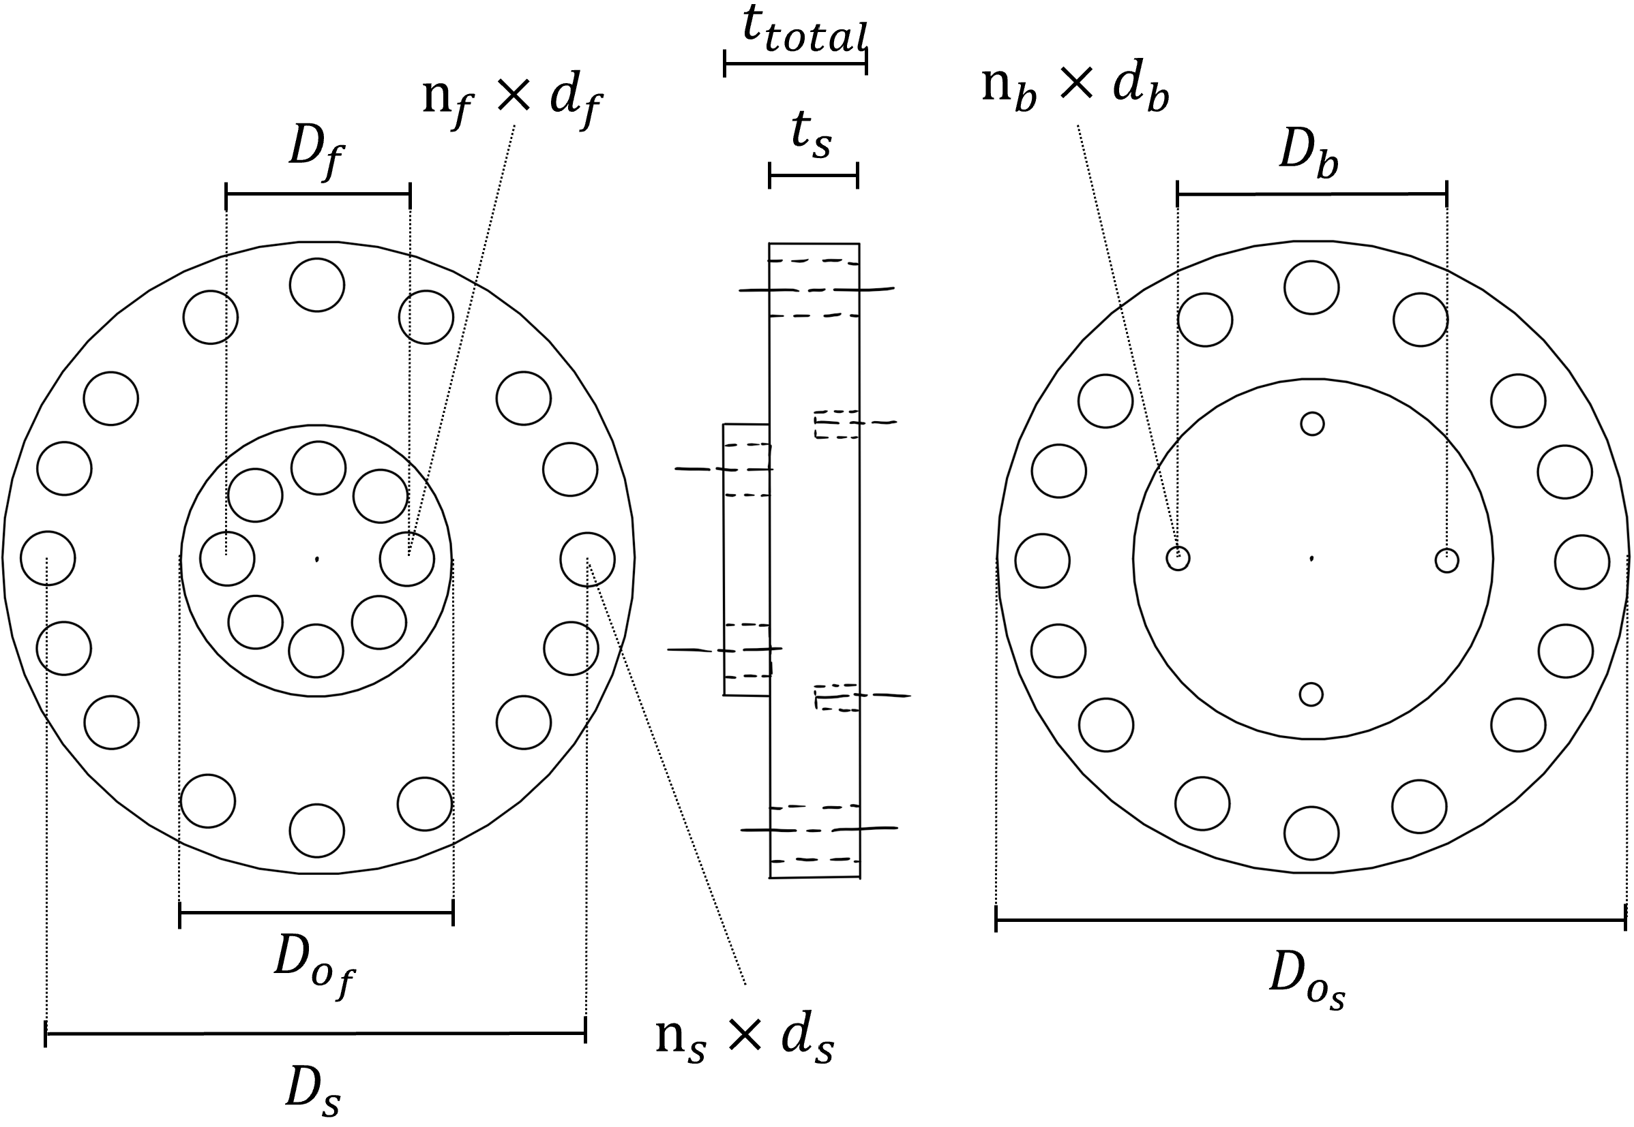
Size | Rated Torque at 2000rpm (Nm) | Limit for repeat peak torque (Nm) | Limit for Average Input Speed (rpm) | Moment of Inertia I (x10^-4 kgm^2) | Moment of Inertia J (x10^-5 kgfms^2) | Backdriving Torque (Nm) | Starting Torque (Nm) | Mass (kg) | Spline Ring Outer Diameter D_o_s (mm) | Total Thickness t_total (mm) | Spline Ring Thickness t_s (mm) | Spline Ring Mounting Diameter D_s (mm) | Spline Ring number of Bolts n_s | Spline Ring Bolt Diameter d_s (mm) | Flexspline Outer Diameter D_o_f (mm) | Flexspline Mounting Diameter D_f (mm) | Flexspline number of Bolts n_f | Flexspline Bolt Diameter d_f (mm) | Bearing Mounting Diameter D_b (mm) | Bearing Number of Bolts n_b | Bearing Bolt Diameter d_b (mm)
14 | 5.4 | 19 | 3500 | 0.021 | 0.021 | 3.1 | 0.023 | 0.06 | 50 | 11 | 4.5 | 44 | 6 | 3.4 | 38 | 17 | 9 | 3.4 | 17 | 4 | 3
20 | 28 | 57 | 3500 | 0.09 | 0.092 | 5.2 | 0.043 | 0.13 | 70 | 14 | 6 | 62 | 12 | 3.4 | 54 | 24 | 9 | 3.5 | 26 | 4 | 3
25 | 47 | 110 | 3500 | 0.282 | 0.288 | 9.6 | 0.079 | 0.24 | 85 | 17 | 7 | 75 | 12 | 3.4 | 65 | 30 | 9 | 5.5 | 30 | 4 | 3
32 | 96 | 233 | 3500 | 1.09 | 1.11 | 21 | 0.18 | 0.51 | 110 | 22 | 9 | 100 | 12 | 4.5 | 90 | 41 | 11 | 6.6 | 40 | 4 | 4
40 | 185 | 398 | 3500 | 2.85 | 2.91 | 35 | 0.29 | 0.92 | 135 | 27 | 11 | 120 | 12 | 5.5 | 105 | 48 | 10 | 9 | 50 | 4 | 5
50 | 329 | 686 | 2500 | 8.61 | 8.78 | 67 | 0.56 | 1.9 | 170 | 33 | 13.5 | 150 | 12 | 6.6 | 130 | 62 | 11 | 11 | 60 | 4 | 6

