Analysis
SOPHI's MARKET SCORE |  | TAM | SAM | SOM |  | Total | Location | Connections | Garage | Growth | capacity | cash flow | Connection 3 | Volume 2 170 + 2 100 + 1 | Location Downtown 1 Far -1 | High End | Garage Connection 2 location 1 | Valet & Paid Self Park | Points | Priority
 |  |  |  |  |  |  | 7 | 0 | 8 | 7
 |  | sum of predicted revenues | Guess of locations that I could see being interested in introducing valet | SAM / # of locations in SAM. Representing 1 Hotel landed
 |  | all valet, all parking contracts, additional services, bell etc | realistically obtained | going to get |  |  | 257 miles | locations? 0/7 | public? 8/8 | Population? 2/4 | personal bandwidth 0/4 | costs
 |  |  |  |  |  |  | SB X | 1 connection -> 5 2+ connections -> 7 | yes or no | small city, medium city, large city, metropolis
 |  |  |  | Self Park | Valet |  | CH | employees? 3 | connection? 2 | Events Space? 4 | hire 0/3
Average Self Park | Average Valet |  |  | Downtown | Downtown |  |  | # of possible employees | yes or no | # of markets
 |  |  |  |  |  |  | 0 -> 1000+ |  |  | Parking? 2 | management 0/3
 |  |  |  |  |  |  | 3 -> 700 - 1000 |  |  | reducing, steady, increasing
 |  |  |  |  |  |  | 5 -> 500 - 700
 |  |  |  |  |  |  | 7 -> 250 - 500
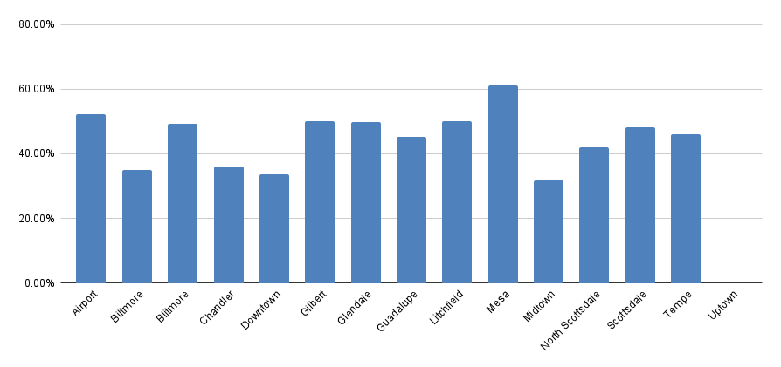
 |  |  |  |  |  |  | 10 -> 0 - 250

 |  |  |  |  |  | avg + reviews

 |  |  |  |  |  | avg + reviews downtown

