AML ph2
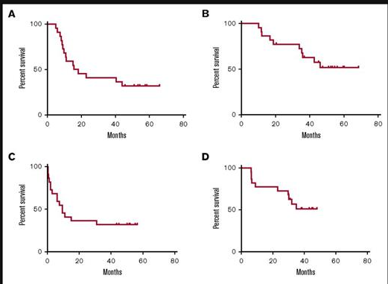
indication | AML | NCT01266083 |  | 2018
 |  | regal ph2 OLE study in AML
 |  | n=22
 | treatment | GPS+GM-CSF+Montanide
 |  | 6 vaccinations subcut biweekly over 10 wks
 |  | 15 patients relapsed (10 while receiving vaccine)
 |  | 4 after 12 vaccinations
 |  | 4 of the 15 relpased after 1 vaccination |  |  | https://ashpublications.org/bloodadvances/article/2/3/224/15779/Phase-2-trial-of-a-multivalent-WT1-peptide-vaccine
 |  | 10 out of 22 patients died from leukemia
 |  | neither PFS or ORR reached, p= 💀💀

 |  |  | A:dfs from cr
 |  |  | B: OS from time of diagnosis
 |  |  | C:EFS from first vaccination
 |  |  | D:OS from first vaccination

OCV-501 in AML
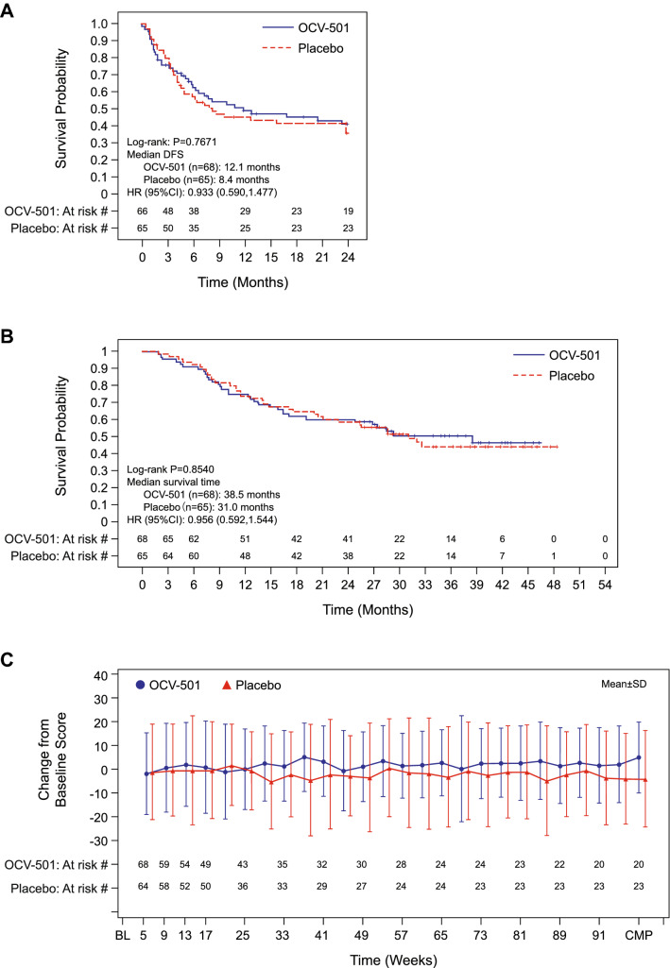
indication | AML | NCT01961882
 |  | ph2 RCT of OCV-501 in AML
 |  | n=134
 | treatment arm | OCV-501, n=69
 | control arm | placebo, n=65
 |  | PFS = 12.1m (TA) vs 8.4m (CA), p=0.767
 |  | ORR= 38.5m (TA) vs 31.0m (CA) p=0.854
 |  |  | https://pmc.ncbi.nlm.nih.gov/articles/PMC5732877/

drug | OCV-501 | same mechanism, different peptide structure
 |  | ocv single peptide, GPS multi peptide
 |  | both targeting WT1

gps in MPS
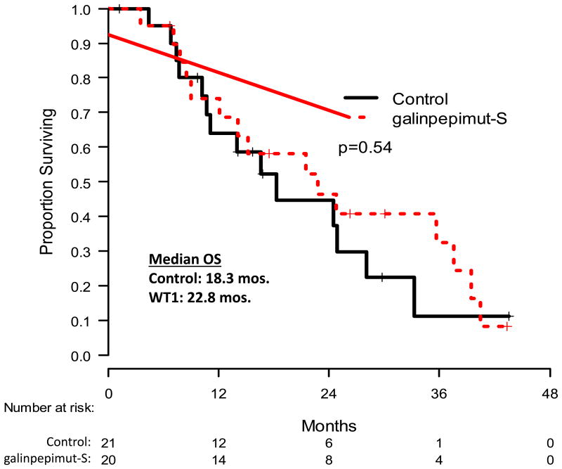
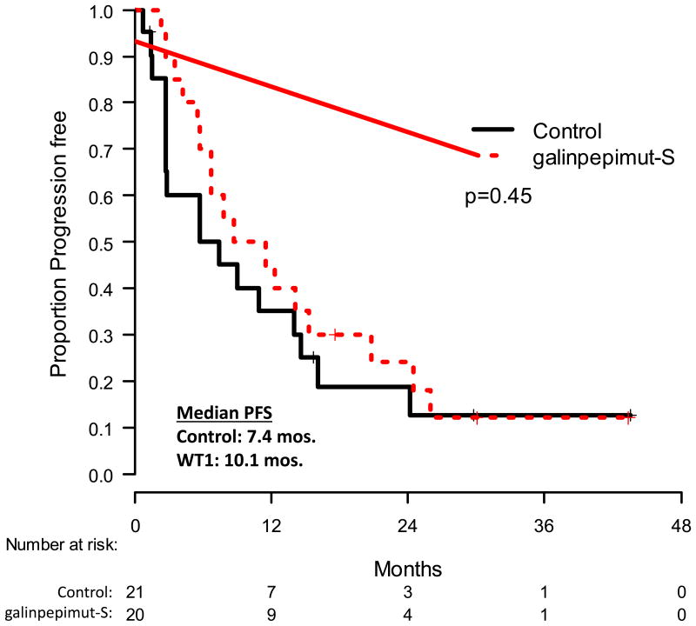
indication | MPS | NCT01265433 | 2017 , 2018
 |  | ph2 RCT of GPS IN MPS
 |  | n=41,
 | control arm | Montanide + GM-CSF, n=20
 | treatment arm | GPS + Montanide + GM-CSF, n=21
 |  | Median PFS= 7.4m (CA) vs 10.5m (TA), p=0.45
 |  | Median OS= 18.3m (CA) vs 22.8m (TA), p=0.54
 |  |  |  | https://pmc.ncbi.nlm.nih.gov/articles/PMC5732877/
 |  | study stopped for futility

gps in OC
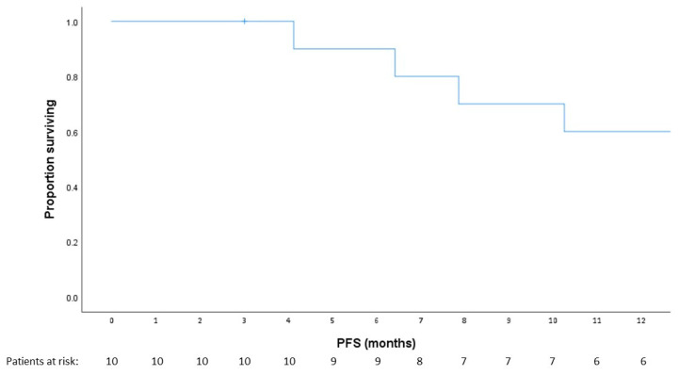
indication | ovarian cancer | NCT03761914
 |  | ph 1/2 OLE
 |  | n=25
 | treatment arm | GPS + Montanide + GM-CSF+ nivo
 |  | 11 patients evaluated
 |  | 1 yr PFS rate in ITT 64%
 |  | median PFS 12.9m
 |  |  | https://pmc.ncbi.nlm.nih.gov/articles/PMC10001251/

WT1 peptide vaccine in APDA
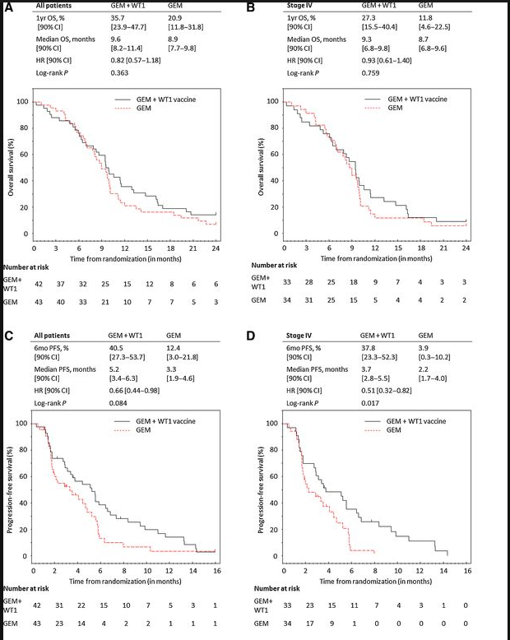
indication | pancreatic cancer | UMIN000005248
 |  | randomized comparator ph2 OL
 |  | n=85
 | treatment arm | GEMWET1, n=42
 | control arm | GEM, n=43
 |  | PFS=median 5.2m vs 3.3m, 35.7% (TA) vs 20.9% (CA), p=0.08
 |  | ORR=median 9.6m (TA) vs 8.9m (CA), HR 0.82, p=0.36
 |  |  | https://aacrjournals.org/cancerimmunolres/article/6/3/320/468887/Combination-Gemcitabine-and-WT1-Peptide?guestAccessKey=

 |  | single peptide targeting WT1

