Clarifications

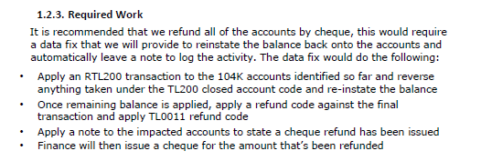

Note to read: "Refund processed £xx.xx via cheque dd/mm/yyyy"

Use ICNID34508

