Sheet1
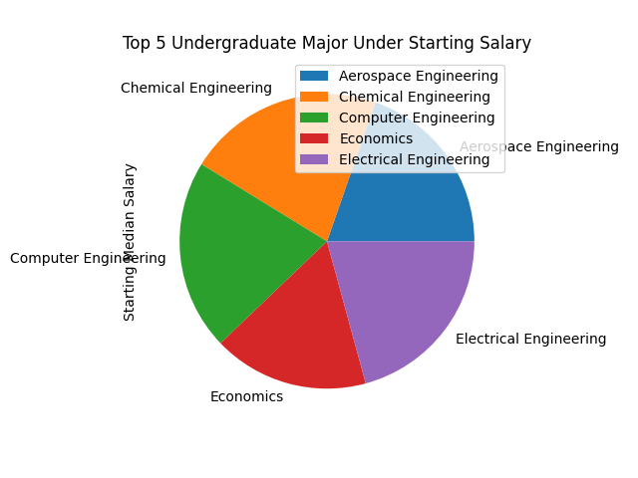
Undergraduate Major | Starting Median Salary
Aerospace Engineering | 57700
Chemical Engineering | 63200
Computer Engineering | 61400
Economics | 50100
Electrical Engineering | 60900

