Sheet1
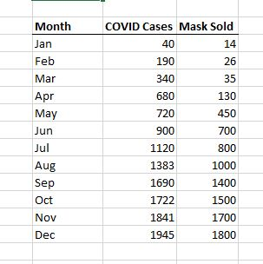
Month | COVID cases | Mask Sold
Jan | 40 | 14
Feb | 190 | 26 |  |  |  |  | I USED SAMPLE CASES FROM ONLINE PLATFORM
Mar | 340 | 35
Apr | 680 | 130
May | 720 | 450
Jun | 900 | 700
Jul | 1120 | 800
Aug | 1383 | 1000
Sep | 1690 | 1400
Oct | 1722 | 1500
Nov | 1841 | 1700
Dec | 1945 | 1800

 |  |  | SUMMARY OUTPUT

 |  |  | Regression Statistics
 |  |  | Multiple R | 0.9847991769
 |  |  | R Square | 0.96982941882
 |  |  | Adjusted R Square | 0.96647713202
 |  |  | Standard Error | 121.66748224
 |  |  | Observations | 11

 |  |  | ANOVA | ANALYSIS OF VARIANCE. Btw variance is the squared standard deviation
 |  |  |  | df | SS | MS | F | Significance F
 |  |  | Regression | 1 | 4282557.7593 | 4282557.7593 | 289.30383267 | 3.7699638488E-08
 |  |  | Residual | 9 | 133226.78611 | 14802.976234
 |  |  | Total | 10 | 4415784.5455

 |  |  |  | Coefficients | Standard Error | t Stat | P-value | Lower 95% | Upper 95% | Lower 95.0% | Upper 95.0%
 |  |  | Intercept | -337.52754092 | 79.773742249 | -4.2310606398 | 0.0022031613989 | -517.98828335 | -157.06679848 | -517.98828335 | -157.06679848
 |  |  | 40 | 1.0576811867 | 0.062183861283 | 17.008933907 | 3.7699638488E-08 | 0.91701151945 | 1.1983508539 | 0.91701151945 | 1.1983508539

 |  |  | RESIDUAL OUTPUT

 |  |  | Observation | Predicted 14 | Residuals
 |  |  | 1 | -136.56811545 | 162.56811545
 |  |  | 2 | 22.084062549 | 12.915937451
 |  |  | 3 | 381.69566601 | -251.69566601
 |  |  | 4 | 424.00291348 | 25.997086519
 |  |  | 5 | 614.38552708 | 85.614472919
 |  |  | 6 | 847.07538815 | -47.075388147
 |  |  | 7 | 1125.2455402 | -125.24554024
 |  |  | 8 | 1449.9536645 | -49.953664545
 |  |  | 9 | 1483.7994625 | 16.200537481
 |  |  | 10 | 1609.6635237 | 90.336476268
 |  |  | 11 | 1719.6623671 | 80.337632855

