Dashboard

Author: Joti Gautam
Source : https://stats.espncricinfo.com
TOP INDIAN T20I RUN SCORERS

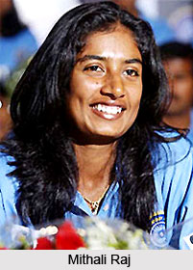
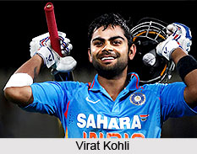
Mithali Raj is the highest
run-getter among Indians in both men and women's T20 Internationals.
Virat Kohli has the highest batting average among Indians in both men and women's T20 Internationals.

 | Runs
Mithali Raj | 6888
Anjum Chopra | 2856
Virat Kohli | 2794
Rohit Sharma | 2773
Harmanpreet Kaur | 2372
 | Ave
Mithali Raj | 50.64
Anjum Chopra | 31.38
Virat Kohli | 50.8
Rohit Sharma | 32.62
Harmanpreet Kaur | 34.88

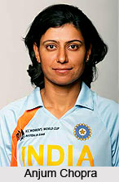
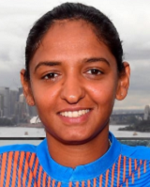

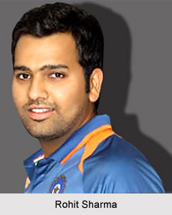

Harmanpreet K
Total Runs Scored
Batting Average
Batting average: In Cricket, a player's batting average is the total number of runs
they have scored divided by the number of times they have been out.

