Dashboard


TOP INDIAN
T20I RUN
SCORERS
Total Runs Scored

 | Runs
Mithali Raj | 6888
Anjum Chopra | 2856
Virat Kohli | 2794
Rohit Sharma | 2773
Harmanpreet Kaur | 2372

A Twenty20 International (T20I) is a form of cricket, played between two of the international members of the International Cricket Council(ICC), in which each team faces a maximum of twenty overs. The matches have top-class status and are the highest T20 standard. The game is played under the rules of Twenty20 cricket.
Mithali Raj is the highest run-getter among Indians in both men and women's T20 Internationals. Virat Kohli has the highest batting average among Indians in both men and women's T20 Internationals.
Batting average: In Cricket, a player's batting average is the total number of runs they have scored divided by the number of times they have been out.

Batting Average

 | Ave
Mithali Raj | 50.64
Anjum Chopra | 31.38
Virat Kohli | 50.8
Rohit Sharma | 32.62
Harmanpreet Kaur | 34.88

Author: Joti Gautam
Source : https://stats.espncricinfo.com

Week5 front page
1

FINAL DATA STORY

CITIZEN DATA SCIENTIST

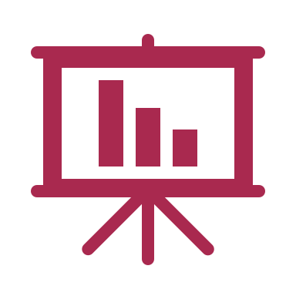
1. EXPLORATORY DATA ANALYSIS
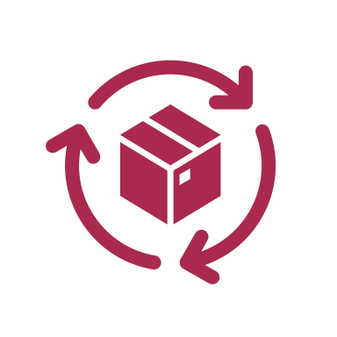
3. TIME SERIES ANALYSIS

Build business dashboard keeping a particular persona in mind so that the visualisation can help find opportunities quickly and give a detailed view of things at one place.
Further improve business strategies using more robust techniques on data such as time series and forecasting of data. Further increase confidence using Monte-Carlo simulation. Ask yourself how confident you are in your strategy.


2. OPPORTUNITY ANALYSIS

4. DATA STORY COMMUNICATION

Build strategies , Find opportunities by visualizing data to increase business sales. Various statistical methods were used to calculate realistic target values to achieve. Major learning was using conditional formatting to easily detect opportunity.
Analysis is of no use if you are not able to communicate it efficiently to the target audience. Use creativity and clearly state the facts and figures in your mail communication. Use words and visuals in a precise manner to highlight the flow of your data story.

