Sheet1
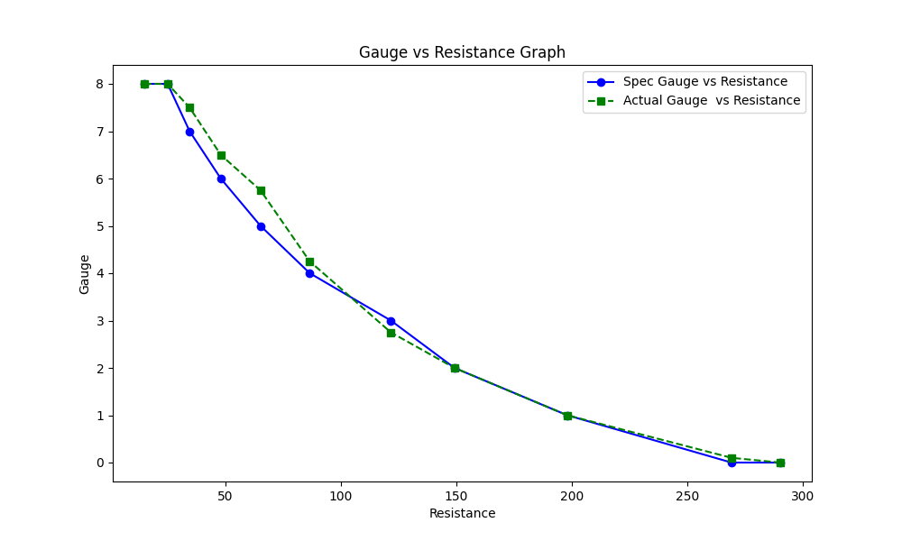
Resist : Fuel gauge
No. | 1 | 2 | 3 | 4 | 5 | 6 | 7 | 8 | 9 | 10 | 11
Resistance | 15 | 25 | 34.5 | 48 | 65.2 | 86.5 | 121.6 | 149.1 | 197.9 | 269 | 290
fuel guage(Spec ) | 8 | 8 | 7 | 6 | 5 | 4 | 3 | 2 | 1 | 0 | 0
fuel guage(Actual) | 8 | 8 | 7.5 | 6.5 | 5.75 | 4.25 | 2.75 | 2 | 1 | 0.1 | 0
Judgement | Pass | Pass | Pass | Pass | Pass | Pass | Pass | Pass | Pass | Pass | Pass

Fuel amount : Fuel guage
No. | 1 | 2 | 3 | 4 | 5 | 6 | 7 | 8 | 9 | 10 | 11
Fuel amount | 48 | 44.2 | 39.2 | 34.2 | 29.1 | 24.1 | 19.1 | 14.1 | 9 | 4 | 2
fuel guage(spec) | 8 | 8 | 7 | 6 | 5 | 4 | 3 | 2 | 1 | 0 | 0
fuel guage(Actual) | 8 | 8 | 7.5 | 6.5 | 5.75 | 4.25 | 2.75 | 2 | 1 | 0.1 | 0
Judgement | Pass | Pass | Pass | Pass | Pass | Pass | Pass | Pass | Pass | Pass | Pass

Fuel amonut : Resist
No. | 1 | 2 | 3 | 4 | 5 | 6 | 7 | 8 | 9 | 10 | 11
Fuel amount | 48 | 44.2 | 39.2 | 34.2 | 29.1 | 24.1 | 19.1 | 14.1 | 9 | 4 | 2
Resistance(Spec) | 15 | 25 | 34.5 | 48 | 65.2 | 86.5 | 12.16 | 149.1 | 197.9 | 269 | 290
Resistance(Actual) | 18.5 | 24.7 | 29 | 43.1 | 56.9 | 79.6 | 104.3 | 169 | 200.1 | 264.2 | 295.9
Judgement | Fail | Pass | Fail | Fail | Fail | Fail | Fail | Pass | Fail | Fail | Fail

Graph

