selected
No. | NO. in arriginal list | link | bug type | title | description | bug report screenshot | 是否重现
1 | 205 | https://github.com/ram-on/SkyTube/issues/652 | error | video playback error | newpipe is broken, so i downloaded the latest skytube-extra from github and instlaled it on my samsung tab a 2019 however, i cannot load any videos i can find no options for getting additional debug info so the picture is the best i can do.. | 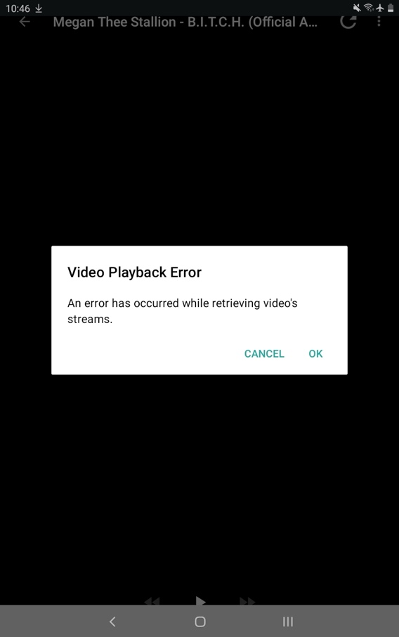 | Y
2 | 215 | https://github.com/openhab/openhab-android/issues/2074 | UI bug (icon design) | incorrect intro activity | Android version: 9 Device model: API 28 emulator App version 2.13.6 beta | 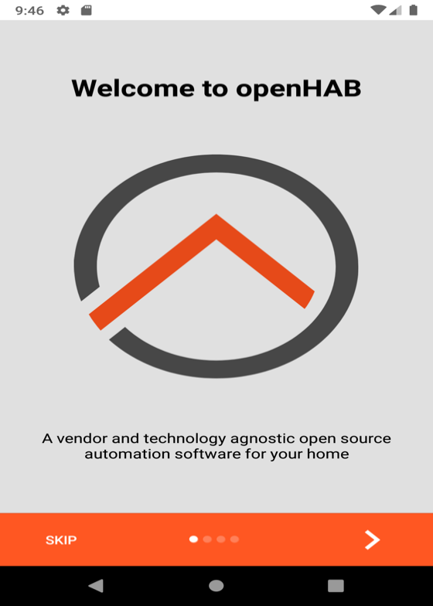 | Y
3 | 219 | https://github.com/openhab/openhab-android/issues/1758 | error | 500 Error from server on beta version 2.11-3-beta of Android App | openHAB Android client 2.11.0 correctly talks to my openHAB hab server. Beta 2.11.3-beta reports a 500 error. I have openHAB Server 2.5.0-1, Rest API Version 3. Thoughts? | 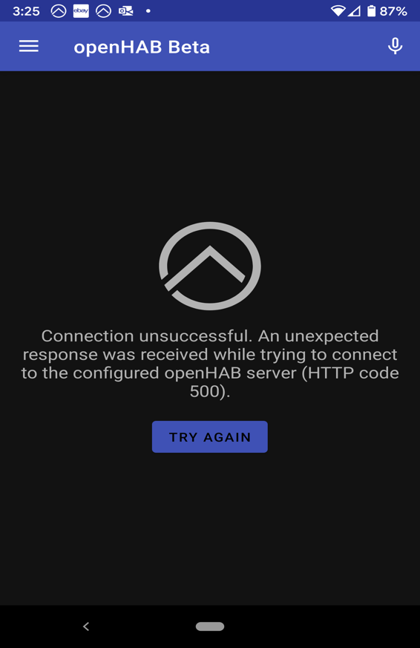 | N | 连接服务器后重试
4 | 227 | https://github.com/openhab/openhab-android/issues/955 | UI bug (icon design) | Random icon permutation | Install 2.2.16-beta APK. Open openHAB beta Have a look at the icons. scroll up/down, enter a submenu and return to main menu. have a look a the icons, some may have changed. repeat 4./5. and some of the icons may randomly change. | 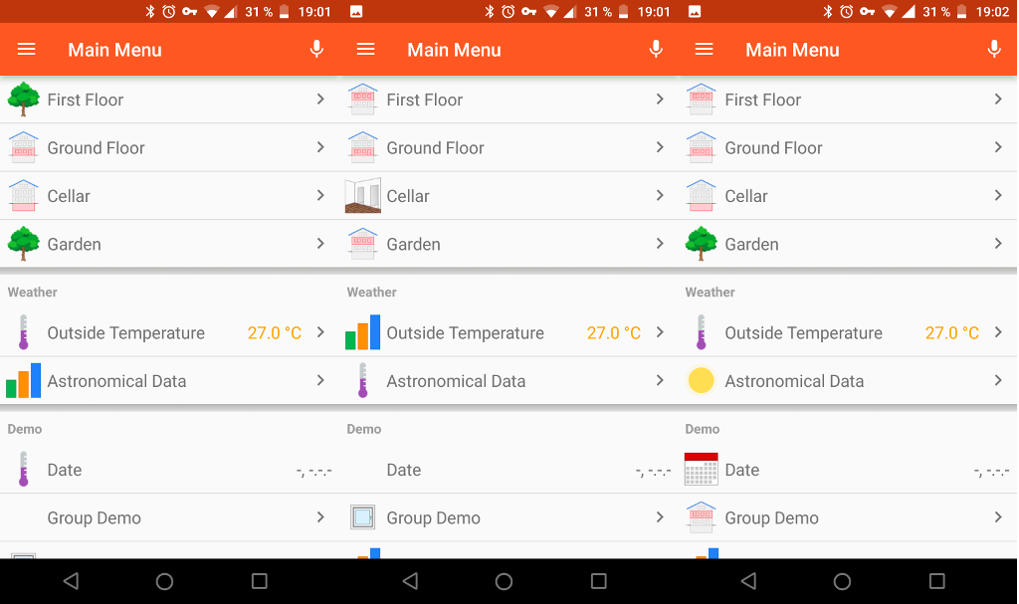 | Y |  | OK
5 | 228 | https://github.com/openhab/openhab-android/issues/937 | error | Connection to demo server fails | Run UI Tests Android version: Api 24 Device model: Emulator Stock or customized ROM: Stock App version : 2.2.10-beta | 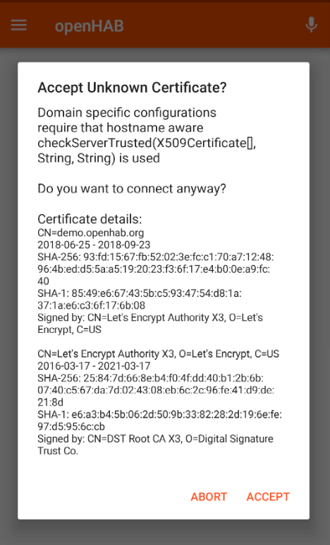 | N | 连接服务器后重试 | try again
6 | 230 | https://github.com/openhab/openhab-android/issues/652 | UI bug (font color) | About page: Text always dark |  | 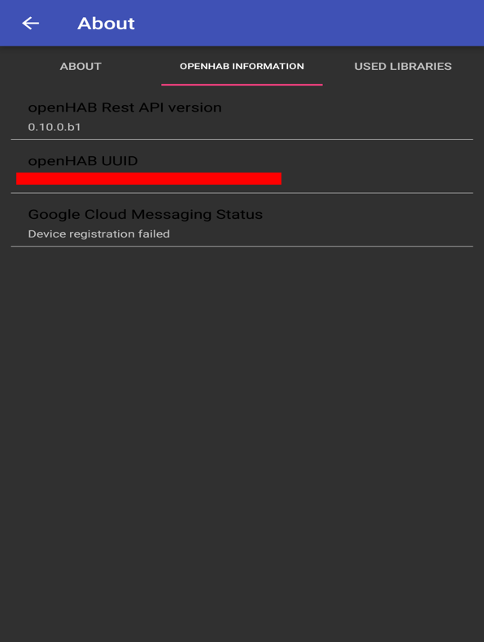 | Y |  | OK
7 | 233 | https://github.com/openhab/openhab-android/issues/300 | UI bug | Theme issues | Selection items are in bright themes black and in dark themes white and do not look like normal buttons that are mostly grey. See #537 Version entry in settings is greyed out. (Saw this on a Oreo AVD, but not on a real 7 device) Edit: The version field in the settings has been removed. Menu isn't themed (Fix in #361) | 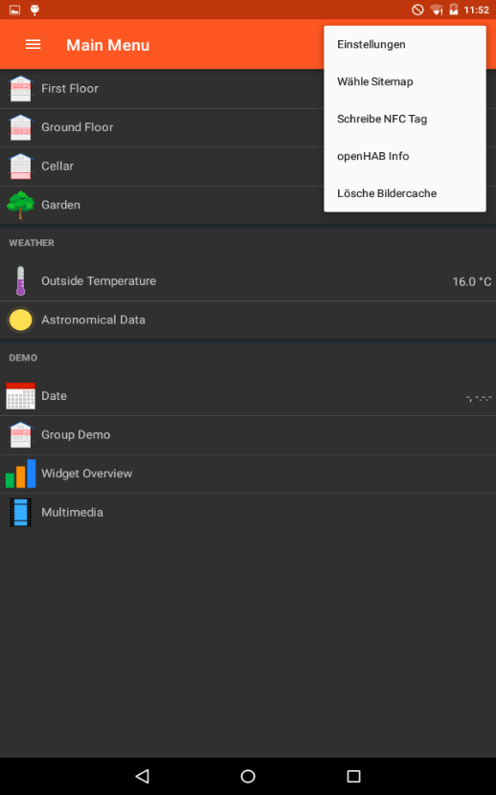 | N | 无法复现
8 | 234 | https://github.com/openhab/openhab-android/issues/169 | UI bug | Icons and Text do not resize correct | Icons do not resize Text can overlap from Label to Value | 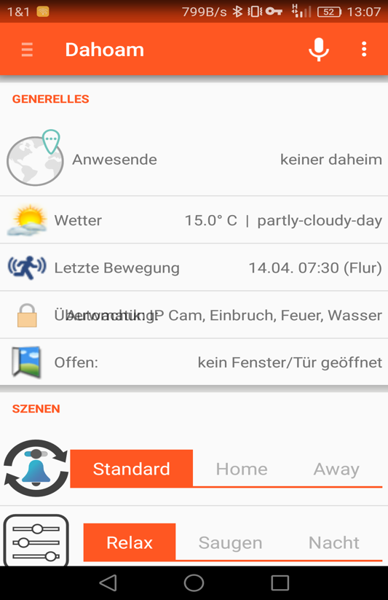 | N | 无法复现
9 | 237 | https://github.com/mmazzarolo/breathly-app/issues/15 | UI bug (icon color) | Navigation bar icons are always dark on Android API 29 | 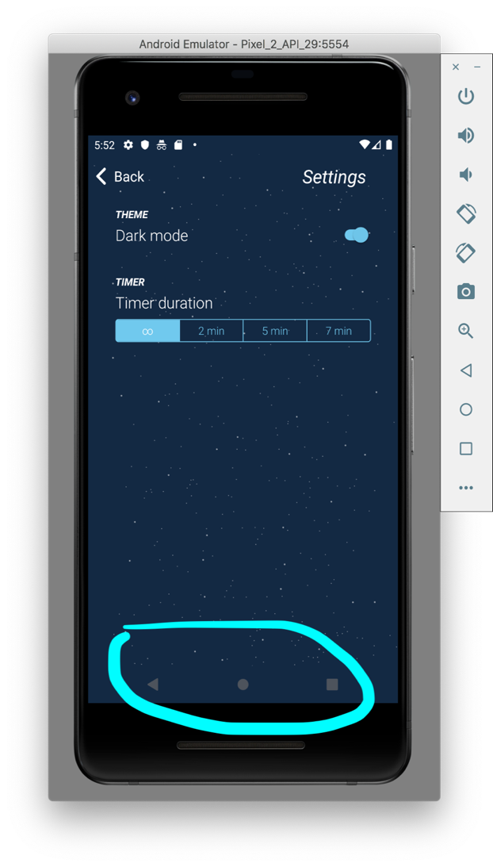 Not sure why, but it looks like the the navigation bar icons cannot be made white on Android API 29. Related tweet: https://twitter.com/mazzarolomatteo/status/1183412993222205441 Android 10 (API 29) |  | N | 安卓v4.4重试
10 | 241 | https://github.com/citiususc/calendula/issues/86 | bug | Cannot change time of routines on Android 4.2.2 | I have installed Calendula 2.4.1 (30) from the f-droid repository. On Android 4.2.2, I can't change the time connected to a routine. I only get a dialog to select a time, without a way to set it (see screenshot). On Android 7.1.2 I get a different, functioning, dialog. | 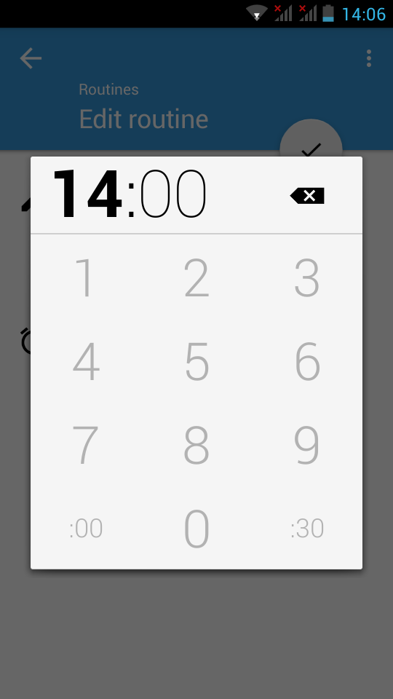 | N | 安卓v4.2重试
11 | 245 | https://github.com/room-15/ChatSE/issues/54 | bug | Joining a room duplicates the items in the adapter list | I joined the Sandbox room on SE and all the sudden the lists inside the navigation drawer doubled. | 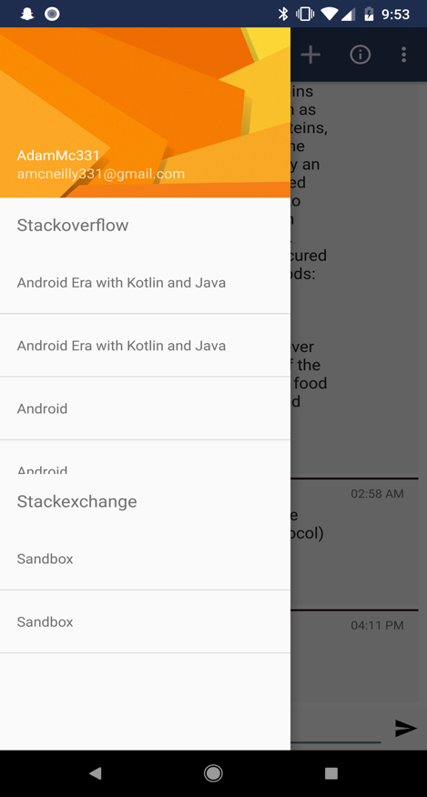 | N | app 无法测试 log in 功能未开发完
12 | 246 | https://github.com/ariebrainware/paylist/issues/52 | bug | Wrong label name | Unpaid checkbox label should be Paid | 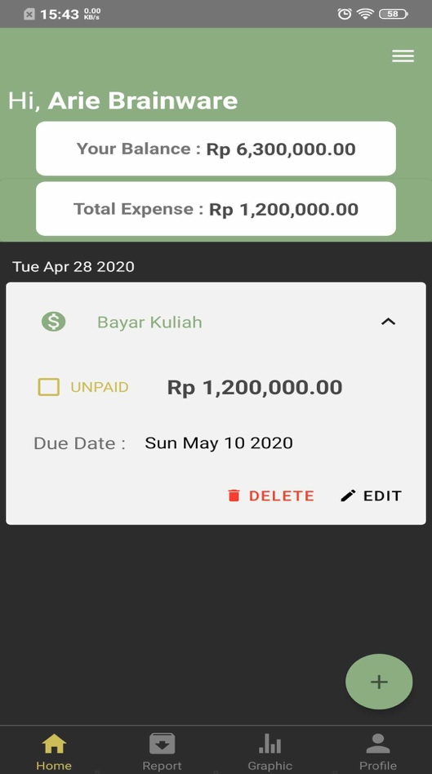 | Y
13 | 250 | https://github.com/conreality/conreality-player/issues/4 | bug | Fix channel name in notification settings |  | 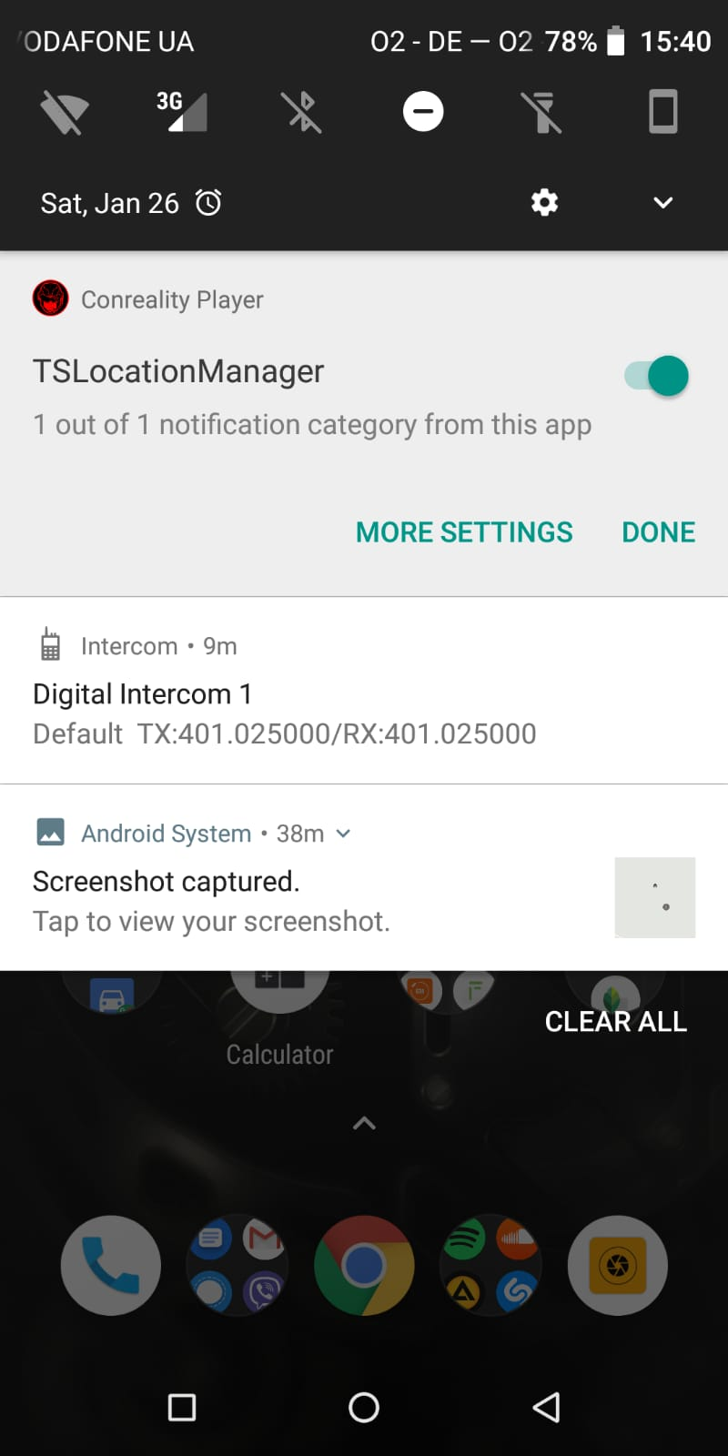 | N
14 | 251 | https://github.com/MarcDonald/Earworm/issues/24 | UI bug | Certain cases where text exceeds screen space | Text overruns screen: | 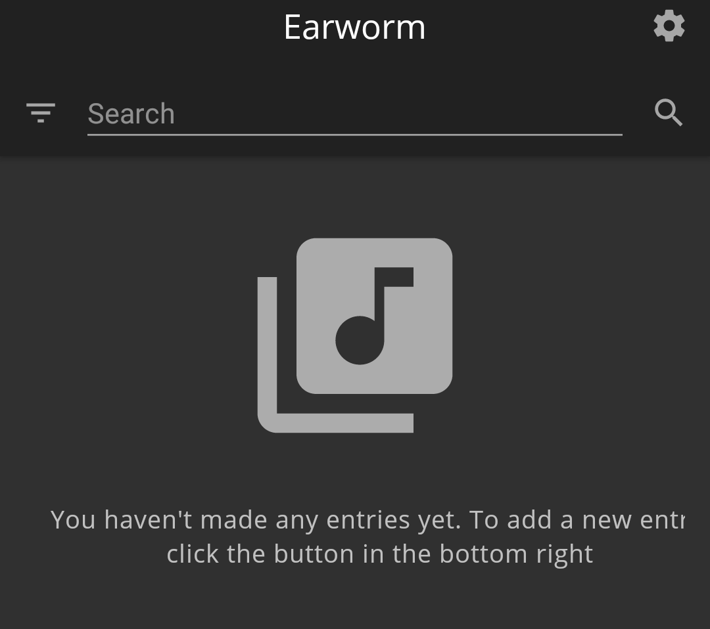 | Y
15 | 251 | https://github.com/MarcDonald/Earworm/issues/25 | UI bug | Certain cases where text exceeds screen space | Text overruns screen: | 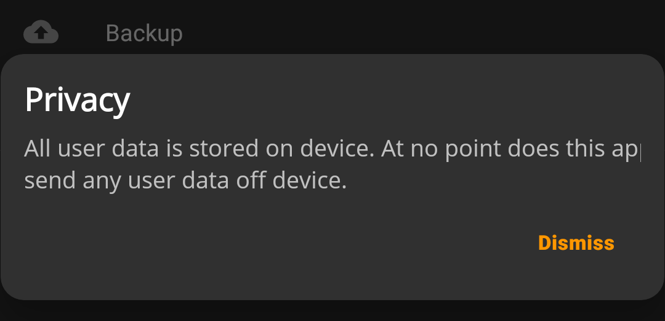 | Y
16 | 256 | https://github.com/milesmcc/LibreNews-Android/issues/33 | UI bug (text overlapping) |  |  | 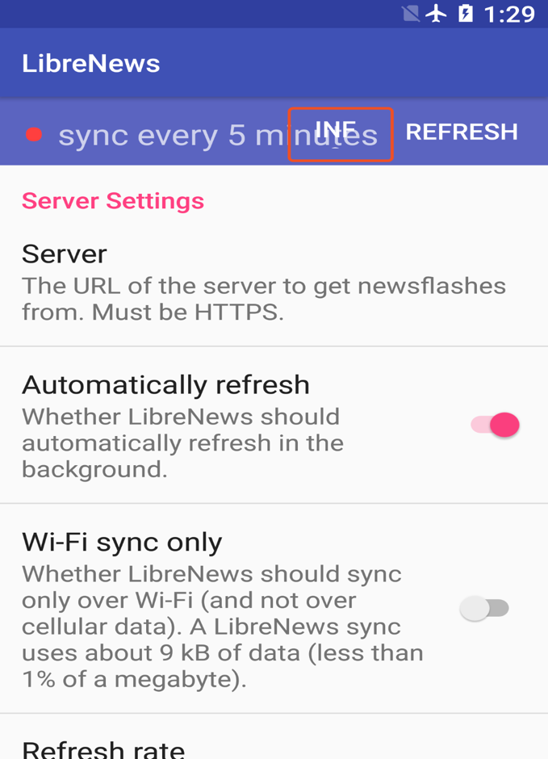 | Y
17 | 258 | https://github.com/milesmcc/LibreNews-Android/issues/21 | UI bug (text overlapping) |  |  | 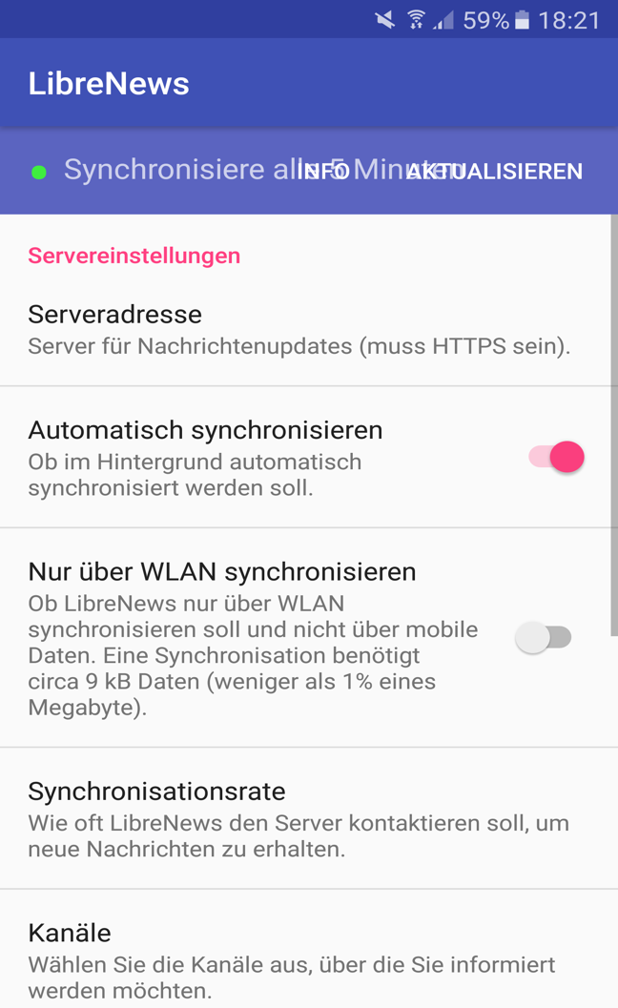 | Y
18 | 259 | https://github.com/ushahidi/SMSSync/issues/456 |  |  |  | 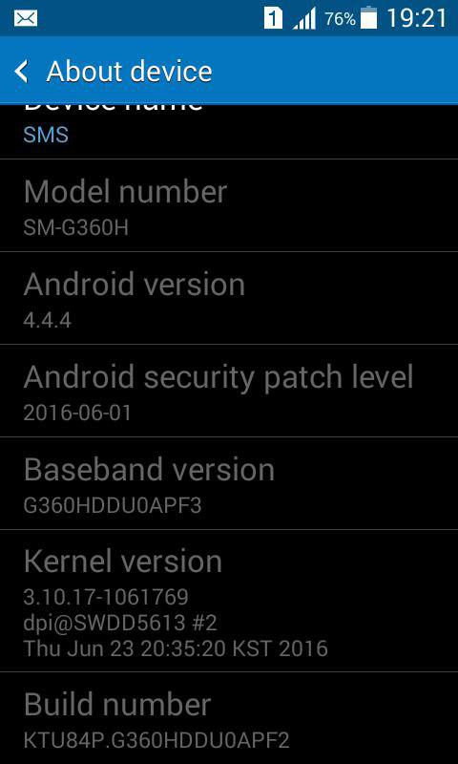 | N | Android4.4 重试
19 | 260 | https://github.com/ushahidi/SMSSync/issues/390
20 | 261 | https://github.com/ushahidi/SMSSync/issues/391
21 | 262 | https://github.com/ushahidi/SMSSync/issues/389 | text display error |  |  | 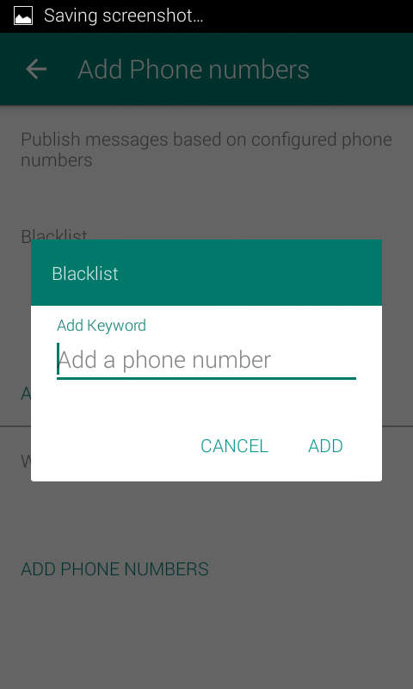 | Y
22 | 263 | https://github.com/ushahidi/SMSSync/issues/388 | N/A |  |  | 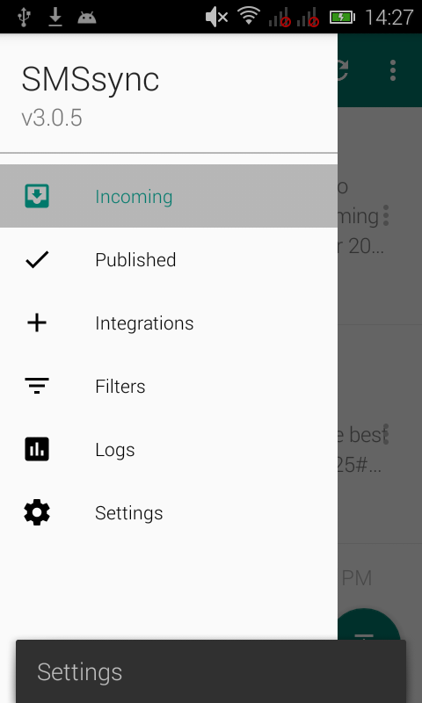 | N
23 | 264 | https://github.com/ushahidi/SMSSync/issues/360 | text size error |  |  | 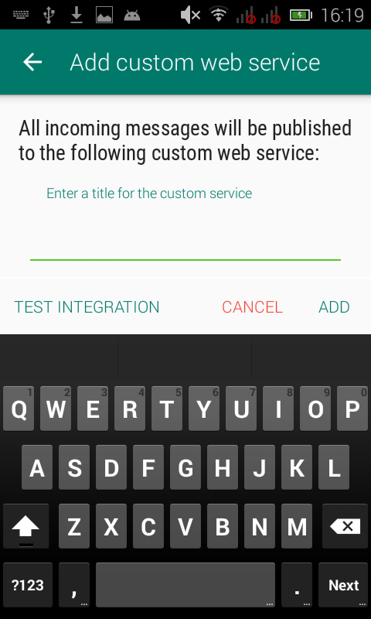 | Y
24 | 265 | https://github.com/ushahidi/SMSSync/issues/369 | error |  |  | 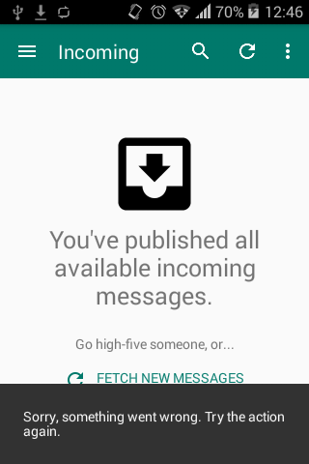 | N
25 | 268 | https://github.com/y20k/transistor/issues/254 | UI bug text display error |  |  | 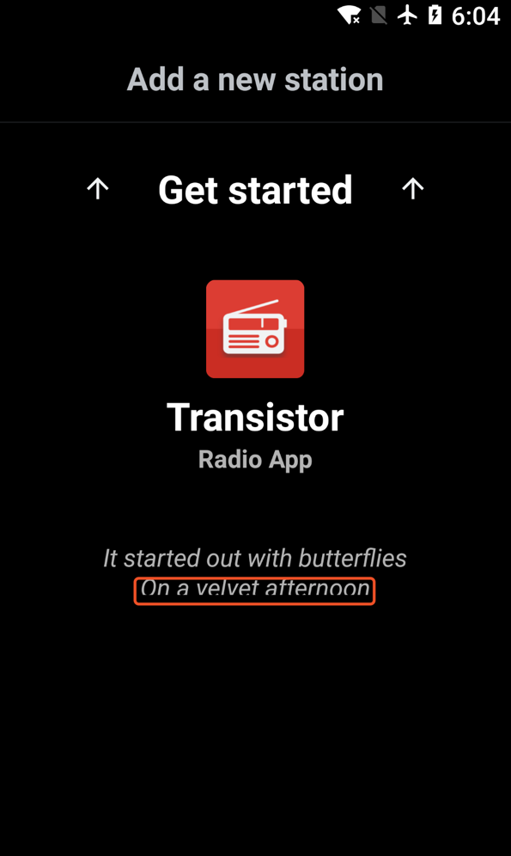 | Y
26 | 269 | https://github.com/y20k/transistor/issues/242 | HTML display error |  |  | 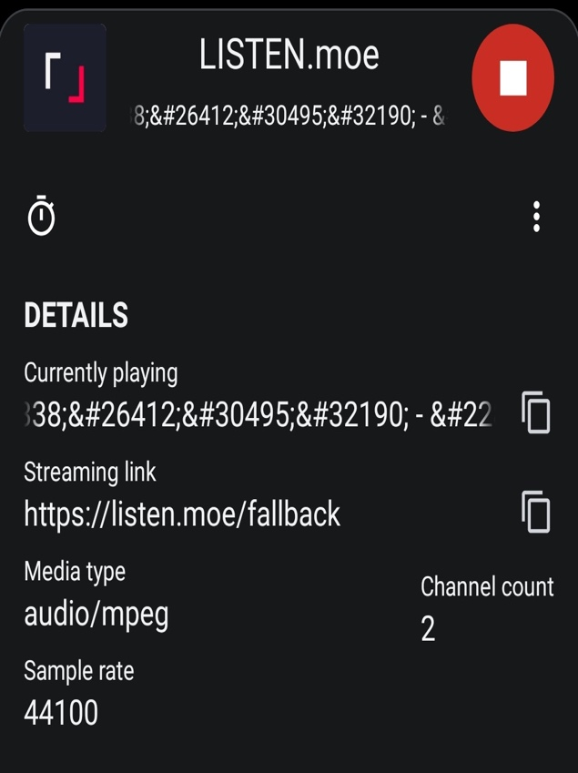 | Y
27 | 272 | https://github.com/zom/Zom-Android-XMPP/issues/362 | N/A |  |  | 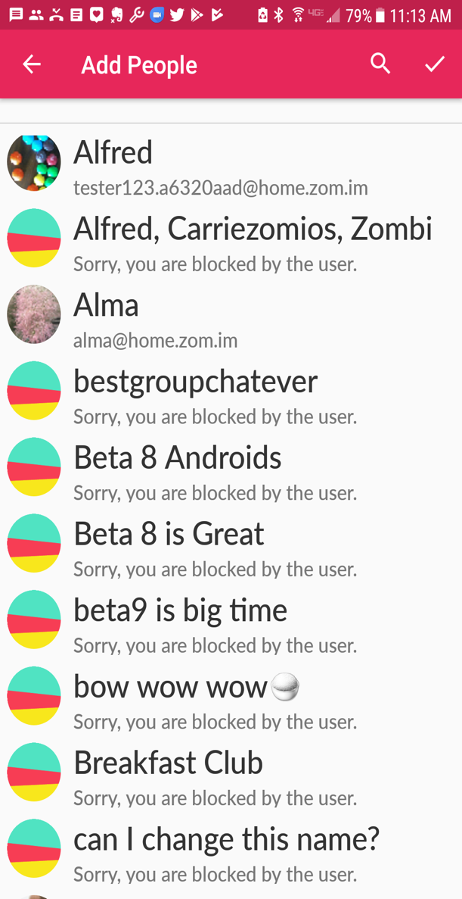
28 | 276 | https://github.com/getodk/collect/issues/4172 | UI bug (button not showing) |  |  | 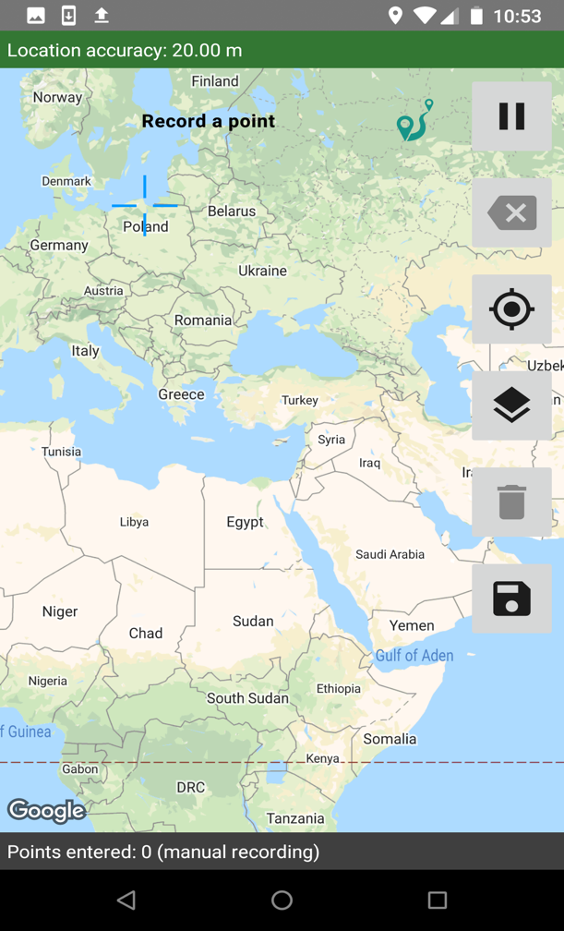 | Y
29 | 277 | https://github.com/getodk/collect/issues/2954 | error |  |  | 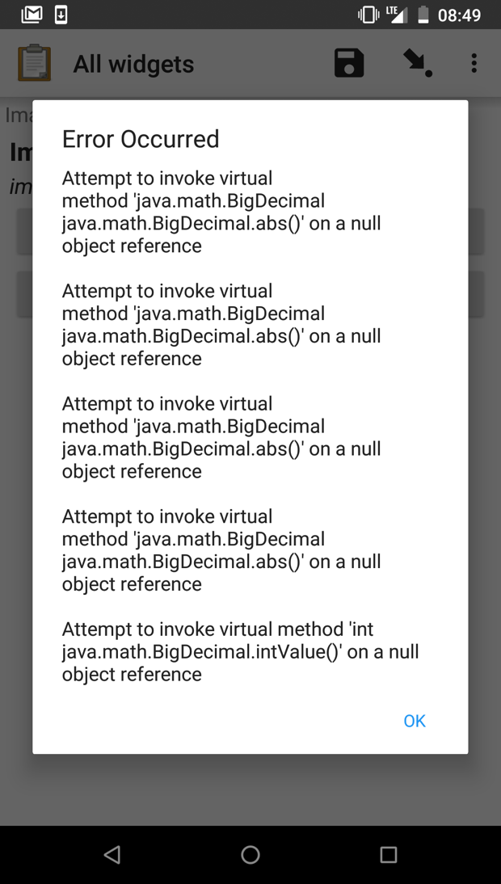
30 | 278 | https://github.com/getodk/collect/issues/2813 | text display error |  |  | 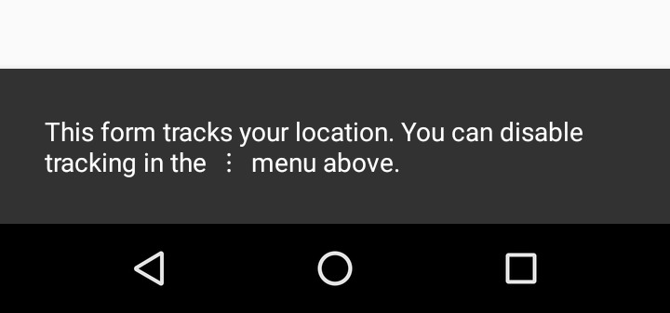
31 | 279 | https://github.com/getodk/collect/issues/2801 | error |  |  | 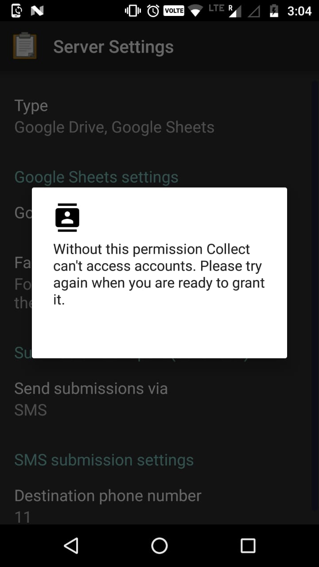
32 | 280 | https://github.com/getodk/collect/issues/1950 | display error |  |  | 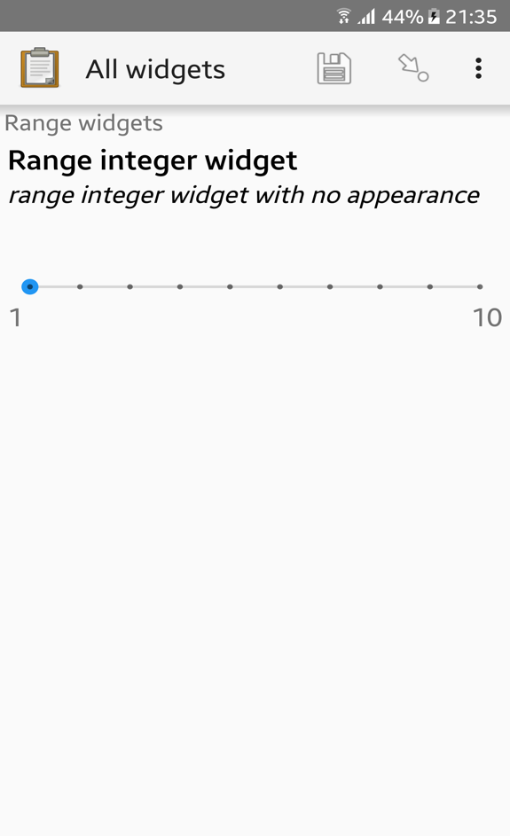
33 | 281 | https://github.com/getodk/collect/issues/1826 | error |  |  | 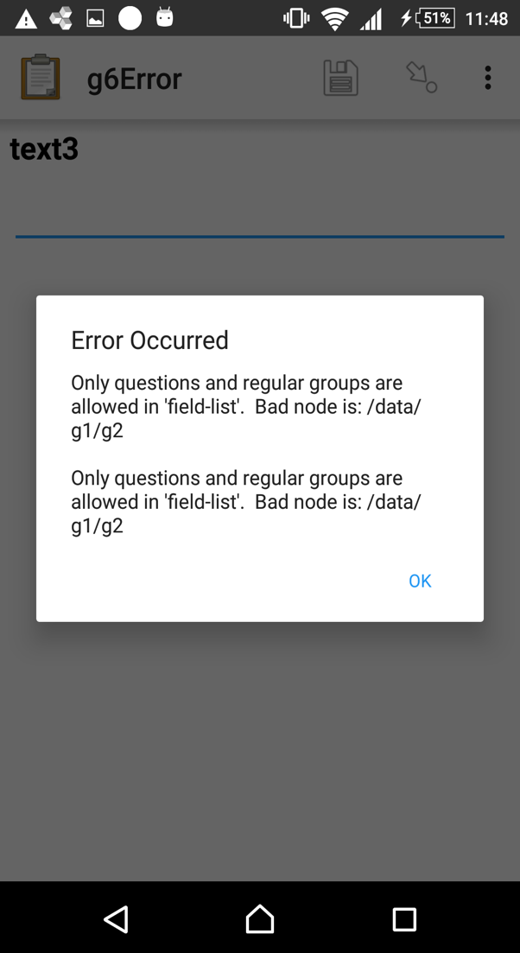
34 | 282 | https://github.com/getodk/collect/issues/1793 | showed black list |  |  | 
35 | 284 | https://github.com/getodk/collect/issues/1180 | font color |  |  | 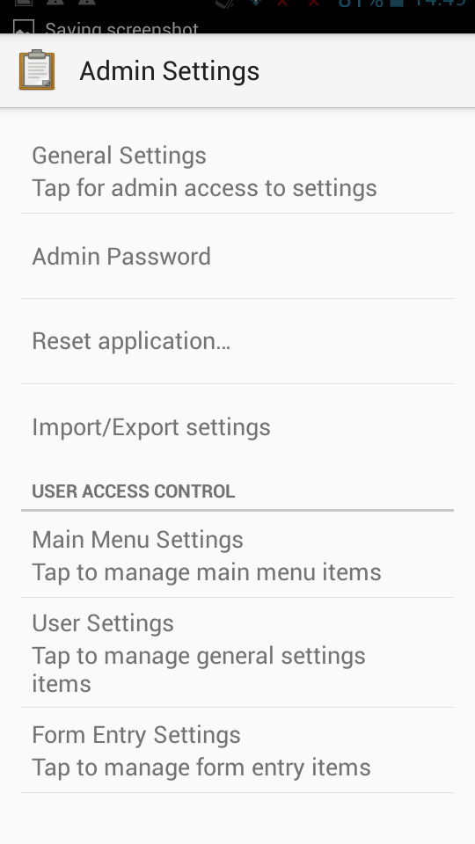
36 | 284 | https://github.com/getodk/collect/issues/1180 | font color |  |  | 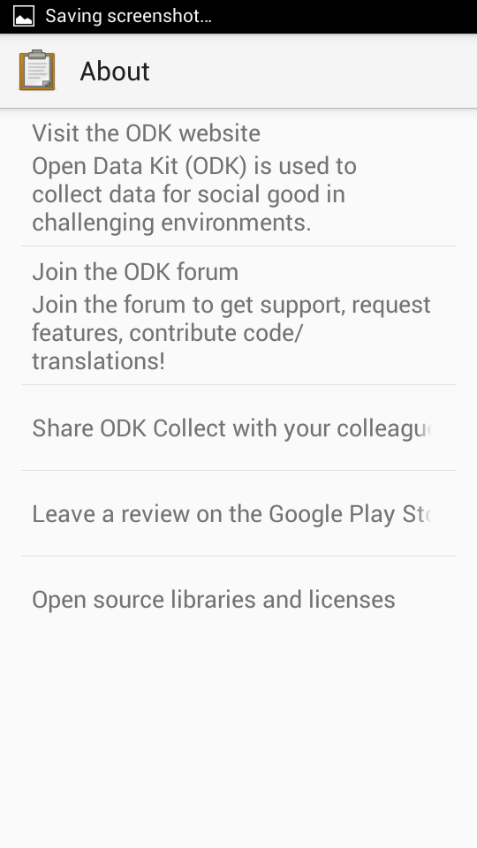
37 | 285 | https://github.com/getodk/collect/issues/1178 | icon not showing |  |  | 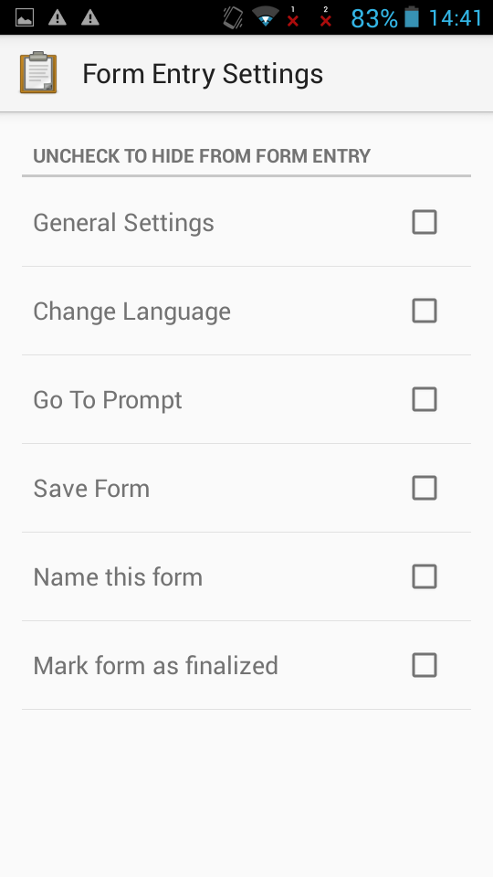
38 | 286 | https://github.com/k9mail/k-9/issues/5028 | text contents error |  |  | 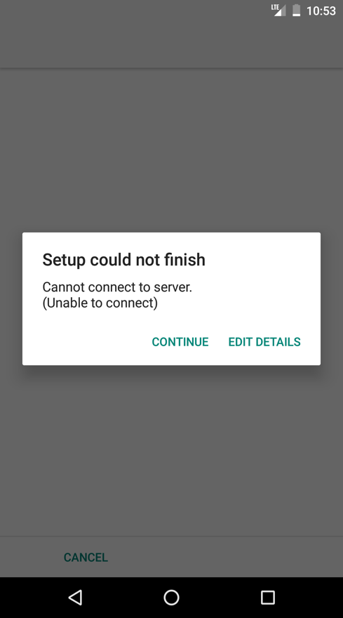
39 | 287 | https://github.com/k9mail/k-9/issues/5028 | functional error |  |  | 