Watch1
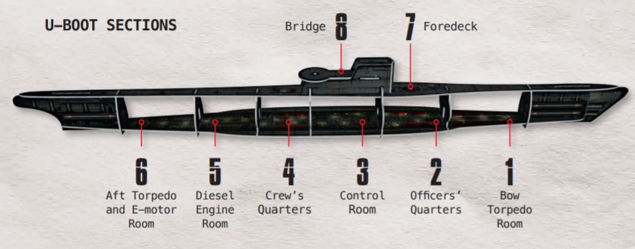
 |  | Player Role | Captian (Kaleu) | First Officer (WO) | Chief Engineer (LI) | Navigator (NO)

Order (in game) | Pronounced Command | Section | Bow Torpedo Room | Officers Quarter´s | Control Room | Crew´s Quarters | Diesel Engine Room | Aft Torpedo and E-Motor Room | Foredeck | Bridge
 |  | Role / Intention | 1 | 2 | 3 | 4 | 5 | 6 | 7 | 8
Mobilisation | Ready for surface march! | Transitride
Mobilisation | Ready for surface attack! | Attack with Gun or Torpedo
Mobilisation | Ready to submerge! Ready to emerge! | Dive maneuver
Mobilisation | Read for submerged attack! | Torpedo attack

Watch1+2
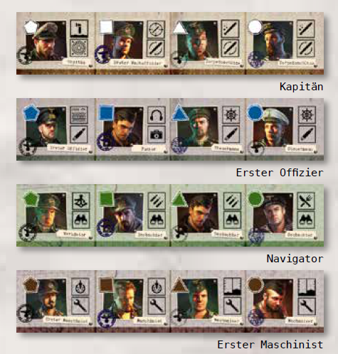

1. Wache | 2. Wache

1. Wache
 | 2. Wache

1. Wache | 2. Wache

1. Wache | 2. Wache

