2013
DATE | TASKS | DESCRIPTION | ISSUES
2013-09-30
 | Browsed Esri Silverlight Template and Code Gallery for new features to integrate
 |  | Fullscreen,Overview, Magnifier and Print

 | Installed all flex components required to develop widgets for Esri Flex Application Builder
 | Esri | Esri Flex API 3.5
 |  | Flexviewer 3.5
 |  | AppBuilder 3.5 (Turn on IIS)
 |  | ArcGIS 10.1 for Server
 | Adobe | Adobe Air 3.8
 |  | Flash Builder 4.7
 | Microsoft | SQL Server Express 2008
 |  | SQL Server Express Management Studio

2013-10-01
 | Review SOE | Reviewed
 | Debug FuturaWebmap
 | Published mapservice on localhost displays only one layer
 | Cannot log into to ArcGIS Server Administrator Account from Chrome - bug with latest version

 | The mapdocument path once mapservice is published is not displayed in AGS Server manager | This path is available in map service properties in ArcCatalog
 | FlashBuilder installation completed
 | Create working sets for projects
 | Install Subversion for flex sourcecode management
 | Reviewing Developer Productivity tools for flash builder | Subversion-1.8.3
 |  | FlexPMD : tool to improve code quality by auditing any flex/as3 source directory and detecting common bad practices
 |  | SourceMate 3.0
 |  | FlashDevelop: Alternative to Flash Builder but free
 |  | FDT : development toolkit in Eclipse for flash, flex, javscript etc..
 |  | TortoiseSVN based on Subversion with GUI
 |  | Installed Subclipse (SVN plugin) for Flash Builder 4.7

2013-10-02
 | Setting up Git repository in Flash Builder 4.7
 | To checkout git project(https://github.com/jp106/phonegapsample.git) | Clone Git repository
 |  | Make changes
 |  | git Commit | This commits files to local repository
 |  | git Push | Pushes commited changes to the server
 |  | git Push
 | local SVN repository on FTA-jhansip | file:///C:/Subversioning
 | SmartSVN | for Mac version control

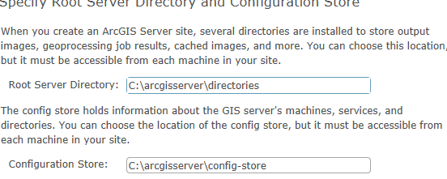
 | Tried Installing AGS 10.1 for Server SP1 | AGS 101 for SE authroization file - C:\Program Files\ESRI\License10.1\sysgen\ecp087685517_agsworkgroup101.ecp | Error publishing map service to ArcGIS 10.1 for Server Workgroup
 |  | Save keycodes file under "C:\Program Files\ESRI\License10.1\sysgen" as *.ecp file to create authorization file | Didn't fix the issue
 | Uninstalled and installed ArcGIS 10.1 for Server Enterprise | Waiting for license file | Need to request Esri Tech support to deauthorize AGS101 Server Workgroup
 |  | AGS101 for SW can connect to only SQL Express only

 | Installed TortoiseSVN and linked to local SVN repository
 | Installed ArcGIS Viewer for Silverlight 3.1
 | To add Futura AddIns(Electric Tool, Futura Tools, Navigation tools) manually | Copy the xap files from project bin directory to C:\inetpub\wwwroot\Builder\Extensions
 | To update existing Silverlight viewers | Copy the xap files from project bin directory to C:\inetpub\wwwroot\Apps\silverlightviwer\Extensions | ********Still the Futura tool extension is not displayed in the silverlight viewer.*************

2013-10-03
 | UPN-GIS Training from 10.30 to 12.30 and 2.10 -4.10
 | Try to configure

2013-10-04 | Reinstalling AGS 101 Enterprise on FTA-JHANSIP |  | Same error
 |  | Training on Reader with Suman
2013-10-07
 | Install Adobe Flash Player - debugger version | Installed
 | Path of the custom widgets added from the application builder | C:\Users\jhansip\AppData\Roaming\com.esri.ags.AppBuilder3.0\Local Store\flexviewer\widgets
 |  | eg. Directory - Helloworld, Files - HelloWorldWidget.swf and HelloWorldWidget.xml
 |  | C:\Users\jhansip\AppData\Roaming\com.esri.ags.AppBuilder3.0\Local Store\modules
 |  | Eg - HelloWorldModule.xml
 |  | Test Data

 |  | <configuration>
 |  | <name>Widgetname</name>
 |  | </configuration>
 | Created repositotry on Github for visual Studio projects
 | Git plugin for Visual Studio | Install Git Extension
 | Code analysis for Flash Builder 4.7 | FlexPMD Plugin
 | Flex PMD Plugin for eclipse | http://opensource.adobe.com/svn/opensource/flexpmd/plugin/trunk/flex-pmd-eclipse-plugin-site
 | Flex PMD Command line tools | http://opensource.adobe.com/svn/opensource/flexpmd/maven-repository/release/com/adobe/ac/flex-pmd/1.0/flex-pmd-all-in-one-bundle-1.0.1.zip
 | Flex coding guidelines

 | Training on assetTracker with Suman
2013-10-08 | Training on learning concepts, tasks and asset tracker configuration with Djay |  | · Learning Web Map – completely | 1. .NET Advanced Concepts
 | Going through Asset Tracker code |  | · Learn Reader – completely | a. .NET Framework fundamentals – in depth understanding
 | Going through Freader publisher tool to create FPD files |  | o Current Issues: Redesign the network connectivity export from XML to table based | b. Delegates & advanced concepts in .NET Framework 3.5, 4.0, 4.5
 | R&D on Esri Flex Builder customization with widgets |  | · Learn Asset Tracker | c. Delegates and Asynchronous programming (callbacks and more advanced scenarios)
 |  |  | · R&D on Flex: Developing plugins on Flex Builder | d. .NET Remoting
 | Asset Tracker maybe converted from web application to desktop application |  | · Applying a feature class extension | e. WCF
 | Freader issue
 |  |  | Learn Geometric Network (internals, Engine level) | 2. OOPS Concepts (and OOAD)
 |  |  | Logical & Analytical thinking | a. Develop a sample C# application using OOPS concepts

2013-10-09 | New tool for futura webmap | Read hyperlink from attribute and display |  | 3. Web Application Development with ASP.NET & C#
 | R&D for flash builder | Use flex library project to create swc files and use in air or flex projects |  | a. Learn ASP.NET, web application development
 |  | start the package name with namespace |  | b. Learn AJAX, HTML5
 |  | in script import with the namespace |  | c. Sample Application to get complete understanding
 |  | for use in layout create xmlns="namespace.*"
 | Namespaces!!!!!
 | Creating installer for visual studio projects
 | creating installer packages for flex applications using export release build in flash builder 4.7
2013-10-10
 | WCF datacontracts, service contracts and data members | samples
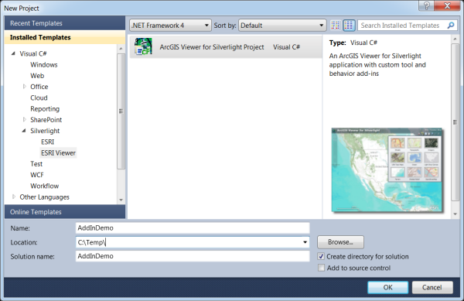
 | windows workflow foundation

 | esri.arcgis.extensibility | arcgis extensibility sdk for silverlight
 |  | Microsoft Visual Studio template for the ArcGIS Viewer for Silverlight

 | Debugging the Addin in viewer and Application builder
 | Debugging in the Application Builder by attaching to process
 | Debugging using the Viewer website project | Able to debug in 32 bit IE browser
 |  | Cannot debug in firefox

 | The AGS 101 map service issue with geometric network error fixed | Install futuragisserversetup from \\gisdev\Deployment\FuturaSystems\FuturaGIS\3.1\3.1.0.1 | Error 20019: Layer is being published with custom class extensions
 | These are 64 bit dll's, feature class extensions used by geometric network | Installed under C:\Program Files\Futura Systems\FuturaGIS\Bin

 | Install FuturWebmap with installer | Futura.WebMap.Setup from \\gisdev\Deployment\FuturaSystems\FuturaWebMap\3.0\3.0.2.1 | Error installing - Installation incomplete
 | File that is updated of the custom extensions in silverlight application builder | C:\inetpub\wwwroot\Builder\App_Data\Extensions.xml
 | Apply class extension review |  | *******Review*******

2013-10-11
 | Asset Tracker with Annie
 |  | No warning is given when the manage settings under Setup, the value is misspelled
 | Futura Old Web map (WebADF) | http://gisprod/futurawebmap/default.aspx
 | with query string | http://gisprod/futurawebmap/default.aspx?Layer=TransformerBank&Field=MapNumber&value=199863722578&dt=19314
 |  | http://gisdev/Apps/FuturaWebMap/?Layer=TransformerBank&Field=MapNumber&value=199863722578&dt=1687
 | Debugging QueryString behavior from Asset Tracker |  | Test - TransformerBank, MapNumber = 202946731228
 |  |  | Check for the map services on gisdev to start
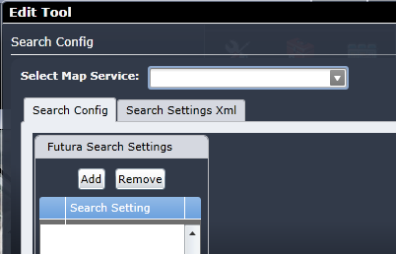
 | Futura Tools - Upload to AddIns in Silverlight Application Builder |  | Issue - xap file not copied to wwwroot/Builder/Extensions

 |  |  | Futura Search Tool configuration in App Builder - Unable to select a map service to search

 | Documents on orion/common/_Docs

Topic Tracker
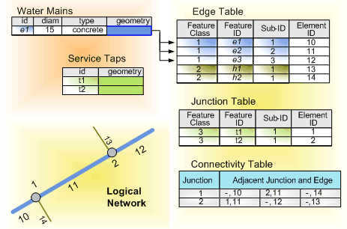
Sno. | Topic | Questions | Minutes | Extra
1 | Geometric Network | How feature classes participate in network | extra behavior such as an awareness that they are topologically connected to each other
 |  | Extra behavior for edges and junctions? | edges must connect to other edges at junctions
 |  |  | in the network, the flow from one edge to another is transferred through junctions.
 |  | Simple Edge? | resource can be siphoned off or exit the edge at its endpoint. | Eg. Water lateral in water network
 |  |  | simple edges are always connected to two junctions | one at each end
 |  |  | If a new junction is snapped midspan on a simple edge, that simple edge is physically split into two separate features.
 |  | Complex Edge? | just like simple edges, but they also allow resources to be siphoned off along the edge without having to physically split the edge feature | Eg. Water main in water network
 |  |  | allow midspan connectivity.
 |  |  | complex edge remains a single feature
 |  |  | Snapping the junction causes the complex edge to be split logically,
 |  | User-defined junction? | created based on a user's source data when the geometric network is first established. | Examples of junctions are service points, fuses, stream gauges, or taps.

 |  | Orphan junctions | simple junction feature class is created along with it called the orphan junction feature class.
 |  |  | The name of the orphan junction feature class corresponds to the name of the geometric network appended with _Junctions.
 |  |  | is used by the geometric network to maintain network integrity.
 |  |  | an orphan junction is inserted at the endpoint of any edge at which a geometrically coincident junction does not already exist in your source data
 |  |  | To subsume an orphan junction is to incorporate it into the network by replacing it with a user-defined junction.
 |  |  | The orphan junction feature class is deleted when its geometric network is deleted.
 |  | Logical Network as stored by ArcGIS | Edge Table
 |  |  | Junction Table
 |  |  | Connectivity Table
 |  | Source | Flow is away from source | Example - pump station, power generation station
 |  | sink | Flow is towards sinks | Example - water treatment plant and customers
 |  |  | features can be sources or sinks, a field called AncillaryRole is added to the feature class | to record whether the feature is to act as a source, sink, or neither
 |  |  | If not already present, a domain called the AncillaryRoleDomain will be created and associated with the feature classes acting as sources or sinks.

