Sheet1
image | name | year | collection | dimensions | inventory nr. | catalogue code
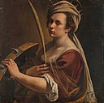 | Self-Portrait as Saint Catherine of Alexandria | 1615-1617 | National Gallery, London | 71.5 cm x 71 cm | NG6671

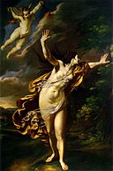 | Aurora | 1625-7 | Private Collection | 218 x 146 cm. |  | MET (Figure 96.), WB (15)

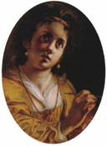 | Allegory of Painting | 1630s | Private Collection |  |  | MET (Figure 97.)

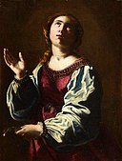 | Saint Apollonia | 1642-1644 | Museo Soumaya | 74.3 cm × 57 cm (29.3 in × 22 in)

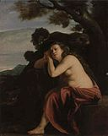 | Penitent Magdalene | 1630s | Private Collection | 49 x 39.7 cm. |  | MET (Figure 98.)

 | Lucretia | 1645-50 | Neues Palais in Potsdam | 261 × 226 cm. |  | MET (Figure 99.), WB (48b)

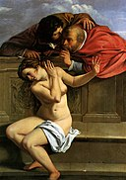 | Susanna and the Elders | 1610-1 | Schloss Weißenstein | 170 x 119 cm. | 191 | MET (51), WB (2)

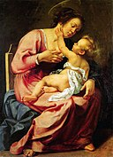 | Madonna and Child | 1610-1 | Galleria Spada | 116.5 X 86.5 cm. | 166 | MET (52), WB (X-19)

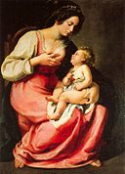 | Madonna and Child | c. 1630 | Palazzo Pitti, Florence | 118 x 86 cm. | 2129 | MET (Figure 107.), WB (1)

 | Cleopatra | 1611-2 | Private Collection | 118 x 181 cm. |  | MET (53), WB (X-6)

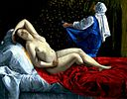 | Danae | 1612 | Saint Louis Art Museum | 40.5 X 52.5 cm. | 93:1986 | MET (54), WB (X-7)

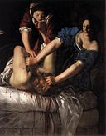 | Judith Slaying Holofernes | 1611-2 | Museo Nazionale di Capodimonte | 158.8 x 125.5 cm. |  | MET (55), WB (4)

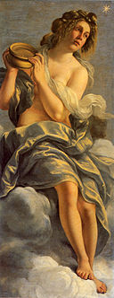 | Allegory of Inclination | 1615 | Casa Buonarroti | 152 × 61 cm. |  | MET (Figure 110.), WB (8)

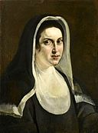 | Portrait of a Nun | 1613-8 | Private Collection | 70 × 52.5 cm. |  | MET (Figure 114.)

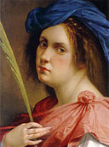 | Self-Portrait as a Female Martyr | c.1615 | Private Collection | 32 X 24.7 cm. |  | MET (56), WB (7)

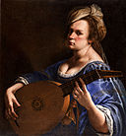 | Self-Portrait as a Lute Player | 1616-18 | Wadsworth Atheneum | 30 x 28 cm |  | MET (57)
 |  |  | Villa Medici

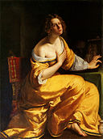 | Mary Magdalene | 1616–17 | Palazzo Pitti | 146.5 x 108 cm |  | MET (58), WB (10)

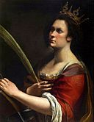 | Saint Catherine of Alexandria | c.1618-9 | Uffizi | 77 x 62 cm | 8032 | MET (59), WB (6)

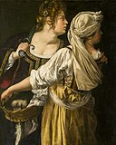 | Judith and her Maidservant | c.1618-9 | Palazzo Pitti, Florence | 14 x 93.5 cm |  | MET (60), WB (5)

 | Mary Magdalene in Ecstasy | 1620 | private collection | 81 x 105 cm cm. |  | G. Pupi

 | Jael and Sisera | 1620 | Museum of Fine Arts, Budapest | 86 X 125 cm. |  | MET (61), WB (11)

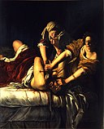 | Judith Slaying Holofernes | 1620-1 | Uffizi | 86 X 125 cm. |  | MET (62), WB (12)

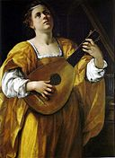 | Saint Cecilia | c.1620 | Galleria Spada | 108 X 78.5 cm. |  | MET (63), WB (X-28)

 | Allegory of Painting | 1620s | Musee de Tesse, Le Mans | 95.5 x 133 cm |  | MET (64)

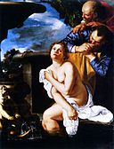 | Susanna and the Elders | 1622 | Burghley House | 162.5 x 121.9 cm. |  | MET (65), WB (X-42)

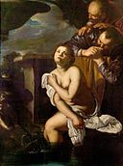 | Susanna and the Elders | c. 1630 | Nottingham Castle | 162.5 x 121.9 cm. | NCM 1964-77 | MET (65 (related pictures: Nottingham))

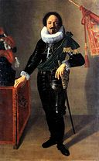 | Portrait of a Gonfaloniere | 1622 | Palazzo d'Accursio | 208 x 128 cm. |  | MET (66), WB (13)

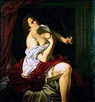 | Lucretia | c.1623-5 | Collection Gerolamo Etro, Milan | 54 x 51 cm. |  | MET (67), WB (3)

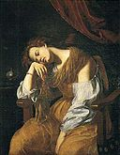 | Penitent Magdalene | c.1625-6 | Seville Cathedral | 122 x 96 cm. |  | MET (68), WB (16)

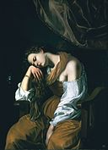 | Mary Magdalene as Melancholy | 1620s | Museo Soumaya | 136.3 × 100.3 cm. |  | MET (Figure 128.), WB (17)

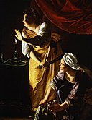 | Judith and Maidservant with Head of Holofernes | c.1625-7 | Detroit Institute of Arts | 182.2 X 142.2 cm. | 52.253 | MET (69), WB (14)

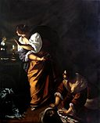 | Judith and Maidservant with Head of Holofernes | c.1640s | Museo di Capodimonte, Naples | 272 X 221 cm. | Q377 | MET (69 (related pictures: Museo di Capodimonte)), WB (48c)

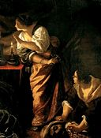 | Judith and her Maidservant (Cannes) | c.1640s | Musee de la Castre, Cannes | 235 x 172 cm. | 2006.O.751 | WB (47), Locker Figure 3.31

 | Venus and Cupid | c.1625-30 | Virginia Museum of Fine Arts | 94 x 144 cm. | 2001.225 | MET (70), WB (18)

 | Esther before Ahasuerus | c.1628-35 | Metropolitan Museum of Art | 208.3 × 273.7 cm. | 69.281 | MET (71), WB (28)

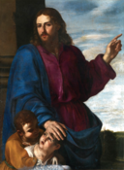 | Christ Blessing the Children | c.1640s | formerly MET | 134.6 × 97.7 cm. |  | MET (Figure 132.)

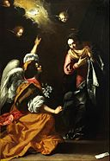 | Annunciation | 1630 | Museo Nazionale di Capodimonte | 257 x 179 cm. | Q375 | MET (72), WB (24)

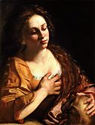 | Penitent Magdalene | c.1630-2 | Private Collection | 65.7 x 50.8 cm. |  | MET (73), WB (9)

 | Corisca and the Satyr | c.1630-5 | Private Collection | 155 x 210 cm. |  | MET (74), WB (30)

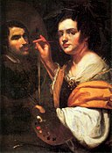 | Self Portrait | c.1630-5 | Palazzo Barberini Rome | 98 x 74.5 cm | 1952 (F.N. 33598) | Locker (Figure 5.2)

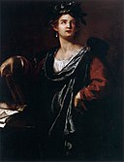 | Clio: the Muse of History | 1632 | Palazzo Blu | 127.6 x 97.2 cm. |  | MET (75), WB (27)

 | Cleopatra | 1633-5 | Private Collection | 117 x 175.5 cm. |  | MET (76), WB (22)

 | Nativity of St. John the Baptist | 1633-5 | Museo del Prado | 184 X 158 cm. | P00149 | MET (77), WB (32)

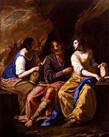 | Lot and his Daughters | 1635-8 | Toledo Museum of Art | 230.5 x 183 cm. | 1983.107 | MET (78), WB (39)

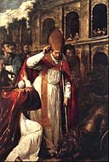 | The Martyrdom of St Januarius in the Amphitheatre at Pozzuoli | 1636-7 | Museo Nazionale di Capodimonte | 300 x 200 cm. |  | MET (79), WB (33b)

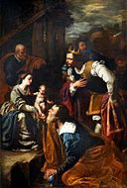 | Adoration of the Magi | 1636-7 | Museo Nazionale di Capodimonte | 300 × 180 cm. |  | MET (Figure 142.), WB (33c)

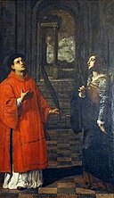 | Saint Proculus of Pozzuoli and his mother Santa Nicaea | 1636-7 | Museo Nazionale di Capodimonte | 300 × 180 cm. |  | MET (Figure 143.), WB (33a)

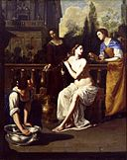 | David and Bathsheba | c.1636-8 | Columbus Museum of Art | 265.4 x 209.6 cm. | 1967.006 | MET (80), WB (37)

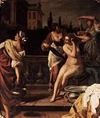 | David and Bathsheba | 1645 | Prussian Palaces and Gardens Foundation Berlin-Brandenburg | 265.4 x 209.6 cm. |  | MET (80 (related pictures: Neues Palais, Potsdam)), WB (48a)

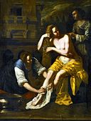 | Bathsheba | 1638 | Private Collection |  |  | MET (80 (related pictures: formerly Ramunni, Naples, ex-Leipzig)), WB (40)

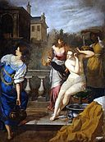 | David and Bathsheba | 1645 | Palazzo Pitti | 286 x 214 cm |  | MET (80 (related pictures:Palazzo Pitti))

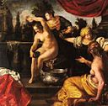 | Bathsheba | 1640 | Private Collection |  |  | MET (80 (related pictures: Haas collection, Vienna)), WB (45)
 |  | 1645

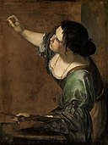 | Self-Portrait as the Allegory of Painting | 1638-9 | Royal Collection | 96.5 x 73.7 cm. | RCIN 405551 | MET (81), WB (42)

 | Venus Embracing Cupid | 1640s | Private Collection | 121 x 160 cm. |  | MET (82), WB (31)

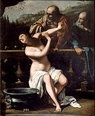 | Susanna and the Elders | 1649 | Moravian Gallery in Brno | 205 x 168 cm |  | MET (83), WB (50)

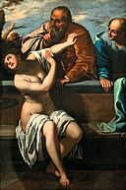 | Susanna and the Elders | 1650 | Bassano Civic Museum | 168 × 112 cm |  | MET (83 (related pictures: Bassano del Grappo)); Locker, Figure 6.1

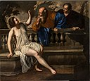 | Susanna and the Elders | 1652 | Pinacoteca Nazionale di Bologna | 200.3 × 225.6 cm |  | WB (L-104)

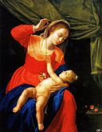 | Virgin and Child with a Rosary | 1651 | El Escorial | 58 x 50 cm |  | MET (84), WB (51)

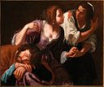 | Samson and Delilah | 1630-38 | Palazzo Zevallos, Naples |  |  | WB (35)

