2014 EPI Framework
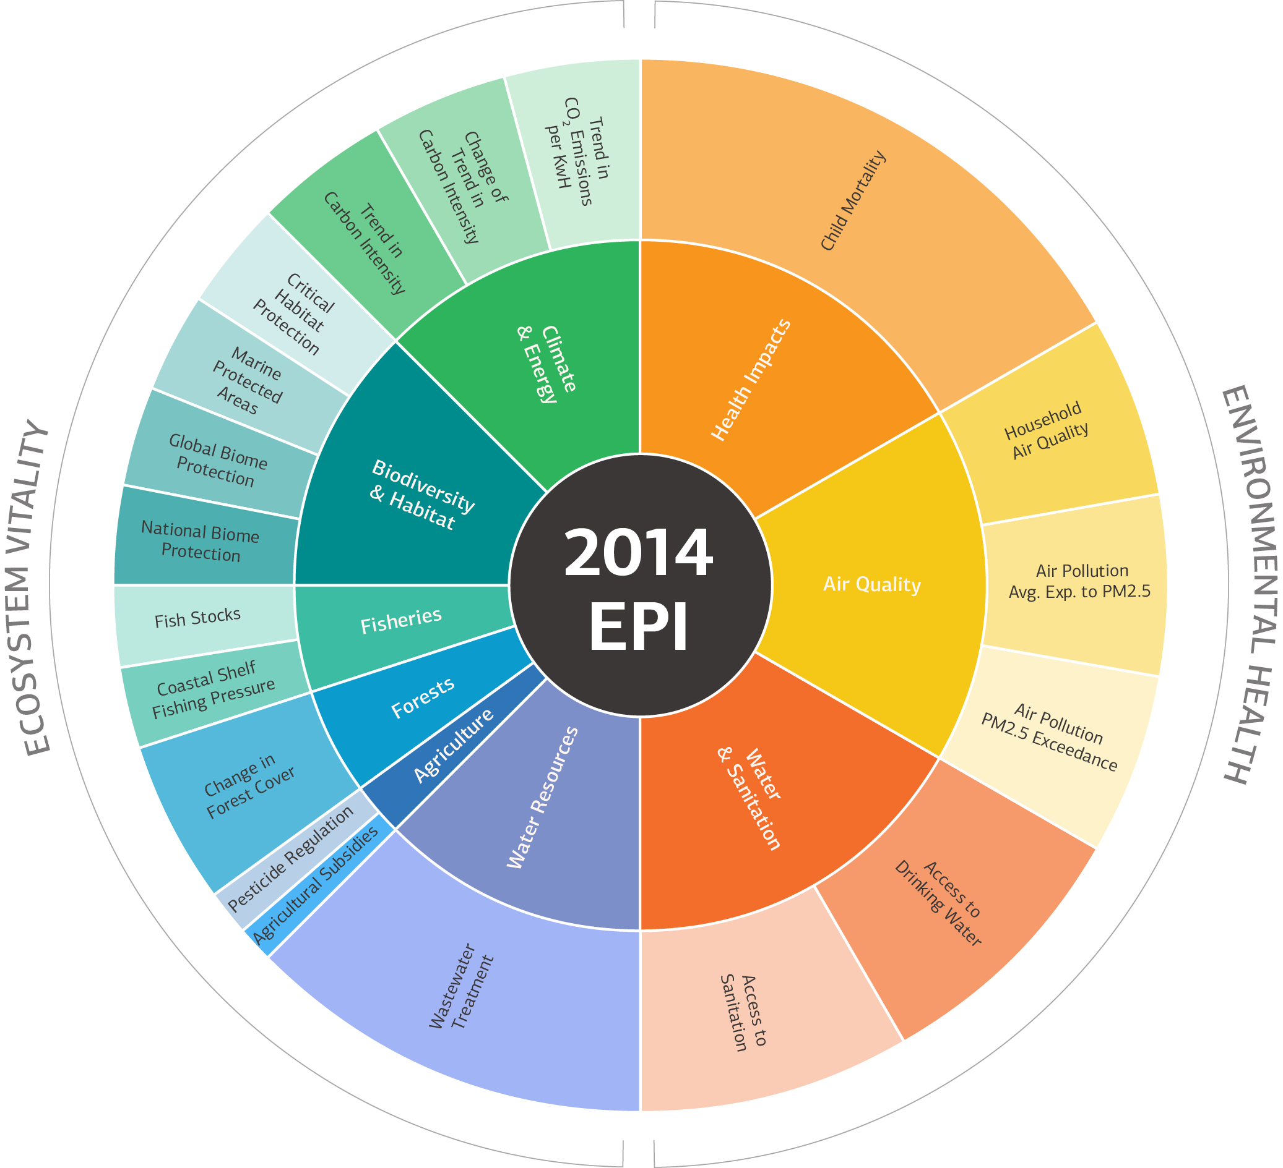
EPI | Objective | Issue Category | Indicator | Indicator - Long name
Environmental Performance Index (EPI) | Environmental Health | Health Impacts | Child Mortality | Probability of dying between a child's first and fifth birthdays (between age 1 and 5)
 |  | Air Quality | Household Air Quality | Percentage of the population using solid fuels as primary cooking fuel.
 |  |  | Air Pollution - Average Exposure to PM2.5 | Population weighted exposure to PM2.5 (three- year average)
 |  |  | Air Pollution - PM2.5 Exceedance | Proportion of the population whose exposure is above WHO thresholds (10, 15, 25, 35 micrograms/m3)
 |  | Water and Sanitation | Access to Drinking Water | Percentage of population with access to improved drinking water source
 |  |  | Access to Sanitation | Percentage of population with access to improved sanitation
 | Ecosystem Vitality | Water Resources | Wastewater Treatment | Wastewater treatment level weighted by connection to wastewater treatment rate.
 |  | Agriculture | Agricultural Subsidies | Subsidies are expressed in price of their product in the domestic market (plus any direct output subsidy) less its price at the border, expressed as a percentage of the border price (adjusting for transport costs and quality differences).
 |  |  | Pesticide Regulation | Scoring of whether countries have signed on to the Stockholm Convention and allow, restrict, or ban the "dirty dozen" POPs that are common agricultural pesticides.
 |  | Forests | Change in Forest Cover | Forest loss - Forest gain in > 50% tree cover, as compared to 2000 levels.
 |  | Fisheries | Coastal Shelf Fishing Pressure | Catch in metric tons from trawling and dredging gears (mostly bottom trawls) divided by EEZ area
 |  |  | Fish Stocks | Percentage of fishing stocks overexploited and collapsed from EEZ
 |  | Biodiversity and Habitat | Terrestrial Protected Areas (National Biome Weights) | Percentage of terrestrial biome area that is protected, weighted by domestic biome area
 |  |  | Terrestrial Protected Areas (Global Biome Weights) | Percentage of terrestrial biome area that is protected, weighted by global biome area.
 |  |  | Marine Protected Areas | Marine protected areas as a percent of EEZ
 |  |  | Critical Habitat Protection | Percent of critical habitat sites as designed by the Alliance for Zero Extinction protected
 |  | Climate and Energy | Trend in Carbon Intensity | Change in CO2 emissions per unit GDP from 1990 to 2010
 |  |  | Change of Trend in Carbon Intensity | Change in Trend of CO2 emissions per unit GDP from 1990 to 2000; 2000 to 2010
 |  |  | Trend in CO2 Emissions per KWH | Change in CO2 emissions from electricity and heat production
 |  | *NOT USED FOR CALCULATION OF EPI SCORE | Access to Electricity | Percent of population with access to electricity.

INVESTABLE FILTERED UNIVERSE
Distribution Comparison with Pert(44.63222222,64.48214815,86.40755556)
 | Distribution |  |  |  | Pert(44.63222222,64.48214815,86.40755556) |  | xDelimiter |  | xPDelimiter
46.338913969 | 0 | 46.338913969 | 0 |  |  | 50.205771772 | 0.05 | 45.102885886 | 0.05
46.338913969 | 0.002742175922 | 46.338913969 | 0 | 40 | 0 | 79.787830006 | 0.05 | 64.996800889 | 0.05
46.490618313 | 0.002742175922 | 46.338913969 | 0.002742175922 | 40.100200401 | 0 |  |  | 84.893915003 | 0.05
46.642322658 | 0.002742175922 | 47.797609587 | 0.002742175922 | 40.200400802 | 0
46.794027002 | 0.002742175922 | 47.797609587 | 0 | 40.300601202 | 0
46.945731346 | 0.002742175922 | 47.797609587 | 0.0068554398051 | 40.400801603 | 0
47.09743569 | 0.002742175922 | 49.256305204 | 0.0068554398051 | 40.501002004 | 0
47.249140035 | 0.002742175922 | 49.256305204 | 0 | 40.601202405 | 0
47.400844379 | 0.002742175922 | 49.256305204 | 0.010968703688 | 40.701402806 | 0
47.552548723 | 0.002742175922 | 50.715000822 | 0.010968703688 | 40.801603206 | 0
47.704253067 | 0.002742175922 | 50.715000822 | 0 | 40.901803607 | 0
47.797609587 | 0.002742175922 | 50.715000822 | 0.015081967571 | 41.002004008 | 0
47.797609587 | 0 | 52.173696439 | 0.015081967571 | 41.102204409 | 0
47.797609587 | 0 | 52.173696439 | 0 | 41.20240481 | 0
47.797609587 | 0.0068554398051 | 52.173696439 | 0.021937407376 | 41.30260521 | 0
47.949313931 | 0.0068554398051 | 53.632392057 | 0.021937407376 | 41.402805611 | 0
48.101018275 | 0.0068554398051 | 53.632392057 | 0 | 41.503006012 | 0
48.252722619 | 0.0068554398051 | 53.632392057 | 0.026050671259 | 41.603206413 | 0
48.404426964 | 0.0068554398051 | 55.091087674 | 0.026050671259 | 41.703406814 | 0
48.556131308 | 0.0068554398051 | 55.091087674 | 0 | 41.803607214 | 0
48.707835652 | 0.0068554398051 | 55.091087674 | 0.030163935142 | 41.903807615 | 0
48.859539996 | 0.0068554398051 | 56.549783292 | 0.030163935142 | 42.004008016 | 0
49.011244341 | 0.0068554398051 | 56.549783292 | 0 | 42.104208417 | 0
49.162948685 | 0.0068554398051 | 56.549783292 | 0.034277199025 | 42.204408818 | 0
49.256305204 | 0.0068554398051 | 58.008478909 | 0.034277199025 | 42.304609218 | 0
49.256305204 | 0 | 58.008478909 | 0 | 42.404809619 | 0
49.256305204 | 0 | 58.008478909 | 0.037019374948 | 42.50501002 | 0
49.256305204 | 0.010968703688 | 59.467174527 | 0.037019374948 | 42.605210421 | 0
49.408009548 | 0.010968703688 | 59.467174527 | 0 | 42.705410822 | 0
49.559713893 | 0.010968703688 | 59.467174527 | 0.042503726792 | 42.805611222 | 0
49.711418237 | 0.010968703688 | 60.925870145 | 0.042503726792 | 42.905811623 | 0
49.863122581 | 0.010968703688 | 60.925870145 | 0 | 43.006012024 | 0
50.014826925 | 0.010968703688 | 60.925870145 | 0.042503726792 | 43.106212425 | 0
50.16653127 | 0.010968703688 | 62.384565762 | 0.042503726792 | 43.206412826 | 0
50.318235614 | 0.010968703688 | 62.384565762 | 0 | 43.306613226 | 0
50.469939958 | 0.010968703688 | 62.384565762 | 0.043874814753 | 43.406813627 | 0
50.621644302 | 0.010968703688 | 63.84326138 | 0.043874814753 | 43.507014028 | 0
50.715000822 | 0.010968703688 | 63.84326138 | 0 | 43.607214429 | 0
50.715000822 | 0 | 63.84326138 | 0.045245902714 | 43.70741483 | 0
50.715000822 | 0 | 65.301956997 | 0.045245902714 | 43.80761523 | 0
50.715000822 | 0.015081967571 | 65.301956997 | 0 | 43.907815631 | 0
50.866705166 | 0.015081967571 | 65.301956997 | 0.045245902714 | 44.008016032 | 0
51.01840951 | 0.015081967571 | 66.760652615 | 0.045245902714 | 44.108216433 | 0
51.170113854 | 0.015081967571 | 66.760652615 | 0 | 44.208416834 | 0
51.321818199 | 0.015081967571 | 66.760652615 | 0.042503726792 | 44.308617234 | 0
51.473522543 | 0.015081967571 | 68.219348232 | 0.042503726792 | 44.408817635 | 0
51.625226887 | 0.015081967571 | 68.219348232 | 0 | 44.509018036 | 0
51.776931231 | 0.015081967571 | 68.219348232 | 0.041132638831 | 44.609218437 | 0
51.928635576 | 0.015081967571 | 69.67804385 | 0.041132638831 | 44.63222222 | 0
52.08033992 | 0.015081967571 | 69.67804385 | 0 | 44.63222222 | 0
...
EPI Summary Statistics
Pop µ (All States) | 49.81
Pop µ (Investable Universe) | 62.42
Pop µ (Investable Filtered Universe) | 66.46
...
Pop σ (All States) | 16.76
Pop σ (Investable Universe) | 8.80
Pop σ (Investable Filtered Universe) | 10.58
...
IFU/IU | 83.8%
Developed Market IFU/IU | 100.0%
Emerging Market IFU/IU | 77.3%
Frontier Market IFU/IU | 74.1%
...
Distribution | #NAME?
...
Distribution Comparison with Pert(-4.384990903,3.026643257,15.53381978)
 | Distribution |  |  |  | Pert(-4.384990903,3.026643257,15.53381978) |  | xDelimiter |  | xPDelimiter
-3.7638021699 | 0 | -3.7638021699 | 0 |  |  | -2.5530030611 | 0.1 | -4.2765015306 | 0.1
-3.7638021699 | 0.014797419813 | -3.7638021699 | 0 | -6 | 0 | 11.299500098 | 0.1 | 4.3732485183 | 0.1
-3.6935196468 | 0.014797419813 | -3.7638021699 | 0.014797419813 | -5.9559118236 | 0 |  |  | 13.649750049 | 0.1
-3.6232371237 | 0.014797419813 | -3.0880086785 | 0.014797419813 | -5.9118236473 | 0
-3.5529546006 | 0.014797419813 | -3.0880086785 | 0 | -5.8677354709 | 0
-3.4826720775 | 0.014797419813 | -3.0880086785 | 0.029594839626 | -5.8236472946 | 0
-3.4123895544 | 0.014797419813 | -2.412215187 | 0.029594839626 | -5.7795591182 | 0
-3.3421070313 | 0.014797419813 | -2.412215187 | 0 | -5.7354709419 | 0
-3.2718245081 | 0.014797419813 | -2.412215187 | 0.038473291513 | -5.6913827655 | 0
-3.201541985 | 0.014797419813 | -1.7364216955 | 0.038473291513 | -5.6472945892 | 0
-3.1312594619 | 0.014797419813 | -1.7364216955 | 0 | -5.6032064128 | 0
-3.0880086785 | 0.014797419813 | -1.7364216955 | 0.053270711326 | -5.5591182365 | 0
-3.0880086785 | 0 | -1.0606282041 | 0.053270711326 | -5.5150300601 | 0
-3.0880086785 | 0 | -1.0606282041 | 0 | -5.4709418838 | 0
-3.0880086785 | 0.029594839626 | -1.0606282041 | 0.065108647176 | -5.4268537074 | 0
-3.0177261554 | 0.029594839626 | -0.38483471259 | 0.065108647176 | -5.3827655311 | 0
-2.9474436322 | 0.029594839626 | -0.38483471259 | 0 | -5.3386773547 | 0
-2.8771611091 | 0.029594839626 | -0.38483471259 | 0.076946583026 | -5.2945891784 | 0
-2.806878586 | 0.029594839626 | 0.29095877888 | 0.076946583026 | -5.250501002 | 0
-2.7365960629 | 0.029594839626 | 0.29095877888 | 0 | -5.2064128257 | 0
-2.6663135398 | 0.029594839626 | 0.29095877888 | 0.082865550951 | -5.1623246493 | 0
-2.5960310167 | 0.029594839626 | 0.96675227035 | 0.082865550951 | -5.1182364729 | 0
-2.5257484936 | 0.029594839626 | 0.96675227035 | 0 | -5.0741482966 | 0
-2.4554659704 | 0.029594839626 | 0.96675227035 | 0.088784518877 | -5.0300601202 | 0
-2.412215187 | 0.029594839626 | 1.6425457618 | 0.088784518877 | -4.9859719439 | 0
-2.412215187 | 0 | 1.6425457618 | 0 | -4.9418837675 | 0
-2.412215187 | 0 | 1.6425457618 | 0.094703486802 | -4.8977955912 | 0
-2.412215187 | 0.038473291513 | 2.3183392533 | 0.094703486802 | -4.8537074148 | 0
-2.3419326639 | 0.038473291513 | 2.3183392533 | 0 | -4.8096192385 | 0
-2.2716501408 | 0.038473291513 | 2.3183392533 | 0.097662970764 | -4.7655310621 | 0
-2.2013676177 | 0.038473291513 | 2.9941327448 | 0.097662970764 | -4.7214428858 | 0
-2.1310850945 | 0.038473291513 | 2.9941327448 | 0 | -4.6773547094 | 0
-2.0608025714 | 0.038473291513 | 2.9941327448 | 0.094703486802 | -4.6332665331 | 0
-1.9905200483 | 0.038473291513 | 3.6699262362 | 0.094703486802 | -4.5891783567 | 0
-1.9202375252 | 0.038473291513 | 3.6699262362 | 0 | -4.5450901804 | 0
-1.8499550021 | 0.038473291513 | 3.6699262362 | 0.097662970764 | -4.501002004 | 0
-1.779672479 | 0.038473291513 | 4.3457197277 | 0.097662970764 | -4.4569138277 | 0
-1.7364216955 | 0.038473291513 | 4.3457197277 | 0 | -4.4128256513 | 0
-1.7364216955 | 0 | 4.3457197277 | 0.091744002839 | -4.384990903 | 0
-1.7364216955 | 0 | 5.0215132192 | 0.091744002839 | -4.384990903 | 0
-1.7364216955 | 0.053270711326 | 5.0215132192 | 0 | -4.3687374749 | 3.4293633001E-05
-1.6661391724 | 0.053270711326 | 5.0215132192 | 0.085825034914 | -4.3246492986 | 0.00024025717277
-1.5958566493 | 0.053270711326 | 5.6973067106 | 0.085825034914 | -4.2805611222 | 0.00054049617485
-1.5255741262 | 0.053270711326 | 5.6973067106 | 0 | -4.2364729459 | 0.00090785337165
-1.4552916031 | 0.053270711326 | 5.6973067106 | 0.079906066989 | -4.1923847695 | 0.0013292423704
-1.38500908 | 0.053270711326 | 6.3731002021 | 0.079906066989 | -4.1482965932 | 0.0017963828135
-1.3147265568 | 0.053270711326 | 6.3731002021 | 0 | -4.1042084168 | 0.0023033675439
-1.2444440337 | 0.053270711326 | 6.3731002021 | 0.073987099064 | -4.0601202405 | 0.0028456771124
-1.1741615106 | 0.053270711326 | 7.0488936936 | 0.073987099064 | -4.0160320641 | 0.0034196904384
-1.1038789875 | 0.053270711326 | 7.0488936936 | 0 | -3.9719438878 | 0.0040224095146
...
GDP Summary Statistics
Pop µ (All States) | 3.97
Pop µ (Investable Universe) | 3.71
Pop µ (Investable Filtered Universe) | 3.03
...
Pop σ (All States) | 5.36
Pop σ (Investable Universe) | 3.56
Pop σ (Investable Filtered Universe) | 3.38
...
Distribution | #NAME?
...
78.05 | 3.06
74.47 | 1.71
55.73 | 5.26
64.33 | 1.50
61.39 | 3.31
71.88 | 1.96
63.85 | 4.50
52.77 | 4.83
62.04 | 0.96
64.22 | 2.06
75.20 | 2.79
67.68 | 0.67
60.54 | 4.85
66.82 | 3.29
73.91 | 1.39
69.11 | 1.18
79.06 | 1.37
64.26 | -1.17
64.78 | 1.00
72.41 | 2.76
65.94 | 1.54
62.53 | 4.42
65.57 | -0.11
68.88 | 0.77
53.28 | 5.92
53.35 | 5.87
56.75 | 1.99
82.36 | 2.57
59.74 | 5.06
65.84 | 1.95
55.21 | 4.06
53.83 | 2.82
52.63 | 4.43
67.45 | 1.34
74.14 | 1.88
72.04 | 1.67
67.39 | 4.31
65.97 | -0.01
62.57 | 15.16
52.35 | 3.46
59.18 | 3.18
75.69 | 6.78
66.95 | 1.74
55.16 | 3.43
79.00 | 1.08
51.95 | 6.47
69.03 | 1.98
79.97 | 2.23
62.65 | 2.64
52.90 | 3.96
...
...

