Sheet1
Sizing Your Solar System Calculator |  |  |  |  | Taken from the book "Off Grid Solar Power Simplified" by Nick Seghers
Created by Joe Pitz jpitz31@outlook.com

For DIY Systems
To Keep your Solar System Safe Keep your total amps under 100 Amps

Here is a rule of thumb to do so:
Battery size recommendations are as follows:

Inverter below 1000 watts, use 12 volt batteries
Inverter between 1000 and 2000 watts, use 24 volt batteries
Inverter above 2000 watts, use 48 volt batteries

Example based on 80 Amp charge controller
12V x 80A = 960 Watts
24V x 80A = 1920 Watts
48V X 80A = 3840 Watts
Charge controller will be cheaper if you use higher voltage and less Amps

Wire batteries in Series , increases voltage, maintains the same amps as one battery (always use batteries of the same amperage), Check the batteries to make sure if you can wire batteries in series
Wire batteries in Parallel, maintains same voltage, increases Amp hour capacity
Warning : Some Lithum based batteries cannot be wired in series for more than one battery, The BMS is limited based on voltage, (BMS = Battery Management System) Check with the manufacture

Simple Calculators to make life easy

Power Calculator, Power is measured in watts: Formula Power = Volts X Amps
Volts: | 120 |  | Amps: | 15 |  | Watts: | 1800

Amps Calculator, Amps = Watts / Volts
Watts: | 1800 |  | Volts: | 120 |  | Amps: | 15

Minutes to Hours Calculator Hours = Minutes * (1/60), Used in below calcuations for appliances
Minutes: | 2 |  | Hours | 0.033333333333

The first step in calculating our Solar requirements is to put together a list of DC and AC appliances and their watts and hours of use per day
DC Appliances |  | Watts x Hours per day |  |  |  |  |  |  | AC Appliances |  | Watts x Hours per Day
Item |  | Watts |  | Hours Per Day |  |  | Watt Hours |  | Item |  | Watts |  | Hours Per Day | Watt Hours
LED Lights |  | 25 |  | 4 |  |  | 100 |  | Laptop Charger |  | 50 |  | 4 | 200
Phone Charger |  | 24 |  | 1.5 |  |  | 36 |  | Blender |  | 1000 |  | 0.03 | 30
Water Pump |  | 40 |  | 0.5 |  |  | 20 |  | Egg Cooker |  | 500 |  | 0.16 | 80
Speaker System |  | 25 |  | 4 |  |  | 100 |  |  |  |  |  |  | 0
Fridge |  | 45 |  | 4 |  |  | 180 |  |  |  |  |  |  | 0
Ceiling Fan |  | 25 |  | 1 |  |  | 25 |  |  |  |  |  |  | 0
 |  |  |  |  |  |  | 0 |  |  |  |  |  |  | 0
 |  |  |  |  |  |  | 0 |  |  |  |  |  |  | 0
 |  |  |  |  |  |  | 0 |  |  |  |  |  |  | 0
 |  |  |  |  |  |  | 0 |  |  |  |  |  |  | 0
 |  |  |  |  |  |  | 0 |  |  |  |  |  |  | 0
 |  |  |  |  |  |  | 0 |  |  |  |  |  |  | 0
 |  |  |  |  |  |  | 0 |  |  |  |  |  |  | 0
 |  |  |  |  |  |  | 0 |  |  |  |  |  |  | 0
 |  |  |  |  |  |  | 0 |  |  |  |  |  |  | 0
 |  |  |  |  |  |  | 0 |  |  |  |  |  |  | 0
 |  |  |  |  |  |  | 0 |  |  |  |  |  |  | 0
 |  |  |  |  |  |  | 0 |  |  |  |  |  |  | 0
 |  |  |  |  |  |  | 0 |  |  |  |  |  |  | 0
 |  |  |  |  |  |  | 0 |  |  |  |  |  |  | 0
 |  |  |  |  |  |  | 0 |  |  |  |  |  |  | 0
 |  |  |  |  |  |  | 0 |  |  |  |  |  |  | 0

Total Watt Hours DC |  | Sum of Watt Hours |  |  |  |  | 461 |  | Total Watt Hours AC |  |  | Sum of Watt Hours |  | 310
Total Watts Per Day |  | Sum of DC + AC |  |  |  |  |  |  |  |  |  |  |  | 771
Note If you change the length of the table you will need to modify the formula locations to be able to finish the calculations

Now we need to enter the Battery Bank Voltage we want to use in our System

Inverter below 1000 watts, use 12 volt batteries
Inverter between 1000 and 2000 watts, use 24 volt batteries
Inverter above 2000 watts, use 48 volt batteries

Battary Bank Voltage: |  |  | 12 |  | Enter desired Battery Bank Voltage

Amp Hours Per Day |  |  | Watt Hours / Battery Voltage |  |  |  |  | 64.25

Lead Acid Batteries can only be discharged to 50% of their total capacity, You can get only 50% useable Energy
Lithium Batterues can be safely discharged to 20 %. You can get 80% of useable energy from Lithium Batteries

Lead Acid calculation, Amp Hours Per Day |  |  |  |  |  | 128.5 |  |  | Amp hours per day * (100%/50%)
Lithium calculation, Amp hours Per Day |  |  |  |  |  | 80.3125 |  |  | Amp hours per day * (100%/80%)

Depending on Weather conditions, Season and Location you want to add a safety factor in days for solar backup, Normally 2 - 3 days

Number of Solar Backup days: |  |  |  | 2 |  |  | Enter Backup Days

Lead Acid Battery Backup Amp Hours |  |  |  |  | 257 |  | Amp Hours * number of backup days

Lithium Battery Backup Amp Hours |  |  |  |  | 160.625 |  | Amp Hours * number of backup days

Next we need to calculate the effciency of different types of Batteries that we can use

Battery Type Effciency
Lead Acid: 80% |  |  |  |  | Amp Hours adjusted for Effciency |  |  |  |  | 321.25 |  |  | Amp Hours * (100%/80%)
AGM: 90% |  |  |  |  | Amp Hours adjusted for Effciency |  |  |  |  | 285.55555556 |  |  | Amp Hours * (100%/90%)
Lithium Based: 99% |  |  |  |  | Amp Hours adjusted for Effciency |  |  |  |  | 162.24747475 |  |  | Amp Hours * (100%/99%)

In order to calculate how many solar panels we need, we need to convert amp hours to watt hours:

Lead Acid Amp Hours to Watt Hours |  |  |  |  |  | 3855
AGM Amp Hours to Watt Hours |  |  |  |  |  | 3426.6666667
Lithium Amp Hours to Watt Hours |  |  |  |  |  | 1946.969697

Using GOOGLE data we need to calculate the number of hours of sunlight our solar panels will receive, In this example we will use 5 hours.

Number of Sunlight hours for Solar generation |  |  |  |  |  | 5 |  | Enter number of sumlight hours

Now we need to enter the rated watts of the Solar Panels we want to use

Enter Solar panel in Watts |  |  |  | 100

Watts Generated for number of Sunlight Hours |  |  |  |  |  | Solar Panels are not 100% efficient, we will use a 30% adjustment
 |  |  |  |  |  | Adjusted Watts need |  |  |  | Watts * 1.3
Lead Acid Watts |  |  | 771 |  |  |  |  | 1002.3
AGM Watts |  |  | 685.33333333 |  |  |  |  | 890.93333333
Lithium Watts |  |  | 389.39393939 |  |  |  |  | 506.21212121

Number of Solar Panels needed: |  |  |  |  | Watts Needed / Wattage of Panel

Lead Acid: |  |  |  |  | 10.023
AGM: |  |  |  |  | 8.9093333333
Lithium |  |  |  |  | 5.0621212121

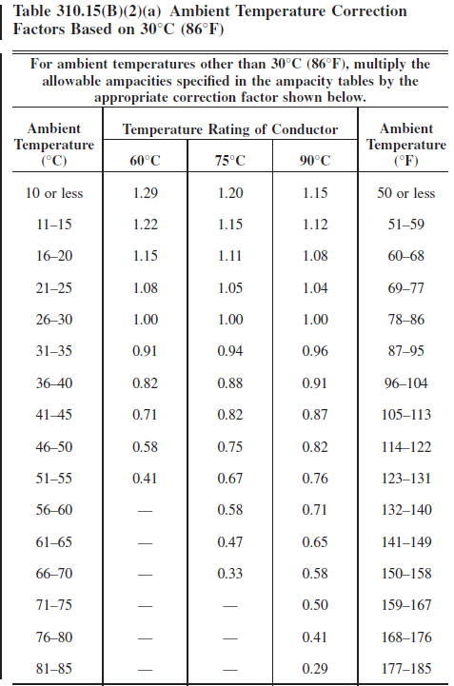
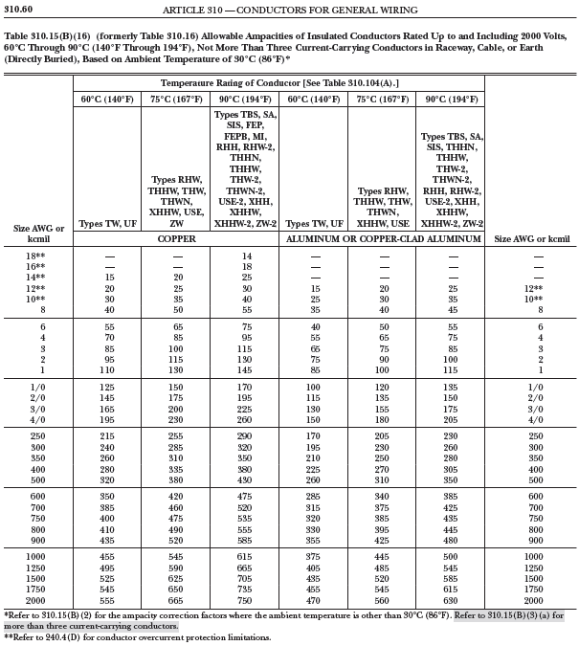
 | Amperage Temperature Correction
 | Use tables at right to get values for Temperature Correction
 | Find AWG wire size, and temperature rating of wire that you plan to use
 | Enter Amp rating into Spreadsheet cell: |  |  |  | Example uses 2 AWG at 90C

 | Amp Rating |  | Temperture rating of Conductor in C from table
 | 130 |  | 90

 | StandardTemperature in C 30 |  |  |  | Actual Temperture in C
 | 30 |  |  |  | 40

 | Corrected Amperage
 | 118.67322079

 |  |  |  |  |  | Unless specifically permitted in Section
 |  |  |  |  |  | 240.4(E) through (G), the overcurrent
 |  |  |  |  |  | protection shall not exceed 15 amperes
 |  |  |  |  |  | for 14 AWG, 20 amperes for 12 AWG, and
 |  |  |  |  |  | 30 amperes for 10 AWG copper; or 15
 |  |  |  |  |  | amperes for 12 AWG and 25 amoeres for
 |  |  |  |  |  | 10 AWG aluminum after any correction
 |  |  |  |  |  | factors Tor ambient temperature and
 |  |  |  |  |  | number of conductors have been applied.

Voltage Drop between Solar Panels and Charge Controller Wire Size Calculation
You will need your Vmpp and your Impp data from your solar panels
This calculator will give you a 1% voltage drop wire size in mm2. Use the included chart conversion to determine wire AWG

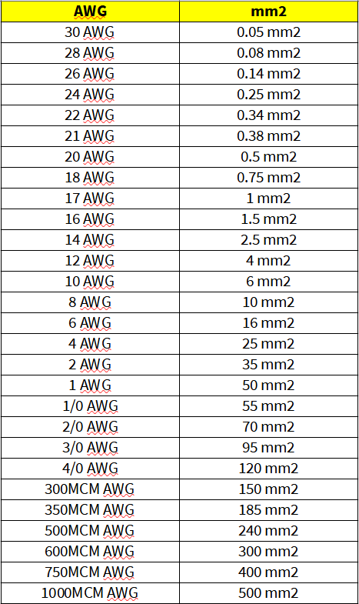
Resistance for both Copper and Aluminum wire, Check your solar panels and wires.

Copper | 0.0171 |  | ohms * mm2/m

Aluminum | 0.026 |  | ohms * mm2/m

 | 25 |  | Length of cable in meters

 | 5.8 |  | Nominal Current in cable Imp

 | 35 |  | Open Circuit voltage Vmpp (of panels wired in series)

Cross section Aluminum | 21.542857143 |  | 4 AWG

Cross section of Copper | 14.168571429 |  | 6 AWG

Use table to right to find AWG

