Planilha13
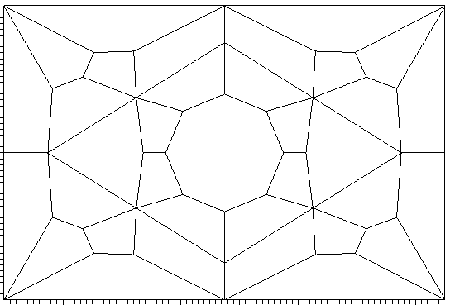
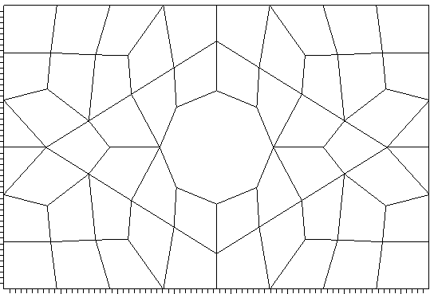


P=1
P=0

P=0.5

P1
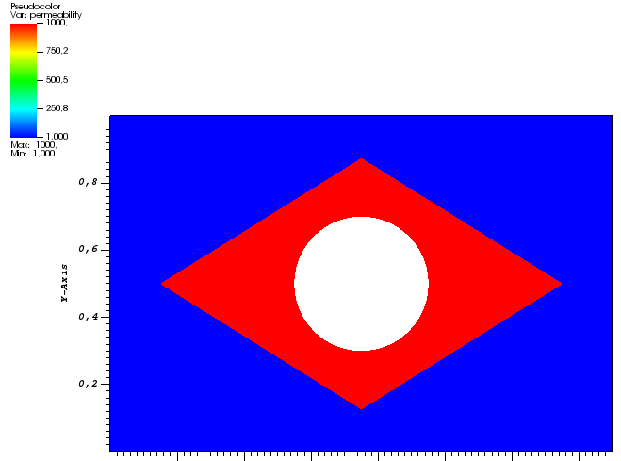
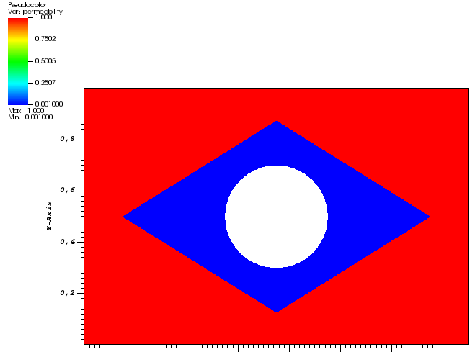
 | Brasil (alpha=0.1) |  |  |  |  |  | Brasil (alpha=0.5)
 | Coarse 1 |  | Coarse2 (refined) |  |  |  | Coarse 1 |  | Coarse2 (refined)
 | Canal | Barreira | Canal | Barreira |  |  | Canal | Barreira | Canal | Barreira
linf | 8.07E-02 | 9.15E-02 | 7.88E-02 | 8.11E-02 |  | linf | 8.07E-02 | 9.15E-02 | 7.88E-02 | 8.11E-02
err2 | 3.14E-02 | 2.93E-02 | 2.42E-02 | 1.50E-02 |  | err2 | 3.14E-02 | 2.93E-02 | 2.42E-02 | 1.50E-02
linf_percent | 5.78E+01 | 6.13E+01 | 3.51E+01 | 2.83E+01 |  | linf_percent | 5.78E+01 | 6.13E+01 | 3.51E+01 | 2.83E+01
percent_nuadm_vols | 30.68 | 33.34 | 26.13 | 28.24 |  | percent_nuadm_vols | 30.48 | 33.22 | 25.90 | 28.09

 |  |  |  |  | Tabela de arthur

Planilha4
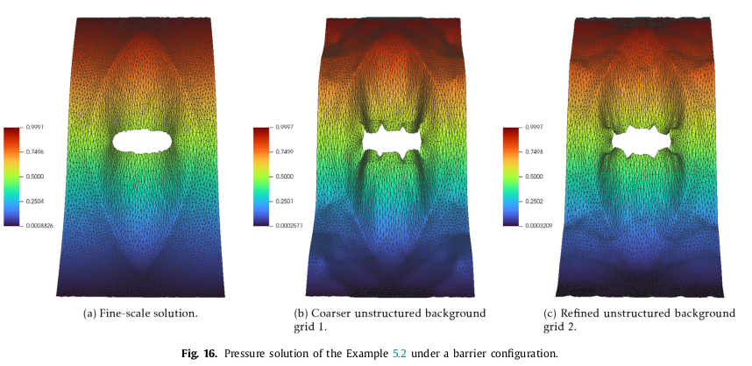

Planilha5
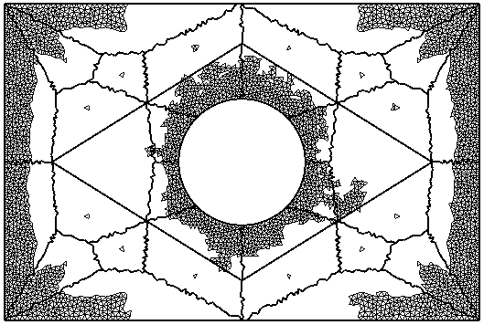
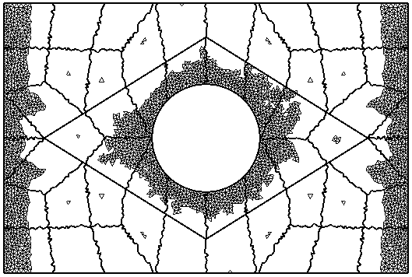
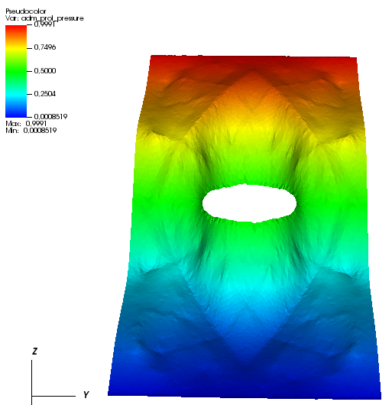
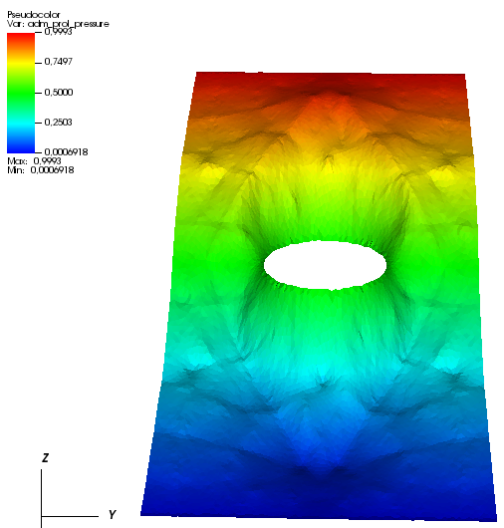
Alpha=0.1
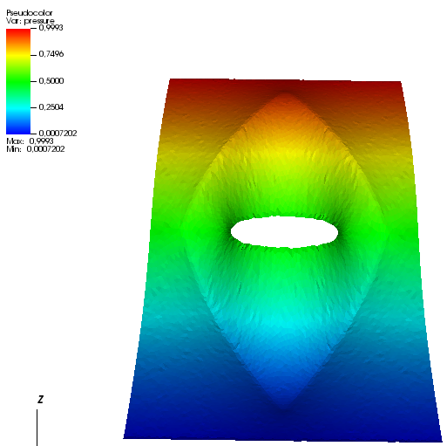

 | Finescale | Coarse1 | Coarse2

Planilha8
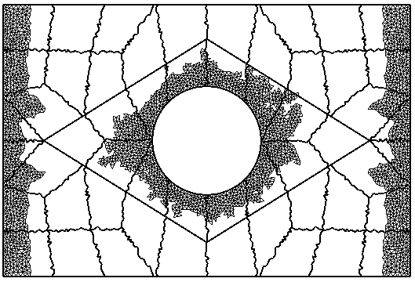
Alpha=0.5
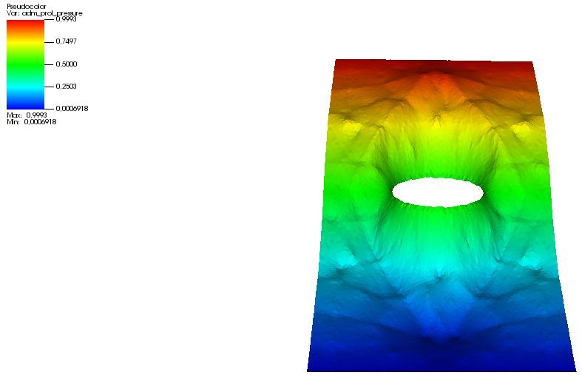


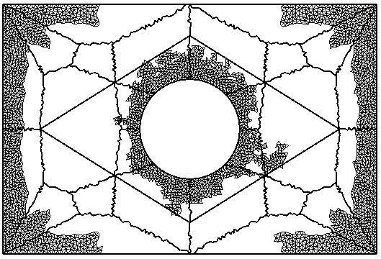
 | Coarse2

Planilha6
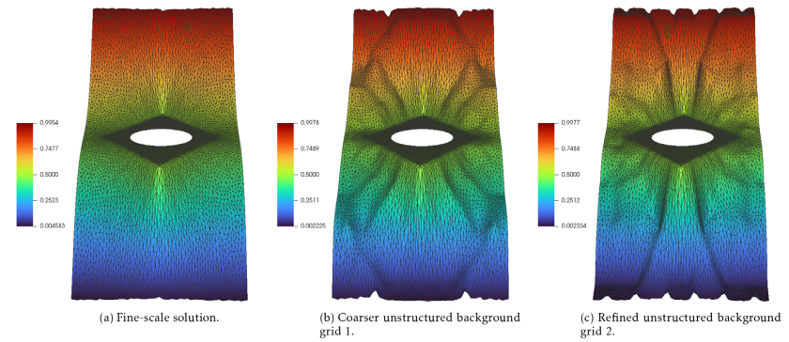

Planilha7
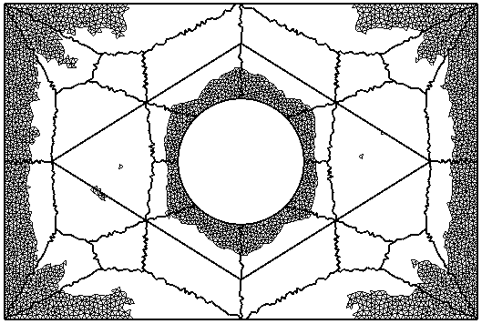
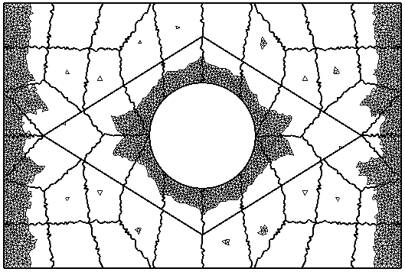
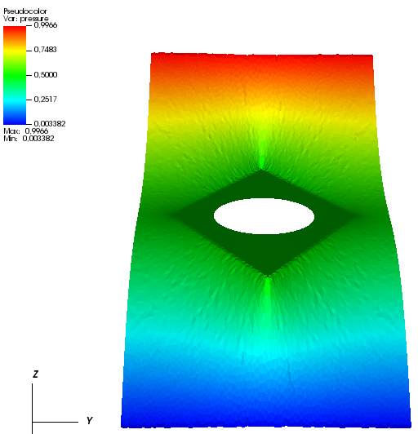

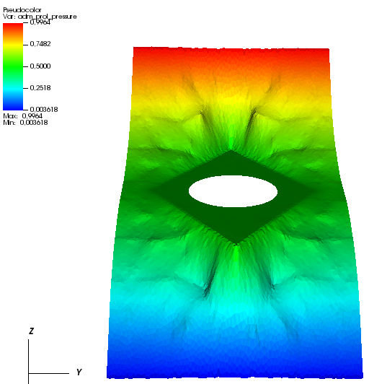
Alpha=0.1

 | Finescale | Coarse 1 | Coarse2

Planilha9
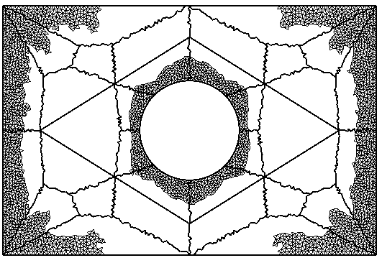
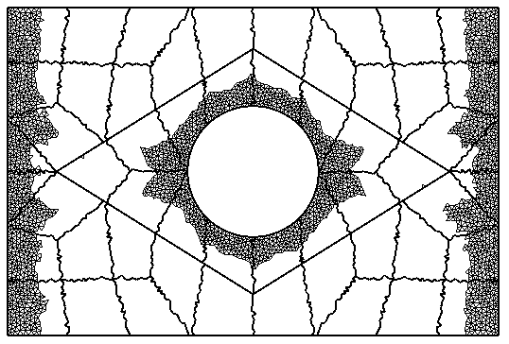
Alpha=0.5
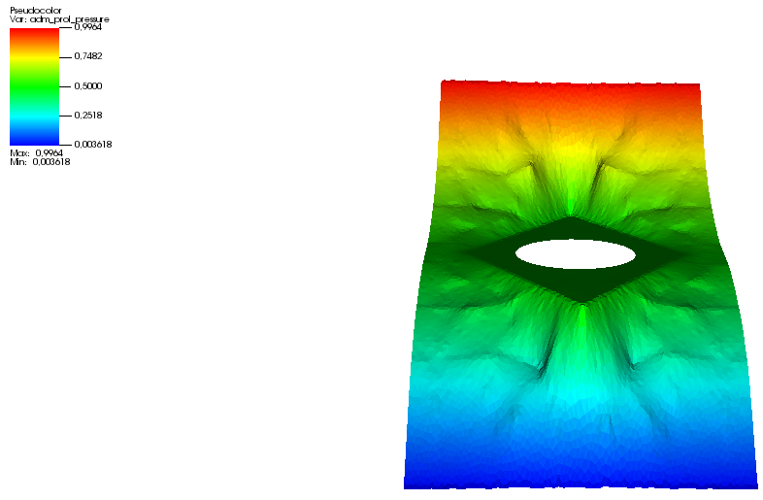
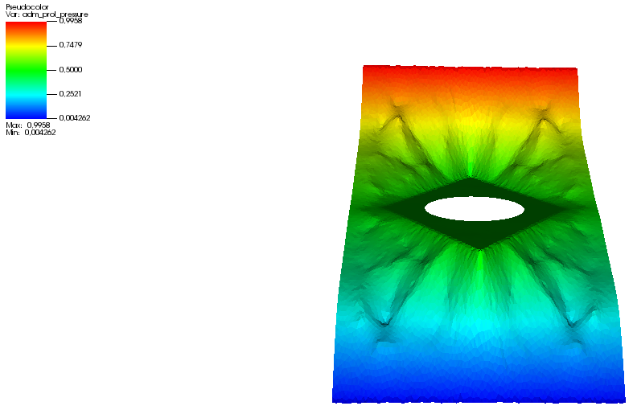

 | Coarse1 | Coarse2

Planilha12
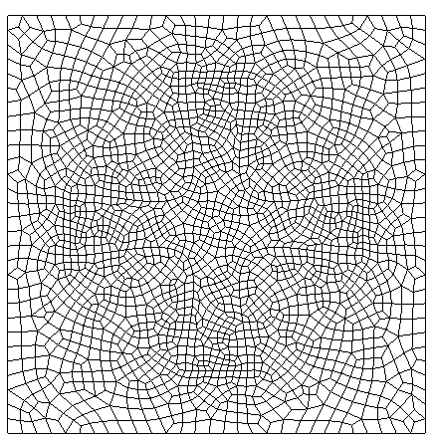
Q=1

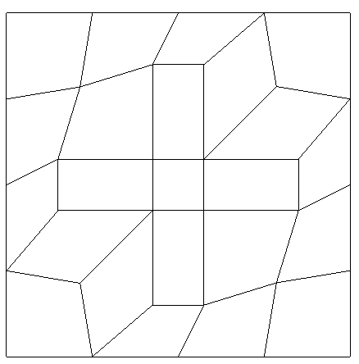

P=0

P2
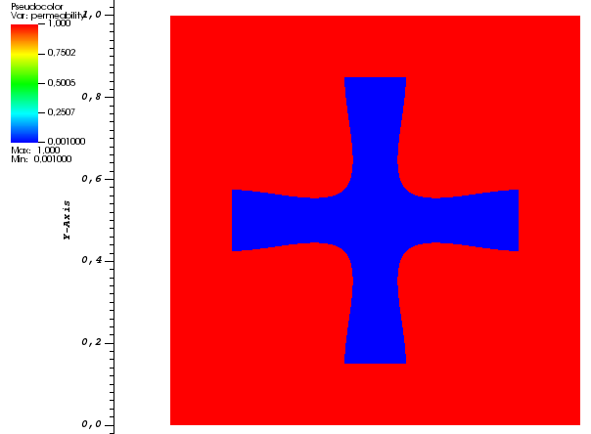
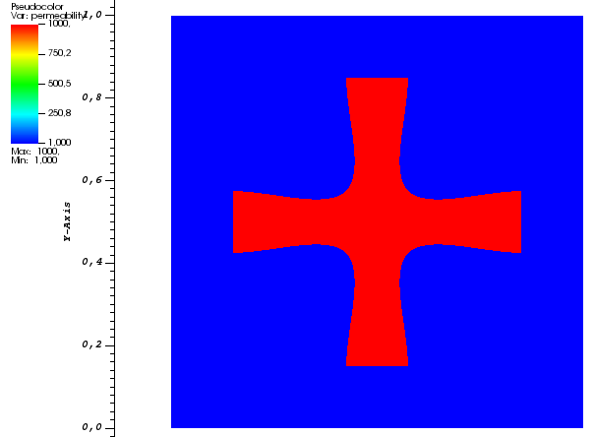

 | Cross
 | Coarse 1 (structured) |  | Coarse2 (unstructured)
 | Canal | Barreira | Canal | Barreira
linf | 2.30E-01 | 3.13E-01 | 1.67E-01 | 7.29E-01
err2 | 4.14E-02 | 4.61E-02 | 3.11E-02 | 1.23E-01
linf_percent | 1.02E+01 | 1.15E+01 | 6.31E+00 | 1.90E+01
percent_nuadm_vols | 2.37E+01 | 3.69E+00 | 1.76E+01 | 3.20E+01

Planilha10
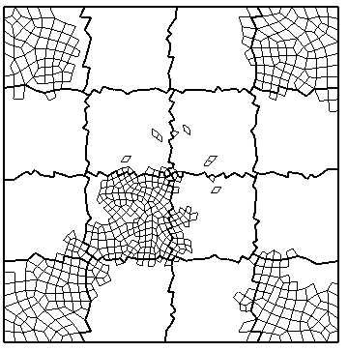
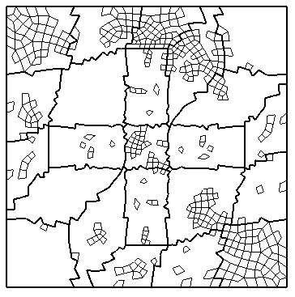
Canal | Erro Absoluto
Alpha=0.1
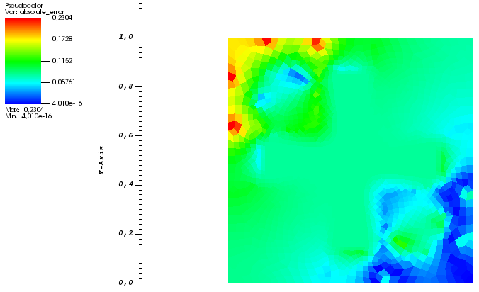
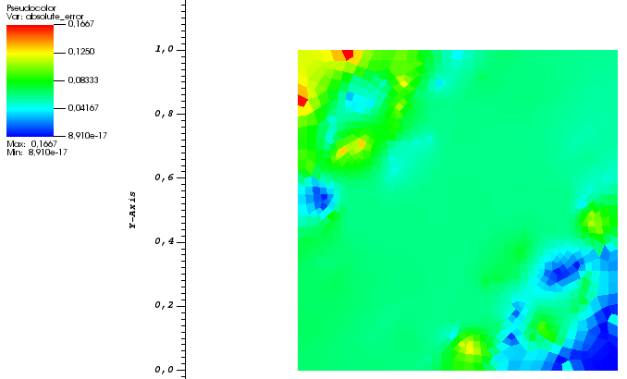

 |  | Coarse 1 | Coarse2

Planilha11
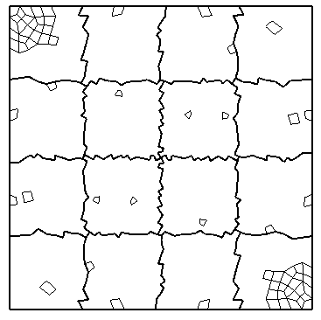
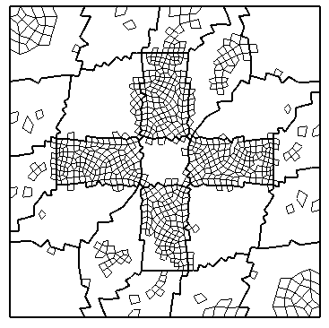
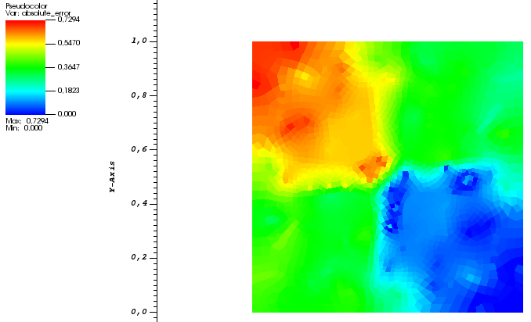
Barreira | Erro Absoluto
Alpha=0.1
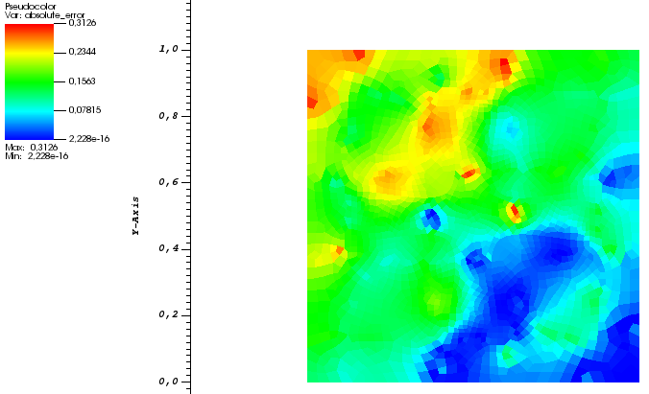

 |  | Coarse1 | Coarse2

