zad4
zad4_praca4_s24512

 |  | Oblicz 𝑃(|𝑋| < 𝐸𝑋^2).
X~N(p,2p) gdzie N(E(X),Var(X))
więc |  |  | |X| < E(X^2) |  | więc:
E(X)=p |  |  | E(X^2) = Var(X) + E(X)^2 =4 + 4 =12
Var(X)=2p
 |  |  | P(|X| < 8
VAR(Y) = VAR(5-3X) = Var(-3X) = 9Var(X) = 36 | (wykorzystalem pkt. 9)
więc | => | E(X) = 2
Var(X) = 4 |  | Var(X) = 4
z tego wynika, że 2p=4 więc p=2 |  |  | P( | |X -2| | < 2) = P(-2 < X < 6)
 |  |  |  | 2
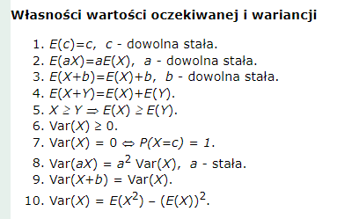
 |  |  | Z1 = (-2-2)/42= -2
 |  |  | Z2=(6-2)/2 = 2
 |  |  | P(Z1) = P(-2) = |  | 0.0228
 |  |  | P(Z2) = P(2) = |  | 0.9772
 |  |  | Więc:
 |  |  | P(|X| < 8) = P(Z2) - P(Z1) = 0.9544

