Sheet1
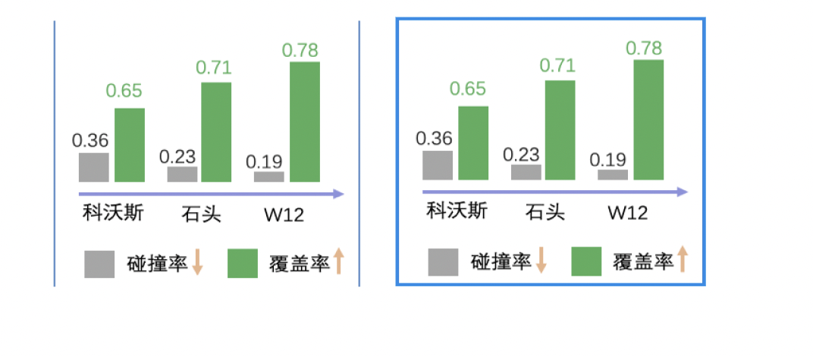

Eureka AI improved robot coverage by 10-20% (10~40m² for a home)

+20%
+10%
 | Coverage |  | Ave. Bump-Free Distance
Ecovacs | 65% | Ecovacs | 278 | 0.36 | 0.36
Roborock | 71% | Roborock | 435 | 0.23 | 0.23
Eureka AI | 78% | Eureka AI | 526 | 0.19 | 0.19

