Sheet1
smiles
O=C(c1ccccc1)c1n[nH]nc1N(Cc1ccccc1)Cc1ccc(Br)cc1 | 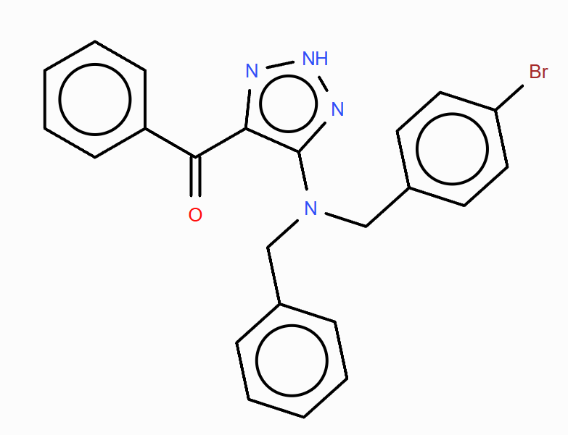
O=C(c1ccccc1)c1n[nH]nc1N(Cc1ccccc1)Cc1nn[nH]c1Br | 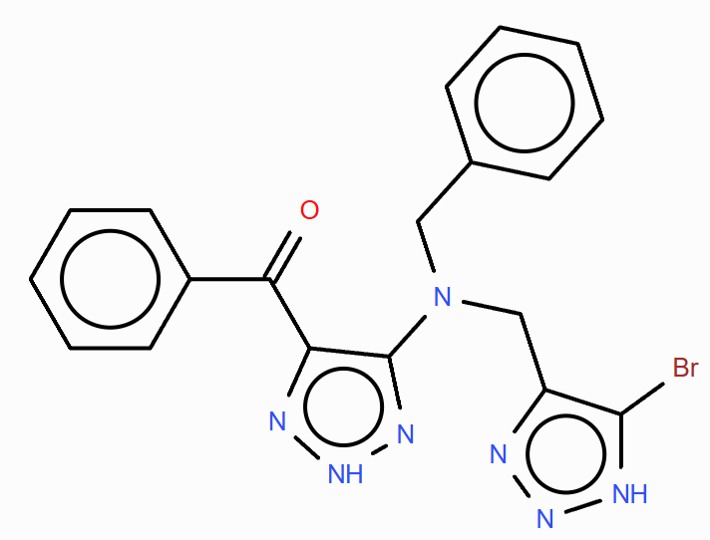
O=C(c1ccccc1)c1n[nH]nc1N(CCc1ccc(Br)cc1)Cc1ccccc1 | 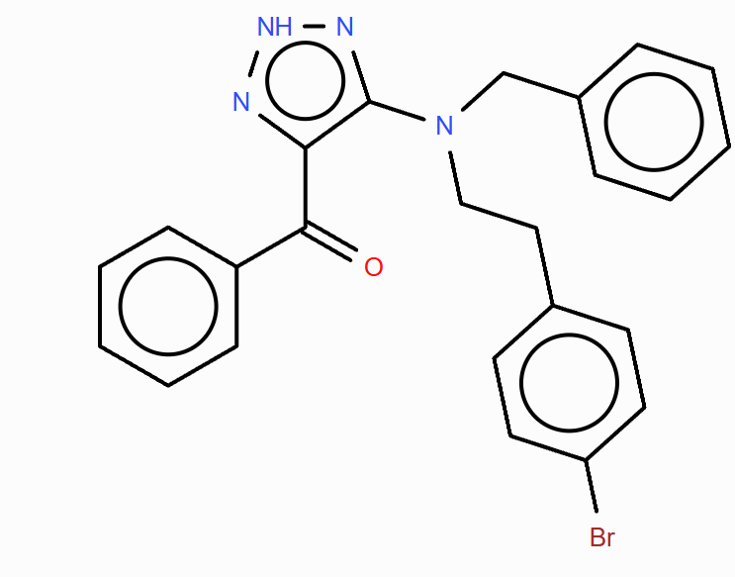
O=C(c1ccccc1)c1n[nH]nc1N(Cc1ccccc1)Cc1cc(Br)cc(Br)c1 | 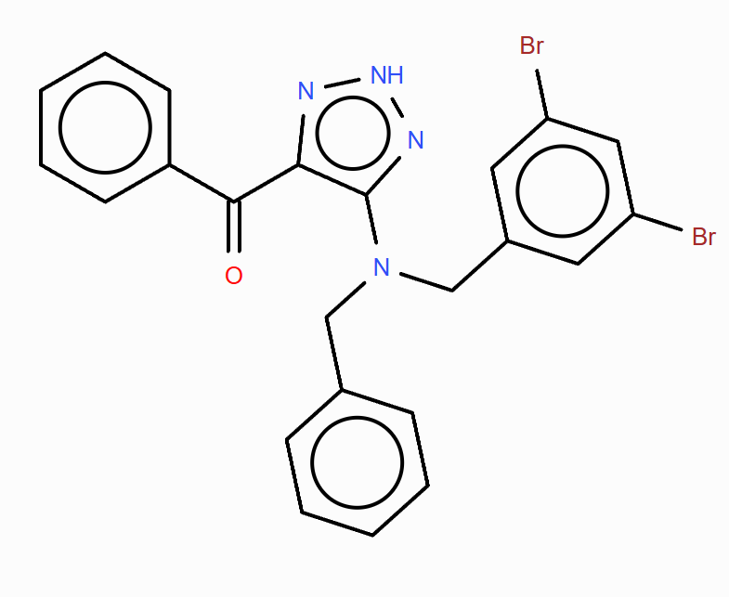
O=C(c1ccccc1)c1n[nH]nc1N(Cc1ccccc1)Cc1cc(Br)ccc1Br | 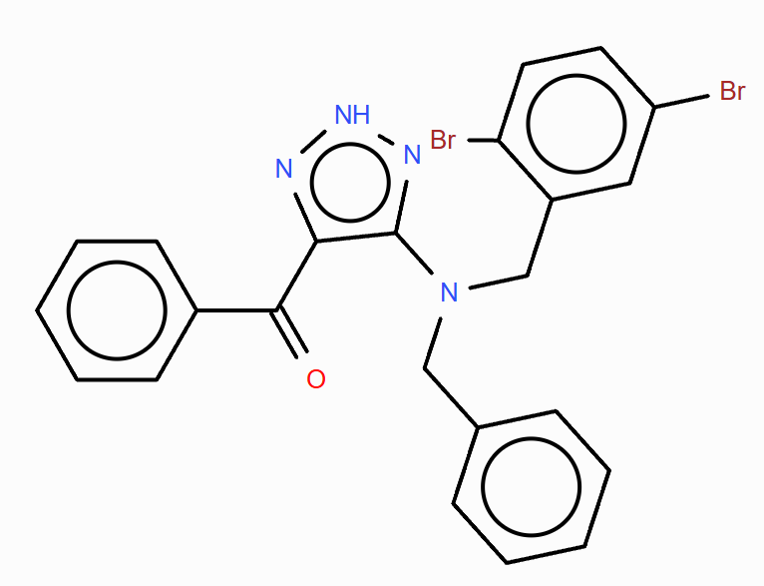
O=C(c1ccccc1)c1n[nH]nc1N(Cc1ccccc1)Cc1cccc(Br)c1 | 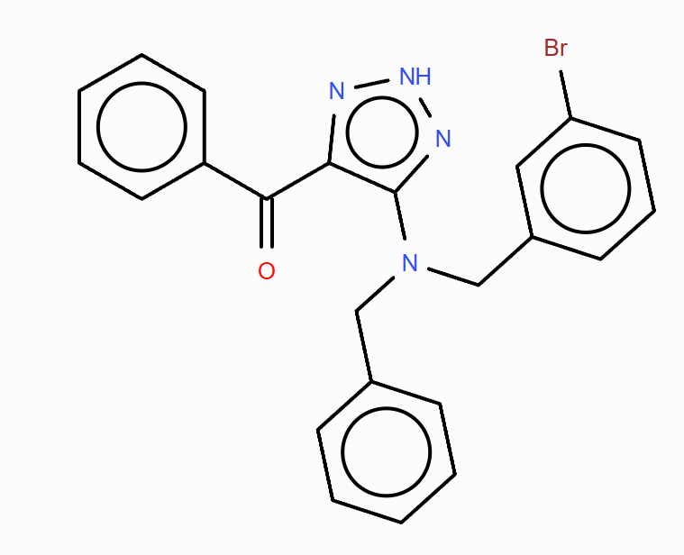
O=C(c1ccccc1)c1n[nH]nc1N(Cc1ccccc1)Cc1ccccc1 | 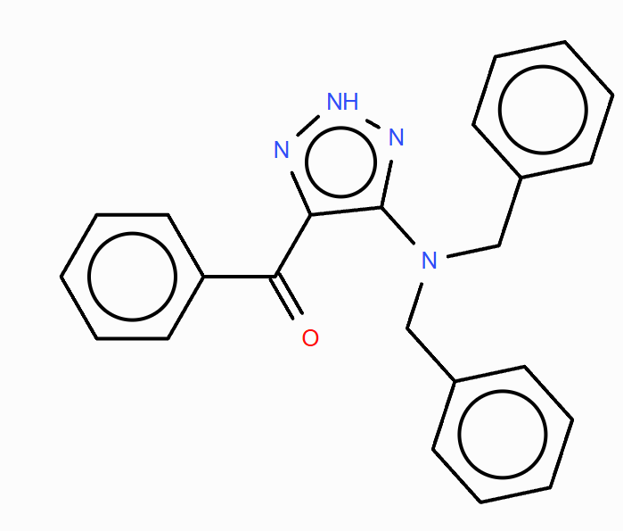
O=C(c1ccccc1)c1n[nH]nc1N(Cc1ccccc1)Cc1ccc(Br)cc1Br | 