Sheet1
smiles
CC(=O)c1n[nH]nc1N(Cc1ccccc1)C(=O)Br | 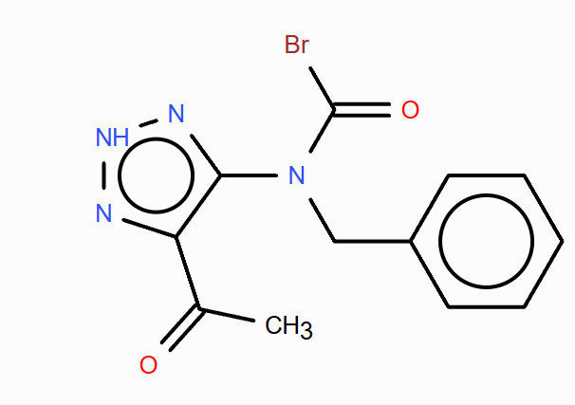
CC(=O)c1n[nH]nc1N(CC=O)Cc1ccccc1 | 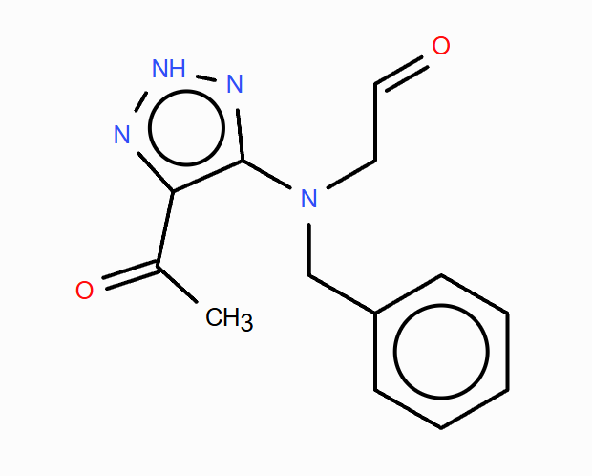
CC(=O)c1n[nH]nc1N(Cc1ccccc1)C(=O)CBr | 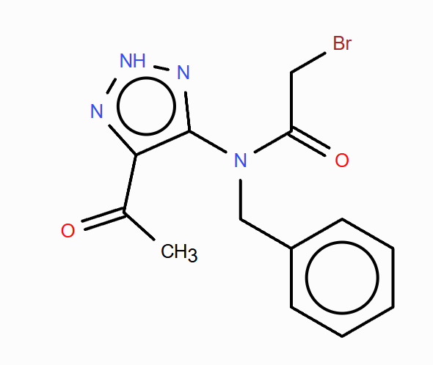
CC(=O)c1n[nH]nc1N(Cc1ccccc1)C(=S)Br | 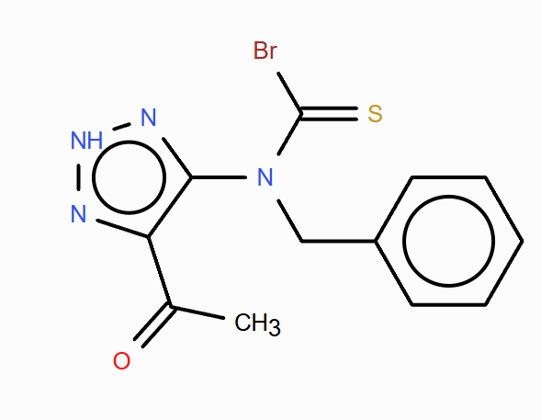
COc1cc(CN(Cc2ccccc2)c2n[nH]nc2C(C)=O)c(Br)c(OC)c1O | 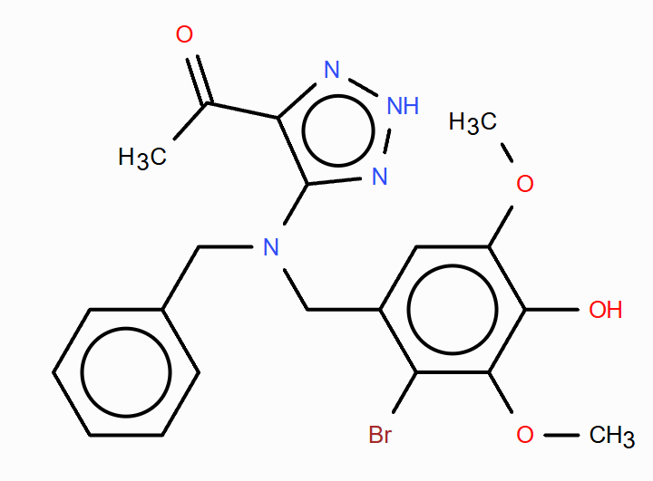
CC(=O)c1n[nH]nc1N(Cc1ccccc1)C(=O)C=CF | 