Sheet1
smiles
CC(=O)c1n[nH]nc1N(Cc1ccccc1)Cc1ccc(Br)cc1 | 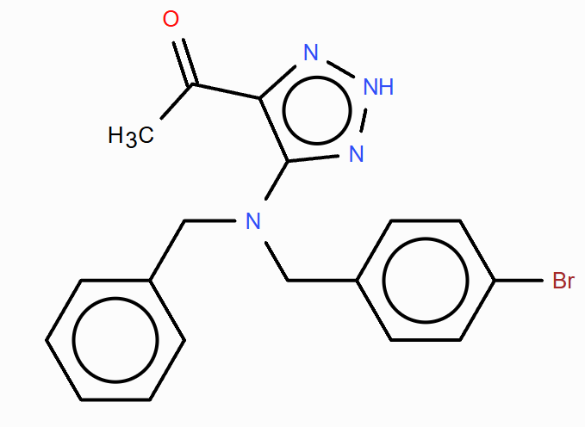
CC(=O)c1n[nH]nc1N(Cc1ccccc1)Cc1cc(Br)cc(Br)c1 | 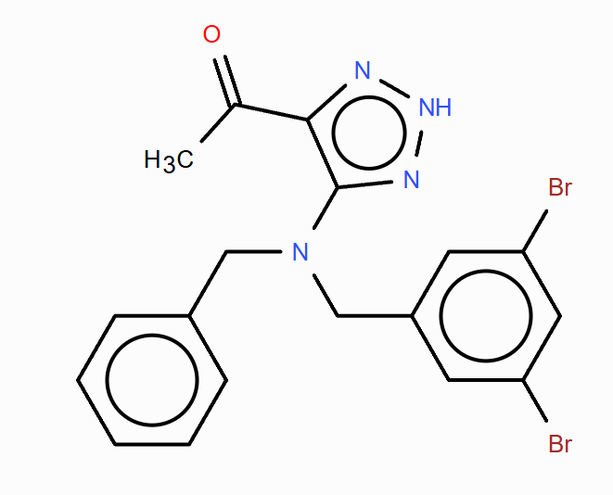
CC(=O)c1n[nH]nc1N(Cc1ccccc1)Cc1ccc(Br)cc1Br | 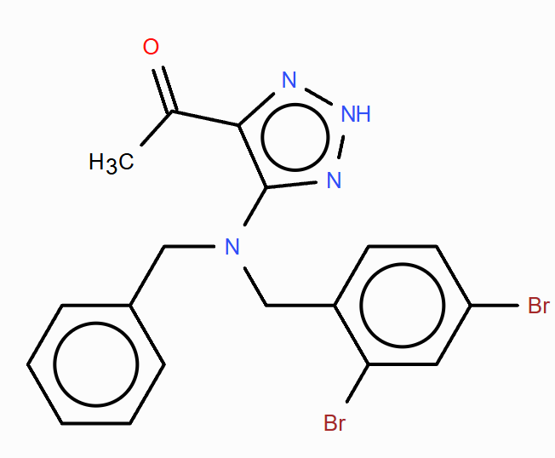
CC(=O)c1n[nH]nc1N(Cc1ccccc1)Cc1ccccc1 | 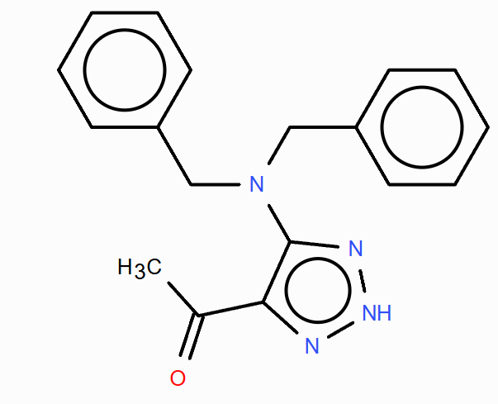
CC(=O)c1n[nH]nc1N(Cc1ccccc1)Cc1ccccc1Br | 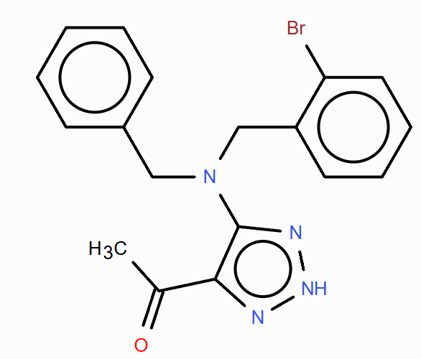
CC(=O)c1n[nH]nc1N(Cc1ccccc1)Cc1nnn[nH]c1=O | 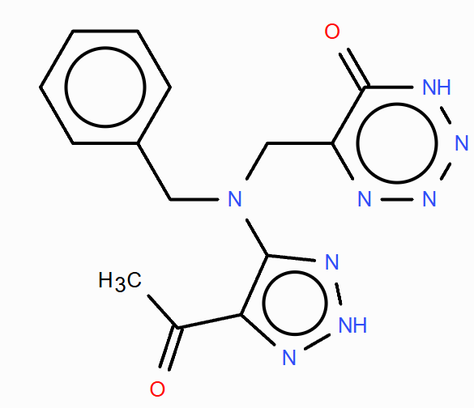
CC(=O)c1n[nH]nc1N(CC(=O)c1ccccc1)Cc1ccccc1 | 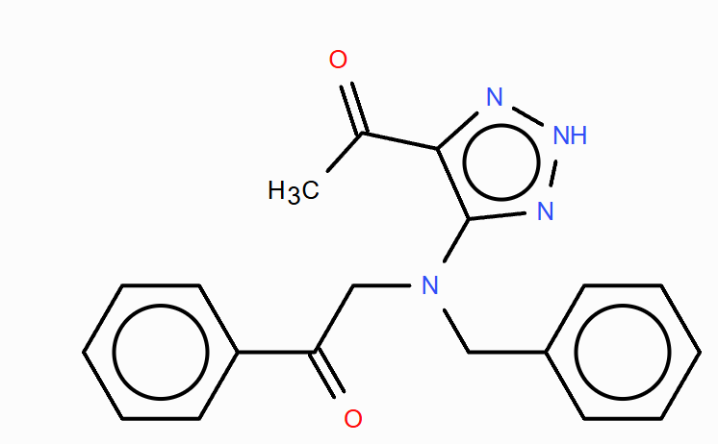

S

