Sheet1
smiles
O=C(c1ccc(Br)cc1)c1n[nH]nc1N(Cc1ccccc1)Cc1ccccc1 | 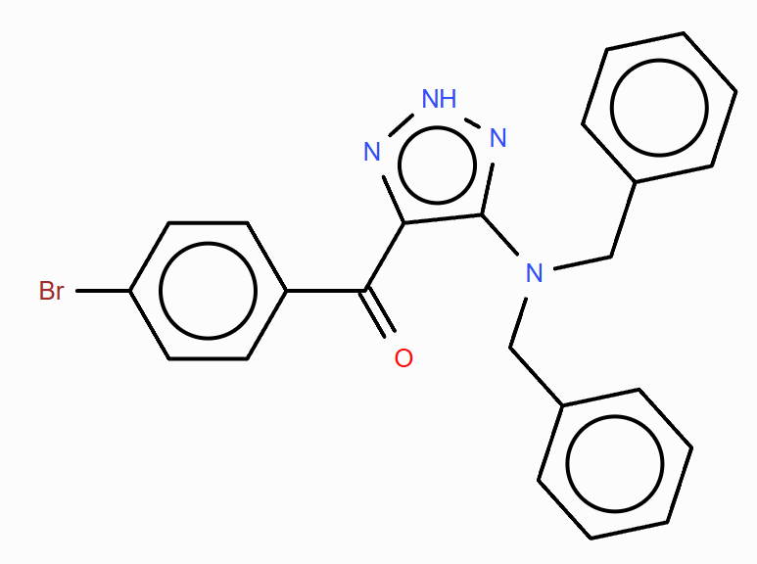
O=C(c1ccc(Br)cc1)c1n[nH]nc1N(Cc1ccccc1)Cc1ccc(Br)cc1 | 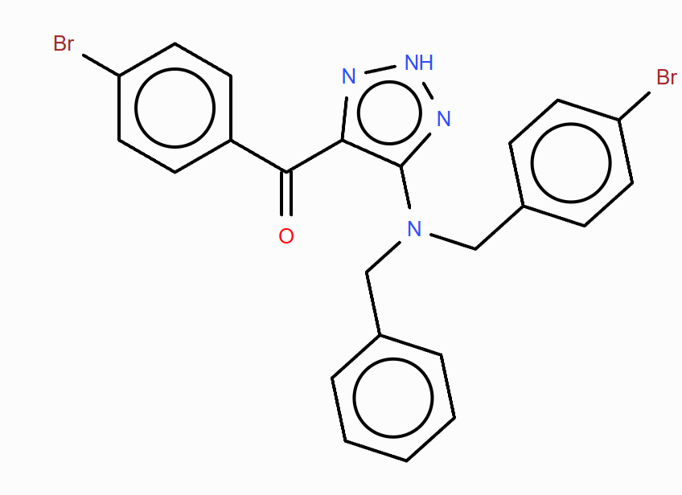
O=C(c1ccc(Br)cc1)c1n[nH]nc1N(CO)Cc1ccccc1 | 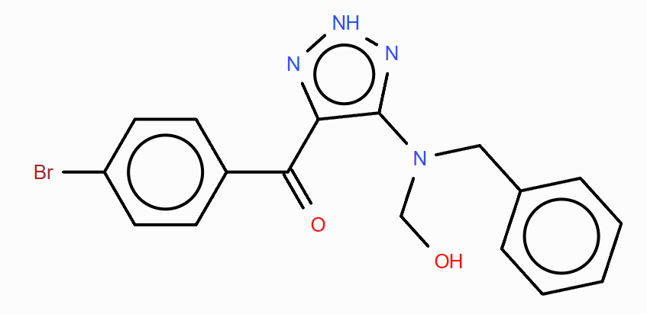
O=C(c1ccc(Br)cc1)c1n[nH]nc1N(Cc1ccccc1)Cc1ccoc1 | 