Salary
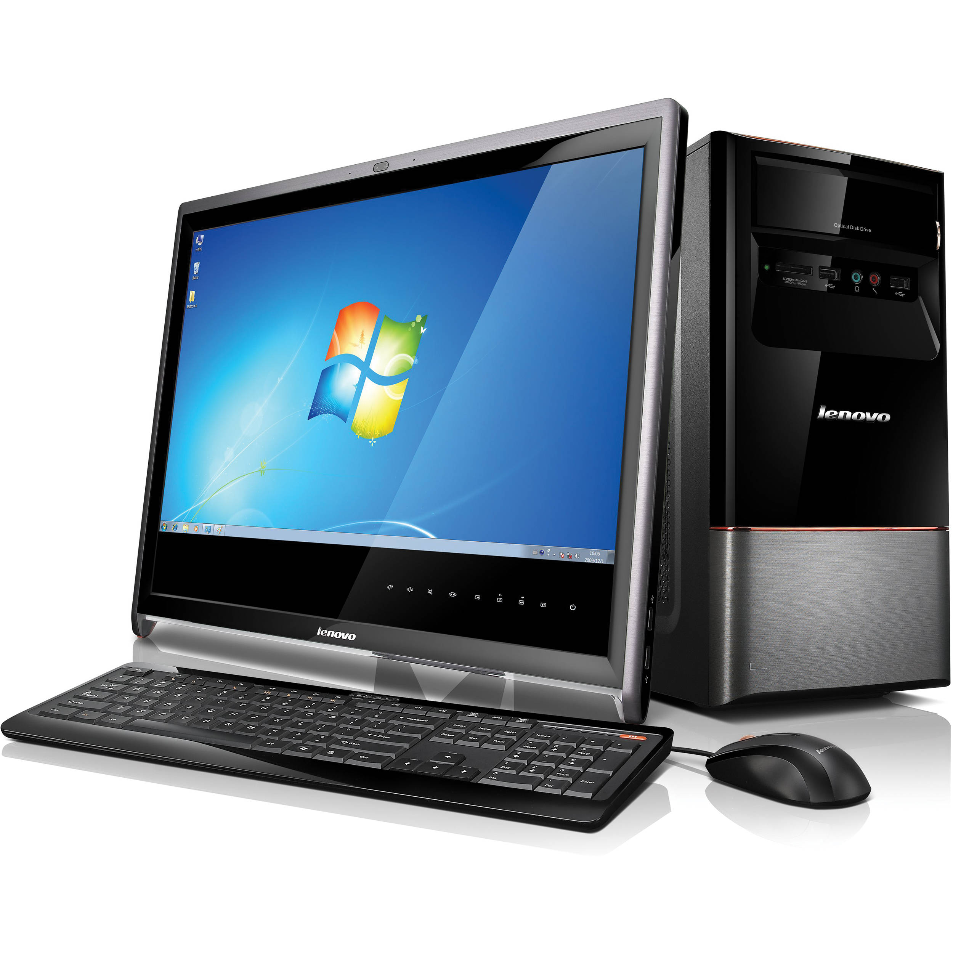
Expert Software Company
 |  |  |  |  |  |  | 2025-02-14
First Name | Last Name | Full Name | Total Sales | Base Salary | Commission | Total Salary | Evaluation
becky | park | becky park | $98,000 | $35,000 | 3920 | $38,920 | Excellent
nancy | fegin | nancy fegin | $24,000 | $35,000 | 720 | $35,720 | Poor
dan | boone | dan boone | $39,000 | $50,000 | 1170 | $51,170 | Fair
jeff | borow | jeff borow | $56,000 | $35,000 | 2240 | $37,240 | Good
james | brown | james brown | $81,000 | $50,000 | 3240 | $53,240 | Excellent
kit | carson | kit carson | $17,000 | $50,000 | 510 | $50,510 | Poor
Carl | Mirador | Carl Mirador | $92,000 | $50,000 | 3680 | $50,000 | Excellent
sara | coulter | sara coulter | $22,000 | $35,000 | 660 | $35,660 | Poor
richard | fegin | richard fegin | $72,000 | $35,000 | 2880 | $37,880 | Good
judd | ford | judd ford | $64,000 | $35,000 | 2560 | $37,560 | Good
adam | glassman | adam glassman | $25,000 | $35,000 | 750 | $35,750 | Fair
neil | goodman | neil goodman | $70,000 | $50,000 | 2800 | $52,800 | Good
terry | park | terry park | $11,000 | $50,000 | 330 | $50,330 | Poor
adam | moldof | adam moldof | $68,000 | $50,000 | 2720 | $52,720 | Good
adam | smith | adam smith | $100,000 | $35,000 | 4000 | $39,000 | Excellent

 |  |  |  | Average Total Salary |  | $43,900
 |  |  |  | Highest Total Salary |  | $53,240
 |  |  |  | Lowest Total Salary |  | $35,660
 |  |  |  | Median Total Salary |  | $39,000
 |  |  |  | Number of Salespersons |  | 15
 |  |  |  | Number of Poor Evaluation |  | 4

Commission Percentages |  |  |  | Evaluation Criteria
Total Sales < $50,000 | 3% |  |  | $0 | Poor
Total Sales ≥ $50,000 | 4% |  |  | $25,000 | Fair
Commisson Threshold | $50,000 |  |  | $50,000 | Good
 |  |  |  | $75,000 | Excellent

