Sheet1
 |  | CO2 Factor |  | CO2 Factor
 |  | kg CO2 per short ton |  | kg CO2 per gallon
 | Anthracite Coal | 2602 | Total Petroleum Consumed by the Residential Sector | 8.05445 | Heating oil is mainly used for space heating. About 4.96 million households in the United States used heating oil (distillate fuel oil)
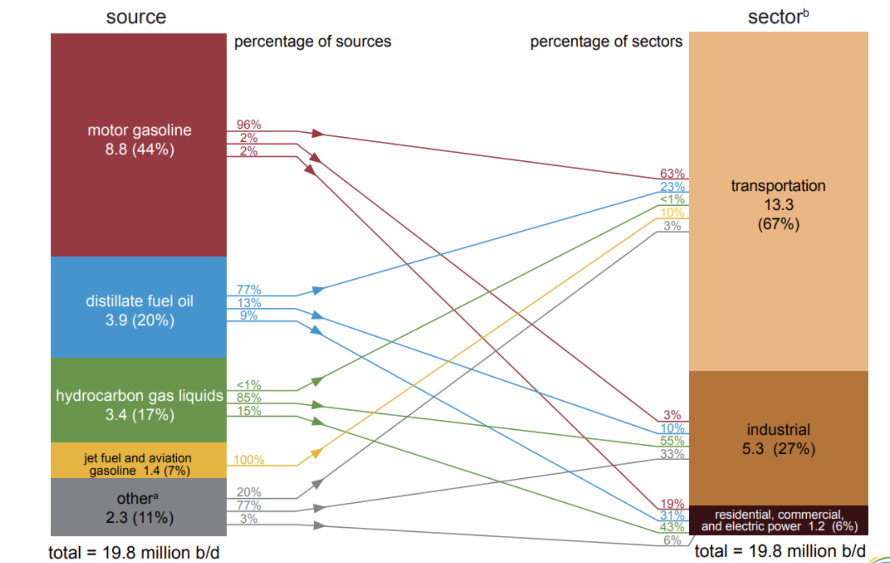
 |  |  | Total Petroleum Consumed by the Commercial Sector | 8.05445 | An energy-consuming sector that consists of service-providing facilities and equipment of businesses; Federal, State, and local governments; and other private and public organizations, such as religious, social, or fraternal groups. The commercial sector includes institutional living quarters. It also includes sewage treatment facilities. Common uses of energy associated with this sector include space heating, water heating, air conditioning, lighting, refrigeration, cooking, and running a wide variety of other equipment. Note: This sector includes generators that produce electricity and/or useful thermal output primarily to support the activities of the above-mentioned commercial establishments.
 |  | kg CO2 per standard cubic foot (scf) | Total Petroleum Consumed by the Industrial Sector | 8.09535
 | Natural Gas (per scf) | 0.0544 | Total Petroleum Consumed by the Transportation Sector | 9.22585
 |  |  | Total Petroleum Consumed by the Electric Power Sector | 8.05445

 |  | kg CO2 per gallon
 | Motor Gasoline | 8.78
 | Distillate Fuel Oil No. 1 | 10.18

 | Aviation Gasoline | 8.31
 | Jet Fuel (kerosene type) | 9.75
 | Butane | 6.67
 | Ethane | 4.05
 | Propane | 5.72
 | Pentanes | 7.7
 | Other Oil (>401 deg F) | 10.59

 |  | kg CO2 per kWh
 | Electricity | 0.388 | 0.855 pounds of CO2 emissions per kWh | https://www.eia.gov/tools/faqs/faq.php?id=74&t=11 | https://www.eia.gov/energyexplained/oil-and-petroleum-products/use-of-oil.php#:~:text=We%20use%20petroleum%20products%20to,intermediate%20and%20end%2Duser%20goods. |  |  |  |  |  |  |  |  |  |  | 1 metric ton to ton | 1.10231

5.01E+08 | 3.28E+08
4.58E+08 | 2.97E+08
4.49E+08 | 2.92E+08
4.06E+08 | 2.73E+08
4.14E+08 | 2.72E+08
3.97E+08 | 2.71E+08
4.08E+08 | 2.83E+08
4.25E+08 | 2.89E+08
3.98E+08 | 2.69E+08
4.25E+08 | 2.81E+08
4.50E+08 | 2.91E+08
4.74E+08 | 3.17E+08
4.73E+08 | 3.20E+08
4.31E+08 | 2.92E+08
4.33E+08 | 2.94E+08
3.98E+08 | 2.67E+08
3.97E+08 | 2.71E+08
3.82E+08 | 2.61E+08
4.05E+08 | 2.85E+08
4.08E+08 | 2.83E+08
3.86E+08 | 2.64E+08
4.21E+08 | 2.79E+08
4.25E+08 | 2.81E+08
4.68E+08 | 3.08E+08
4.83E+08 | 3.24E+08
4.23E+08 | 2.89E+08
4.34E+08 | 2.94E+08
3.95E+08 | 2.64E+08
3.71E+08 | 2.50E+08
3.67E+08 | 2.55E+08
3.82E+08 | 2.71E+08
3.89E+08 | 2.79E+08
3.71E+08 | 2.57E+08
3.97E+08 | 2.68E+08
3.95E+08 | 2.75E+08
4.72E+08 | 3.18E+08
4.99E+08 | 3.40E+08
4.35E+08 | 2.96E+08
4.36E+08 | 2.91E+08
4.02E+08 | 2.70E+08
3.93E+08 | 2.68E+08
3.94E+08 | 2.73E+08
4.07E+08 | 2.89E+08
4.05E+08 | 2.87E+08
3.90E+08 | 2.66E+08
4.24E+08 | 2.88E+08
4.63E+08 | 3.11E+08
5.28E+08 | 3.48E+08
5.39E+08 | 3.63E+08
4.62E+08 | 3.01E+08
...
 | Coal Consumption, Total | Total CO2, Coal Consumption | Natural Gas Consumption, Total | Total CO2, Natural Gas Consumption | Electricity Net Generation Total All Sectors | Total CO2, Electricity Net Generation | Total Petroleum Consumed by the Residential Sector | Total CO2, Petroleum Consumed by the Residential Sector | Total Petroleum Consumed by the Commercial Sector | Total CO2, Petroleum Consumed by the Commercial Sector | Total Petroleum Consumed by the Industrial Sector | Total CO2, Petroleum Consumed by the Industrial Sector | Total Petroleum Consumed by the Transportation Sector | Total CO2, Petroleum Consumed by the Transportation Sector | Total Petroleum Consumed by the Electric Power Sector | Total CO2, Petroleum Consumed by the Electric Power Sector | Total from LCA, Tons | Actual CO₂ , Tons | Actual CO₂
 | (Thousand Short Tons) | Tons | (Billion Cubic Feet) | Tons | (Million Kilowatthours) | Tons | (Thousand Barrels per Day) | Tons | (Thousand Barrels per Day) | Tons | (Thousand Barrels per Day) | Tons | (Thousand Barrels per Day) | Tons | (Thousand Barrels per Day) | Tons |  |  | Million Metric Tons
1973-01-01 | 50578.608 | 1.32E+08 | 2348 | 1.28E+08 | 160217.989 | 6.22E+07 | 2686.283 | 9.09E+05 | 1329.395 | 4.50E+05 | 4381.954 | 1.49E+06 | 8508.201 | 3.30E+06 | 1806.813 | 6.11E+05 | 3.28E+08 | 5.01E+08 | 454.077
1973-02-01 | 45564.808 | 1.19E+08 | 2126 | 1.16E+08 | 143538.699 | 5.57E+07 | 2562.351 | 8.67E+05 | 1267.475 | 4.29E+05 | 4562.494 | 1.55E+06 | 9017.127 | 3.49E+06 | 1684.695 | 5.70E+05 | 2.97E+08 | 4.58E+08 | 415.098
1973-03-01 | 45402.955 | 1.18E+08 | 2015 | 1.10E+08 | 148158.37 | 5.75E+07 | 1746.055 | 5.91E+05 | 908.735 | 3.07E+05 | 4268.313 | 1.45E+06 | 8911.246 | 3.45E+06 | 1381.877 | 4.67E+05 | 2.92E+08 | 4.49E+08 | 407.423
1973-04-01 | 43326.498 | 1.13E+08 | 1835 | 9.98E+07 | 139589.44 | 5.42E+07 | 1321.203 | 4.47E+05 | 692.351 | 2.34E+05 | 3933.325 | 1.34E+06 | 8771.62 | 3.40E+06 | 1202.034 | 4.07E+05 | 2.73E+08 | 4.06E+08 | 368.205
1973-05-01 | 43999.759 | 1.14E+08 | 1729 | 9.41E+07 | 147395.124 | 5.72E+07 | 1026.764 | 3.47E+05 | 579.239 | 1.96E+05 | 4432.89 | 1.51E+06 | 9349.483 | 3.62E+06 | 1237.431 | 4.19E+05 | 2.72E+08 | 4.14E+08 | 376.028
 |  |  |  |  |  |  |  |  |  |  |  |  |  | 3.57E+06 | 1556.257 | 5.26E+05 | 2.71E+08 | 3.97E+08 | 359.983
 |  |  |  |  |  |  |  |  |  |  |  |  |  | 3.56E+06 | 1663.809 | 5.63E+05 | 2.83E+08 | 4.08E+08 | 369.765
 |  |  |  |  |  |  |  |  |  |  |  |  |  | 3.70E+06 | 1794.682 | 6.07E+05 | 2.89E+08 | 4.25E+08 | 385.331
 |  |  |  |  |  |  |  |  |  |  |  |  |  | 3.48E+06 | 1613.213 | 5.46E+05 | 2.69E+08 | 3.98E+08 | 361.336
 |  |  |  |  |  |  |  |  |  |  |  |  |  | 3.52E+06 | 1559.814 | 5.28E+05 | 2.81E+08 | 4.25E+08 | 385.389
 |  |  |  |  |  |  |  |  |  |  |  |  |  | 3.62E+06 | 1552.945 | 5.25E+05 | 2.91E+08 | 4.50E+08 | 408.419
 |  |  |  |  |  |  |  |  |  |  |  |  |  | 3.38E+06 | 1454.816 | 4.92E+05 | 3.17E+08 | 4.74E+08 | 429.789
 |  |  |  |  |  |  |  |  |  |  |  |  |  | 3.15E+06 | 1517.037 | 5.13E+05 | 3.20E+08 | 4.73E+08 | 429.201
 |  |  |  |  |  |  |  |  |  |  |  |  |  | 3.26E+06 | 1460.844 | 4.94E+05 | 2.92E+08 | 4.31E+08 | 390.726
 |  |  |  |  |  |  |  |  |  |  |  |  |  | 3.28E+06 | 1286.839 | 4.35E+05 | 2.94E+08 | 4.33E+08 | 392.583
 |  |  |  |  |  |  |  |  |  |  |  |  |  | 3.38E+06 | 1204.559 | 4.07E+05 | 2.67E+08 | 3.98E+08 | 361.088
 |  |  |  |  |  |  |  |  |  |  |  |  |  | 3.49E+06 | 1321.706 | 4.47E+05 | 2.71E+08 | 3.97E+08 | 360.241
 |  |  |  |  |  |  |  |  |  |  |  |  |  | 3.55E+06 | 1378.959 | 4.66E+05 | 2.61E+08 | 3.82E+08 | 346.979
 |  |  |  |  |  |  |  |  |  |  |  |  |  | 3.55E+06 | 1623.345 | 5.49E+05 | 2.85E+08 | 4.05E+08 | 367.633
 |  |  |  |  |  |  |  |  |  |  |  |  |  | 3.61E+06 | 1585.617 | 5.36E+05 | 2.83E+08 | 4.08E+08 | 370.067
 |  |  |  |  |  |  |  |  |  |  |  |  |  | 3.37E+06 | 1491.151 | 5.04E+05 | 2.64E+08 | 3.86E+08 | 349.995
 |  |  |  |  |  |  |  |  |  |  |  |  |  | 3.51E+06 | 1475.758 | 4.99E+05 | 2.79E+08 | 4.21E+08 | 381.654
 |  |  |  |  |  |  |  |  |  |  |  |  |  | 3.46E+06 | 1635.196 | 5.53E+05 | 2.81E+08 | 4.25E+08 | 385.794
 |  |  |  |  |  |  |  |  |  |  |  |  |  | 3.47E+06 | 1744.505 | 5.90E+05 | 3.08E+08 | 4.68E+08 | 424.995
 |  |  |  |  |  |  |  |  |  |  |  |  |  | 3.40E+06 | 1745.265 | 5.90E+05 | 3.24E+08 | 4.83E+08 | 438.55
 |  |  |  |  |  |  |  |  |  |  |  |  |  | 3.32E+06 | 1556.605 | 5.27E+05 | 2.89E+08 | 4.23E+08 | 384.031
 |  |  |  |  |  |  |  |  |  |  |  |  |  | 3.37E+06 | 1304.383 | 4.41E+05 | 2.94E+08 | 4.34E+08 | 393.659
 |  |  |  |  |  |  |  |  |  |  |  |  |  | 3.50E+06 | 1235.282 | 4.18E+05 | 2.64E+08 | 3.95E+08 | 357.98
 |  |  |  |  |  |  |  |  |  |  |  |  |  | 3.49E+06 | 1193.548 | 4.04E+05 | 2.50E+08 | 3.71E+08 | 336.301
 |  |  |  |  |  |  |  |  |  |  |  |  |  | 3.58E+06 | 1365.768 | 4.62E+05 | 2.55E+08 | 3.67E+08 | 333.373
 |  |  |  |  |  |  |  |  |  |  |  |  |  | 3.53E+06 | 1433.813 | 4.85E+05 | 2.71E+08 | 3.82E+08 | 346.887
 |  |  |  |  |  |  |  |  |  |  |  |  |  | 3.53E+06 | 1591.701 | 5.38E+05 | 2.79E+08 | 3.89E+08 | 353.319
 |  |  |  |  |  |  |  |  |  |  |  |  |  | 3.47E+06 | 1235.608 | 4.18E+05 | 2.57E+08 | 3.71E+08 | 336.736
 |  |  |  |  |  |  |  |  |  |  |  |  |  | 3.53E+06 | 1227.611 | 4.15E+05 | 2.68E+08 | 3.97E+08 | 360.533
 |  |  |  |  |  |  |  |  |  |  |  |  |  | 3.33E+06 | 1252.184 | 4.24E+05 | 2.75E+08 | 3.95E+08 | 358.024
 |  |  |  |  |  |  |  |  |  |  |  |  |  | 3.55E+06 | 1511.067 | 5.11E+05 | 3.18E+08 | 4.72E+08 | 428.516
 |  |  |  |  |  |  |  |  |  |  |  |  |  | 3.39E+06 | 1810.174 | 6.12E+05 | 3.40E+08 | 4.99E+08 | 452.381
 |  |  |  |  |  |  |  |  |  |  |  |  |  | 3.37E+06 | 1488.114 | 5.03E+05 | 2.96E+08 | 4.35E+08 | 394.215
...

Sheet2
...
 | Total CO2, Coal Consumption | Total CO2, Natural Gas Consumption | Total CO2, Electricity Net Generation | Total CO2, Petroleum Consumed by the Residential Sector | Total CO2, Petroleum Consumed by the Commercial Sector | Total CO2, Petroleum Consumed by the Industrial Sector | Total CO2, Petroleum Consumed by the Transportation Sector | Total CO2, Petroleum Consumed by the Electric Power Sector | Total from LCA, Tons | Actual CO₂ , Tons | Actual CO₂
 | Total CO2, Coal Consumption | Total CO2, Natural Gas Consumption | Total CO2, Electricity Net Generation | Total CO2, Petroleum Consumed by the Residential and Commercial Sector | Total CO2, Petroleum Consumed by the Industrial Sector | Total CO2, Petroleum Consumed by the Transportation Sector and Electric Power Sector
Total | 1.1069578513E+11 | 61199458067 | 64098145305 | 2.62E+08 | 952602038.62 | 2.87E+09 | 2.4007641144E+11
 | Coal consumption | Natural gas consumption | Electricity net generation | Petroleum consumed by the residential and commercial sector | Petroleum consumed by the industrial sector | Petroleum consumed by the transportation sector and electric power sector
 | 46.11% | 25.49% | 26.70% | 0.11% | 0.40% | 1.19% | 100.00%

Sheet3
 | Coal | Natural Gas | Electricity | Petroleum (Residential Sector) | Petroleum (Commercial Sector) | Petroleum (Industrial Sector) | Petroleum (Transportation Sector) | Petroleum (Electric Power Sector)
CO2 emission | 1.11E+11 | 6.12E+10 | 6.41E+10 | 1.65E+08 | 9.71E+07 | 9.53E+08 | 2.75E+09 | 1.15E+08 | 2.40E+11
 | Coal | Natural Gas | Electricity | Petroleum (Residential Sector) | Petroleum (Commercial Sector) | Petroleum (Industrial Sector) | Petroleum (Transportation Sector) | Petroleum (Electric Power Sector)
 | 46.11% | 25.49% | 26.70% | 0.07% | 0.04% | 0.40% | 1.15% | 0.05% | 100.00%

