PRINT
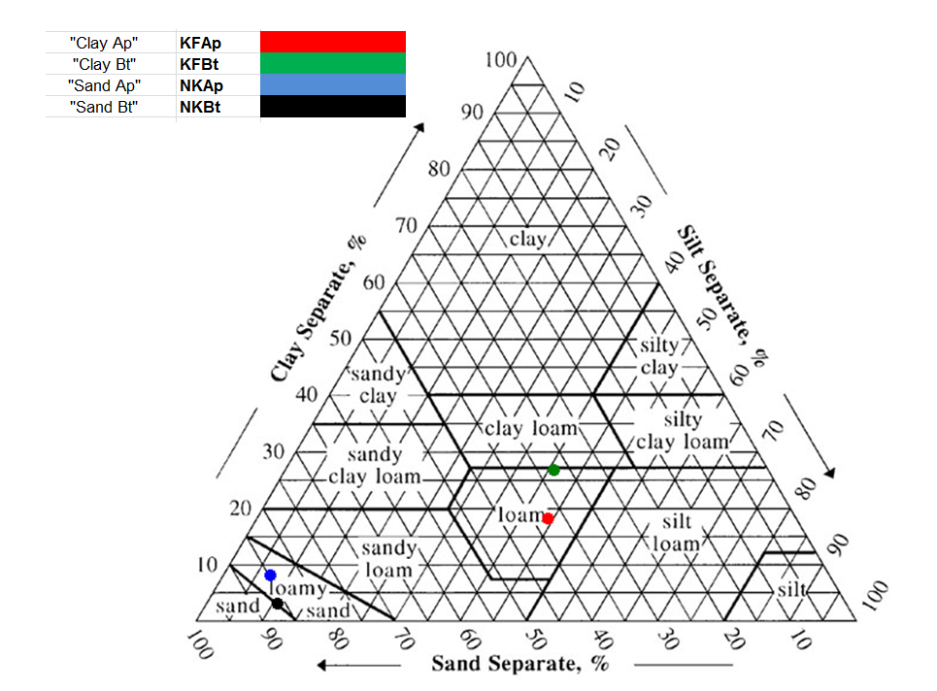
 |  |  |  | Particle Size Analysis

 | County: | TMX-C
 | Date: | 2016-09-13

 |  |  |  |  |  |  | Fraction* | VCS | CS | MS | FS | VFS | CSI | MSI | FSI | C
 |  |  |  |  |  |  | Size (mm) | 1.000-2.000 | 0.500-1.000 | 0.250-0.500 | 0.100-0.250 | 0.050-0.100 | 0.020-0.050 | 0.005-0.020 | 0.002-0.005 | <0.002
 |  |  |  |  |  |  | Sieve # | 18 | 35 | 60 | 140 | 325 | --- | --- | --- | ---

Sample Number | 1 | 2 | 3 | 4 | 5 | 6 | 7 | 8 | 9 | 10 | 11 | 12 | 13 | 14 | 15 | 16

Data ID# | KFAp-3 | KFAp-4 | KFAp-5 | KFAp-6 | KFBt-2 | KFBt-3 | KFBt-4 | KBt-6 | NKAp-1 | NKAp-2 | NKAp-4 | NKAp-5 | NKBt-1 | NKBt-2 | NKBt-3 | NKBt-4
Lab # | 252 | 252 | 252 | 252 | 252 | 252 | 252 | 252 | 252 | 252 | 252 | 252 | 252 | 252 | 252 | 252
Series | Shottower | Shottower | Shottower | Shottower | Shottower | Shottower | Shottower | Shottower | Bojac | Bojac | Bojac | Bojac | Bojac | Bojac | Bojac | Bojac
Horizon | Ap | Ap | Ap | Ap | Bt | Bt | Bt | Bt | Ap | Ap | Ap | Ap | Bt | Bt | Bt | Bt
Depth | 0-20 cm | 0-20 cm | 0-20 cm | 0-20 cm | 20-60 cm | 20-60 cm | 20-60 cm | 20-60 cm | 0-20 cm | 0-20 cm | 0-20 cm | 0-20 cm | 20-60 cm | 20-60 cm | 20-60 cm | 20-60 cm

%VCS | 5.2 | 5.8 | 5.4 | 6.2 | 3.3 | 6.0 | 5.2 | 2.3 | 0.1 | 1.3 | 0.7 | 3.5 | 0.7 | 0.4 | 0.2 | 0.5
%CS | 5.5 | 5.3 | 5.4 | 4.8 | 3.9 | 4.7 | 4.5 | 4.1 | 9.3 | 9.4 | 12.8 | 7.1 | 5.4 | 5.6 | 4.0 | 5.0
%MS | 10.3 | 8.8 | 7.5 | 7.8 | 6.4 | 6.0 | 6.6 | 6.9 | 41.7 | 40.2 | 41.1 | 37.1 | 40.6 | 45.5 | 43.2 | 43.0
%FS | 12.3 | 13.0 | 11.5 | 11.5 | 11.0 | 9.4 | 11.2 | 11.6 | 29.4 | 30.6 | 26.4 | 37.8 | 33.4 | 30.9 | 35.1 | 34.6
%VFS | 6.8 | 7.1 | 7.1 | 7.4 | 7.5 | 7.1 | 7.7 | 8.4 | 5.0 | 5.0 | 4.9 | 0.0 | 5.8 | 5.4 | 4.8 | 5.2
Total % Sand | 40.2 | 39.9 | 36.8 | 37.7 | 32.0 | 33.2 | 35.2 | 33.4 | 85.5 | 86.6 | 86.0 | 85.6 | 85.9 | 87.9 | 87.4 | 88.4

%CSI | 10.9 | 6.9 | 10.9 | 8.9 | 10.4 | 9.3 | 6.2 | 11.0 | 3.1 | 2.7 | 2.7 | 1.2 | 4.5 | 1.6 | 2.7 | 4.5
%MSI | 24.2 | 28.4 | 26.8 | 25.0 | 21.1 | 23.3 | 27.2 | 19.7 | 4.5 | 1.0 | 4.8 | 4.8 | 4.0 | 4.4 | 6.9 | 3.0
%FSI | 8.2 | 6.5 | 8.2 | 9.6 | 9.2 | 13.4 | 4.4 | 5.2 | 0.5 | 1.9 | 0.7 | 2.8 | 4.0 | 0.8 | 2.0 | 1.2
Total % Silt | 43.3 | 41.7 | 45.9 | 43.6 | 40.7 | 46.0 | 37.8 | 35.9 | 8.1 | 5.6 | 8.2 | 8.9 | 12.6 | 6.8 | 11.6 | 8.7

Total % Clay | 16.5 | 18.4 | 17.3 | 18.8 | 27.2 | 20.8 | 27.0 | 30.7 | 6.4 | 7.8 | 5.8 | 5.5 | 1.5 | 5.4 | 1.0 | 2.9

Textural Class | L | L | L | L | L | L | L | CL | LS | LS | LS | LS | LS/S | S | S | S

 |  | % Sand | Stdev | % Silt | Stdev | % Clay | Stdev | Textural Class
 | KFAp | 38.7 | 1.7 | 43.6 | 1.7 | 17.7 | 1.0 | Loam
 | KFBt | 33.4 | 1.3 | 40.1 | 4.4 | 26.4 | 4.1 | Loam
 | NKAp | 85.9 | 0.5 | 7.7 | 1.4 | 6.4 | 1.0 | Loamy Sand
 | NKBt | 87.4 | 1.0 | 9.9 | 2.7 | 2.7 | 1.9 | Fine Sand

 |  |  |  |  |  |  |  |  |  |  | KFBt>> very colse to clay loam, but still loam?
 |  | % Sand | % Silt | % Clay | Textural Class
"Clay Ap" | KFAp | 38.6±1.7 | 43.6±1.7 | 17.7±1.0 | Loam
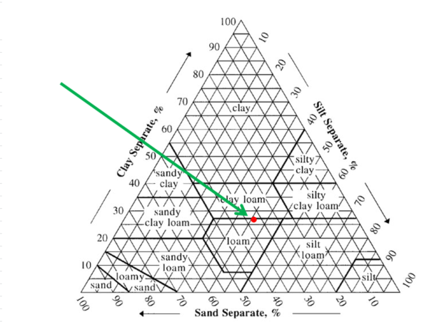
"Clay Bt" | KFBt | 33.4±1.3 | 40.1±4.4 | 26.4±4.1 | Loam
"Sand Ap" | NKAp | 85.9±0.5 | 7.7±1.4 | 6.4±1 | Loamy Sand
"Sand Bt" | NKBt | 87.3±1.0 | 9.9±2.7 | 2.7±1.9 | Fine Sand

"Clay Ap" | KFAp
"Clay Bt" | KFBt
"Sand Ap" | NKAp
"Sand Bt" | NKBt

