GeneralInfo
Tiempo total de desarrollo
Sujeto | Herramientas | Milisegundos por recurso | %Recurso | Desarrollo del usuario
estP01 | chrome | 513125 | 17.08% |  | estP01
 | pythonw | 2478858 | 82.53% | Tiempo total de sesión | 50.0586
 | noprocname | 861 | 0.03% | Número de compilaciones | 36
 | SearchUI | 10672 | 0.36%
 | total | 3003516 | 100.00%

Distribución de tiempo en recursos principales
 |  |  |  | Distribución de tiempo en recursos principales
 |  |  |  |  | estP01
 |  |  |  | chrome | 8.5520833333
 |  |  |  | pythonw | 41.3143
 |  |  |  | noprocname | 0.01435
 |  |  |  | SearchUI | 0.17786666667

ClicksInfo_estP01_1524181480
Procesamiento de Clicks
Milisegundos: | Imagen en proceso: | Clasificación: | Descripción: | Cropbox:
530326109 | 20180419_180223_500000_%processname%_masterchef.png | Subrayado | [for i in encxada: if i — l: 115ta.append(1) 1f (1+1) !=00: (1+1) !=1: convexsion(lisr.a) if i — 0: 115ta.append(0) | crop1.png

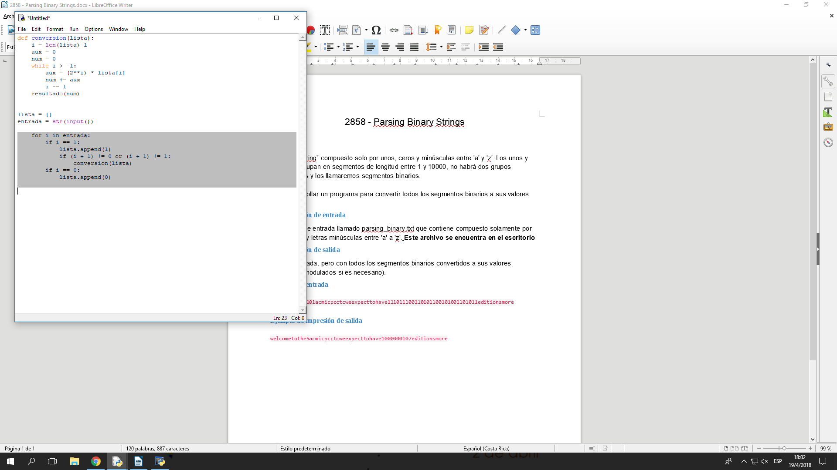

530452546 | 20180419_180429_932000_%processname%_masterchef.png | Subrayado | subrayo | crop2.png

