Cover
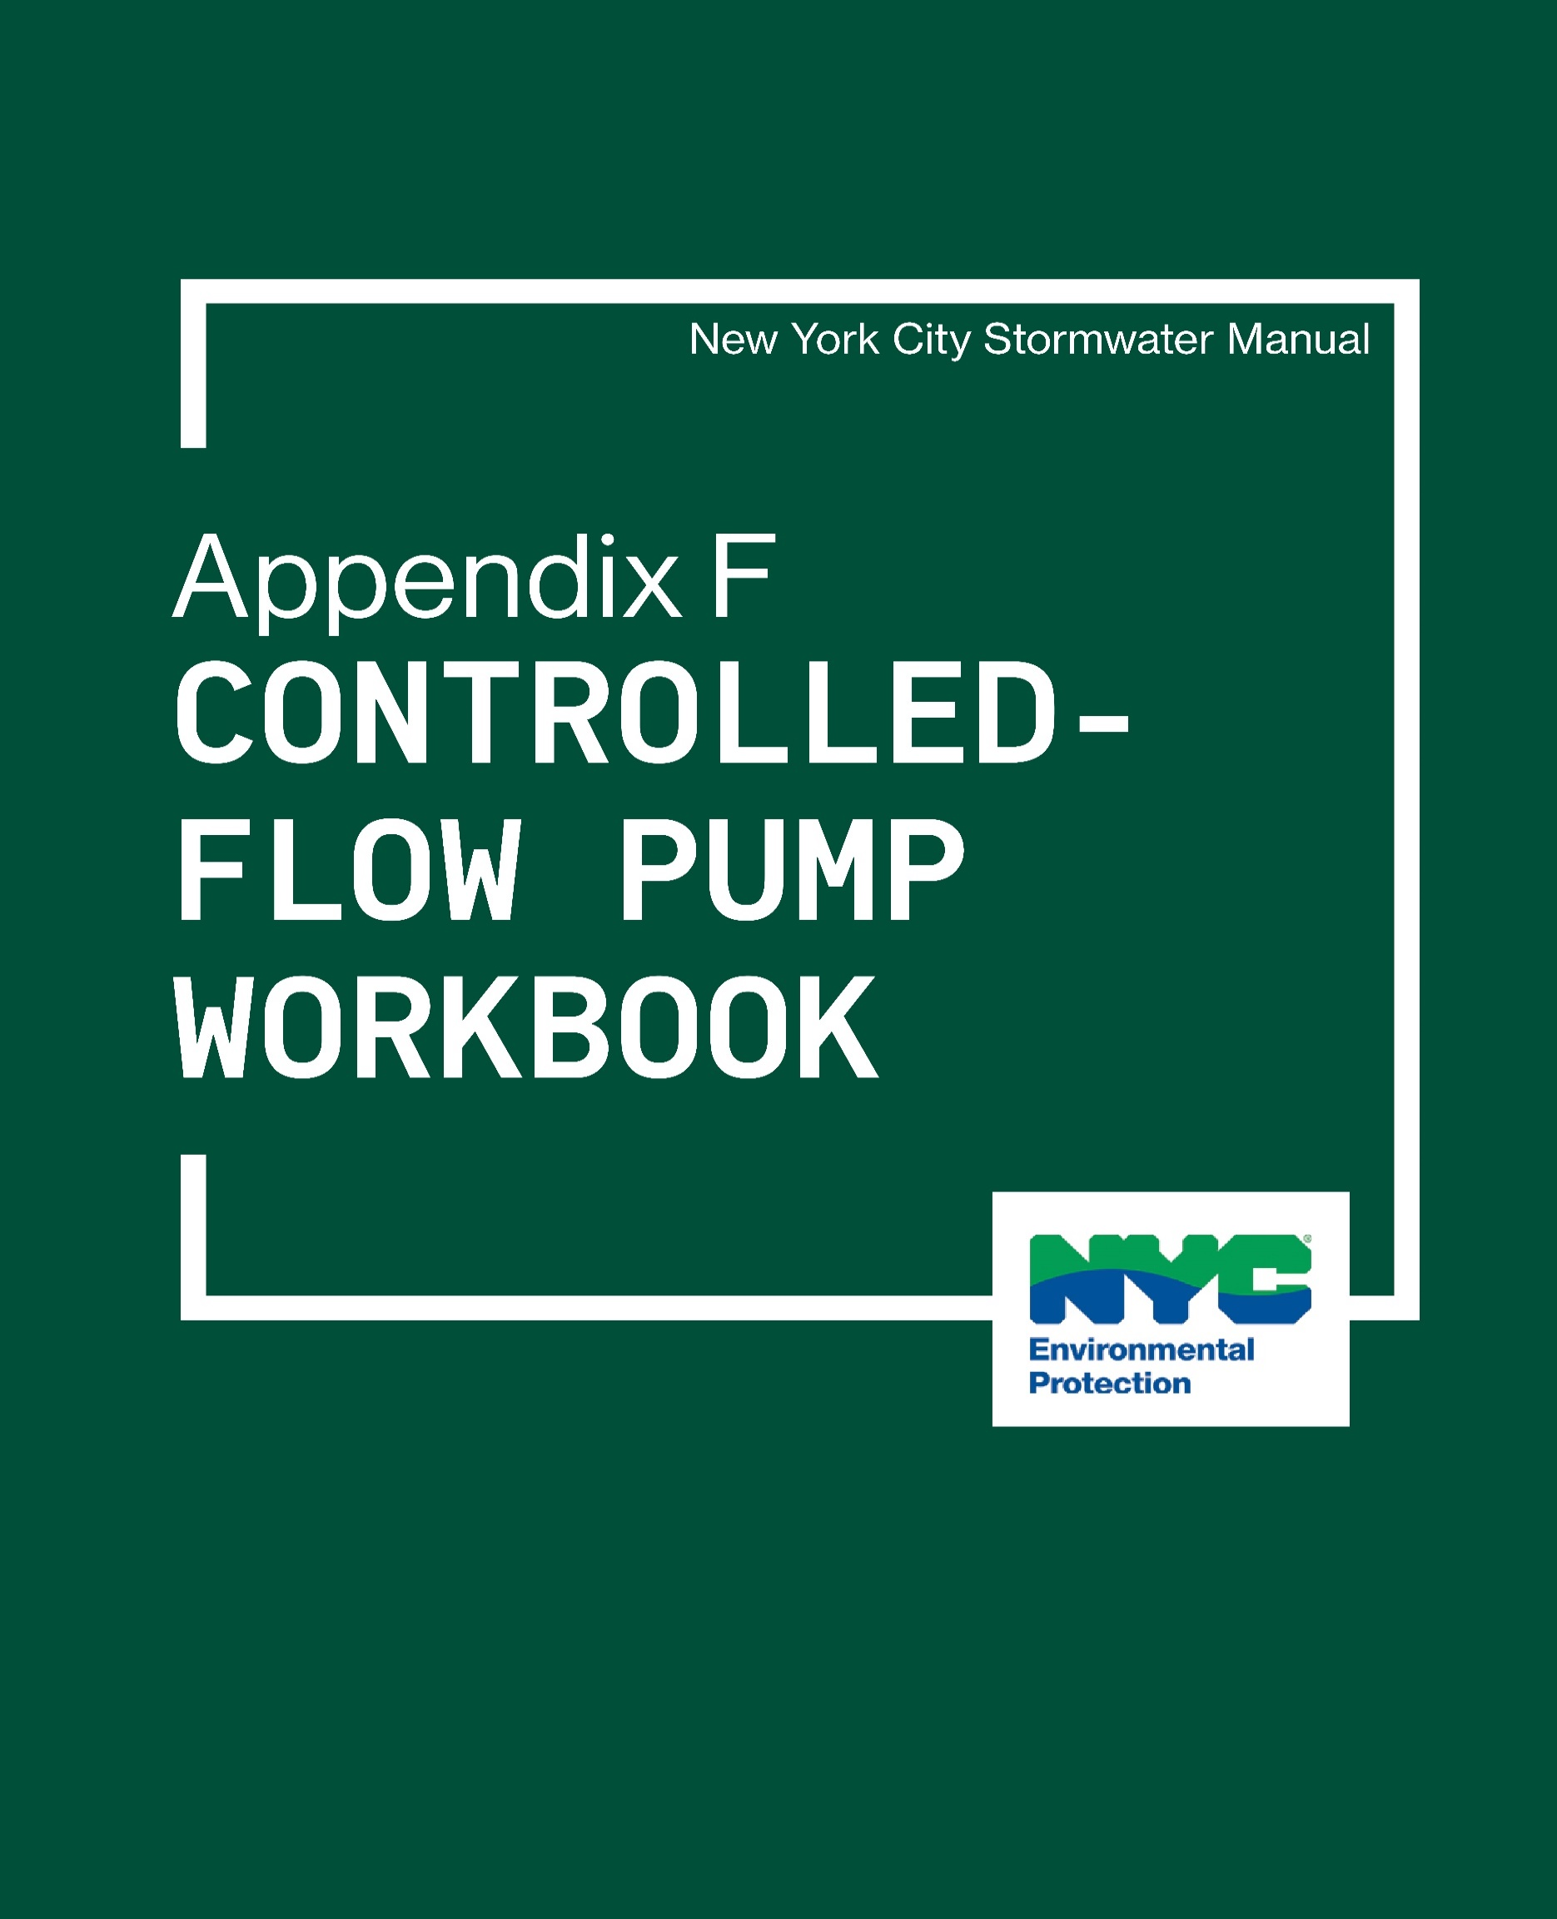

Design Steps
NYC Stormwater Manual – Appendix F
Controlled Flow Pump Workbook
Workbook notes

This workbook is intended for detention system designs where a controlled-flow orifice with gravity drainage is infeasible. In these cases, the required maximum release rates are maintained with a controlled-flow pump system. When working to target a specific release rate for a pump system, the average release rate should not exceed the maximum rate for the facility at the time when the volume is being provided. The average rate for the system is determined by taking the average of the maximum and minimum rates for the system. The maximum and minimum rates are determined by finding the operation point for each rate respectively. The operation point is defined as the point where the system head curve intersects with the pump curve. The following steps and inputs are required to use this workbook.
The Notes section provides space to include notes and details on the system specifications. The Reviewer name should also be included here. Notes on how to choose a Hazen-Williams coefficient are also included in this section for reference.
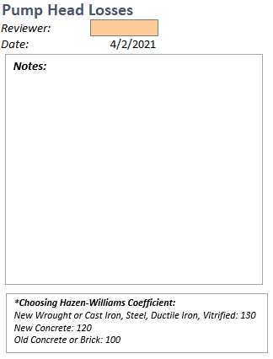
The first section (1) asks for user inputs on the fittings proposed for the system and the number of each type of fitting. The user should place numbers corresponding to each type of fitting in the orange 'input' boxes. Any fitting that is not used can remain blank.
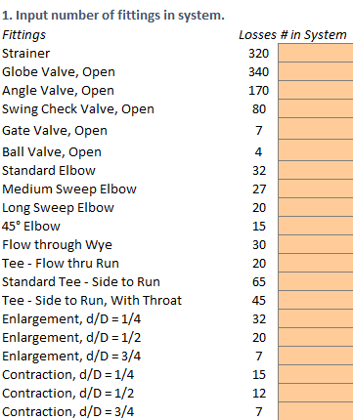 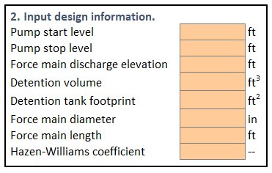
The following information should be included in the second section (2). Pump start level (L3) - The elevation of water where the pump system is designed to turn on. This [is typically near the top of the tank] must be above the Pump Stop Level (L4). Pump stop level (L4) - The elevation of water where the pump system is designed to turn off. This is typically near the bottom of the tank. Force main discharge elevation (L5) - The elevation that the proposed force main will discharge by gravity only (where it is no longer under pressure). The nature of this location requires that it be above the sewer. Detention volume (L6) - The required detention volume in cubic feet calculated for the system. The required detention volume for singular detention systems can be computed using equations in Chapter 2, while the required detention volume of systems in series can be computed using equations in Section 4.11. Detention tank footprint (L7) - The area of the detention tank in square feet. Force main diameter (L8) - The force main pipe diameter in inches. [Minimum of 2-inches and provided in half-inch increments.] Force main length (L9) - The force main length in feet, not including any equivalent lengths provided in section 1 (number of fittings in system). Hazen-Williams coefficient (L10) - The proposed Hazen-Williams coefficient, typically 130 for new wrought or cast iron, steel, ductile iron, or vitrified clay pipes.
The third section (3) asks the user to recreate a pump curve provided by a manufacturer. The following table should be populated with values corresponding to a provided pump curve (example shown). The pump curve example given corresponds to Example 1. A table is also available for the user to input pump product information directly in the workbook.
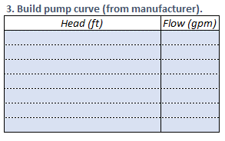 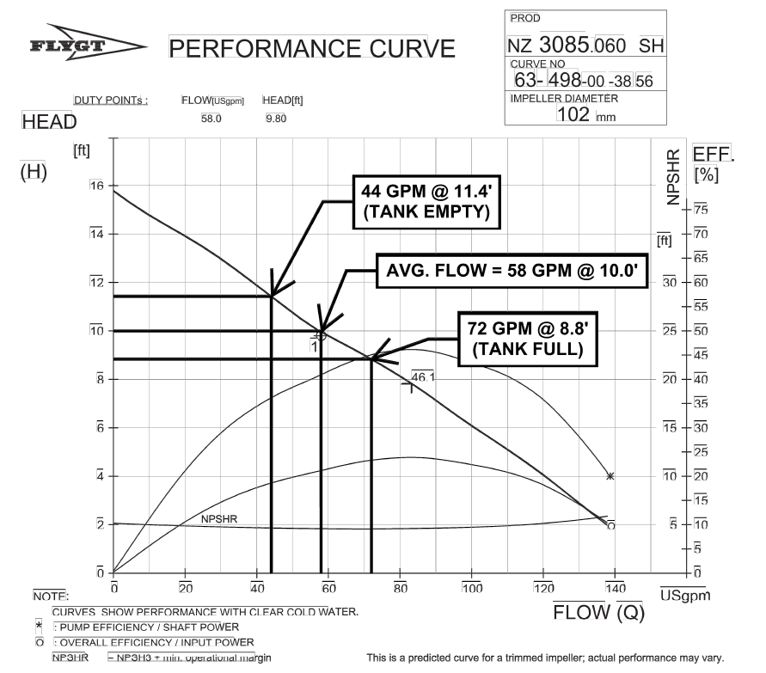 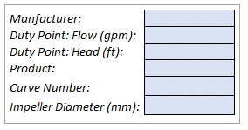
In the fourth section (4), the user is asked to provide the proposed maximum pump rate at which the pump will operate in gallons per minute (Q21), or the operation point for when the pressure head is the lowest, and the proposed minimum pump rate at which the pump will operate (Q22), or the operation point for when the pressure head is the highest. These inputs will allow for the following outputs to be calculated. The equivalent length of pipe for fittings (V15) The minimum static lift in feet (V17) The maximum static lift in feet (V18) The provided storage depth in feet (V19) The maximum water level in feet (V20) The maximum head loss in feet (P21) The minimum head loss in feet (P22) The maximum pump rate in cubic feet-per-second (V21) The minimum pump rate in cubic feet-per-second (V22) The average pump rate in cubic feet-per-second (V23), which is the average of V21 and V22.
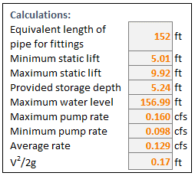
The process of finding the actual pump behavior requires testing a proposed maximum and minimum pump rate (Q21 and Q22) against the minimum and maximum head losses (P21 and P22) - iterating until each operation point is found. The maximum and minimum rates must be adjusted until agreement with the pump curve is achieved. Once each operation point is found, this determines the actual release rate of the pump system. If this is lower than the maximum, then the pump system is acceptable. If the maximum pump rate exceeds the maximum release rate, the force main size must be changed or a smaller pump should be selected.
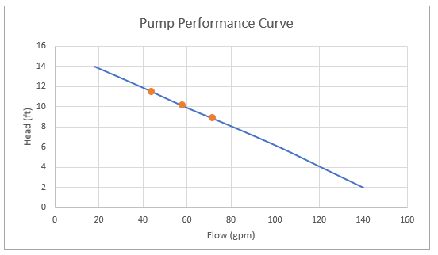
Space for additional calculations is provided in case they are required for specific design systems.

Workbook
Pump Performance Curve**
 | Flow (gpm) vs. Head (ft)
 |  | 0.00
 |  | 0.00
 |  | 0.00
 |  |  |  |  |  |  |  |  |  |  |  |  |  |  |  | NYC Stormwater Manual – Appendix F
Pump Head Losses |  |  |  | 1. Input number of fittings in system.
Reviewer: |  |  |  | Fittings |  | Losses | # in System |  | 2. Input design information.
Date: | 2024-09-24 |  |  | Strainer |  | 320 |  |  | Pump start level |  | ft |  |  |  |  |  | Manfacturer:
Notes:
 |  |  |  | Globe Valve, Open |  | 340 |  |  | Pump stop level |  | ft |  |  |  |  |  | Duty Point: Flow (gpm):
 |  |  |  | Angle Valve, Open |  | 170 |  |  | Force main discharge elevation |  | ft |  |  |  |  |  | Duty Point: Head (ft):
 |  |  |  | Swing Check Valve, Open |  | 80 |  |  | Detention volume |  | ft3 |  |  |  |  |  | Product:
 |  |  |  | Gate Valve, Open |  | 7 |  |  | Detention tank footprint |  | ft2 |  |  |  |  |  | Curve Number:
 |  |  |  | Ball Valve, Open |  | 4 |  |  | Force main diameter |  | in |  |  |  |  |  | Impeller Diameter (mm):
 |  |  |  | Standard Elbow |  | 32 |  |  | Force main length |  | ft
 |  |  |  | Medium Sweep Elbow |  | 27 |  |  | Hazen-Williams coefficient |  | --
 |  |  |  | Long Sweep Elbow |  | 20
 |  |  |  | 45° Elbow |  | 15
 |  |  |  | Flow through Wye |  | 30 |  |  | 3. Build pump curve (from manufacturer).
 |  |  |  | Tee - Flow thru Run |  | 20 |  |  | Head (ft) | Flow (gpm) |  |  |  |  |  |  | Calculations:
 |  |  |  | Standard Tee - Side to Run |  | 65 |  |  |  |  |  |  |  |  |  |  | Equivalent length of pipe for fittings | 0 | ft
 |  |  |  | Tee - Side to Run, With Throat |  | 45
 |  |  |  | Enlargement, d/D = 1/4 |  | 32 |  |  |  |  |  |  |  |  |  |  | Minimum static lift | #DIV/0! | ft
*Choosing Hazen-Williams Coefficient:
New Wrought or Cast Iron, Steel, Ductile Iron, Vitrified: 130
New Concrete: 120
Old Concrete or Brick: 100
 |  |  |  | Enlargement, d/D = 1/2 |  | 20 |  |  |  |  |  | 4. Change minimum and maximum flow rates until points align with pump curve. |  |  |  |  | Maximum static lift | 0.00 | ft
 |  |  |  | Enlargement, d/D = 3/4 |  | 7 |  |  |  |  |  |  | Flow | Head |  |  | Provided storage depth | #DIV/0! | ft
 |  |  |  | Contraction, d/D = 1/4 |  | 15 |  |  |  |  |  |  | (gpm) | (ft) |  |  | Maximum water level | #DIV/0! | ft
 |  |  |  | Contraction, d/D = 1/2 |  | 12 |  |  |  |  |  | Maximum |  | #DIV/0! |  |  | Maximum pump rate | 0.000 | cfs
 |  |  |  | Contraction, d/D = 3/4 |  | 7 |  |  |  |  |  | Minimum |  | #DIV/0! |  |  | Minimum pump rate | 0.000 | cfs
*Note that applicants must include the pump curve on the site plan, along with all of the necessary inputs.
*Key |  |  |  |  |  |  |  |  |  |  |  | Average | #DIV/0! | #DIV/0! |  |  | Average rate | 0.000 | cfs
# | user input |  |  |  |  |  |  |  |  |  |  |  |  |  |  |  | V2/2g | #DIV/0! | ft
# | provided pump curve information
# | calculation

Flow Rate |  |  |  | Head Loss |  |  |  |  | Equivalent Pipe Length (Pipes in Parallel) |  |  |  |  |  | Equivalent Pipe Length (Pipes in Series)
1. Input values: | Pipe diameter |  | in | 1. Input values: (**Flow rate can be entered in either cfs or gpm, or both.) | Pipe diameter |  |  | in | 1. For two pipes in parallel to be replaced by a single pipe of equivalent capacity, input: | Pipe 1 diameter |  |  |  | in | 1. For two pipes connected in series to be replaced by a single pipe of equivalent capacity, input: | Pipe 1 diameter |  | in
 | Hazen-Williams C |  | -- |  | Hazen-Williams C |  |  | -- |  | Pipe 1 length |  |  |  | ft |  | Pipe 1 length |  | ft
 | Pipe length |  | ft |  | Flow rate Q** |  |  | cfs |  | Pipe 2 diameter |  |  |  | in |  | Pipe 2 diameter |  | in
 | Head loss |  | ft |  |  |  |  | gpm |  | Pipe 2 length |  |  |  | ft |  | Pipe 2 length |  | ft
2. Results: | Flow rate Q | #DIV/0! | cfs |  | Pipe length |  |  | ft |  | Assumed head loss |  |  |  | ft |  | Assumed flow rate Q |  | cfs
 |  | #DIV/0! | gpm | 2. Results: | Head loss % (Q, cfs) (ft/100ft) |  | #DIV/0! | % |  | Diameter of proposed eq. pipe |  |  |  | in |  | Diameter of proposed eq. pipe |  | in
 | V2/2g | #DIV/0! | ft |  | Head loss % (Q, gpm) |  | #DIV/0! | % | 2. Equivalent pipe length: |  |  |  | #DIV/0! | ft | 2. Equivalent pipe length: |  | #DIV/0! | ft
 |  |  |  |  | Head loss |  | #DIV/0! | ft
 |  |  |  |  | V2/2g |  | #DIV/0! | ft

Pump Head Loss Example 1
 |  |  |  |  |  |  |  |  |  |  |  |  |  |  |  | NYC Stormwater Manual – Appendix F

Pump Performance Curve**
Pump Head Losses |  |  |  | 1. Input number of fittings in system.
Reviewer: | C. Moskos |  |  | Fittings |  | Losses | # in System |  | 2. Input design information.
Date: | 2024-09-24 |  |  | Strainer |  | 320 | 1 |  | Pump start level | 152.08 | ft |  |  |  |  |  | Manfacturer: | Flygt
Example:
- 1 pump
- Fittings: 1 strainer, 1 swing check valve, 3 ball valves, 3 standards elbows, 1 45° elbow, 1 'flow thru run' tee, 1 'side to run' tee
- Pump start level: 152.08'
- Pump stop level: 151.75'
- Force main discharge elevation: 162'
- Detention volume: 1919 ft³
- Detention tank footprint: 366 ft²
- Force main diameter: 3"
- Force main length: 62'
- Hazen-Williams coefficient: 130*
 |  |  |  | Globe Valve, Open |  | 340 |  |  | Pump stop level | 151.75 | ft |  |  |  |  |  | Duty Point: Flow (gpm): | 58.0
 |  |  |  | Angle Valve, Open |  | 170 |  |  | Force main discharge elevation | 162.00 | ft |  |  |  |  |  | Duty Point: Head (ft): | 9.8
 |  |  |  | Swing Check Valve, Open |  | 80 | 1 |  | Detention volume | 1919 | ft3 |  |  |  |  |  | Product: | NZ 3085.060 SH
 |  |  |  | Gate Valve, Open |  | 7 |  |  | Detention tank footprint | 366 | ft2 |  |  |  |  |  | Curve Number: | 63-498-00-3856
 |  |  |  | Ball Valve, Open |  | 4 | 3 |  | Force main diameter | 3.0 | in |  |  |  |  |  | Impeller Diameter (mm): | 102
 |  |  |  | Standard Elbow |  | 32 | 3 |  | Force main length | 62.00 | ft
 |  |  |  | Medium Sweep Elbow |  | 27 |  |  | Hazen-Williams coefficient | 130 | --
 |  |  |  | Long Sweep Elbow |  | 20
 |  |  |  | 45° Elbow |  | 15 | 1
 |  |  |  | Flow through Wye |  | 30 |  |  | 3. Build pump curve (from manufacturer).
 |  |  |  | Tee - Flow thru Run |  | 20 | 1 |  | Head (ft) | Flow (gpm) |  |  |  |  |  |  | Calculations:
 |  |  |  | Standard Tee - Side to Run |  | 65 | 1 |  | 2 | 140 |  |  |  |  |  |  | Equivalent length of pipe for fittings | 152 | ft
 |  |  |  | Tee - Side to Run, With Throat |  | 45 |  |  | 4 | 121
 |  |  |  | Enlargement, d/D = 1/4 |  | 32 |  |  | 6 | 102 |  |  |  |  |  |  | Minimum static lift | 5.01 | ft
*Choosing Hazen-Williams Coefficient:
New Wrought or Cast Iron, Steel, Ductile Iron, Vitrified: 130
New Concrete: 120
Old Concrete or Brick: 100
 |  |  |  | Enlargement, d/D = 1/2 |  | 20 |  |  | 8 | 81 |  | 4. Change minimum and maximum flow rates until points align with pump curve. |  |  |  |  | Maximum static lift | 9.92 | ft
 |  |  |  | Enlargement, d/D = 3/4 |  | 7 |  |  | 10 | 59 |  |  | Head | Flow |  |  | Provided storage depth | 5.24 | ft
 |  |  |  | Contraction, d/D = 1/4 |  | 15 |  |  | 12 | 39 |  |  | (ft) | (gpm) |  |  | Maximum water level | 156.99 | ft
 |  |  |  | Contraction, d/D = 1/2 |  | 12 |  |  | 14 | 18 |  | Maximum | 8.81 | 72 |  |  | Maximum pump rate | 0.160 | cfs
 |  |  |  | Contraction, d/D = 3/4 |  | 7 |  |  |  |  |  | Minimum | 11.44 | 44 |  |  | Minimum pump rate | 0.098 | cfs
*Note that applicants must include the pump curve on the site plan, along with all of the necessary inputs.
*Key |  |  |  |  |  |  |  |  |  |  |  | Average | 10.12 | 58 |  |  | Average rate | 0.129 | cfs
# | user input |  |  |  |  |  |  |  |  |  |  |  |  |  |  |  | V2/2g | 0.17 | ft
# | provided pump curve information
# | calculation

Flow Rate |  |  |  | Head Loss |  |  |  |  | Equivalent Pipe Length (Pipes in Parallel) |  |  |  |  |  | Equivalent Pipe Length (Pipes in Series)
1. Input values: | Pipe diameter |  | in | 1. Input values: (**Flow rate can be entered in either cfs or gpm, or both.) | Pipe diameter |  |  | in | 1. For two pipes in parallel to be replaced by a single pipe of equivalent capacity, input: | Pipe 1 diameter |  |  |  | in | 1. For two pipes connected in series to be replaced by a single pipe of equivalent capacity, input: | Pipe 1 diameter |  | in
 | Hazen-Williams C |  | -- |  | Hazen-Williams C |  |  | -- |  | Pipe 1 length |  |  |  | ft |  | Pipe 1 length |  | ft
 | Pipe length |  | ft |  | Flow rate Q** |  |  | cfs |  | Pipe 2 diameter |  |  |  | in |  | Pipe 2 diameter |  | in
 | Head loss |  | ft |  |  |  |  | gpm |  | Pipe 2 length |  |  |  | ft |  | Pipe 2 length |  | ft
2. Results: | Flow rate Q | #DIV/0! | cfs |  | Pipe length |  |  | ft |  | Assumed head loss |  |  |  | ft |  | Assumed flow rate Q |  | cfs
 |  | #DIV/0! | gpm | 2. Results: | Head loss % (Q, cfs) (ft/100ft) |  | #DIV/0! | % |  | Diameter of proposed eq. pipe |  |  |  | in |  | Diameter of proposed eq. pipe |  | in
 | V2/2g | #DIV/0! | ft |  | Head loss % (Q, gpm) |  | #DIV/0! | % | 2. Equivalent pipe length: |  |  |  | #DIV/0! | ft | 2. Equivalent pipe length: |  | #DIV/0! | ft
 |  |  |  |  | Head loss |  | #DIV/0! | ft
 |  |  |  |  | V2/2g |  | #DIV/0! | ft

