mkt_data
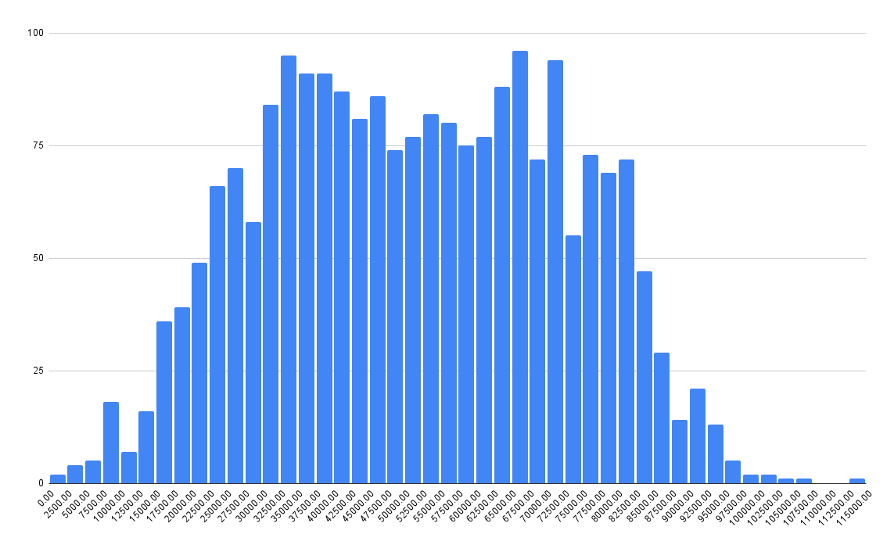
 | Income | Kidhome | Teenhome | Recency | MntWines | MntFruits | MntMeatProducts | MntFishProducts | MntSweetProducts | MntGoldProds | NumDealsPurchases | NumWebPurchases | NumCatalogPurchases | NumStorePurchases | NumWebVisitsMonth | AcceptedCmp3 | AcceptedCmp4 | AcceptedCmp5 | AcceptedCmp1 | AcceptedCmp2 | Complain | Z_CostContact | Z_Revenue | Response | Age
0 | 58138 | 0 | 0 | 58 | 635 | 88 | 546 | 172 | 88 | 88 | 3 | 8 | 10 | 4 | 7 | 0 | 0 | 0 | 0 | 0 | 0 | 3 | 11 | 1 | 63
1 | 46344 | 1 | 1 | 38 | 11 | 1 | 6 | 2 | 1 | 6 | 2 | 1 | 1 | 2 | 5 | 0 | 0 | 0 | 0 | 0 | 0 | 3 | 11 | 0 | 66
2 | 71613 | 0 | 0 | 26 | 426 | 49 | 127 | 111 | 21 | 42 | 1 | 8 | 2 | 10 | 4 | 0 | 0 | 0 | 0 | 0 | 0 | 3 | 11 | 0 | 55
3 | 26646 | 1 | 0 | 26 | 11 | 4 | 20 | 10 | 3 | 5 | 2 | 2 | 0 | 4 | 6 | 0 | 0 | 0 | 0 | 0 | 0 | 3 | 11 | 0 | 36
4 | 58293 | 1 | 0 | 94 | 173 | 43 | 118 | 46 | 27 | 15 | 5 | 5 | 3 | 6 | 5 | 0 | 0 | 0 | 0 | 0 | 0 | 3 | 11 | 0 | 39
5 | 62513 | 0 | 1 | 16 | 520 | 42 | 98 | 0 | 42 | 14 | 2 | 6 | 4 | 10 | 6 | 0 | 0 | 0 | 0 | 0 | 0 | 3 | 11 | 0 | 53
6 | 55635 | 0 | 1 | 34 | 235 | 65 | 164 | 50 | 49 | 27 | 4 | 7 | 3 | 7 | 6 | 0 | 0 | 0 | 0 | 0 | 0 | 3 | 11 | 0 | 49
7 | 33454 | 1 | 0 | 32 | 76 | 10 | 56 | 3 | 1 | 23 | 2 | 4 | 0 | 4 | 8 | 0 | 0 | 0 | 0 | 0 | 0 | 3 | 11 | 0 | 35
8 | 30351 | 1 | 0 | 19 | 14 | 0 | 24 | 3 | 3 | 2 | 1 | 3 | 0 | 2 | 9 | 0 | 0 | 0 | 0 | 0 | 0 | 3 | 11 | 1 | 46
9 | 5648 | 1 | 1 | 68 | 28 | 0 | 6 | 1 | 1 | 13 | 1 | 1 | 0 | 0 | 20 | 1 | 0 | 0 | 0 | 0 | 0 | 3 | 11 | 0 | 70
10 | 7500 | 0 | 0 | 59 | 6 | 16 | 11 | 11 | 1 | 16 | 1 | 2 | 0 | 3 | 8 | 0 | 0 | 0 | 0 | 0 | 0 | 3 | 11 | 0 | 44
11 | 63033 | 0 | 0 | 82 | 194 | 61 | 480 | 225 | 112 | 30 | 1 | 3 | 4 | 8 | 2 | 0 | 0 | 0 | 0 | 0 | 0 | 3 | 11 | 0 | 61
12 | 59354 | 1 | 1 | 53 | 233 | 2 | 53 | 3 | 5 | 14 | 3 | 6 | 1 | 5 | 6 | 0 | 0 | 0 | 0 | 0 | 0 | 3 | 11 | 0 | 68
13 | 17323 | 0 | 0 | 38 | 3 | 14 | 17 | 6 | 1 | 5 | 1 | 1 | 0 | 3 | 8 | 0 | 0 | 0 | 0 | 0 | 0 | 3 | 11 | 0 | 33
14 | 82800 | 0 | 0 | 23 | 1006 | 22 | 115 | 59 | 68 | 45 | 1 | 7 | 6 | 12 | 3 | 0 | 0 | 1 | 1 | 0 | 0 | 3 | 11 | 1 | 74
15 | 41850 | 1 | 1 | 51 | 53 | 5 | 19 | 2 | 13 | 4 | 3 | 3 | 0 | 3 | 8 | 0 | 0 | 0 | 0 | 0 | 0 | 3 | 11 | 0 | 40
16 | 37760 | 0 | 0 | 20 | 84 | 5 | 38 | 150 | 12 | 28 | 2 | 4 | 1 | 6 | 7 | 0 | 0 | 0 | 0 | 0 | 0 | 3 | 11 | 0 | 74
17 | 76995 | 0 | 1 | 91 | 1012 | 80 | 498 | 0 | 16 | 176 | 2 | 11 | 4 | 9 | 5 | 0 | 0 | 0 | 1 | 0 | 0 | 3 | 11 | 0 | 71
18 | 33812 | 1 | 0 | 86 | 4 | 17 | 19 | 30 | 24 | 39 | 2 | 2 | 1 | 3 | 6 | 0 | 0 | 0 | 0 | 0 | 0 | 3 | 11 | 0 | 35
19 | 37040 | 0 | 0 | 41 | 86 | 2 | 73 | 69 | 38 | 48 | 1 | 4 | 2 | 5 | 8 | 0 | 0 | 0 | 0 | 0 | 0 | 3 | 11 | 0 | 38
20 | 2447 | 1 | 0 | 42 | 1 | 1 | 1725 | 1 | 1 | 1 | 15 | 0 | 28 | 0 | 1 | 0 | 0 | 0 | 0 | 0 | 0 | 3 | 11 | 0 | 41
21 | 58607 | 0 | 1 | 63 | 867 | 0 | 86 | 0 | 0 | 19 | 3 | 2 | 3 | 9 | 8 | 0 | 1 | 0 | 0 | 0 | 0 | 3 | 11 | 0 | 71
22 | 65324 | 0 | 1 | 0 | 384 | 0 | 102 | 21 | 32 | 5 | 3 | 6 | 2 | 9 | 4 | 0 | 0 | 0 | 0 | 0 | 0 | 3 | 11 | 0 | 66
23 | 40689 | 0 | 1 | 69 | 270 | 3 | 27 | 39 | 6 | 99 | 7 | 7 | 1 | 5 | 8 | 0 | 0 | 0 | 0 | 0 | 0 | 3 | 11 | 0 | 69
24 | 18589 | 0 | 0 | 89 | 6 | 4 | 25 | 15 | 12 | 13 | 2 | 2 | 1 | 3 | 7 | 0 | 0 | 0 | 0 | 0 | 0 | 3 | 11 | 0 | 51
25 | 53359 | 1 | 1 | 4 | 173 | 4 | 30 | 3 | 6 | 41 | 4 | 5 | 1 | 4 | 7 | 0 | 0 | 0 | 0 | 0 | 0 | 3 | 11 | 0 | 44
26 | 38360 | 1 | 0 | 26 | 36 | 2 | 42 | 20 | 21 | 10 | 2 | 2 | 1 | 4 | 3 | 0 | 0 | 0 | 0 | 0 | 0 | 3 | 11 | 0 | 31
27 | 84618 | 0 | 0 | 96 | 684 | 100 | 801 | 21 | 66 | 0 | 1 | 6 | 9 | 10 | 2 | 0 | 0 | 1 | 0 | 0 | 0 | 3 | 11 | 0 | 55
28 | 10979 | 0 | 0 | 34 | 8 | 4 | 10 | 2 | 2 | 4 | 2 | 3 | 0 | 3 | 5 | 0 | 0 | 0 | 0 | 0 | 0 | 3 | 11 | 0 | 31
29 | 38620 | 0 | 0 | 56 | 112 | 17 | 44 | 34 | 22 | 89 | 1 | 2 | 5 | 3 | 3 | 0 | 0 | 0 | 0 | 0 | 0 | 3 | 11 | 0 | 57
30 | 40548 | 0 | 1 | 31 | 110 | 0 | 5 | 2 | 0 | 3 | 2 | 2 | 1 | 4 | 5 | 0 | 1 | 0 | 0 | 0 | 0 | 3 | 11 | 0 | 50
31 | 46610 | 0 | 2 | 8 | 96 | 12 | 96 | 33 | 22 | 43 | 6 | 4 | 1 | 6 | 6 | 0 | 0 | 0 | 0 | 0 | 0 | 3 | 11 | 1 | 68
32 | 68657 | 0 | 0 | 4 | 482 | 34 | 471 | 119 | 68 | 22 | 1 | 3 | 5 | 9 | 7 | 0 | 0 | 0 | 0 | 0 | 0 | 3 | 11 | 0 | 74
33 | 49389 | 1 | 1 | 55 | 40 | 0 | 19 | 2 | 1 | 3 | 1 | 2 | 0 | 3 | 7 | 0 | 0 | 0 | 0 | 0 | 0 | 3 | 11 | 0 | 69
34 | 67353 | 0 | 1 | 37 | 702 | 17 | 151 | 0 | 8 | 35 | 5 | 5 | 6 | 12 | 2 | 0 | 0 | 0 | 0 | 0 | 0 | 3 | 11 | 0 | 50
35 | 23718 | 1 | 0 | 76 | 6 | 3 | 14 | 15 | 7 | 36 | 3 | 3 | 1 | 2 | 7 | 0 | 0 | 0 | 0 | 0 | 0 | 3 | 11 | 0 | 44
36 | 42429 | 0 | 1 | 99 | 55 | 0 | 6 | 2 | 0 | 4 | 2 | 1 | 1 | 3 | 5 | 0 | 0 | 0 | 0 | 0 | 0 | 3 | 11 | 0 | 47
37 | 48948 | 0 | 0 | 53 | 437 | 8 | 206 | 160 | 49 | 42 | 2 | 7 | 10 | 5 | 6 | 1 | 0 | 0 | 0 | 0 | 0 | 3 | 11 | 1 | 77
38 | 80011 | 0 | 1 | 3 | 421 | 76 | 536 | 82 | 178 | 102 | 2 | 8 | 6 | 5 | 4 | 0 | 0 | 0 | 0 | 0 | 0 | 3 | 11 | 0 | 40
39 | 20559 | 1 | 0 | 88 | 13 | 1 | 29 | 3 | 0 | 7 | 2 | 2 | 0 | 3 | 8 | 0 | 0 | 0 | 0 | 0 | 0 | 3 | 11 | 0 | 35
40 | 21994 | 0 | 1 | 4 | 9 | 0 | 6 | 3 | 1 | 3 | 1 | 0 | 0 | 3 | 5 | 0 | 0 | 0 | 0 | 0 | 0 | 3 | 11 | 0 | 63
41 | 7500 | 1 | 0 | 19 | 3 | 1 | 10 | 3 | 2 | 12 | 3 | 2 | 0 | 3 | 5 | 0 | 0 | 0 | 0 | 0 | 0 | 3 | 11 | 0 | 45
42 | 79941 | 0 | 0 | 72 | 123 | 164 | 266 | 227 | 30 | 174 | 1 | 2 | 4 | 9 | 1 | 0 | 0 | 0 | 0 | 0 | 0 | 3 | 11 | 0 | 44
43 | 7500 | 0 | 0 | 24 | 3 | 18 | 14 | 15 | 22 | 50 | 3 | 3 | 1 | 3 | 9 | 0 | 0 | 0 | 0 | 0 | 0 | 3 | 11 | 1 | 24
44 | 41728 | 1 | 0 | 92 | 13 | 6 | 15 | 3 | 5 | 13 | 1 | 2 | 0 | 2 | 10 | 0 | 0 | 0 | 0 | 0 | 0 | 3 | 11 | 0 | 52
...

