Heart&circulation
Systemic system

Rotate
bloodflow direction
anatomical areas
Tissue
Cellular
Venous System
Simplfied visualization

Phase 1
Heart & Circulation

2D
Labels
Toggle on/off
Magnify
Opacity
Zoom
Animate
Pulmonary System
3D

Realistic visualization

Heart

Digestive tract
Labels on request
per anatomical area
(see illustration, toggle on/off)
Navigation on image
Zooming/panning
Auto zoom on selected area
Rotation &reset
2D
Visualistion digestive tract

3D

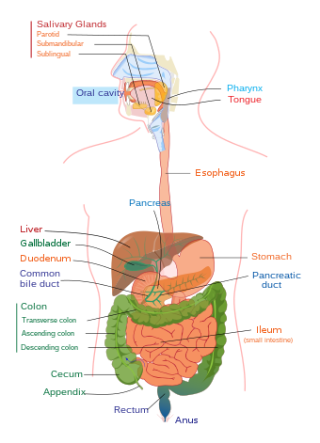

Label is shown when anatomical element or area is selected.
Auto zoom: when anatomical area or organ is selected, then the selection is full screen
single button to reset illustration after rotation in any direction

