LW Current Estimates
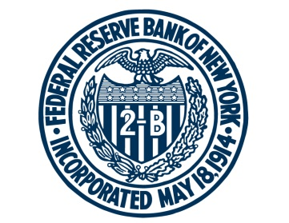 FEDERAL RESERVE BANK of NEW YORK

This spreadsheet contains updated estimates of the baseline model described in "Measuring the Natural Rate of Interest," by Thomas Laubach and John C. Williams, published in the Review of Economics and Statistics, November 2003.

For any questions, please contact Research Publications at:
research.publications@ny.frb.org

Terms of Use:
https://www.newyorkfed.org/privacy/termsofuse.html

Note: Download this data and replication code from the New York Fed’s public website at
https://www.newyorkfed.org/research/policy/rstar/.

