Ballard
Pitch | RHHU | LHHU | Velo | Stk % | Cha % | Gr. %
Fastball | 72% | 69% | 90 | 65% | 32% | 51%
Slider | 20% | 19% | 79 | 55% | 37% | 67%
Change | 2% | 18% | 82.4 | 39% | 21% | 67%
Curveball | 7% | 0% | 75.2 | 62% | 33%
Overall |  |  |  | 61% | 32% | 52%
Team | IP | ERA | BB | HBP | K | WHIP
School team
Summer | 16 | 4.50 | 8 | 0 | 16 | 1.438
General Notes |  |  |  |  |  |  | Movment Chart
Didn't pitch at all for Georgia Tech, been pretty solid this summer, ton of fastballs, struggles to command the offspeed, SL is best secodary and gets lots of chases |  |  |  |  |  |  | Ballard
 |  |  |  |  |  |  | Georgia Tech
 |  |  |  |  |  |  | 20
 |  |  |  |  |  |  | RHP
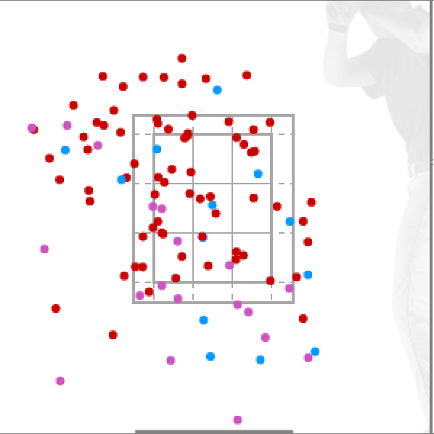 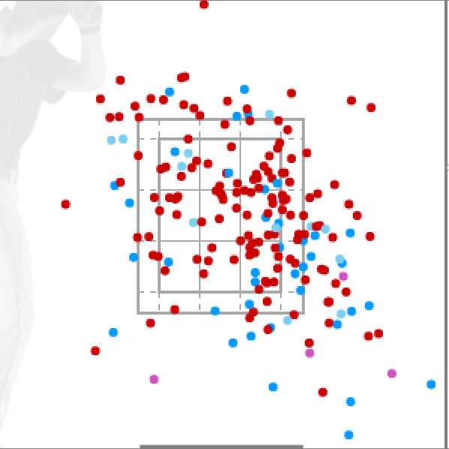

Vs RHH |  |  |  |  |  | Vs LHH

Clark
Pitch | RHHU | LHHU | Velo | Stk % | Cha % | Gr. %
Fastball | 58% | 69% | 86.5 | 69% | 19% | 49%
Curveball | 28% | 14% | 71.7 | 65% | 31% | 40%
Change | 14% | 18% | 80.8 | 58% | 0%
Other
Overall |  |  |  | 66% | 22%
Team | IP | ERA | BB | HBP | K | WHIP
School team | 26.1 | 5.13 | 11 | 4 | 22 | 1.633
Summer (2022) | 18.1 | 3.93 | 3 | 1 | 14 | 1.145
General Notes |  |  |  |  |  |  | Movment Chart
D3 Starter, High leverage reliever for Danbury last summer, lots of FB, Strike Thrower w/ FB/CB, CH for show to LHH and struggles to throw for strike |  |  |  |  |  |  | Curtis Clark
 |  |  |  |  |  |  | 32
 |  |  |  |  |  |  | Capital U (D3)
 |  |  |  |  |  |  | RHP | R +.090 | F 61%
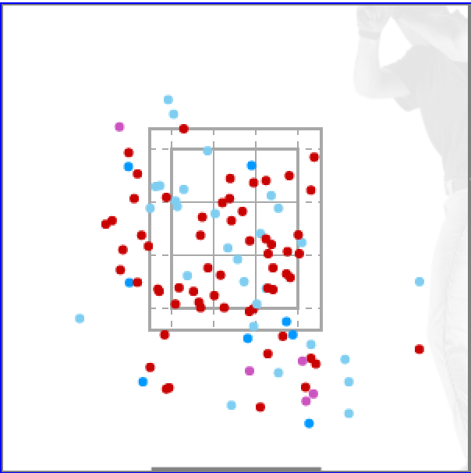 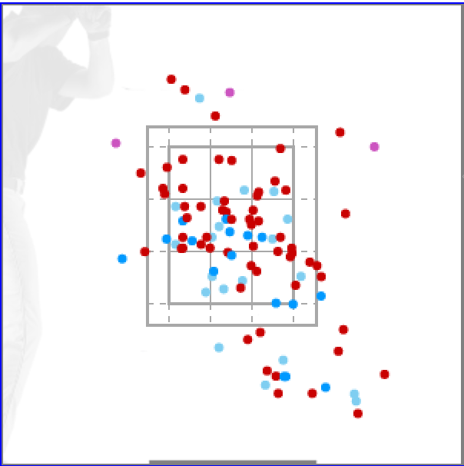

Vs RHH |  |  |  |  |  | Vs LHH

Falco
Pitch | RHHU | LHHU | Velo | Stk % | Cha % | Gr. %
Fastball | 57% | 62% | 87.5 | 64% | 34% | 53%
Slider | 32% | 7% | 78 | 70% | 35% | 20%
Change | 11% | 31% | 80.3 | 40% | 18% | 60%
Other
Overall |  |  |  | 63% | 32% | 47%
Team | IP | ERA | BB | HBP | K | WHIP
School team | 51.1 | 4.91 | 23 | 8 | 48 | 1.656
Summer
General Notes |  |  |  |  |  |  | Movment Chart
Weekend Starter for D2 Adelphi, Lots of strikes especially w/ SL, CH over SL to LHH, 40% SL to RHH |  |  |  |  |  |  | Jordan Falco
 |  |  |  |  |  |  | Number
 |  |  |  |  |  |  | Adelphi
 |  |  |  |  |  |  | RHP | L +.114 | F 57%
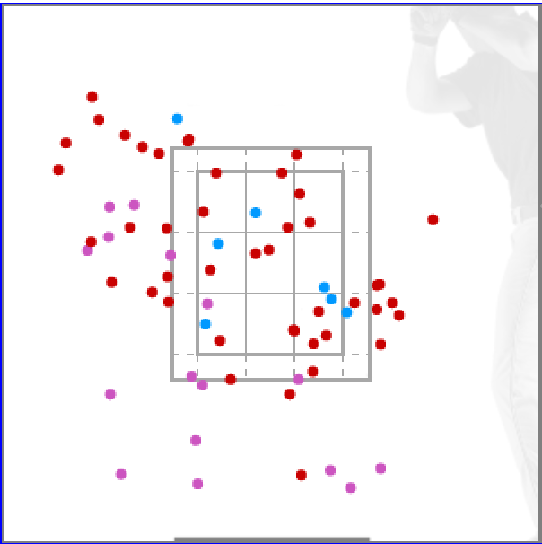 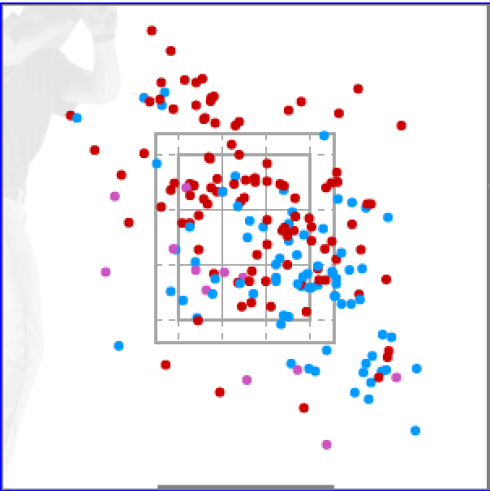

Vs RHH |  |  |  |  |  | Vs LHH

Gleason
Pitch | RHHU | LHHU | Velo | Stk % | Cha % | Gr. %
Fastball | 66% | 60% | 83.8 | 63% | 18% | 52%
Curveball | 20% | 10% | 71.7 | 58% | 16% | 63%
Change | 13% | 30% | 74.3 | 71% | 44% | 0
Other
Overall |  |  |  | 63% | 22% | 48%
Team | IP | ERA | BB | HBP | K | WHIP
School team | 74 | 1.81
Summer
General Notes |  |  |  |  |  |  | Movment Chart
Starter for D2 Pace, Good CH that he probably should throw more, Lots of FB especially early, |  |  |  |  |  |  | Patrick Gleason
 |  |  |  |  |  |  | 13
 |  |  |  |  |  |  | Pace U
 |  |  |  |  |  |  | RHP | L +.614 | F 64%
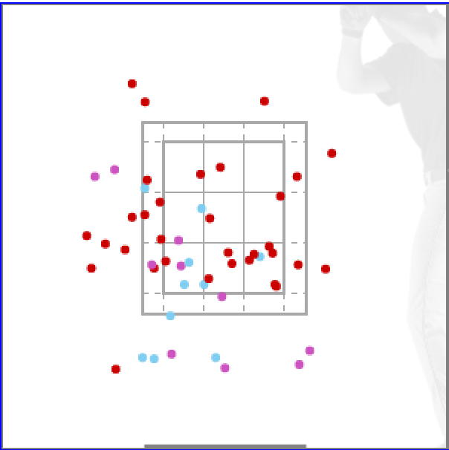 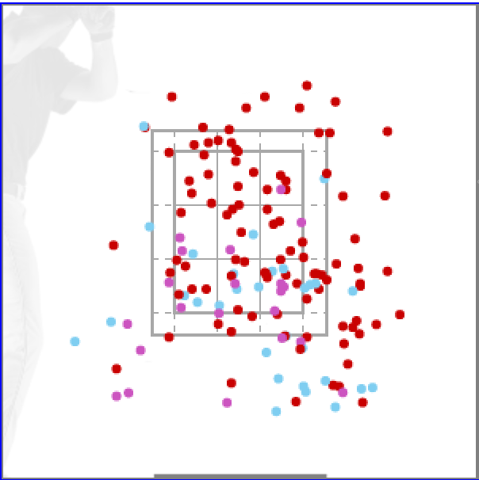

Vs RHH |  |  |  |  |  | Vs LHH

Keenan
Pitch | RHHU | LHHU | Velo | Stk % | Cha % | Gr. %
Fastball | 64% | 55% | 88.2 | 62% | 20% | 44%
Slider | 25% | 43% | 79 | 46% | 24% | 50%
Change | 11% | 2% | 85 | 42% | 25% | 78%
Other
Overall |  |  |  | 56% | 22% | 48%
Team | IP | ERA | BB | HBP | K | WHIP
School team | 50.2 | 8.70 | 38 | 11 | 56 | 2.132
Summer
General Notes |  |  |  |  |  |  | Movment Chart
Starter/Long Reliever at Marist, Lives on FB down in zone, SL is go2 offspeed, show a CH to RHH, tough Spring w/ 1.048 OPS against, 1% CH to LHH |  |  |  |  |  |  | Jack Keenan
 |  |  |  |  |  |  | 5
 |  |  |  |  |  |  | Marist
 |  |  |  |  |  |  | LHP | L+.058 | F 61%
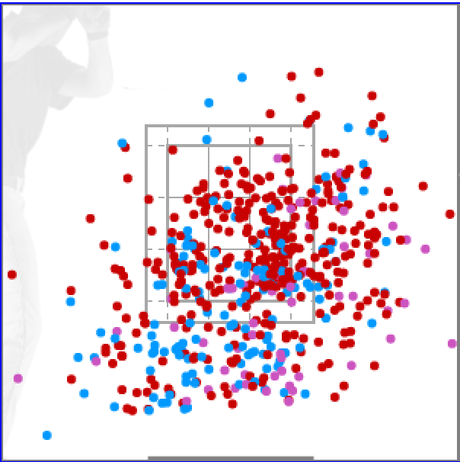 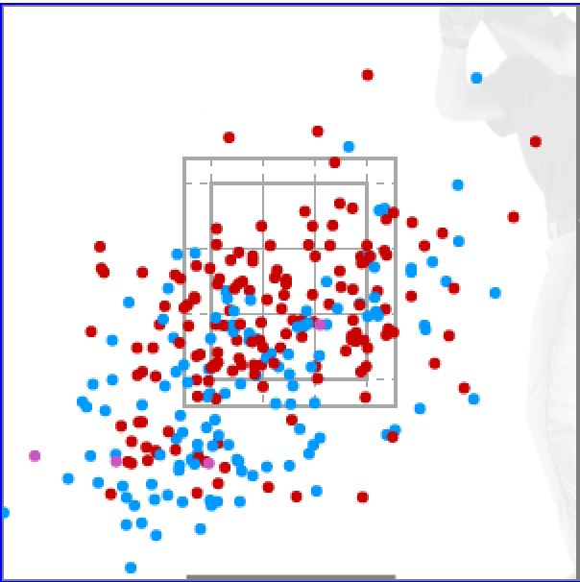

Vs RHH |  |  |  |  |  | Vs LHH

Rizzo
Pitch | RHHU | LHHU | Velo | Stk % | Cha % | Gr. %
Fastball | 74% | 79% | 86.5 | 63% | 20% | 38%
Slider | 24% | 7% | 80.2 | 63% | 30% | 33%
Change | 2% | 14% | 80 | 48% | 25% | 75%
Other
Overall |  |  |  | 62% | 22% | 39%
Team | IP | ERA | BB | HBP | K | WHIP
School team | 69 | 5.74 | 23 | 13 | 76 | 1.203
Summer
General Notes |  |  |  |  |  |  | Movment Chart
Weekend Starter for D2 Adelphi, Loves the FB, FB/SL to RHH, More FB/CH to LHH |  |  |  |  |  |  | John Rizzo
 |  |  |  |  |  |  | 4
 |  |  |  |  |  |  | Adelphi
 |  |  |  |  |  |  | RHP | R + .464 | F 76%
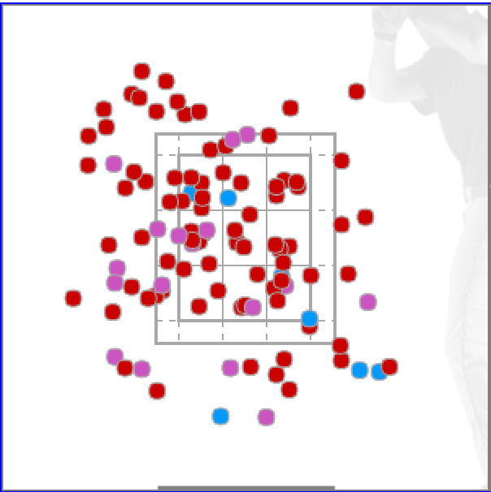 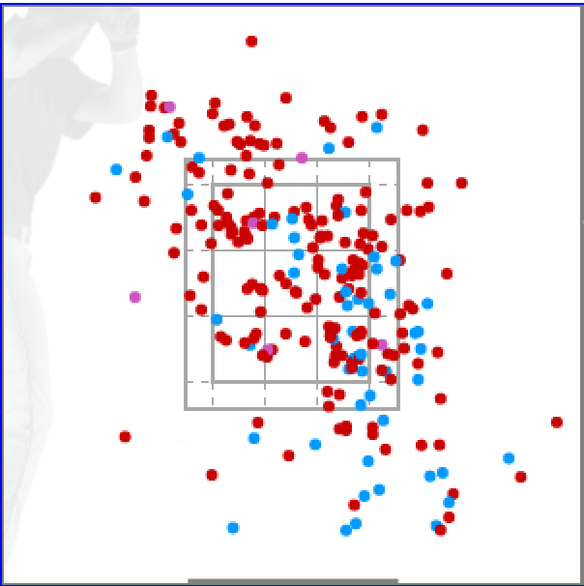

Vs RHH |  |  |  |  |  | Vs LHH

Roche
Pitch | RHHU | LHHU | Velo | Stk % | Cha % | Gr. %
Fastball | 63% | 79% | 90.1 | 63% | 20% | 36%
Slider | 34% | 14% | 79 | 63% | 33% | 33%
Change | 2% | 7% | 83.6 | 50% | 25% | 75%
Other
Overall |  |  |  | 63% | 23% | 39%
Team | IP | ERA | BB | HBP | K | WHIP
School team | 30.1 | 5.93 | 19 | 7 | 22 | 1.747
Summer
General Notes |  |  |  |  |  |  | Movment Chart
Reliever/opener for St Johns, Primarily FB/SL, mixes in Ch to LHH |  |  |  |  |  |  | Tyler Roche
 |  |  |  |  |  |  | 88
 |  |  |  |  |  |  | St Johns U
 |  |  |  |  |  |  | RHP | R +.464 | F 76%
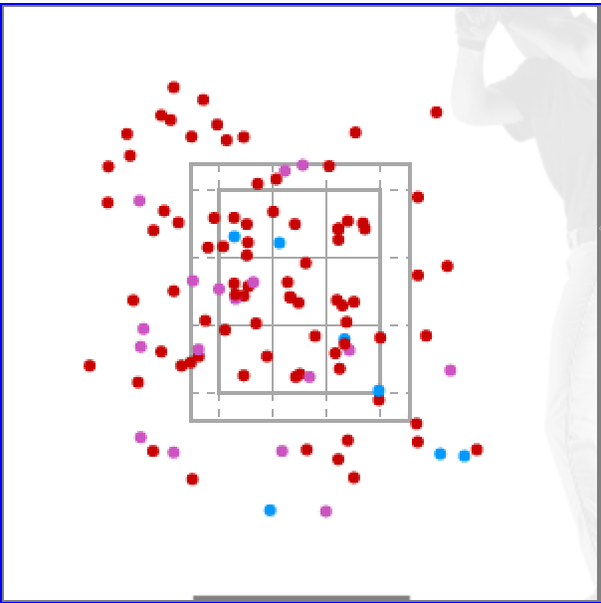

Vs RHH |  |  |  |  |  | Vs LHH

Szturma
Pitch | RHHU | LHHU | Velo | Stk % | Cha % | Gr. %
Fastball | 50% | 49% | 86.7 | 59% | 15% | 56%
Curveball | 20% | 16% | 70.2 | 54% | 10% | 40%
Slider | 27% | 6% | 78.9 | 38% | 18% | 80%
Change | 3% | 29% | 78.1 | 60% | 0 | 100%
Overall |  |  |  | 54% | 13% | 59%
Team | IP | ERA | BB | HBP | K | WHIP
School team | 50 | 4.32 | 19 | 1 | 49 | 1.78
Summer
General Notes |  |  |  |  |  |  | Movment Chart
Weekend Starter at D2 SCSU, Mixes well, Utilizes both SL/CB so check for difference in spin early, CH only used against LHH, Light Blue Dots are SL |  |  |  |  |  |  | Mike Szturma
 |  |  |  |  |  |  | 25
 |  |  |  |  |  |  | Southern Connecticut State
 |  |  |  |  |  |  | RHP | L +.410 | F 51%
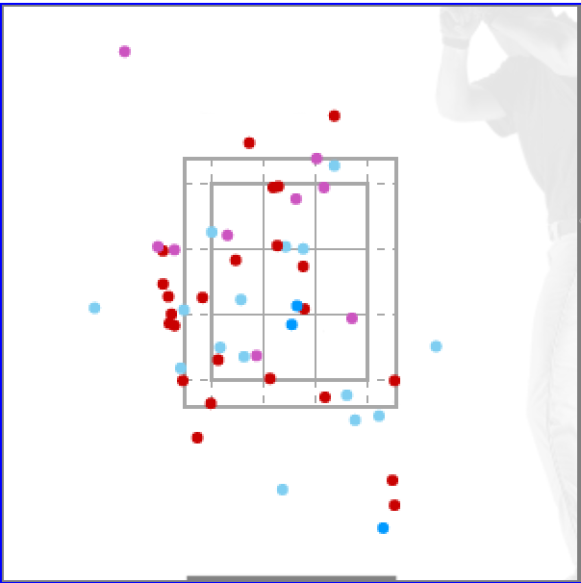 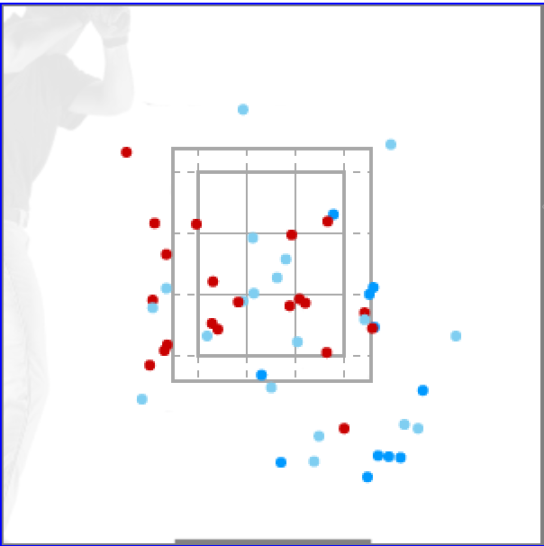

Vs RHH |  |  |  |  |  | Vs LHH

Viebrock
Pitch | RHHU | LHHU | Velo | Stk % | Cha % | Gr. %
Fastball | 78% | 67% | 83.6 | 66% | 22% | 47%
Slider | 20% | 33% | 73.5 | 58% | 15% | 67%
Curveball | 2% | 0% | 66.3 | 50% | 0% | 60%
Other
Overall |  |  |  | 63% | 19% | 50%
Team | IP | ERA | BB | HBP | K | WHIP
School team
Summer
General Notes |  |  |  |  |  |  | Movment Chart
Weekend Starter at D3 Denison, Funky Over the Top Lefty, Lives on FB in low to mid 80s, Prefers SL to CB |  |  |  |  |  |  | George Viebrock
 |  |  |  |  |  |  | 54
 |  |  |  |  |  |  | Denison U
 |  |  |  |  |  |  | LHP | L +.215 | F 73%
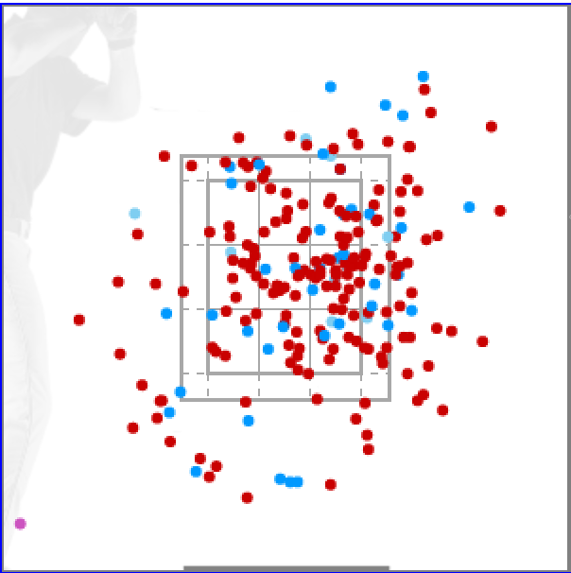 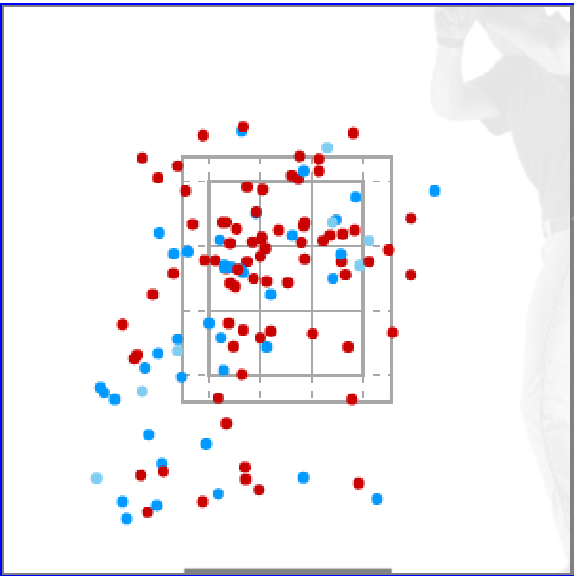

Vs RHH |  |  |  |  |  | Vs LHH

Steele
Pitch | RHHU | LHHU | Velo | Stk % | Cha % | Gr. %
Fastball | 81% | 83% | 91.9 | 60% | 27% | 41%
Slider | 19% | 17% | 77 | 43% | 29% | 40%

Other
Overall |  |  |  | 57% | 27% | 41%
Team | IP | ERA | BB | HBP | K | WHIP
School team | 14 | 6.43 | 11 | 4 | 21 | 1.5
Summer
General Notes |  |  |  |  |  |  | Movment Chart
Two-Way at Penn State that comes out of the pen, FB in low to mid 90s, throws it alot, Slider is slurvy and can be confused as a CB, 1.5 K's per inning |  |  |  |  |  |  | Anthony Steele
 |  |  |  |  |  |  | 31
 |  |  |  |  |  |  | Penn State U
 |  |  |  |  |  |  | LHP | L +.805 | F 76%
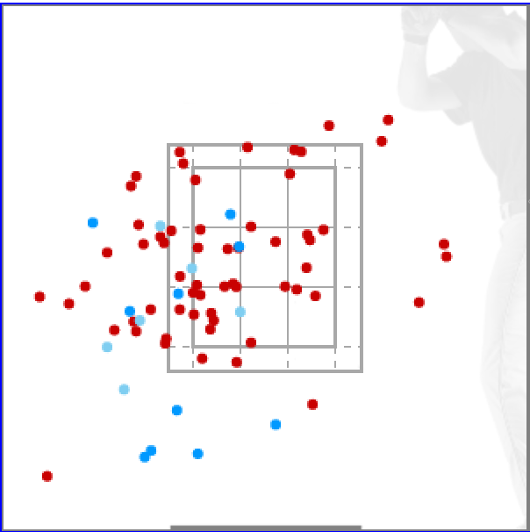 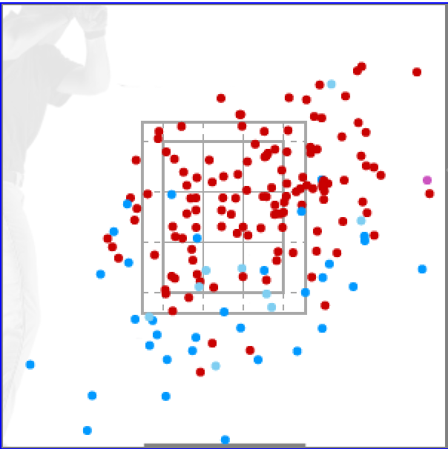

Vs RHH |  |  |  |  |  | Vs LHH

