Allmer
Pitch | RHHU | LHHU | Velo | Stk % | Cha % | Gr. %
Fastball | 63% | 69% | 88.2 | 67% | 23% | 71%
Slider | 35% | 11% | 76.5 | 54% | 19% | 25%
Change | 2% | 19% | 83.4 | 60% | 41% | 67%
Other
Overall |  |  |  | 60% | 25% | 64%
Team | IP | ERA | BB | HBP | K | WHIP
School team | 22.2 | 4.76 | 15 | 5 | 25 | 1.544
Summer
General Notes |  |  |  |  |  |  | Movment Chart
5 saves for SHU, 3/4 Slot, Lot of strikes |  |  |  |  |  |  | Jay Allmer
 |  |  |  |  |  |  | 39
 |  |  |  |  |  |  | Seton Hall
 |  |  |  |  |  |  | RHP | L +294 | F 62 %
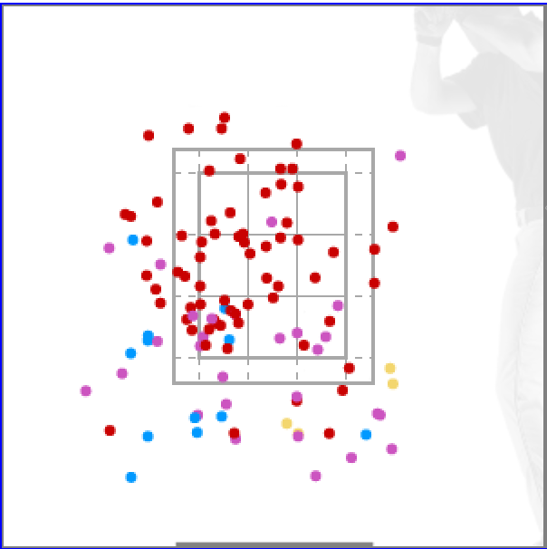 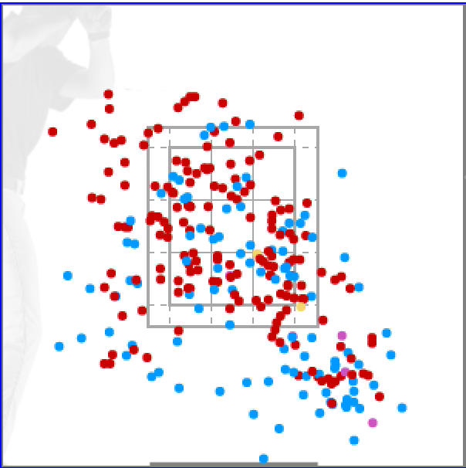

Vs RHH |  |  |  |  |  | Vs LHH

Baker
Pitch | Usage | Velo | Stk % | Cha % | Air % | Gr. %
Fastball | 51% | 87.8 | 73% | 56% | 62% | 38%
Slider | 15% | 77.2 | 51% | 6% | 56% | 44%
Change | 34% | 79.4 | 69% | 54% | 50% | 50%
Other
Overall
Team | IP | ERA | BB | HBP | K | WHIP
School team | 38.2 | 6.28 | 11 | 2 | 50 | 1.422
Summer
General Notes |  |  |  |  |  |  | Movment Chart
4 Saves for Fairfield, Change is go2 offspeed, Righties rarely see slider, started 7/11 |  |  |  |  |  |  | Bowen Baker
 |  |  |  |  |  |  | 10
 |  |  |  |  |  |  | Fairfield U
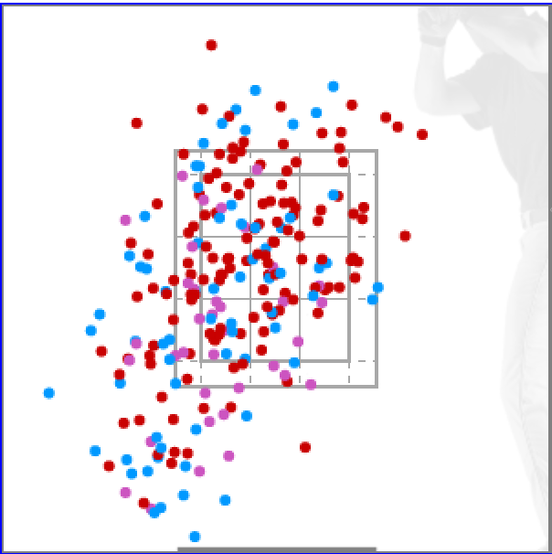
 |  |  |  |  |  |  | LHP | L +.017 | F 51%
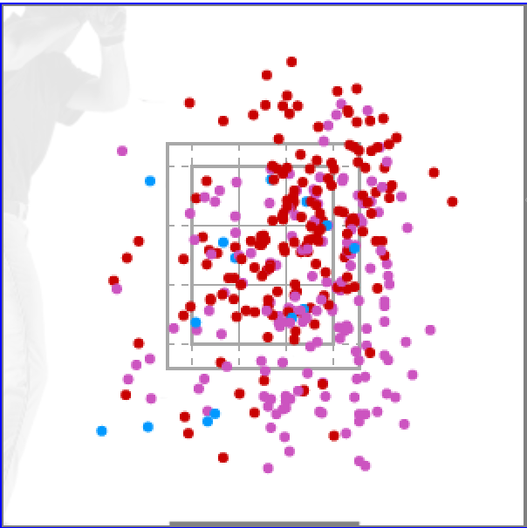

Vs RHH |  |  |  |  |  | Vs LHH

Catlett
Pitch | Usage | Velo | Stk % | Cha % | Air % | Gr. %
Fastball | 66% | 89.9 | 64% | 28% | 37% | 63%
Slider | 19% | 79.4 | 54% | 29% | 38% | 62%
Change | 14% | 85.1 | 41% | 25% | 45% | 55%
Other
Overall |  |  | 59% | 28% | 38% | 62%
Team | IP | ERA | BB | HBP | K | WHIP
School team | 27.2 | 7.48 | 22 | 2 | 27 | 1.916
Summer
General Notes |  |  |  |  |  |  | Movment Chart
Attacks w/ Fastball, Mixes all 3 vs Righties, Primarily FB/SL to Lefties, Changeup is firm, looking to get ground balls |  |  |  |  |  |  | Everett Catlett
 |  |  |  |  |  |  | 44
 |  |  |  |  |  |  | Georgetown
 |  |  |  |  |  |  | LHP | R +228 | F 66%
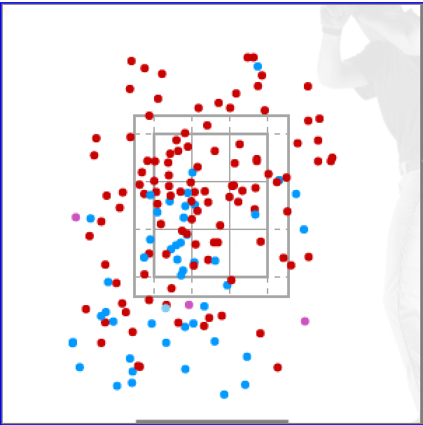 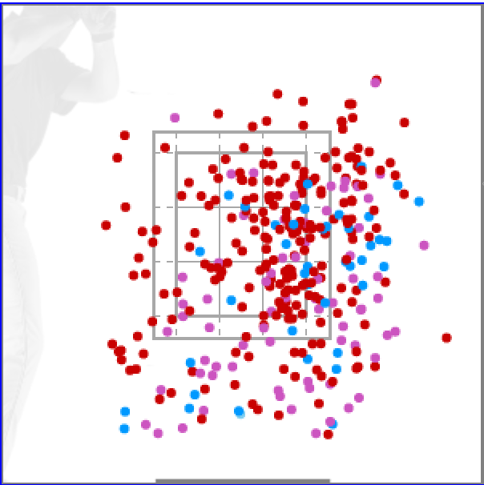

Vs RHH |  |  |  |  |  | Vs LHH

Ellisen
Pitch | RHHU | LHHU | Velo | Stk % | Cha % | Gr. %
Fastball | 52% | 52% | 90.8 | 61% | 22% | 34%
Slider | 37% | 37% | 85 | 62% | 33% | 46%
Change | 5% | 5% | 83.5 | 55% | 30% | 33%
Unkown
Overall |  |  |  | 62% | 26% | 41%
Team | IP | ERA | BB | HBP | K | WHIP
School team | 51 | 4.94 | 23 | 5 | 44 | 1.647
Summer
General Notes |  |  |  |  |  |  | Movment Chart
Key bullpen arm for UCONN, Classified SL/Cutter together, similar velo and shape, lot of strikes, competes hard, Very rare with CH to righties, FB 90-92 with good life |  |  |  |  |  |  | Thomas Ellisen
 |  |  |  |  |  |  | 65
 |  |  |  |  |  |  | UCONN
 |  |  |  |  |  |  | RHP | R 778 L | F 52%
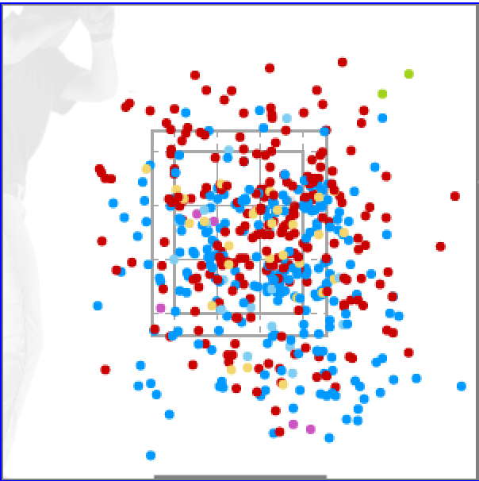 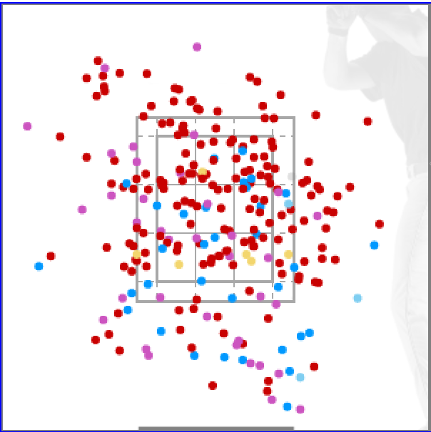

Vs RHH |  |  |  |  |  | Vs LHH

Melani
Pitch | Usage | Usage | Velo | Stk % | Cha % | Gr. %
Fastball | 64% | 58% | 87.9 | 62% | 21% | 40%
Curveball | 28% | 7% | 73 | 51% | 31% | 50%
Change | 9% | 35% | 80.4 | 60% | 32% | 25%
Unknown
Overall |  |  |  | 59% | 26% | 39%
Team | IP | ERA | BB | HBP | K | WHIP
School team | 15.2 | 9.77 | 9 | 3 | 12 | 1.851
Summer | 12 | 0.71
General Notes |  |  |  |  |  |  | Movment Chart
Freshman Reliever at Stetson, .340 BA against, CH to Lefties, CB to Righties |  |  |  |  |  |  | TJ Melani
 |  |  |  |  |  |  | 29
 |  |  |  |  |  |  | Stetson
 |  |  |  |  |  |  | RHP | R +.186 | F 55%
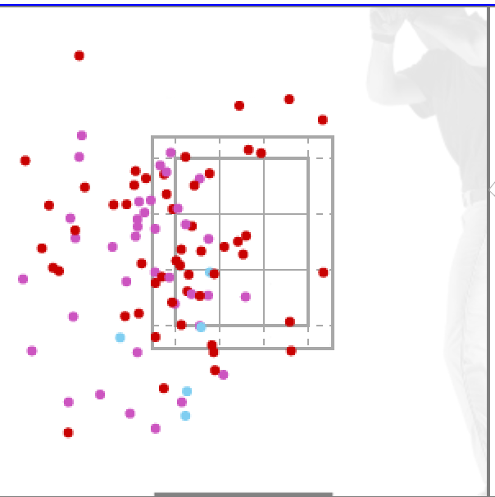 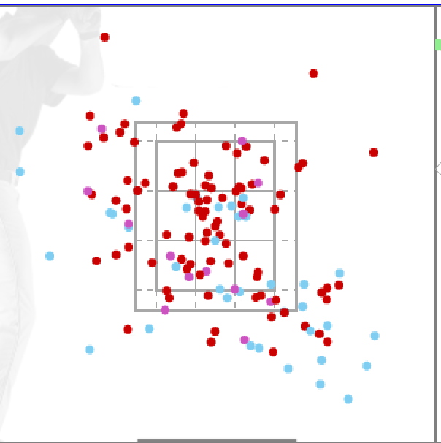

Vs RHH |  |  |  |  |  | Vs LHH

Smith
Pitch | RHHU | LHHU | Velo | Stk % | Cha % | Gr. %
Fastball | 54% | 47% | 90.3 | 64% | 26% | 55%
Slider | 6% | 0% | 77 | 43% | 22% | 0%
Change | 40% | 53% | 80 | 63% | 33% | 47%
Other
Overall |  |  |  | 63% | 29% | 50%
Team | IP | ERA | BB | HBP | K | WHIP
School team | 26.1 | 6.84 | 12 | 6 | 17 | 1.443
Summer
General Notes |  |  |  |  |  |  | Movment Chart
Reliever at FAU, Changeup is go2 with lot of sink, Fastball has some armside run, No SL to Lefties |  |  |  |  |  |  | Brandon Smith
 |  |  |  |  |  |  | Number
 |  |  |  |  |  |  | FAU
 |  |  |  |  |  |  | RHP | R +.496 | F 51%
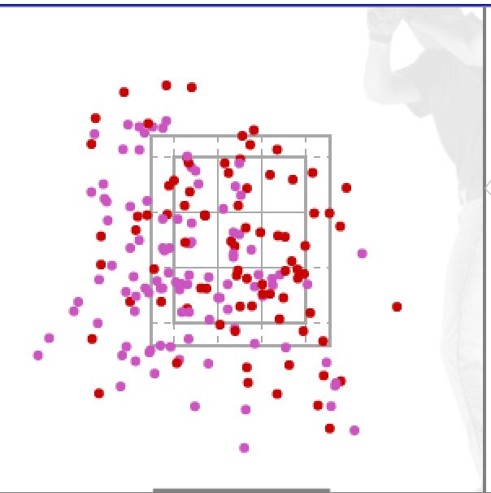 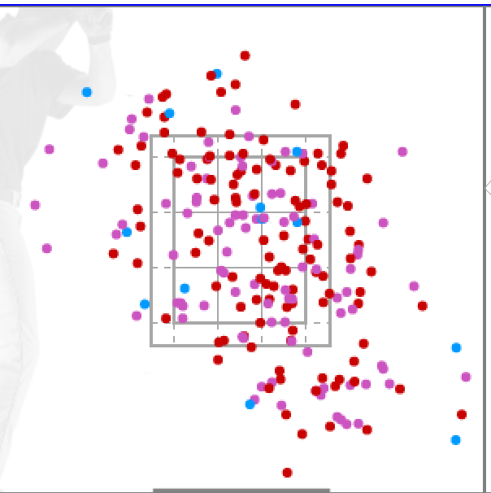

Vs RHH |  |  |  |  |  | Vs LHH

Montgomery
Pitch | RHHU | LHHU | Velo | Stk % | Cha % | Gr. %
Fastball | 55% | 58% | 86.8 | 58% | 20% | 46%
Breaker | 42% | 24% | 76.7 | 54% | 21% | 41%
Change | 3% | 19% | 77.6 | 49% | 33% | 0%
Unknown
Overall |  |  |  | 56% | 21% | 42%
Team | IP | ERA | BB | HBP | K | WHIP
School team | 25 | 7.2 | 19 | 4 | 24 | 1.88
Summer
General Notes |  |  |  |  |  |  | Movment Chart
Reliever from Stony Brook, FB/CB to Righties, Mixes CH against lefties |  |  |  |  |  |  | Quinlan Montgomery
 |  |  |  |  |  |  | 33
 |  |  |  |  |  |  | Stony Brook U
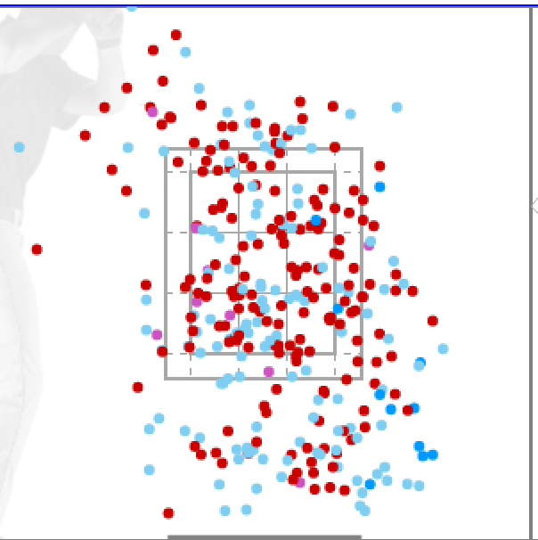
 |  |  |  |  |  |  | RHP | R + .249 | F 54%
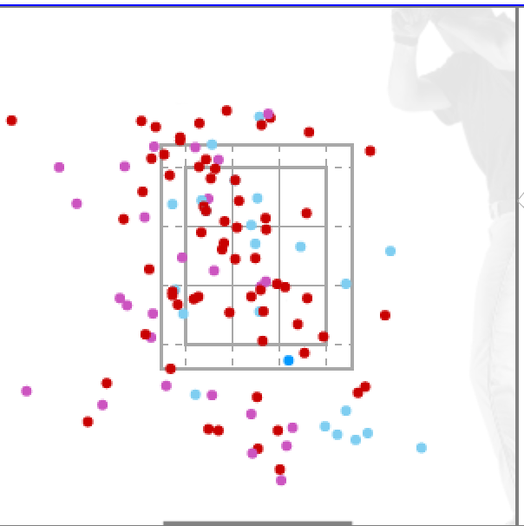

Vs RHH |  |  |  |  |  | Vs LHH

