Figure 4
Figure 4a |  |  |  | Figure 4b |  |  |  |  |  | Figure 4e |  | Figure 4f

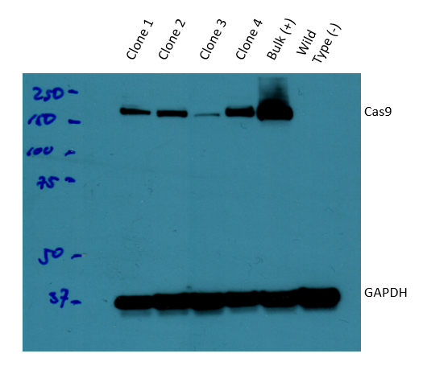
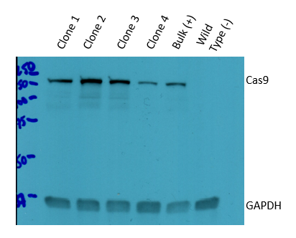
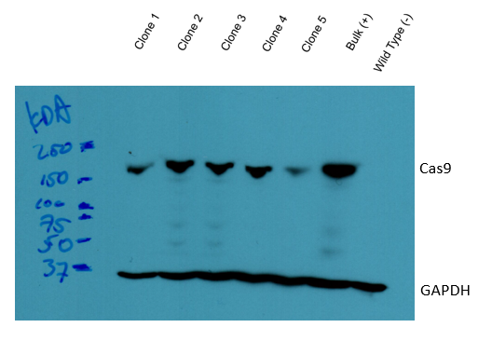
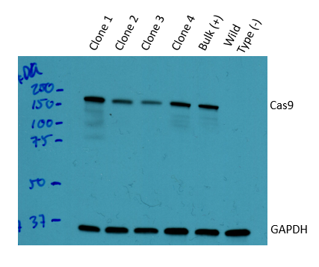

Figure 4c |  |  | Figure 4d |  |  | Figure 4g |  |  | Figure 4h
Sample | FOXA1 Expression (%) | Clone | Sample | FOXA1 Expression (%) | Clone | Sample | FOXA1 Expression (%) | Clone | Sample | FOXA1 Expression (%) | Clone
CRE1 | 61.14925083 | 1 | CRE1 | 75.35123937 | 1 | CRE1 | 74.98988056 | 1 | CRE1 | 79.97997488 | 1
CRE1 | 71.99248053 | 2 | CRE1 | 82.75544656 | 2 | CRE1 | 79.88518236 | 2 | CRE1 | 56.10868535 | 2
CRE1 | 70.08024815 | 3 | CRE1 | 77.09690109 | 3 | CRE1 | 79.58451199 | 3 | CRE1 | 73.68643085 | 3
CRE1 | 82.6960906 | 4 | CRE1 | 66.56313731 | 4 | CRE1 | 66.64622704 | 4 | CRE1 | 81.17877876 | 4
CRE1 | 64.30227918 | 5 | CRE2 | 68.04150544 | 1 | CRE2 | 49.18802683 | 1 | CRE2 | 66.88726329 | 1
CRE2 | 53.87976126 | 1 | CRE2 | 76.20703178 | 2 | CRE2 | 57.01539543 | 2 | CRE2 | 56.32423471 | 2
CRE2 | 55.54132161 | 2 | CRE2 | 72.16528719 | 3 | CRE2 | 70.23912209 | 3 | CRE2 | 57.08835309 | 3
CRE2 | 47.38422841 | 3 | CRE2 | 64.30632866 | 4 | CRE2 | 46.08530029 | 4 | CRE2 | 76.32882939 | 4
CRE2 | 77.91877301 | 4 | CRE3 | 82.12372053 | 1 | CRE3 | 59.62743316 | 1 | CRE3 | 51.57295376 | 1
CRE2 | 64.53286723 | 5 | CRE3 | 80.80764908 | 2 | CRE3 | 80.7383207 | 2 | CRE3 | 40.28953693 | 2
CRE3 | 58.12256971 | 1 | CRE3 | 82.95959312 | 3 | CRE3 | 68.03051403 | 3 | CRE3 | 61.61312758 | 3
CRE3 | 64.03545925 | 2 | CRE3 | 63.99798852 | 4 | CRE3 | 75.33241553 | 4 | CRE3 | 78.34750304 | 4
CRE3 | 67.46756002 | 3 | CRE4 | 82.62123363 | 1 | CRE4 | 79.55577368 | 1 | CRE4 | 82.15506205 | 1
CRE3 | 78.99018489 | 4 | CRE4 | 84.45081427 | 2 | CRE4 | 79.32502304 | 2 | CRE4 | 58.45470576 | 2
CRE3 | 78.13701467 | 5 | CRE4 | 81.43973175 | 3 | CRE4 | 70.92285938 | 3 | CRE4 | 87.19651417 | 3
CRE4 | 73.11753488 | 1 | CRE4 | 70.80020097 | 4 | CRE4 | 79.85900793 | 4 | CRE4 | 77.38592903 | 4
CRE4 | 69.98942825 | 2 | CRE5 | 86.31408396 | 1 | CRE5 | 69.42294412 | 1 | CRE5 | 65.31757768 | 1
CRE4 | 69.8468585 | 3 | CRE5 | 76.3898959 | 2 | CRE5 | 69.69254184 | 2 | CRE5 | 52.05597472 | 2
CRE4 | 89.15777551 | 4 | CRE5 | 79.90483305 | 3 | CRE5 | 65.65279263 | 3 | CRE5 | 66.04557025 | 3
CRE4 | 79.86430248 | 5 | CRE5 | 70.02161346 | 4 | CRE5 | 73.9524575 | 4 | CRE5 | 77.38592903 | 4
CRE5 | 75.28329396 | 1 | CRE6 | 85.1612509 | 1 | CRE6 | 69.77218294 | 1 | CRE6 | 81.18992241 | 1
CRE5 | 75.63202544 | 2 | CRE6 | 79.48839185 | 2 | CRE6 | 81.6156962 | 2 | CRE6 | 73.68753217 | 2
CRE5 | 75.31809122 | 3 | CRE6 | 85.13026577 | 3 | CRE6 | 66.71148396 | 3 | CRE6 | 89.49787427 | 3
CRE5 | 82.84156636 | 4 | CRE6 | 65.68436993 | 4 | CRE6 | 82.48605709 | 4 | CRE6 | 89.6435102 | 4
CRE5 | 64.39697037 | 5 | FOXA1 (+) | 32.9601046 | 1 | FOXA1 (+) | 28.07074993 | 1 | FOXA1 (+) | 15.22383437 | 1
CRE6 | 78.91046606 | 1 | FOXA1 (+) | 15.69667062 | 2 | FOXA1 (+) | 3.623553452 | 2 | FOXA1 (+) | 9.164355888 | 2
CRE6 | 71.51256667 | 2 | FOXA1 (+) | 37.01513863 | 3 | FOXA1 (+) | 29.02825984 | 3 | FOXA1 (+) | 2.233729847 | 3
CRE6 | 65.65577537 | 3 | FOXA1 (+) | 1.054335072 | 4 | FOXA1 (+) | 22.42630909 | 4 | FOXA1 (+) | 18.53166757 | 4
CRE6 | 91.60483991 | 4 | AAVS1 (-) | 95.69396629 | 1 | AAVS1 (-) | 94.54648982 | 1 | AAVS1 (-) | 98.70432062 | 1
CRE6 | 69.91527067 | 5 | AAVS1 (-) | 103.3631728 | 2 | AAVS1 (-) | 75.96716652 | 2 | AAVS1 (-) | 79.95356147 | 2
FOXA1 (+) | 13.83899329 | 1 | AAVS1 (-) | 101.2574499 | 3 | AAVS1 (-) | 92.98378518 | 3 | AAVS1 (-) | 95.07377492 | 3
FOXA1 (+) | 5.716527778 | 2 | AAVS1 (-) | 89.51129782 | 4 | AAVS1 (-) | 91.10205241 | 4 | AAVS1 (-) | 99.50682871 | 4
FOXA1 (+) | 3.776491642 | 3 | Outside TAD (-) | 120.5005007 | 1 | Outside TAD (-) | 83.24638176 | 1 | Outside TAD (-) | 97.6449374 | 1
FOXA1 (+) | 26.18151385 | 4 | Outside TAD (-) | 104.0756121 | 2 | Outside TAD (-) | 85.26022816 | 2 | Outside TAD (-) | 90.90046403 | 2
FOXA1 (+) | 13.6640028 | 5 | Outside TAD (-) | 89.61966843 | 3 | Outside TAD (-) | 95.99764092 | 3 | Outside TAD (-) | 102.8256023 | 3
AAVS1 (-) | 88.99327344 | 1 | Outside TAD (-) | 86.90576577 | 4 | Outside TAD (-) | 85.68456751 | 4 | Outside TAD (-) | 96.21002829 | 4
AAVS1 (-) | 96.86273776 | 2 | Inside TAD #1 (-) | 95.93494921 | 1 | Inside TAD #1 (-) | 98.92616961 | 1 | Inside TAD #1 (-) | 116.2823778 | 1
AAVS1 (-) | 95.30509583 | 3 | Inside TAD #1 (-) | 100.4145428 | 2 | Inside TAD #1 (-) | 83.62235987 | 2 | Inside TAD #1 (-) | 88.44260597 | 2
AAVS1 (-) | 109.1345568 | 4 | Inside TAD #1 (-) | 95.47702667 | 3 | Inside TAD #1 (-) | 99.9583578 | 3 | Inside TAD #1 (-) | 101.5195946 | 3
AAVS1 (-) | 97.70280766 | 5 | Inside TAD #1 (-) | 91.65058596 | 4 | Inside TAD #1 (-) | 88.98307366 | 4 | Inside TAD #1 (-) | 97.07396674 | 4
Outside TAD (-) | 98.33681692 | 1 | Inside TAD #2 (-) | 95.42750774 | 1 | Inside TAD #2 (-) | 85.95375265 | 1 | Inside TAD #2 (-) | 98.23626611 | 1
Outside TAD (-) | 99.14360278 | 2 | Inside TAD #2 (-) | 86.82455408 | 2 | Inside TAD #2 (-) | 83.5695917 | 2 | Inside TAD #2 (-) | 87.17423433 | 2
Outside TAD (-) | 95.2597898 | 3 | Inside TAD #2 (-) | 97.62904862 | 3 | Inside TAD #2 (-) | 87.77467361 | 3 | Inside TAD #2 (-) | 88.06894508 | 3
Outside TAD (-) | 110.0973466 | 4 | Inside TAD #2 (-) | 107.7344711 | 4 | Inside TAD #2 (-) | 89.59331495 | 4 | Inside TAD #2 (-) | 91.75198496 | 4
Outside TAD (-) | 94.41996518 | 5 | Inside TAD #3 (-) | 113.2545659 | 1 | Inside TAD #3 (-) | 83.69881205 | 1 | Inside TAD #3 (-) | 97.24244083 | 1
Inside TAD #1 (-) | 78.69299676 | 1 | Inside TAD #3 (-) | 88.36711822 | 2 | Inside TAD #3 (-) | 98.50356403 | 2 | Inside TAD #3 (-) | 87.21883356 | 2
Inside TAD #1 (-) | 92.16363463 | 2 | Inside TAD #3 (-) | 101.7871865 | 3 | Inside TAD #3 (-) | 81.26271026 | 3 | Inside TAD #3 (-) | 84.16314738 | 3
Inside TAD #1 (-) | 66.23258304 | 3 | Inside TAD #3 (-) | 89.90339513 | 4 | Inside TAD #3 (-) | 88.11442178 | 4 | Inside TAD #3 (-) | 93.78601201 | 4
Inside TAD #1 (-) | 98.06995641 | 4
Inside TAD #1 (-) | 84.91635253 | 5
Inside TAD #2 (-) | 90.090648 | 1
Inside TAD #2 (-) | 91.88689819 | 2
Inside TAD #2 (-) | 85.32307507 | 3
Inside TAD #2 (-) | 108.7656875 | 4
Inside TAD #2 (-) | 84.98452875 | 5
Inside TAD #3 (-) | 82.68330756 | 1
Inside TAD #3 (-) | 89.28662294 | 2
Inside TAD #3 (-) | 74.86906718 | 3
Inside TAD #3 (-) | 102.3390188 | 4
Inside TAD #3 (-) | 88.86484726 | 5

