Sheet1
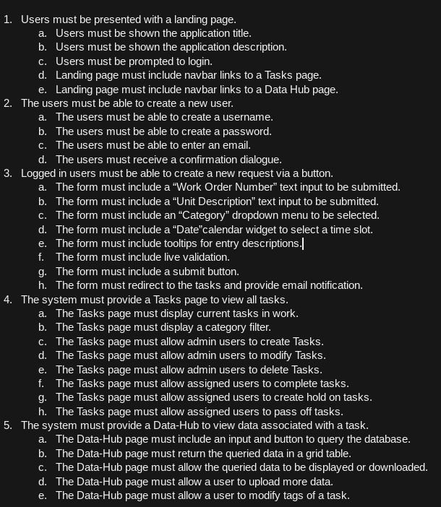
Product Backlog | MVP
 | Scrum Sprint 1 | Day 1 | Day 2 | Day 3 | Day 4 | Day 5
 | Back-end framework database/class creation | 4 | 4 | 4 | 4 | 4
 | User creation and admin panel | 4 | 4 | 4 | 4 | 4
 | User landing Page front end | 4 | 4 | 4 | 4 | 4

 | Scrum Sprint 2
 | Task creation form | 4 | 4 | 4 | 4 | 4
 | Handle SMTP notification | 4 | 4 | 4 | 4 | 4

 | Scrum Sprint 3
 | Task page with current tasks | 4 | 4 | 4 | 4 | 4
 | Task category button | 4 | 4 | 4 | 4 | 4
 | Task modification/delete/completion | 4 | 4 | 4 | 4 | 4

 | Scrum Sprint 4
 | Data Hub page with database query entry | 4 | 4 | 4 | 4 | 4
 | Data Hub detailed view or download | 4 | 4 | 4 | 4 | 4
 | Data Hub database tag addition/removal | 4 | 4 | 4 | 4 | 4

