Sheet1
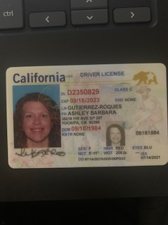
 | Dad | Mom | Baby
0 | Jorge | Ashley | Scarlet

