Soak 1
Test Client | Service Bus Explorer
Source | Service Bus
Destination | Event Grid
Processor | Single threaded. Event Driven.
Formatter? | No.
Sender | Send 1 servce bus message every 1 second, each message create 10 threads, with each thread uploading 99 messages per batch (990 messages uploaded to Event Hub every second)
Start Time | 14:03:59

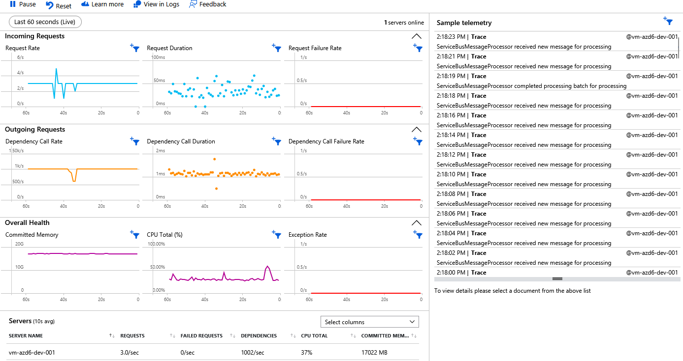
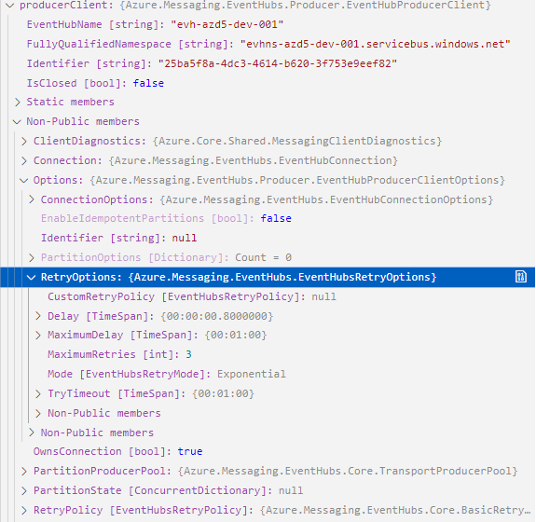
Snapshot 1 | 14:18:23
Date | 25/03/2024 | EventHubProducerClient
Failures Recorded? | No
Throttled? | No
CPU | < 1%
Private Bytes (K) | 52488
Working Set (K) | 121152

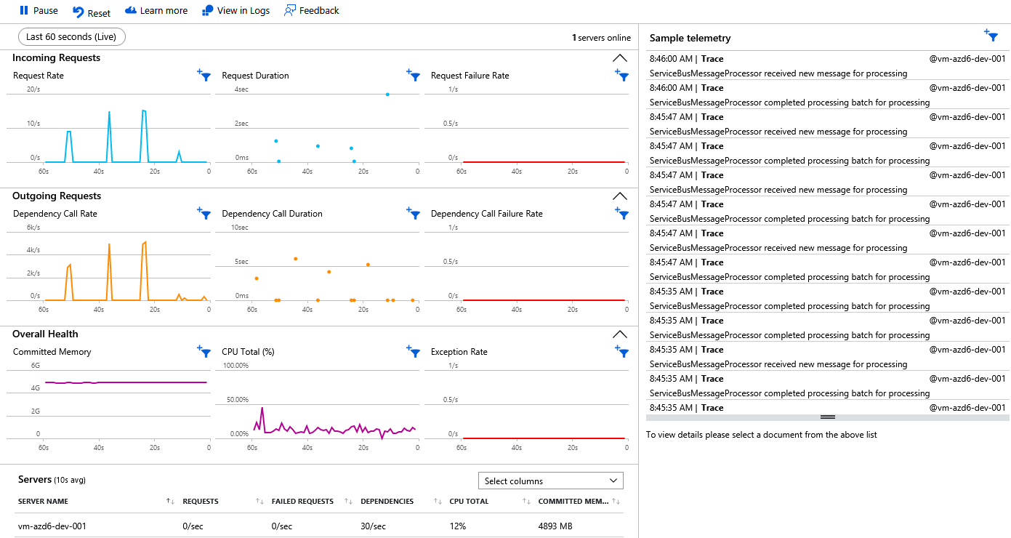
Snapshot 2 | 8:44:23
Date | 26/03
Failures Recorded? | No
Throttled? | Yes, from 25/03 17:00 onwards
CPU | < 1%
Private Bytes (K) | 78000
Working Set (K) | 112000

Compare Azure Event Hubs tiers - Azure Event Hubs | Microsoft Learn
On standard SKU, not Premium
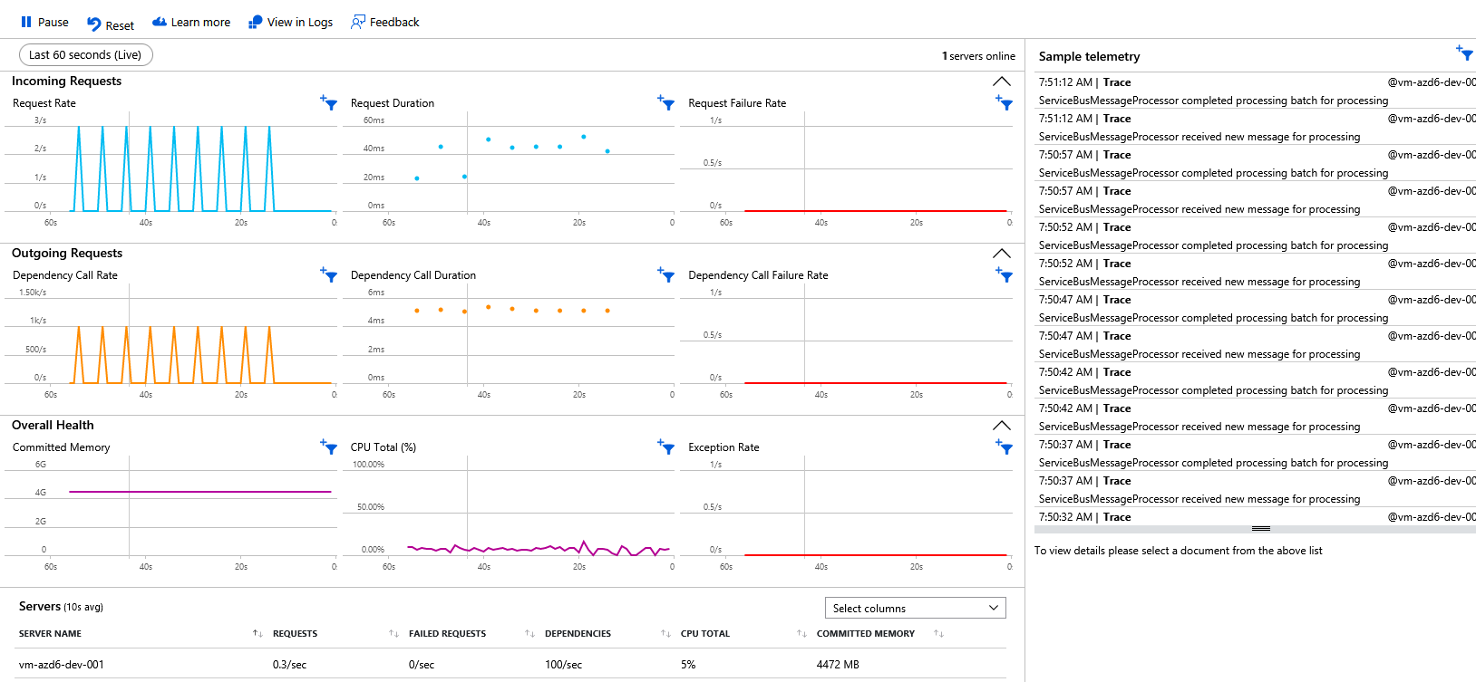
Snapshot 2 | 7:49:42
Date | 27/03
Failures Recorded? | No
Throttled? | No
CPU | < 1%
Private Bytes (K) | 85000
Working Set (K) | 120000

Soak 2
Test Client | Internally generated
Source | Windows Service
Destination | Event Grid
Processor | Single threaded. Scheduled.
Formatter? | No.
Sender | 3 threads, each processing 1 batch of messages as they become available. Each batch contains 100 messages. A new batch is created every 500m/s. 86400 x 2 100 = 17280000 messages per day.
Start Time | 14:03:59

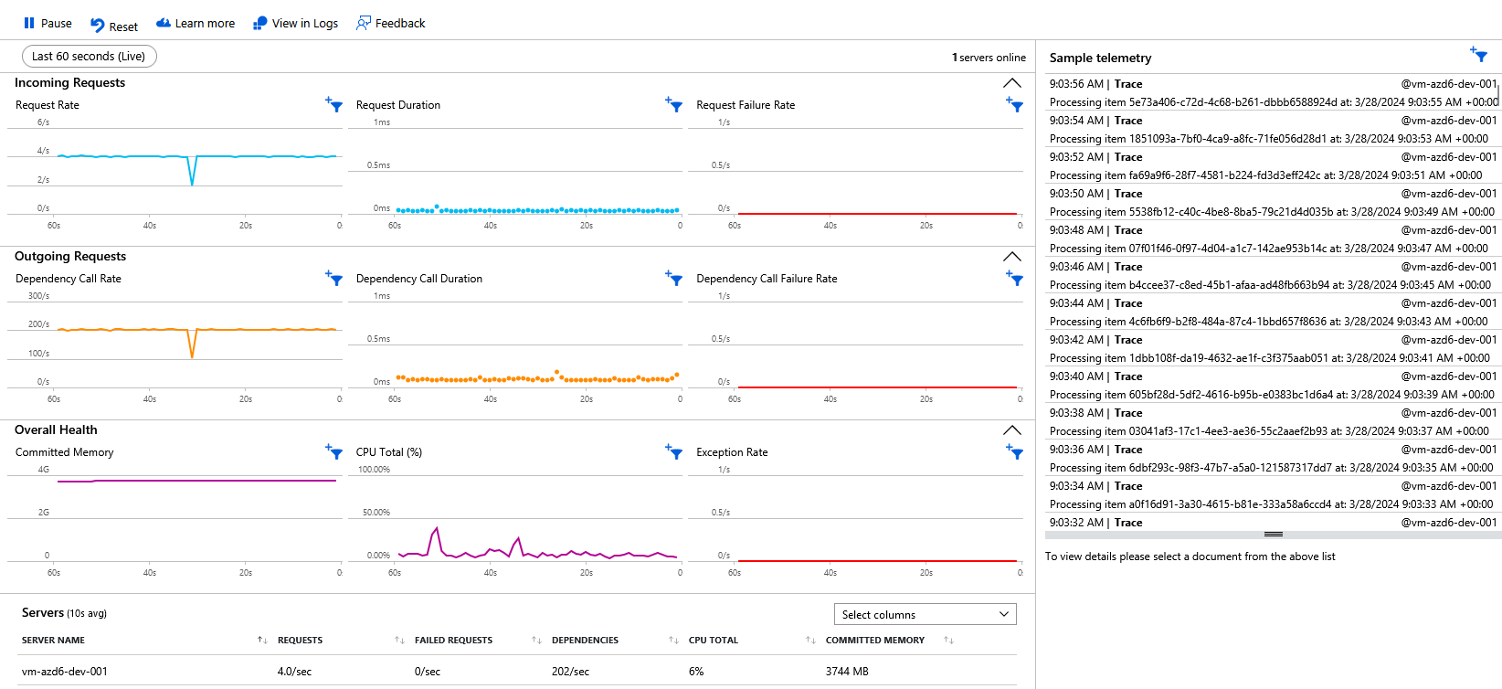
Snapshot 1 | 9:00:00
Date | 28/03/2024
Failures Recorded? | No
Throttled? | No
CPU | < 1%
Private Bytes (K) | ~60000
Working Set (K) | ~125000

