Cvent Rating Scale
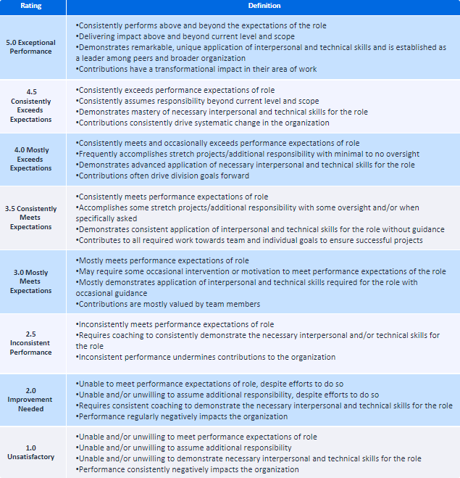
Help tool - Cvent rating scale to help offer clarity to performance evaluation

