Portfolio Analytics
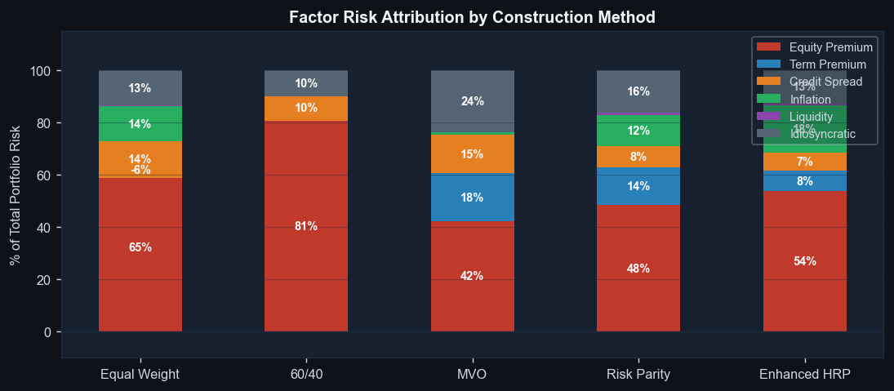
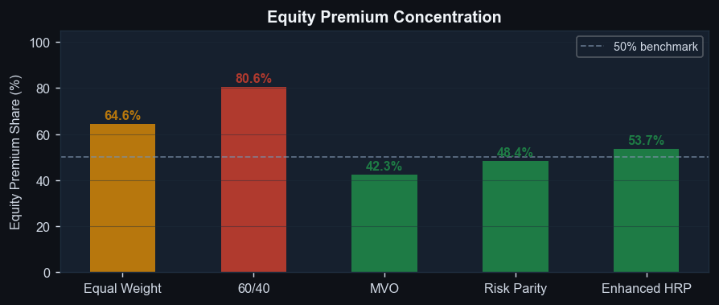

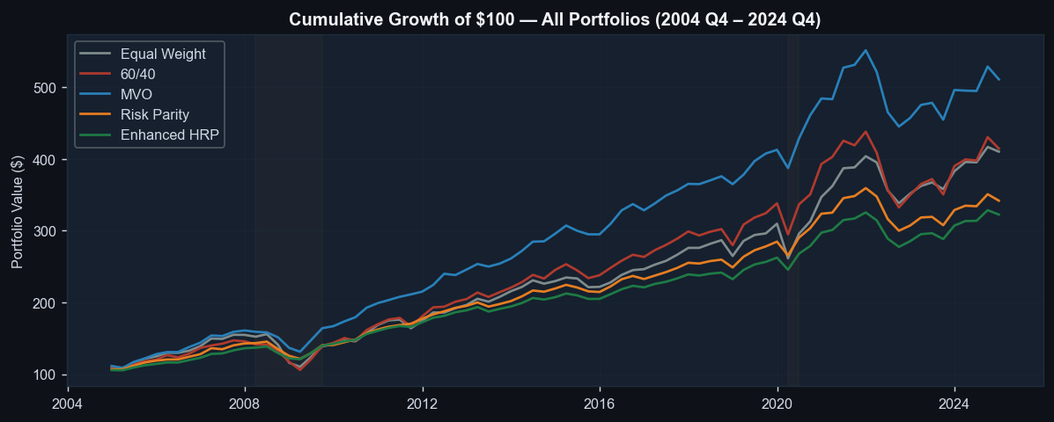
Portfolio Analytics — Charts

Factor Model

Asset-Level Factor Model Results
Asset Class | Equity Premium | Term Premium | Credit Spread | Inflation | Liquidity | Alpha | R-Squared | Liq. Proxy
US Large Cap Equity | 0.963 | 0.023 | 0.922 | 0.400 | -0.006 | 0.0% | 99.1% | Pastor-Stambaugh
US Mid Cap Equity | 0.971 | -0.028 | 1.308 | 2.070 | 0.037 | 0.0% | 91.2% | BAA-Treasury
US Small Cap Equity | 1.184 | -0.159 | 0.677 | -2.053 | -0.015 | 0.0% | 87.1% | Pastor-Stambaugh
Emerging Market Equity | 0.753 | 0.239 | 5.686 | 6.296 | -0.096 | 0.0% | 63.6% | Pastor-Stambaugh
Long Duration Treasury | 0.025 | 1.139 | -0.166 | -2.136 | -0.008 | 0.0% | 98.1% | BAA-Treasury
TIPS | 0.019 | 0.446 | -0.125 | 6.422 | -0.006 | 0.0% | 80.2% | BAA-Treasury
Investment Grade Credit | 0.275 | 0.514 | 0.243 | -0.146 | 0.012 | 0.0% | 63.7% | BAA-Treasury
REITs | 1.035 | 0.393 | 9.352 | -8.300 | -0.136 | 0.0% | 63.4% | Pastor-Stambaugh
Commodities | 0.017 | -0.346 | 4.884 | 16.039 | 0.069 | 0.0% | 43.7% | Pastor-Stambaugh
High Yield Credit | 0.214 | 0.279 | 3.432 | 3.648 | 0.164 | 0.0% | 84.3% | BAA-Treasury
Hedge Funds | 0.266 | 0.034 | 0.539 | 2.056 | 0.000 | 0.0% | 74.1% | Pastor-Stambaugh
Private Equity | 0.378 | -0.026 | 3.501 | 4.006 | -0.080 | 0.0% | 44.9% | BAA-Treasury
Private Real Estate | -0.095 | 0.266 | -0.815 | 14.249 | 0.138 | 0.0% | 8.9% | BAA-Treasury

Equity Premium Beta: Full-Sample OLS vs Stress (Q10 Quantile Regression)
Asset Class | OLS Beta | Stress Beta (Q10) | Uplift | Interpretation
Commodities | 0.017 | 0.613 | 0.596 | Significant stress uplift
Private Real Estate | -0.095 | 0.194 | 0.290 | Significant stress uplift
High Yield Credit | 0.214 | 0.297 | 0.083 | Moderate stress uplift
TIPS | 0.019 | 0.101 | 0.081 | Moderate stress uplift
Long Duration Treasury | 0.025 | 0.072 | 0.046 | Stable across regimes
US Large Cap Equity | 0.963 | 0.979 | 0.017 | Stable across regimes
REITs | 1.035 | 1.031 | -0.004 | Stable across regimes
Emerging Market Equity | 0.753 | 0.745 | -0.008 | Stable across regimes
Investment Grade Credit | 0.275 | 0.232 | -0.043 | Stable across regimes
Hedge Funds | 0.266 | 0.188 | -0.078 | Stable across regimes
Private Equity | 0.378 | 0.292 | -0.086 | Stable across regimes
US Mid Cap Equity | 0.971 | 0.815 | -0.156 | Stable across regimes
US Small Cap Equity | 1.184 | 0.963 | -0.221 | Stable across regimes

Stress Testing
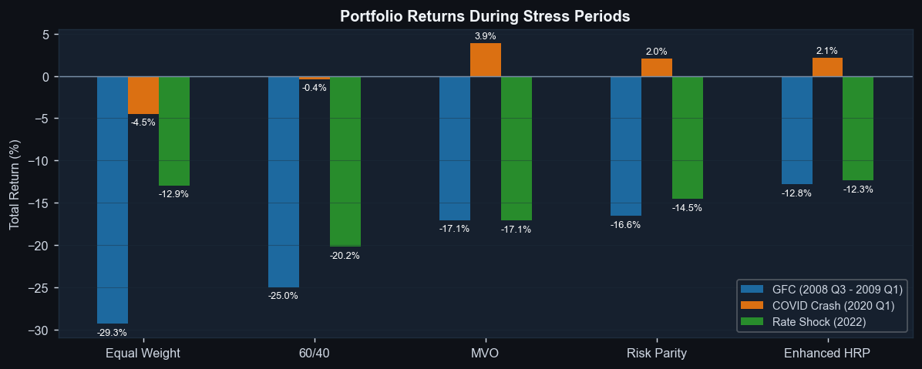
Portfolio Stress Testing — Defined Periods
Portfolio | GFC (2008 Q3 - 2009 Q1) | COVID Crash (2020 Q1) | Rate Shock (2022) | Recovery: 2009 Q2 – 2010 Q4
Equal Weight | -29.3% | -4.5% | -12.9% | 53.0%
60/40 | -25.0% | -0.4% | -20.2% | 60.2%
MVO | -17.1% | 3.9% | -17.1% | 51.7%
Risk Parity | -16.6% | 2.0% | -14.5% | 33.8%
Enhanced HRP | -12.8% | 2.1% | -12.3% | 32.9%

Asset Class Returns During Stress Periods
Asset Class | GFC (2008 Q3 - 2009 Q1) | COVID Crash (2020 Q1) | Rate Shock (2022) | Recovery: 2009 Q2 – 2010 Q4
US Large Cap Equity | -38.1% | -3.6% | -19.5% | 71.3%
US Mid Cap Equity | -39.4% | -12.8% | -13.1% | 90.6%
US Small Cap Equity | -38.1% | -12.9% | -20.5% | 90.3%
Emerging Market Equity | -44.4% | -10.4% | -20.6% | 98.1%
Long Duration Treasury | 18.0% | 21.9% | -31.2% | -4.3%
TIPS | -1.7% | 6.0% | -12.3% | 11.7%
Investment Grade Credit | -3.2% | 6.4% | -17.9% | 26.8%
REITs | -55.9% | -13.9% | -26.3% | 146.0%
Commodities | -66.4% | -36.0% | 24.1% | 35.4%
High Yield Credit | -20.1% | -3.8% | -11.2% | 71.2%
Hedge Funds | -10.0% | 0.3% | -4.2% | 35.0%
Private Equity | -28.7% | -2.2% | -2.3% | 56.7%
Private Real Estate | -42.9% | -8.7% | -11.4% | -8.7%

Risk Decomposition
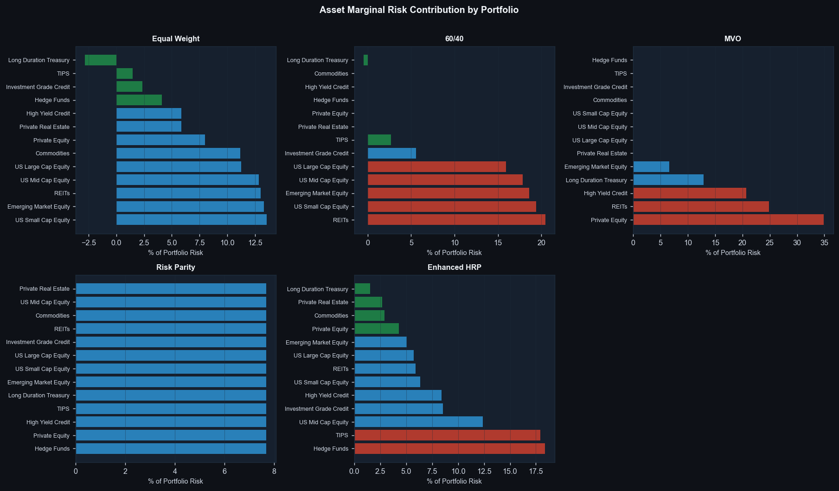
Asset Marginal Risk Contribution by Portfolio
Equal Weight — Marginal and Total Risk Contribution
Asset Class | Weight | Marginal Risk Contrib. | Total Risk Contrib. | % of Portfolio Risk | Factor Risk Share
US Large Cap Equity | 7.7% | 0.076 | 0.006 | 11.3% | 97.2%
US Mid Cap Equity | 7.7% | 0.087 | 0.007 | 12.8% | 90.1%
US Small Cap Equity | 7.7% | 0.092 | 0.007 | 13.6% | 86.5%
Emerging Market Equity | 7.7% | 0.090 | 0.007 | 13.3% | 65.5%
Long Duration Treasury | 7.7% | -0.019 | -0.001 | -2.8% | 98.0%
TIPS | 7.7% | 0.010 | 0.001 | 1.5% | 82.6%
Investment Grade Credit | 7.7% | 0.016 | 0.001 | 2.3% | 65.4%
REITs | 7.7% | 0.088 | 0.007 | 13.0% | 64.3%
Commodities | 7.7% | 0.075 | 0.006 | 11.2% | 48.0%
High Yield Credit | 7.7% | 0.040 | 0.003 | 5.9% | 68.1%
Hedge Funds | 7.7% | 0.028 | 0.002 | 4.1% | 75.5%
Private Equity | 7.7% | 0.054 | 0.004 | 8.0% | 47.4%
Private Real Estate | 7.7% | 0.040 | 0.003 | 5.9% | 14.2%

60/40 — Marginal and Total Risk Contribution
Asset Class | Weight | Marginal Risk Contrib. | Total Risk Contrib. | % of Portfolio Risk | Factor Risk Share
US Large Cap Equity | 12.0% | 0.075 | 0.009 | 15.9% | 97.2%
US Mid Cap Equity | 12.0% | 0.084 | 0.010 | 17.9% | 90.1%
US Small Cap Equity | 12.0% | 0.091 | 0.011 | 19.4% | 86.5%
Emerging Market Equity | 12.0% | 0.087 | 0.010 | 18.6% | 65.5%
Long Duration Treasury | 13.3% | -0.002 | 0.000 | -0.5% | 98.0%
TIPS | 13.3% | 0.011 | 0.002 | 2.7% | 82.6%
Investment Grade Credit | 13.3% | 0.024 | 0.003 | 5.6% | 65.4%
REITs | 12.0% | 0.096 | 0.012 | 20.5% | 64.3%
Commodities | 0.0% | 0.044 | 0.000 | 0.0% | 48.0%
High Yield Credit | 0.0% | 0.037 | 0.000 | 0.0% | 68.1%
Hedge Funds | 0.0% | 0.026 | 0.000 | 0.0% | 75.5%
Private Equity | 0.0% | 0.041 | 0.000 | 0.0% | 47.4%
Private Real Estate | 0.0% | 0.017 | 0.000 | 0.0% | 14.2%

MVO — Marginal and Total Risk Contribution
Asset Class | Weight | Marginal Risk Contrib. | Total Risk Contrib. | % of Portfolio Risk | Factor Risk Share
US Large Cap Equity | 0.0% | 0.057 | 0.000 | 0.0% | 97.2%
US Mid Cap Equity | 0.0% | 0.061 | 0.000 | 0.0% | 90.1%
US Small Cap Equity | 0.0% | 0.065 | 0.000 | 0.0% | 86.5%
Emerging Market Equity | 4.2% | 0.067 | 0.003 | 6.6% | 65.5%
Long Duration Treasury | 28.9% | 0.019 | 0.006 | 12.9% | 98.0%
TIPS | 0.0% | 0.015 | 0.000 | 0.0% | 82.6%
Investment Grade Credit | 0.0% | 0.026 | 0.000 | 0.0% | 65.4%
REITs | 12.4% | 0.086 | 0.011 | 24.9% | 64.3%
Commodities | 0.0% | 0.022 | 0.000 | 0.0% | 48.0%
High Yield Credit | 24.6% | 0.036 | 0.009 | 20.7% | 68.1%
Hedge Funds | 0.0% | 0.020 | 0.000 | 0.0% | 75.5%
Private Equity | 29.9% | 0.050 | 0.015 | 34.9% | 47.4%
Private Real Estate | 0.1% | 0.031 | 0.000 | 0.0% | 14.2%

Risk Parity — Marginal and Total Risk Contribution
Asset Class | Weight | Marginal Risk Contrib. | Total Risk Contrib. | % of Portfolio Risk | Factor Risk Share
US Large Cap Equity | 4.2% | 0.063 | 0.003 | 7.7% | 97.2%
US Mid Cap Equity | 3.8% | 0.070 | 0.003 | 7.7% | 90.1%
US Small Cap Equity | 3.7% | 0.072 | 0.003 | 7.7% | 86.5%
Emerging Market Equity | 3.5% | 0.076 | 0.003 | 7.7% | 65.5%
Long Duration Treasury | 19.2% | 0.014 | 0.003 | 7.7% | 98.0%
TIPS | 15.6% | 0.017 | 0.003 | 7.7% | 82.6%
Investment Grade Credit | 9.9% | 0.027 | 0.003 | 7.7% | 65.4%
REITs | 3.3% | 0.081 | 0.003 | 7.7% | 64.3%
Commodities | 5.4% | 0.049 | 0.003 | 7.7% | 48.0%
High Yield Credit | 7.2% | 0.037 | 0.003 | 7.7% | 68.1%
Hedge Funds | 11.4% | 0.023 | 0.003 | 7.7% | 75.5%
Private Equity | 6.1% | 0.044 | 0.003 | 7.7% | 47.4%
Private Real Estate | 6.6% | 0.040 | 0.003 | 7.7% | 14.2%

Enhanced HRP — Marginal and Total Risk Contribution
Asset Class | Weight | Marginal Risk Contrib. | Total Risk Contrib. | % of Portfolio Risk | Factor Risk Share
US Large Cap Equity | 2.6% | 0.067 | 0.002 | 5.7% | 97.2%
US Mid Cap Equity | 5.1% | 0.075 | 0.004 | 12.4% | 90.1%
US Small Cap Equity | 2.5% | 0.078 | 0.002 | 6.3% | 86.5%
Emerging Market Equity | 1.9% | 0.082 | 0.002 | 5.0% | 65.5%
Long Duration Treasury | 7.0% | 0.007 | 0.000 | 1.5% | 98.0%
TIPS | 32.5% | 0.017 | 0.006 | 17.9% | 82.6%
Investment Grade Credit | 9.9% | 0.027 | 0.003 | 8.5% | 65.4%
REITs | 2.3% | 0.081 | 0.002 | 5.9% | 64.3%
Commodities | 1.8% | 0.050 | 0.001 | 2.9% | 48.0%
High Yield Credit | 6.6% | 0.040 | 0.003 | 8.4% | 68.1%
Hedge Funds | 22.2% | 0.026 | 0.006 | 18.4% | 75.5%
Private Equity | 3.0% | 0.044 | 0.001 | 4.3% | 47.4%
Private Real Estate | 2.6% | 0.031 | 0.001 | 2.7% | 14.2%

Covariance
POET Correlation Matrix
 | US Large Cap Equity | US Mid Cap Equity | US Small Cap Equity | Emerging Market Equity | Long Duration Treasury | TIPS | Investment Grade Credit | REITs | Commodities | High Yield Credit | Hedge Funds | Private Equity | Private Real Estate
US Large Cap Equity | 1.000 | 0.957 | 0.933 | 0.811 | -0.345 | 0.204 | 0.302 | 0.753 | 0.476 | 0.732 | 0.879 | 0.641 | 0.189
US Mid Cap Equity | 0.957 | 1.000 | 0.956 | 0.780 | -0.401 | 0.171 | 0.245 | 0.735 | 0.511 | 0.719 | 0.884 | 0.629 | 0.202
US Small Cap Equity | 0.933 | 0.956 | 1.000 | 0.736 | -0.382 | 0.099 | 0.224 | 0.740 | 0.438 | 0.673 | 0.840 | 0.600 | 0.162
Emerging Market Equity | 0.811 | 0.780 | 0.736 | 1.000 | -0.312 | 0.269 | 0.301 | 0.587 | 0.453 | 0.647 | 0.851 | 0.595 | 0.169
Long Duration Treasury | -0.345 | -0.401 | -0.382 | -0.312 | 1.000 | 0.525 | 0.606 | -0.048 | -0.543 | -0.177 | -0.348 | -0.391 | -0.139
TIPS | 0.204 | 0.171 | 0.099 | 0.269 | 0.525 | 1.000 | 0.608 | 0.252 | 0.064 | 0.380 | 0.220 | 0.136 | 0.186
Investment Grade Credit | 0.302 | 0.245 | 0.224 | 0.301 | 0.606 | 0.608 | 1.000 | 0.380 | -0.180 | 0.375 | 0.304 | 0.054 | -0.071
REITs | 0.753 | 0.735 | 0.740 | 0.587 | -0.048 | 0.252 | 0.380 | 1.000 | 0.241 | 0.581 | 0.616 | 0.447 | 0.141
Commodities | 0.476 | 0.511 | 0.438 | 0.453 | -0.543 | 0.064 | -0.180 | 0.241 | 1.000 | 0.383 | 0.491 | 0.422 | 0.209
High Yield Credit | 0.732 | 0.719 | 0.673 | 0.647 | -0.177 | 0.380 | 0.375 | 0.581 | 0.383 | 1.000 | 0.683 | 0.476 | 0.220
Hedge Funds | 0.879 | 0.884 | 0.840 | 0.851 | -0.348 | 0.220 | 0.304 | 0.616 | 0.491 | 0.683 | 1.000 | 0.658 | 0.204
Private Equity | 0.641 | 0.629 | 0.600 | 0.595 | -0.391 | 0.136 | 0.054 | 0.447 | 0.422 | 0.476 | 0.658 | 1.000 | 0.460
Private Real Estate | 0.189 | 0.202 | 0.162 | 0.169 | -0.139 | 0.186 | -0.071 | 0.141 | 0.209 | 0.220 | 0.204 | 0.460 | 1.000

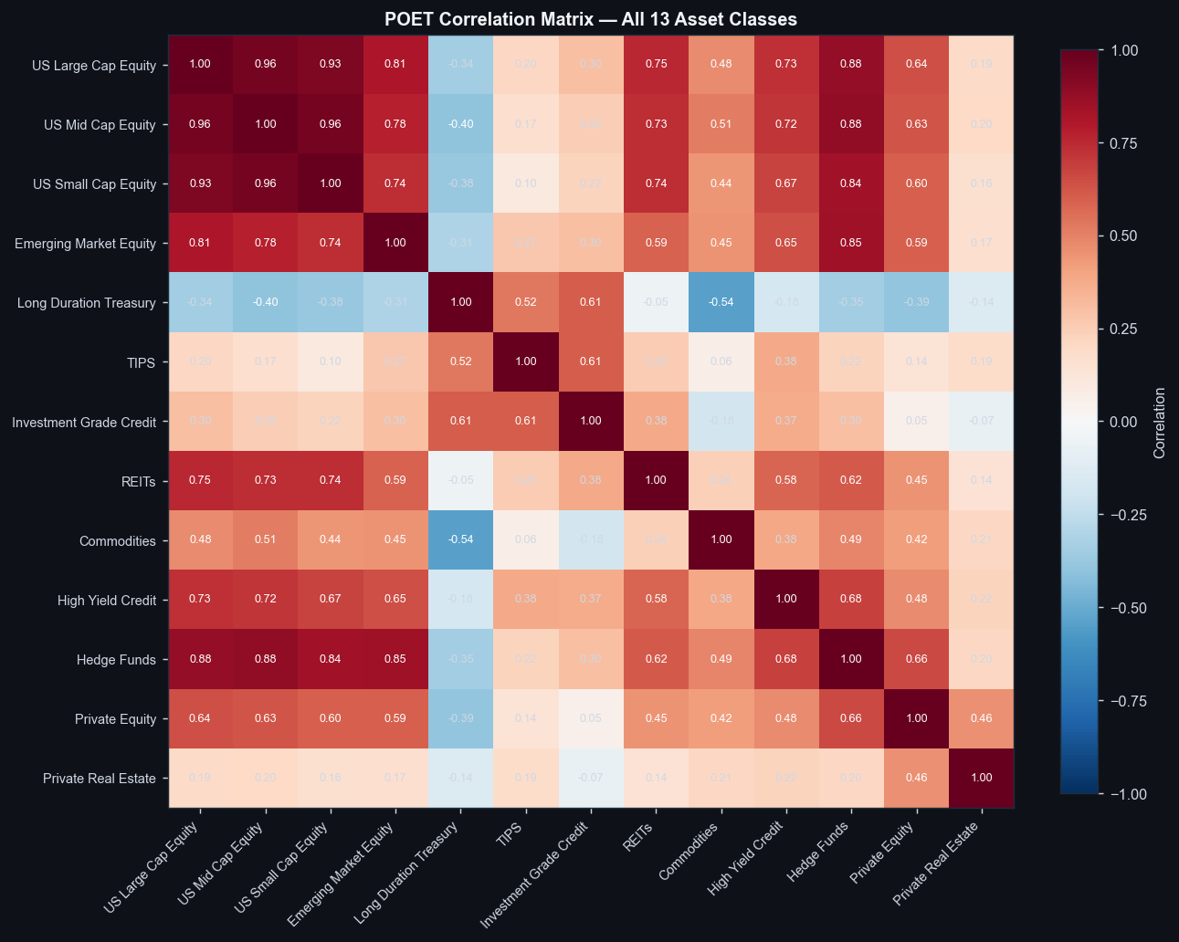
Notable Correlation Pairs
Asset A | Asset B | Correlation | Type | Implication
US Large Cap Equity | US Mid Cap Equity | 0.957 | Strong Positive | Low diversification benefit between these assets
US Mid Cap Equity | US Small Cap Equity | 0.956 | Strong Positive | Low diversification benefit between these assets
US Large Cap Equity | US Small Cap Equity | 0.933 | Strong Positive | Low diversification benefit between these assets
US Mid Cap Equity | Hedge Funds | 0.884 | Strong Positive | Low diversification benefit between these assets
US Large Cap Equity | Hedge Funds | 0.879 | Strong Positive | Low diversification benefit between these assets
Emerging Market Equity | Hedge Funds | 0.851 | Strong Positive | Low diversification benefit between these assets
US Small Cap Equity | Hedge Funds | 0.840 | Strong Positive | Low diversification benefit between these assets
US Large Cap Equity | Emerging Market Equity | 0.811 | Strong Positive | Low diversification benefit between these assets
US Mid Cap Equity | Emerging Market Equity | 0.780 | Strong Positive | Low diversification benefit between these assets
US Large Cap Equity | REITs | 0.753 | Strong Positive | Low diversification benefit between these assets
US Small Cap Equity | REITs | 0.740 | Strong Positive | Low diversification benefit between these assets
US Small Cap Equity | Emerging Market Equity | 0.736 | Strong Positive | Low diversification benefit between these assets
US Mid Cap Equity | REITs | 0.735 | Strong Positive | Low diversification benefit between these assets
US Large Cap Equity | High Yield Credit | 0.732 | Strong Positive | Low diversification benefit between these assets
US Mid Cap Equity | High Yield Credit | 0.719 | Strong Positive | Low diversification benefit between these assets

Portfolio Weights

Portfolio Weights — All Construction Methods (%)
Asset Class | Equal Weight | 60/40 | MVO | Risk Parity | Enhanced HRP
US Large Cap Equity | 7.7% | 12.0% | 0.0% | 4.2% | 2.6%
US Mid Cap Equity | 7.7% | 12.0% | 0.0% | 3.8% | 5.1%
US Small Cap Equity | 7.7% | 12.0% | 0.0% | 3.7% | 2.5%
Emerging Market Equity | 7.7% | 12.0% | 4.2% | 3.5% | 1.9%
Long Duration Treasury | 7.7% | 13.3% | 28.9% | 19.2% | 7.0%
TIPS | 7.7% | 13.3% | 0.0% | 15.6% | 32.5%
Investment Grade Credit | 7.7% | 13.3% | 0.0% | 9.9% | 9.9%
REITs | 7.7% | 12.0% | 12.4% | 3.3% | 2.3%
Commodities | 7.7% | 0.0% | 0.0% | 5.4% | 1.8%
High Yield Credit | 7.7% | 0.0% | 24.6% | 7.2% | 6.6%
Hedge Funds | 7.7% | 0.0% | 0.0% | 11.4% | 22.2%
Private Equity | 7.7% | 0.0% | 29.9% | 6.1% | 3.0%
Private Real Estate | 7.7% | 0.0% | 0.1% | 6.6% | 2.6%

