SKU List Instructions
 | How to update the Master SKU list in your WPN Premium Point-of-Sale data template
 | These instructions assume you are using a recent version of Microsoft excel. If these instructions do not work, you can also also download a copy of the Master SKU document here:
 | https://media.wizards.com/2020/wpn/pos_templates/POS_Master_SKU_List.xlsx

1 | Download and open the “TEMPLATE OrgID_RetailerName_POSData_MMYY.xlsx” file above if you do not already have it, or have not downloaded the latest version updated in October 2020.

2 | Once the file is open, navigate to the “Data” tab in Excel:

3 | Click the “Refresh All” button to begin syncing your file with the Master SKU document stored on the WPN website. You can also click “Queries & Connections” in order to see the progress of the update.

4 | Excel will display a security notice requiring you to confirm you would like to pull the data. If you trust the document you downloaded, click “Ok.” If not, hit cancel and skip to step 6.
 | 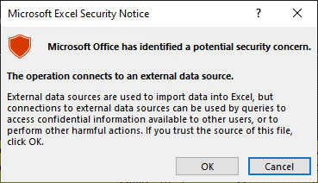
5 | The data on the tab “Master SKU List” will begin to sync with the one stored online, and once complete will be updated to match the most current version of the Master SKU document stored on the WPN website.

6 | If these steps don’t work, you can also download a copy of the Master SKU document below, which you can copy paste into your point-of-pale data export or use to update information in your point-of-sale software.
 | https://media.wizards.com/2020/wpn/pos_templates/POS_Master_SKU_List.xlsx

