Detail
web.xml

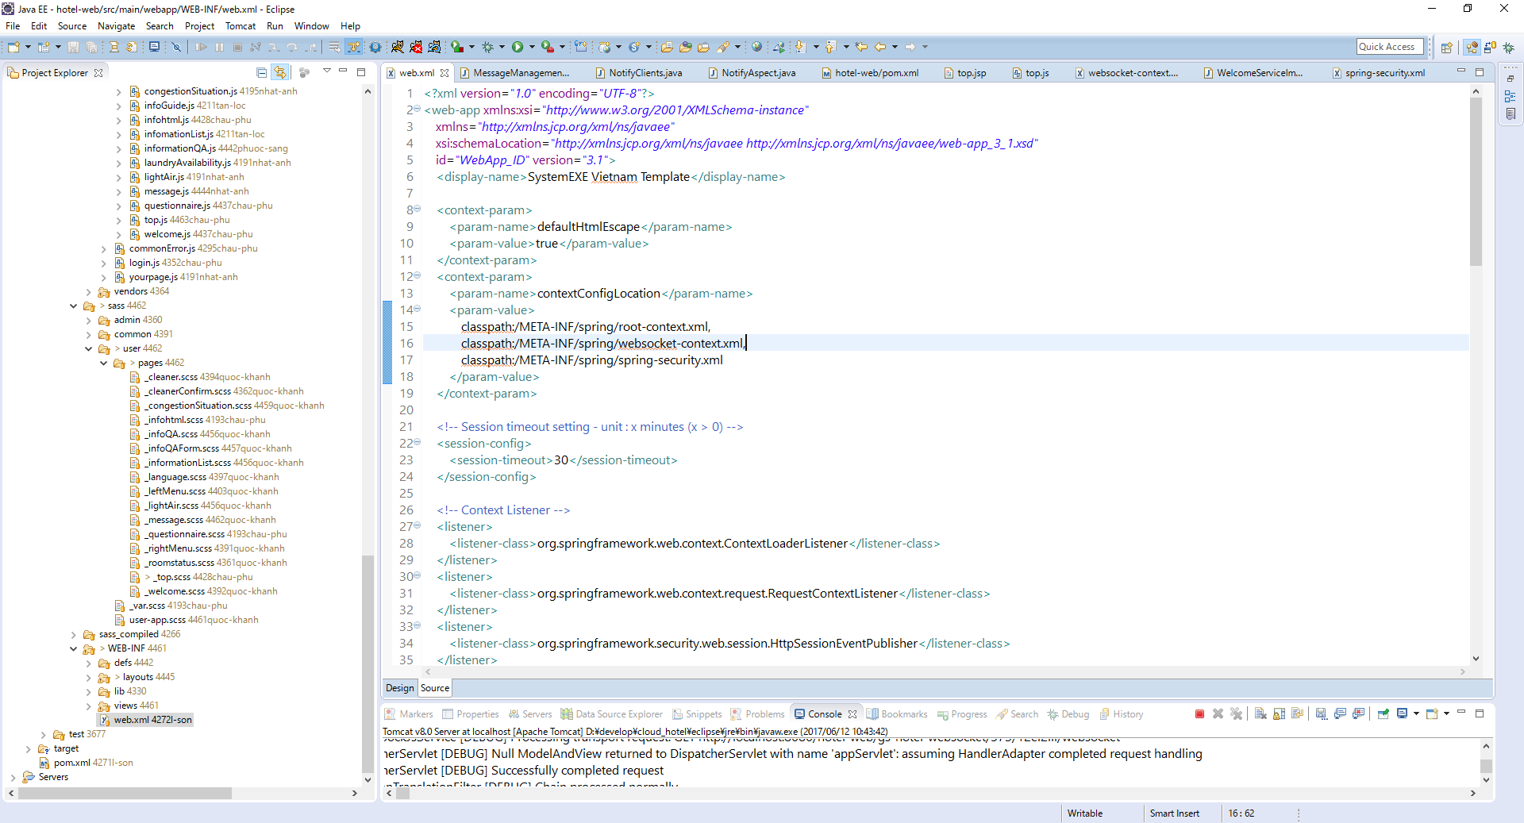

websocket-context.xml

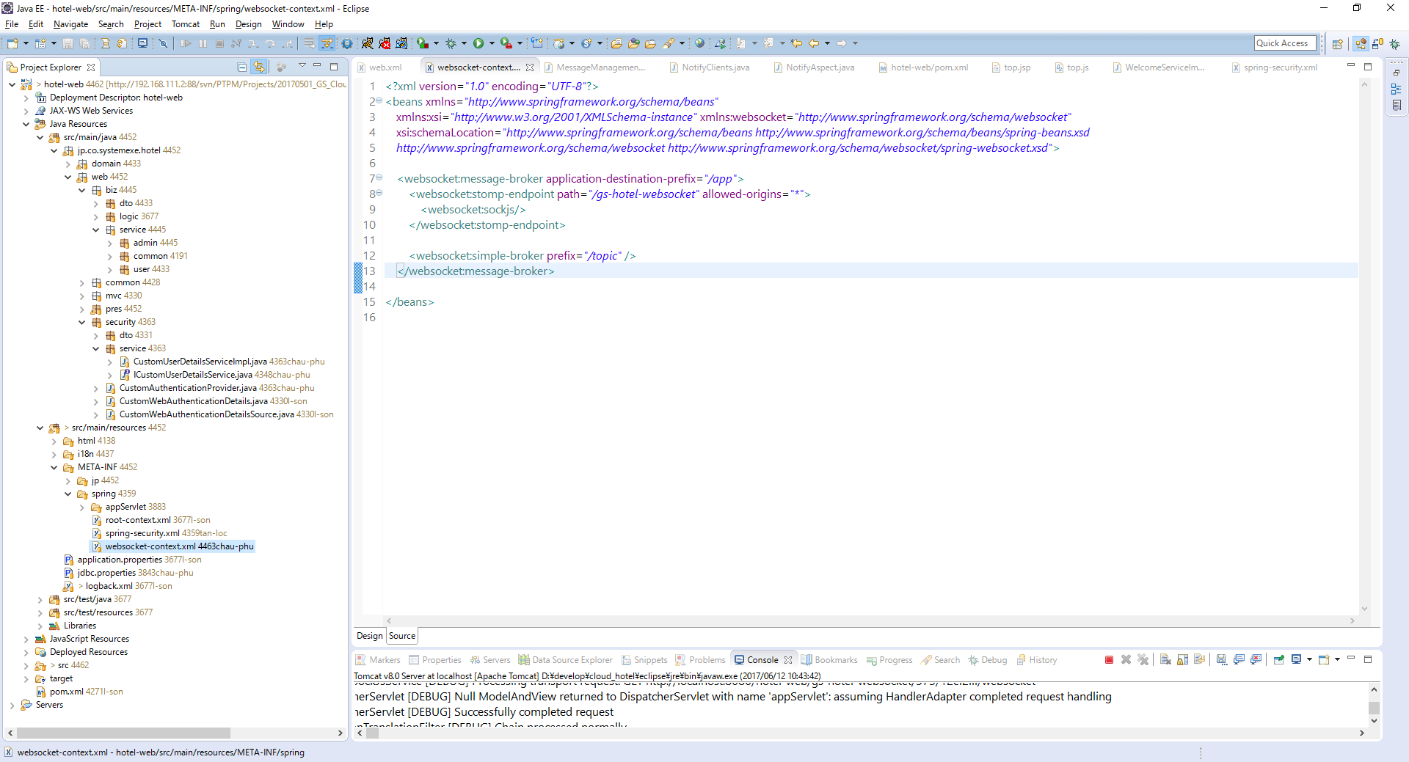

$scope.initSockets = function() {
$scope.socket.client = new SockJS(getContextPath() + "/gs-hotel-websocket");
$scope.socket.stomp = Stomp.over($scope.socket.client);
$scope.socket.stomp.connect({}, function(frame) {
var username = frame.headers['user-name'];
$scope.socket.stomp.send("/app/gs-hotel-websocket", {}, {});
$scope.socket.stomp.subscribe("/topic/notify", $scope.notify);
}, $scope.stompFailureCallback);
$scope.socket.client.onclose = $scope.reconnect;
};

pom.xml

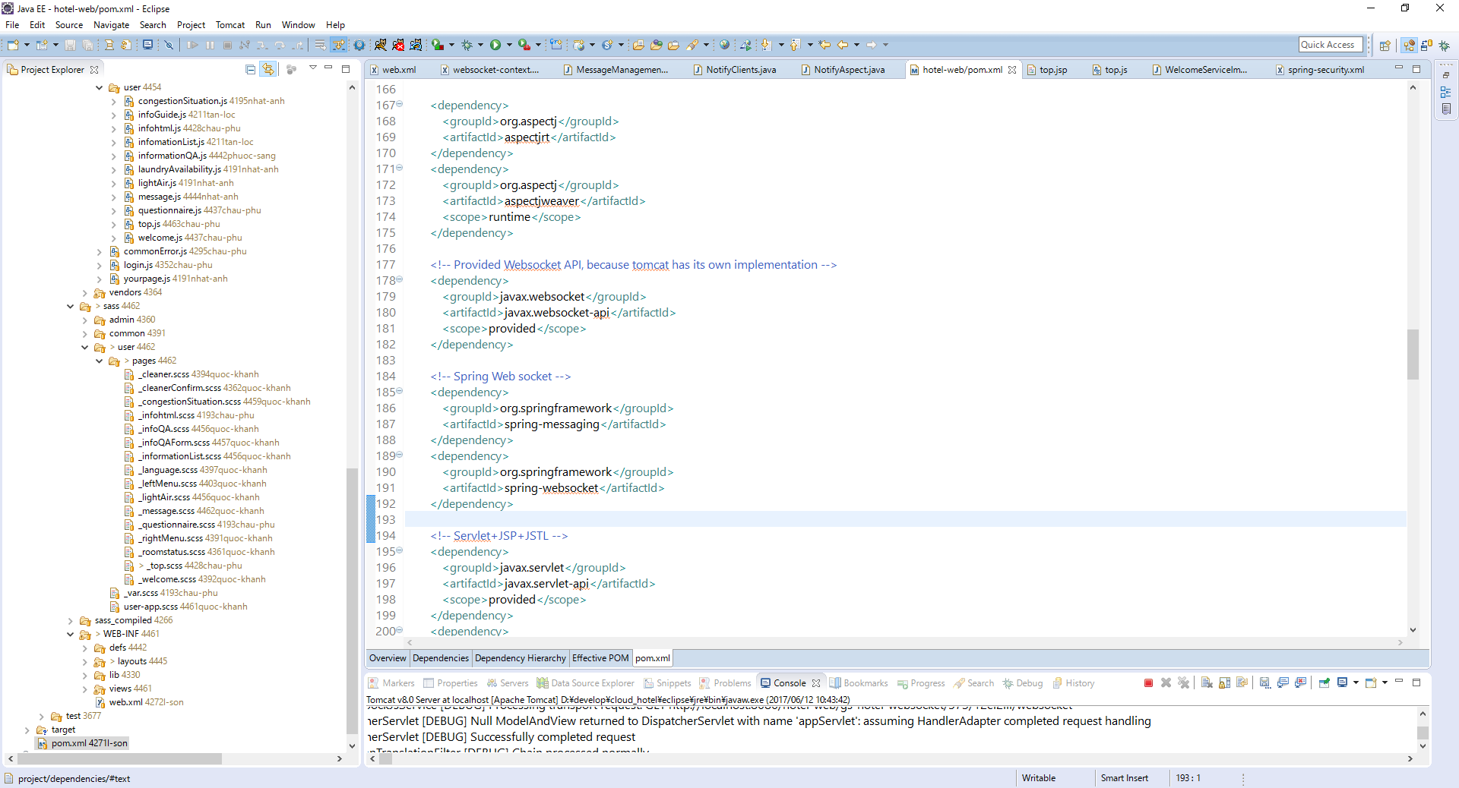

NotifyAspect.java

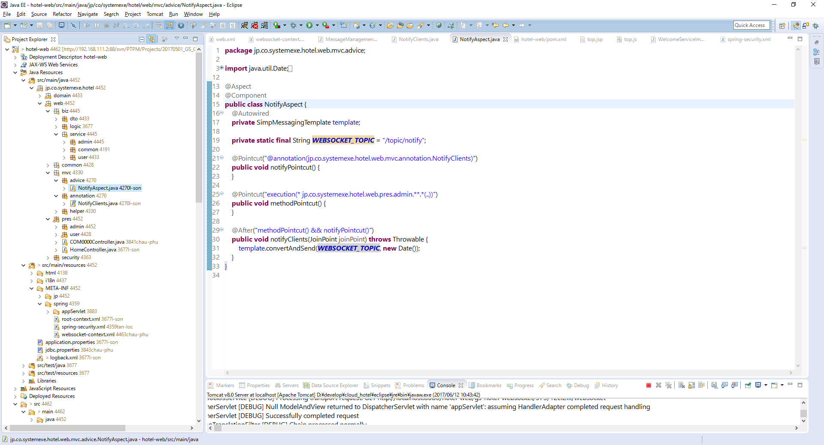

package jp.co.systemexe.hotel.web.mvc.advice;
import java.util.Date;
import org.aspectj.lang.JoinPoint;
import org.aspectj.lang.annotation.After;
import org.aspectj.lang.annotation.Aspect;
import org.aspectj.lang.annotation.Pointcut;
import org.springframework.beans.factory.annotation.Autowired;
import org.springframework.messaging.simp.SimpMessagingTemplate;
import org.springframework.stereotype.Component;
@Aspect
@Component
public class NotifyAspect {
@Autowired
private SimpMessagingTemplate template;
private static final String WEBSOCKET_TOPIC = "/topic/notify";
@Pointcut("@annotation(jp.co.systemexe.hotel.web.mvc.annotation.NotifyClients)")
public void notifyPointcut() {
}
@Pointcut("execution(* jp.co.systemexe.hotel.web.pres.admin.**.*(..))")
public void methodPointcut() {
}
@After("methodPointcut() && notifyPointcut()")
public void notifyClients(JoinPoint joinPoint) throws Throwable {
template.convertAndSend(WEBSOCKET_TOPIC, new Date());
}
}

NotifyClients.java

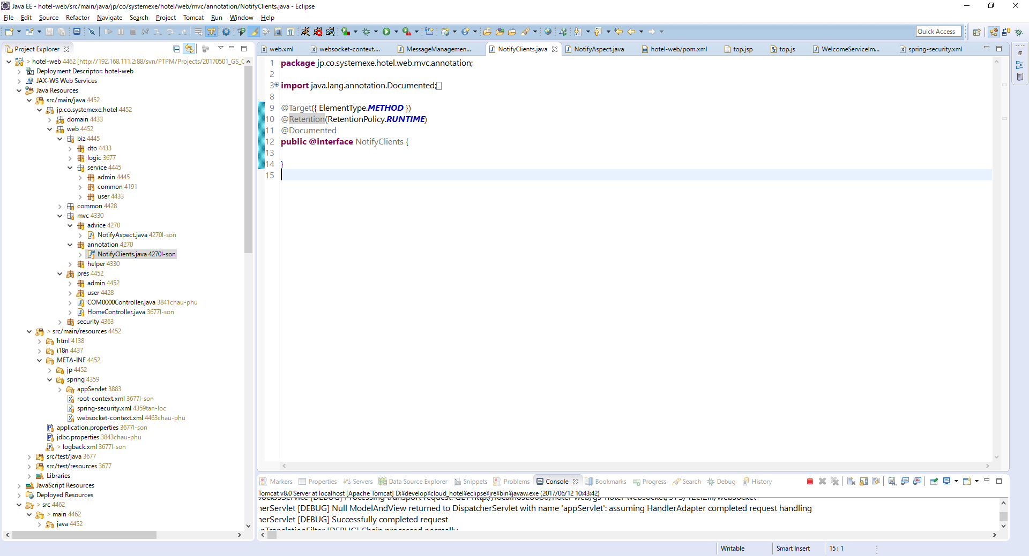

Phương thức nào cần sử dụng thì thêm @NotifyClients vào

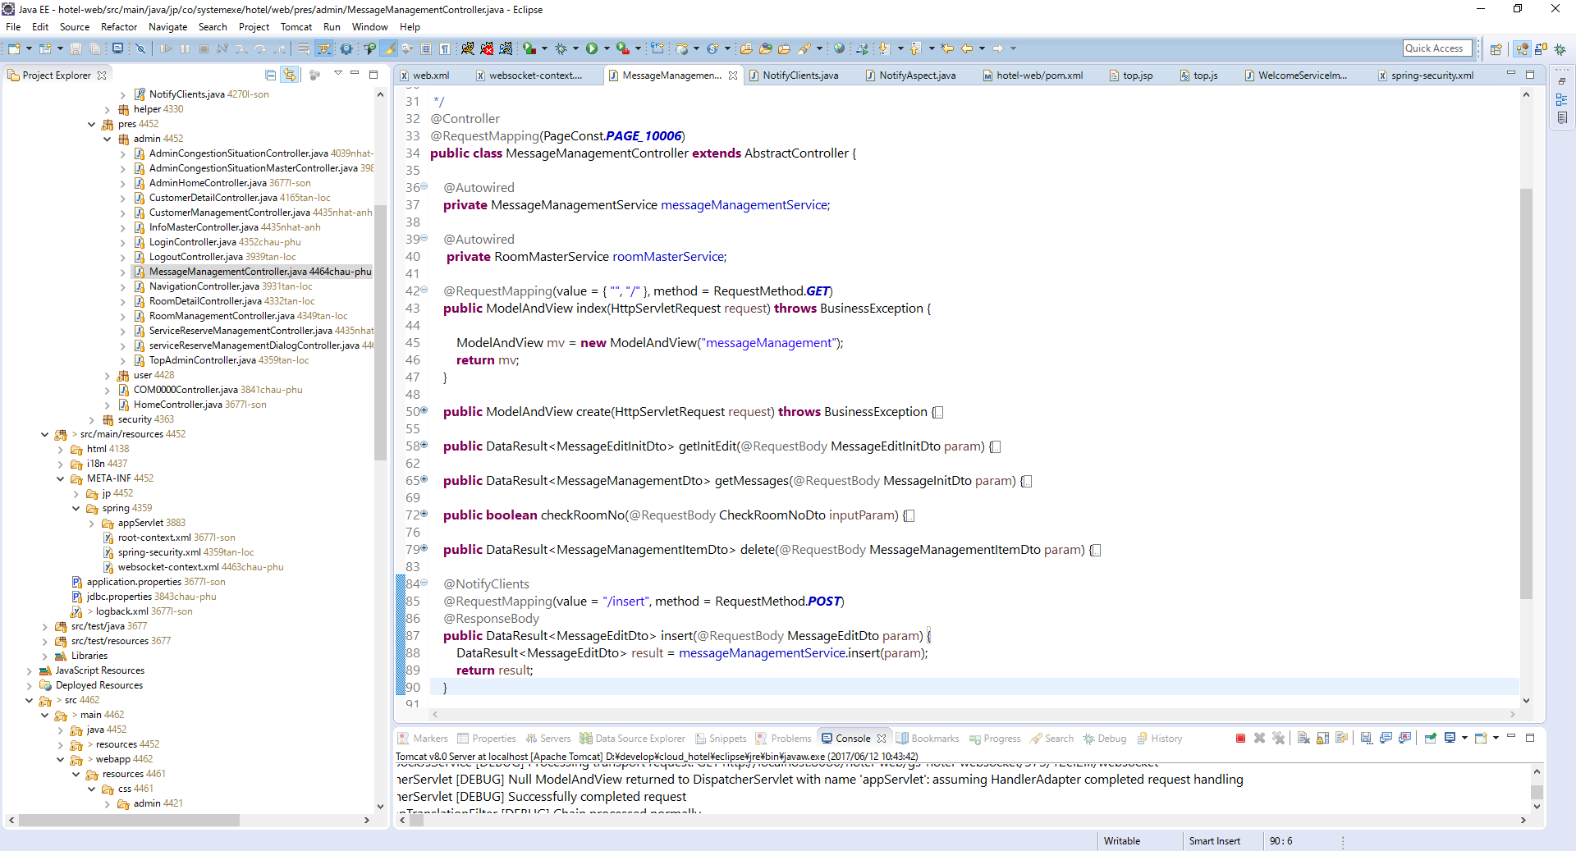

include thư viện vào trang jsp
<script src="https://cdnjs.cloudflare.com/ajax/libs/sockjs-client/1.1.4/sockjs.min.js"></script>
<script src="https://cdnjs.cloudflare.com/ajax/libs/stomp.js/2.3.3/stomp.min.js"></script>

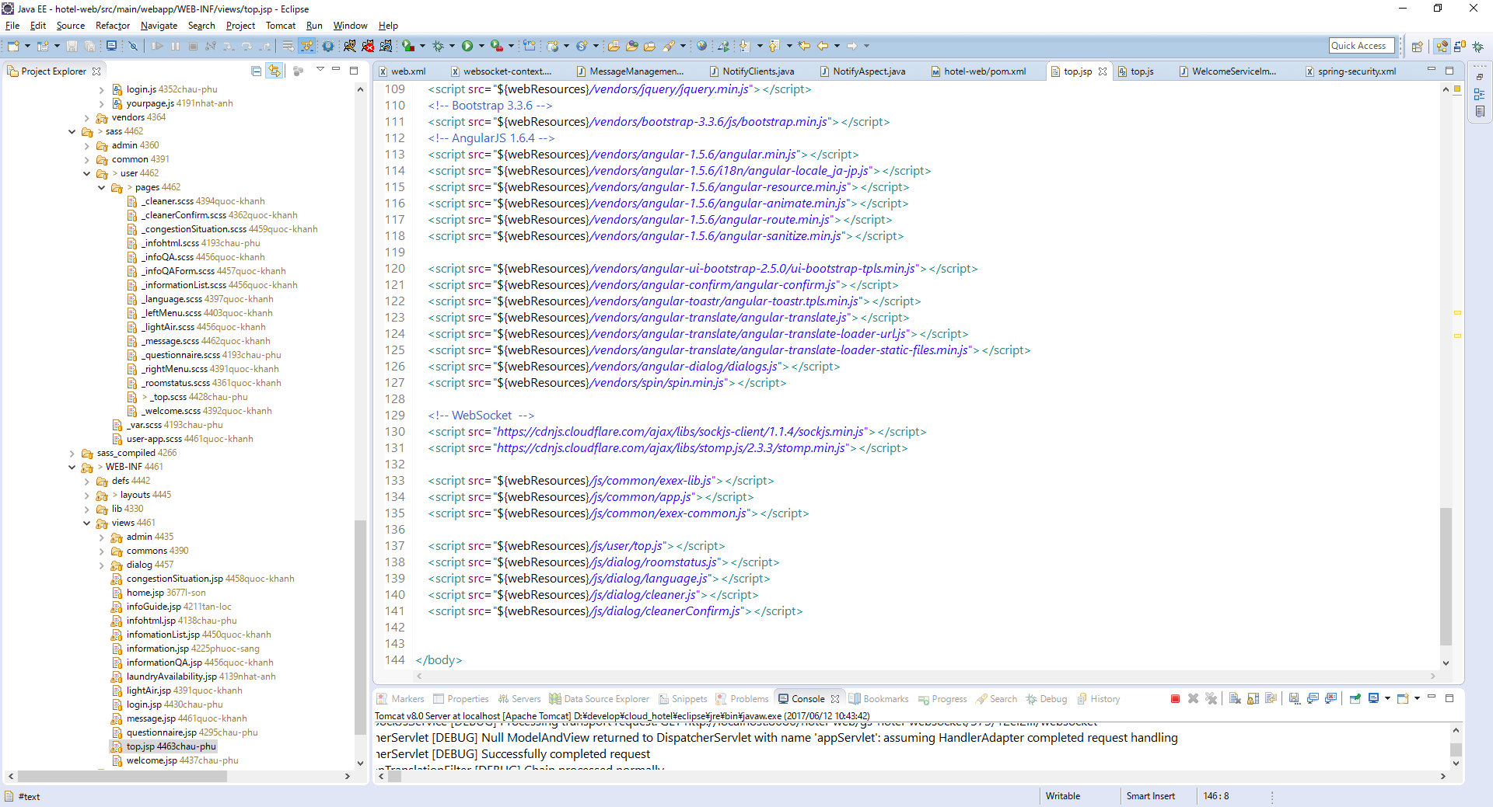

Trang cần nhận sự kiện khi có message đến

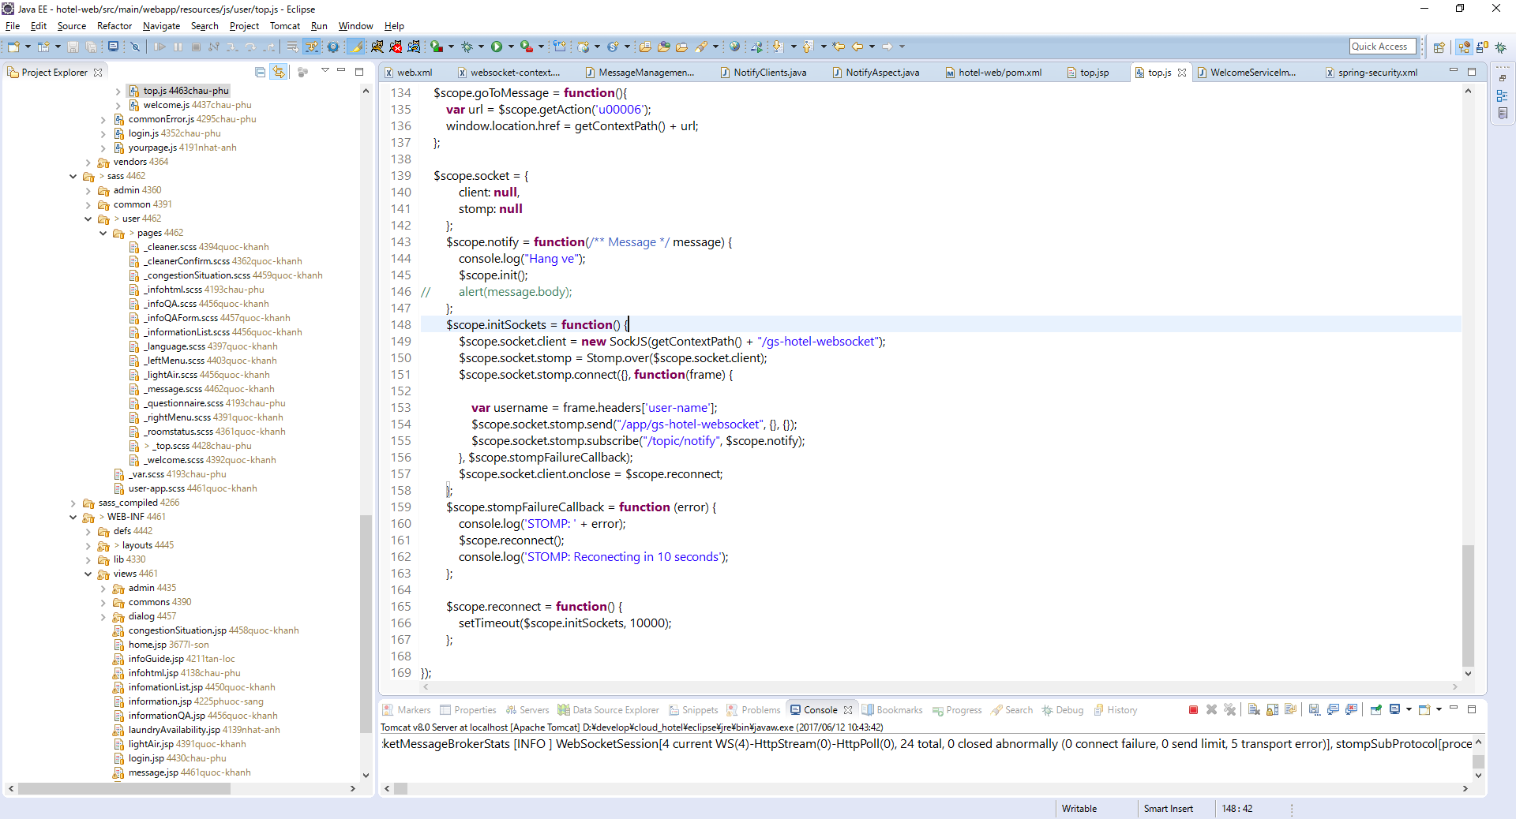

$scope.socket = {
client: null,
stomp: null
};
$scope.notify = function(/** Message */ message) {
console.log("Hang ve");
$scope.init();
//alert(message.body);
};
$scope.initSockets = function() {
$scope.socket.client = new SockJS(getContextPath() + "/gs-hotel-websocket");
$scope.socket.stomp = Stomp.over($scope.socket.client);
$scope.socket.stomp.connect({}, function(frame) {
var username = frame.headers['user-name'];
$scope.socket.stomp.send("/app/gs-hotel-websocket", {}, {});
$scope.socket.stomp.subscribe("/topic/notify", $scope.notify);
}, $scope.stompFailureCallback);
$scope.socket.client.onclose = $scope.reconnect;
};
$scope.stompFailureCallback = function (error) {
console.log('STOMP: ' + error);
$scope.reconnect();
console.log('STOMP: Reconecting in 10 seconds');
};
$scope.reconnect = function() {
setTimeout($scope.initSockets, 10000);
};

Khi đã connect được sẽ xuất log ra như bên dưới

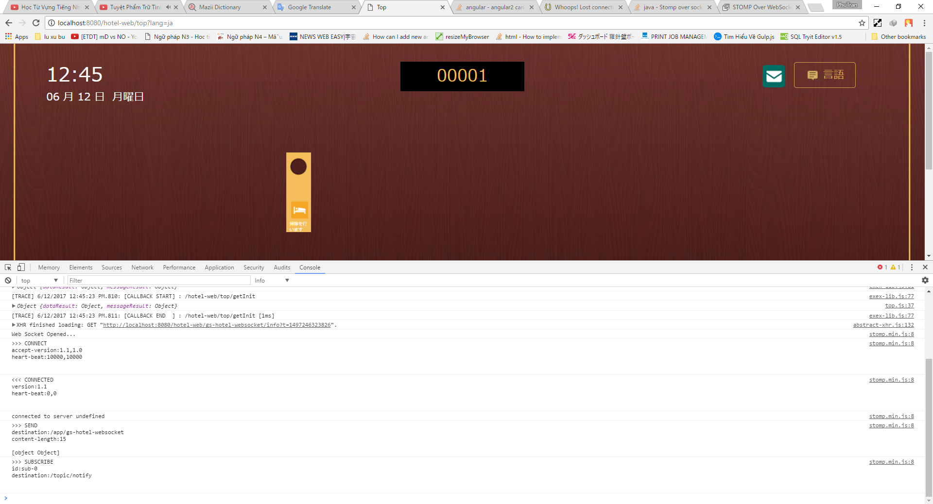

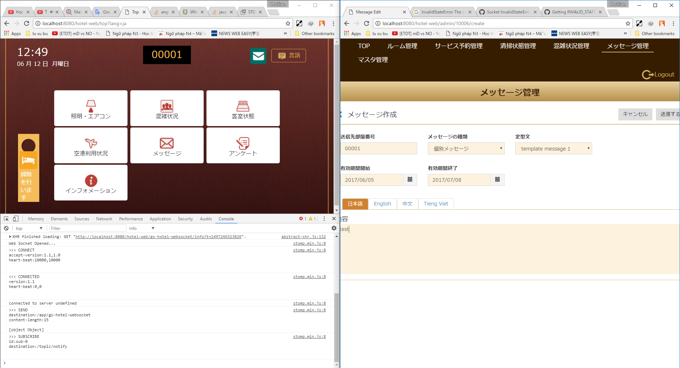

Tạo mới message

Sau khi tạo mới 1 message nó sẽ trả về cho client message như bên dưới

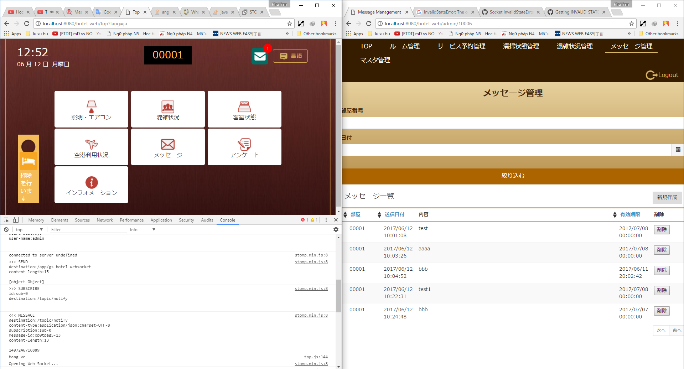

Web tham khảo

http://jmesnil.net/stomp-websocket/doc/

