phase1
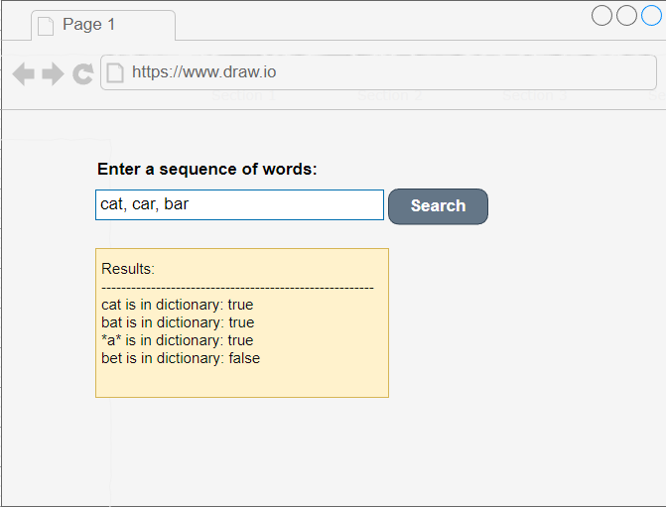
Technical Evaluation Process

Position: | Software Web Developer | Software Web Developer Senior | Software Web Architect (complement with phase 2) |  | Time Aprox to Be resolved: 30 - 45 min
Phase 1: | Logic | Solution Complexity |Data Structures | Coding/Algorithms in JavaScript|TypeScript
Description | Depending the solution level we can clasify a developer in 2 levels

 | Level - Software Developer | Usual Solution | Gatekeeper's Concepts Needed
 | The developer resolves the problem but from a general or standard level. Then, he/she does not apply Big O, clean code, patterns, or refactoring at a high level. | Setup(input) He/she is going to create a setup function that can pass input values ("cat", "car", "bar") or one array, then will set the INPUT values in a common array available for the scope. IsInDictionary(word) He/She is going to go through the array using a for, while o some specific functions depending on the language. Could be: find(), contains(), etc. Then, depending if the value found should return true or false. Adding wildcard He/she is going to add a conditional for a wildcard to look inside the array using a for, while o functions. Once identify the wildcard will apply conditionals to return true or false. | 1. Oriented Object Programming 2. SOLID Principles 3. Arrays, Functions 4. Logical, Conditionals 5. JavaScript / TypeScript foundations 6. JavaScript basic, intermediate concepts.
 | Level - Software Developer Senior | Setup(input) He/she is going to create a solution thinking on Big O. Probably creating classes that internally use a hash table or other stack memory. Probably is going to include the major part of the solution in the constructor trying always to minimize complexity and be so careful about the performance. There is where Big O concepts are needed. IsInDictionary(word) He/She is going to create an implementation over the internal property with the input data in the simplest possible. Adding wildcard He/she is going to use probably more clean options like regex or something to fetch quickly and clear the matching wildcard. Can be an option. But finally should prioritize the performance. Challenges: - Big O optimization, Time complexity - Reduce loading trying to include that logic inside the constructor as much as posible. Focus on trying to optimize isInDictionary(word) function. - Tranform array into Object (key, values) that should optimice the loading. building and finding. | Big O Reference | Ref
 | The developer resolve the problem in a basic level reaching a basic development without care about Big O or high design and refactoring . |  | 1. Oriented Object Programming 2. SOLID Principles 3. Arrays, Functions 4. Logical, Conditionals 5. JavaScript / TypeScript foundations 6. JavaScript Advanced Concepts. 7. Big O concepts, optimizations, time complexity, advanced development. 8. Data Structures Alghoritms: Trees | Tree Alghoritm | BigO

Problem |  | Sample Solution Level - Software Developer | Sample Solution Level - Software Developer Senior
Input: "cat", "car", "bar" Functions: setup(input) isInDictionary(word) Test Results: setup (["cat","car","bar"]) isInDictionary("cat") // true isInDictionary("bat")// false Adding a wildcard should result: isInDictionary("*at") // true isInDictionary("cr*")// false |  | 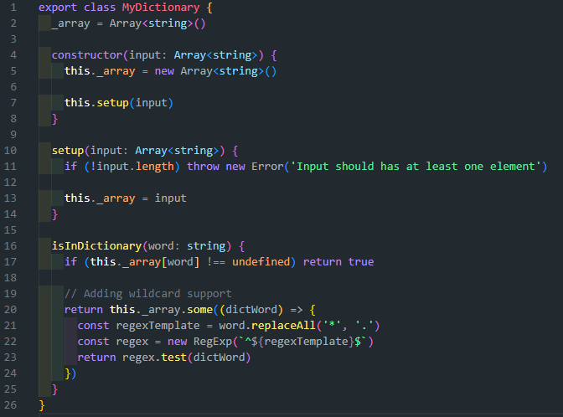 | 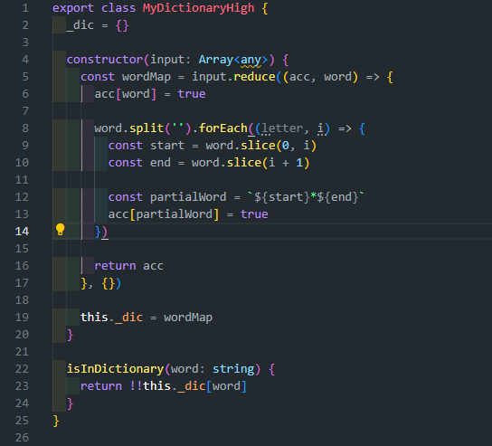

phase2
