Summary
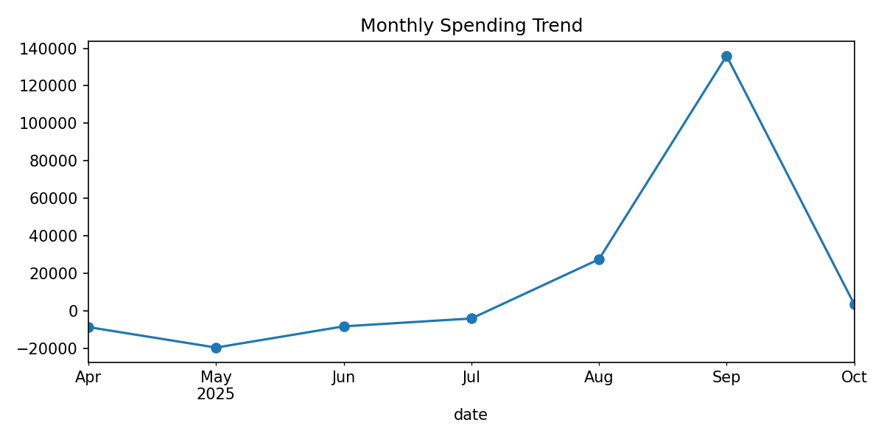
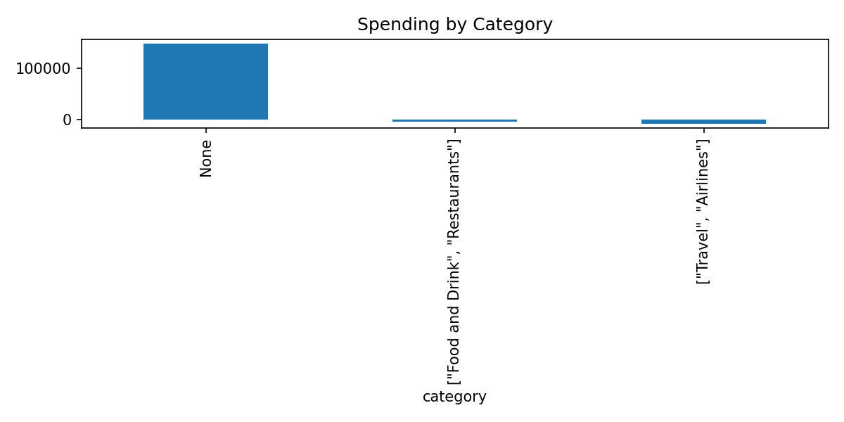
metric | value
Period | Last 30 days (2025-09-11 → 2025-10-11)
Total Spent (Period) | 135,839.34
Average Transaction (Period) | 595.79
MoM Current | 135,839.34
MoM Previous | 31,362.75
MoM Delta | 104,476.59
MoM % Change | 333.12
YTD Total (as of period end) | 127,034.26
Rows in Transactions_Detail | 228.00

