Summary
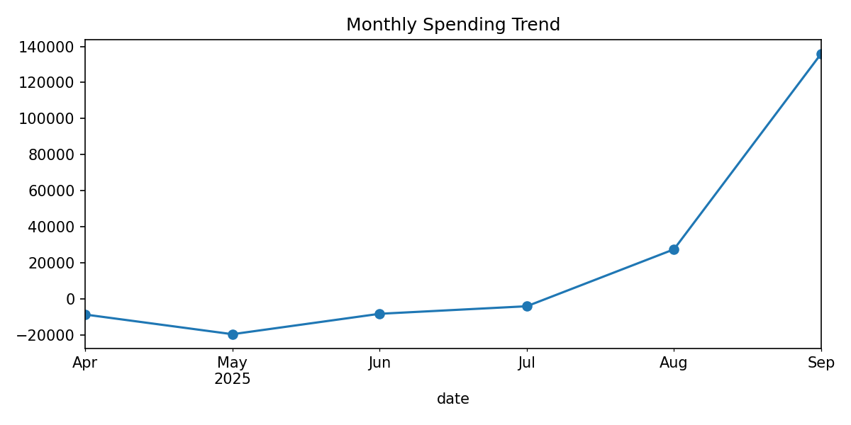
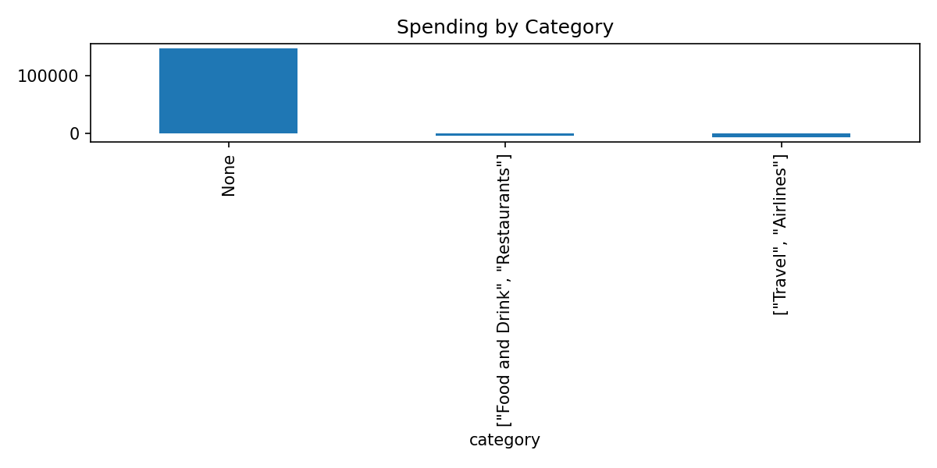
metric | value
Period | 2025-09
Total Spent (Period) | 135,966.09
Average Transaction (Period) | 604.29
MoM Current | 135,966.09
MoM Previous | 27,563.25
MoM Delta | 108,402.84
MoM % Change | 393.29
YTD Total (as of period end) | 123,361.51
Rows in Transactions_Detail | 225.00

