1. Title Page
Instacart Grocery Baskeet Analysis

Project Name: Instacart Grocery Baskeet Analysis
Date:
Analyst Name: Junchao Sheng

Contents:
Population Flow
Consistency checks
Wrangling steps
Column derivations
Visualizations
Recommendations
Data Source: “The Instacart Online Grocery Shopping Dataset 2017”, Accessed from https://www.instacart.com/datasets/grocery-shopping-2017 on 7/15/2022. The customer data and the “prices” column in the products data set were both fabricated for the purpose of this analysis.

2. Population Flow
Title page

Population flow

Exclusion flag
Condition: max_order < 5
Obervations to be removed: 1440295
Final total count of order_products_all: 30964564

Orders_products_combined
Orders_products_merged
Orders_products_all

Total: 32,404,859
Total: 32,434,489
Total: 32,404,859

1.) The grey boxes in the first row of the population flow represent the original data sets as they were when you downloaded them. In the Total fields you need to add the count of the rows when you imported the data set into Jupyter.
2.) The second row of boxes (coloured) represents the data sets after you manipulated them, e.g., removed missing values and duplicates. In the Total fields you need to add the count of the rows after conducting these operations. This offers a visual oveview of how the data flows throughout the data consistency checks.
3.) The third row, where also the arrows are coloured, represents the merges you performed between the datasets. In the Total fields you need to add the count of the rows in the merged datasets, so that you end up with the final dataset (in the red box). Keep in mind the final dataset should be without exclusions (based on the exclusion flag).

3. Consistency checks
 |  |  |  | Title page
Consistency checks

Dataset | Missing values | Missing values treatment | Duplicates
orders | 206,209 observations are missing in days_since_prior | I probably would creat a new variable that act like a flage based on the missing value. My reasons are as follows: 1) 206,209 is a lots of observations, which counts 1/15 of the entire observations, just delete them did not make sense. 2) and for the most important the reason, I beleieve these missing data is as important as non-missing data, this data shows that how many customers just ordered via our platform for one time and never came back, this is data can help us to better understanding our platform's customer satisfication. | 0
products | 16 values missing in product name | dataset created without missing value | 5
orders_products_prior | 0 | 0 | 0
customers | 11259 value missing in first_name | nothing, name will be removed later on | 0

4. Wrangling steps
 |  |  |  | Title page
Wrangling steps

Columns dropped | Columns renamed | Columns' type changed | Comment/Reason
eval_set (orders.csv) |  |  | this column wasn’t necessary for or relevant to your analysis
 | order_dow changed to order_day_of_week (orders.csv) |  | the name is not intuitive
 |  | order_id (orders.csv) | don’t represent real numeric values, rather, keys related to specific orders and users.
 |  | user_id(orders.csv) | don’t represent real numeric values, rather, keys related to specific orders and users.
 | user_id(orders.csv) to customer_id
 | First name to first_name |  | consistency
 | Surnam to last_name |  | consistency
 | n_dependants to num_of_dependants |  | consistency
 | Gender to gender |  | consistency
 | Age to age |  | consistency
 | STATE to state |  | consistency
 |  | first_name to string | data type was mixed

5. Column derivations
 |  |  |  |  | Title page

Column derivations and aggregations

In this tab you should add tables below that the frequences of flags/label variables that you produced after deriving them. NB: don't do this for continuous variables, only for flags.
Dataset | New column | Column/s it was derived from | Conditions | Frequency table
ords_prods_merged | price_label | prices | High-range product: price >15; Mid-range product: price >5 and price <=15; Low-range product: price <5 | Mid-range product 22430163 Low-range product 9603547 High-range product 278746
ords_prods_merged | busiest_day | order_day_of_week | busiest day: busiest days of the week ; least busiest day: least busiest days of the week; regularly busy days: the rest of the week | Regularly busy days:22416875 Busiest day:6204182 Least busy:3783802
ords_prods_merged | busiest_days | order_day_of_week | busiest days:two busiest days of the week ; least busiest days:two least busiest days of the week; regularly busy days: the rest of the week | Regularly busy days:12916111 Busiest day:11864412 Least busy:7624336
ords_prods_merged | busiest_period_of_day | order_time_of_day | Most orders: top 8 hours has the most orders ; Fewest orders: top 8 hours has the least orders; Average order: in the middle | Most orders: 21118071 Average orders 10399967 Fewest Order 886821
ords_prods_merged | max_order | customer_id, order_number | max number of orders for each user
ords_prods_merged | loyalty_flag | max_order | if max_order>40, customer is 'loyal customer', if max_order<=40 and>10, then customer is 'regular customer', if max_order<=10 then customer is 'new customer'. | Regular customer 15828715 Loyal customer 10259786 New customer 6223955
 | average_price | customer_id, prices | Mean price per customer
 | spending_flag | average_price | if average_price<10, then customer is 'low spender', if average_price>=10, then customer is 'high spender' | Low Spender 31770614 High Spender 634245
 | median_order_duration | customer_id, days_since_prior_order | median order days per customer
 | frequency_flag | median_order_duration | if median_order_duration >20, then customer is 'non-frequent customer' if median_order_duration >10 and <=20, then customer is 'regular customer', if median_order_duration<=10, then customer is 'frequent customer' | Frequent customer 20287988 Regular customer 7208564 Non-frequent customer 3636437 NaN 1271870
 | region | state | Northeast=['Maine','New Hampshire','Vermont','Massachusetts','Rhode Island','Connecticut','New York','Pennsylvania' ,'New Jersey'] Midwest=['Wisconsin','Michigan','Illinois','Indiana','Ohio','North Dakota','South Dakota','Nebraska','Kansas' ,'Minnesota','Iowa','Missouri'] South=['Delaware','Maryland','District of Columbia','Virginia','West Virginia','North Carolina','South Carolina' ,'Georgia','Florida','Kentucky','Tennessee','Mississippi','Alabama','Oklahoma','Texas','Arkansas','Louisiana'] West=['Idaho','Montana','Wyoming','Nevada','Utah','Colorado','Arizona','New Mexico','Alaska','Washington','Oregon', 'California','Hawaii'] | South 10791885 West 8292913. Midwest 7597325. Northeaset 5722736
 | activity | max_order | if max_order>=5, active is high, else customer's activity is low | high 30964564 low 1440295
 | age_group | age | if age<=35, customer is young aged, if age>35 and <=55, customer is middle aged, if age>55, customer is older aged | older 12508298 middle 9717461 young 8738805
 | income_group | income | if income<54000, customer has 'low income', if income>=54000 and <107000, then customer has 'middle income', if income>=107000, customer has 'high income' | middle income 14470856 high income 12304528 low income 4189180
 | dependant_group | num_of_dependants | if customer has more than 0 dependants, customer has dependants, otherwise- customer doesn’t have dependants | has dependants 23224883 no dependants 7739681
 | baby_status | department, customer_id | if department column for customer contains baby stuff, customer has bought baby stuff(1), otherwise customer hasn't bought baby stuff(0) | 0: 21154311 1: 9810253
 | pet_status | department, customer_id | if department column for customer contains pet stuff, customer has bought pet stuff(1), otherwise customer hasn't bought pet stuff(0) | 0: 27513213 1: 3451351
 | alcohol_status | department, customer_id | if department column for customer contains alcohol, customer has bought alcohol(1), otherwise customer hasn't bought alcohol(0) | 0: 28634074 1: 2330490

6. Visualizations
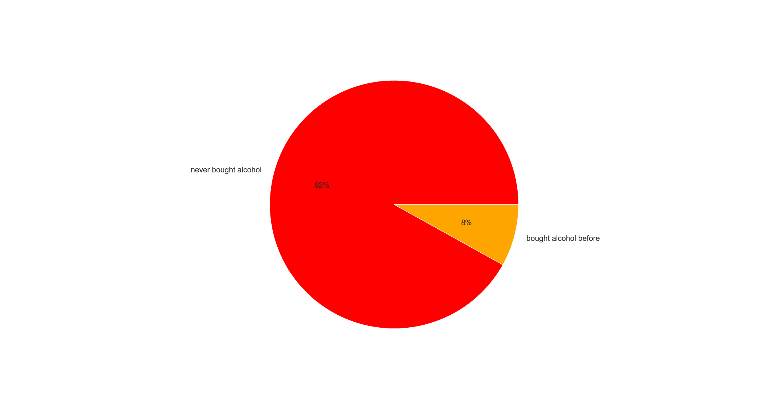
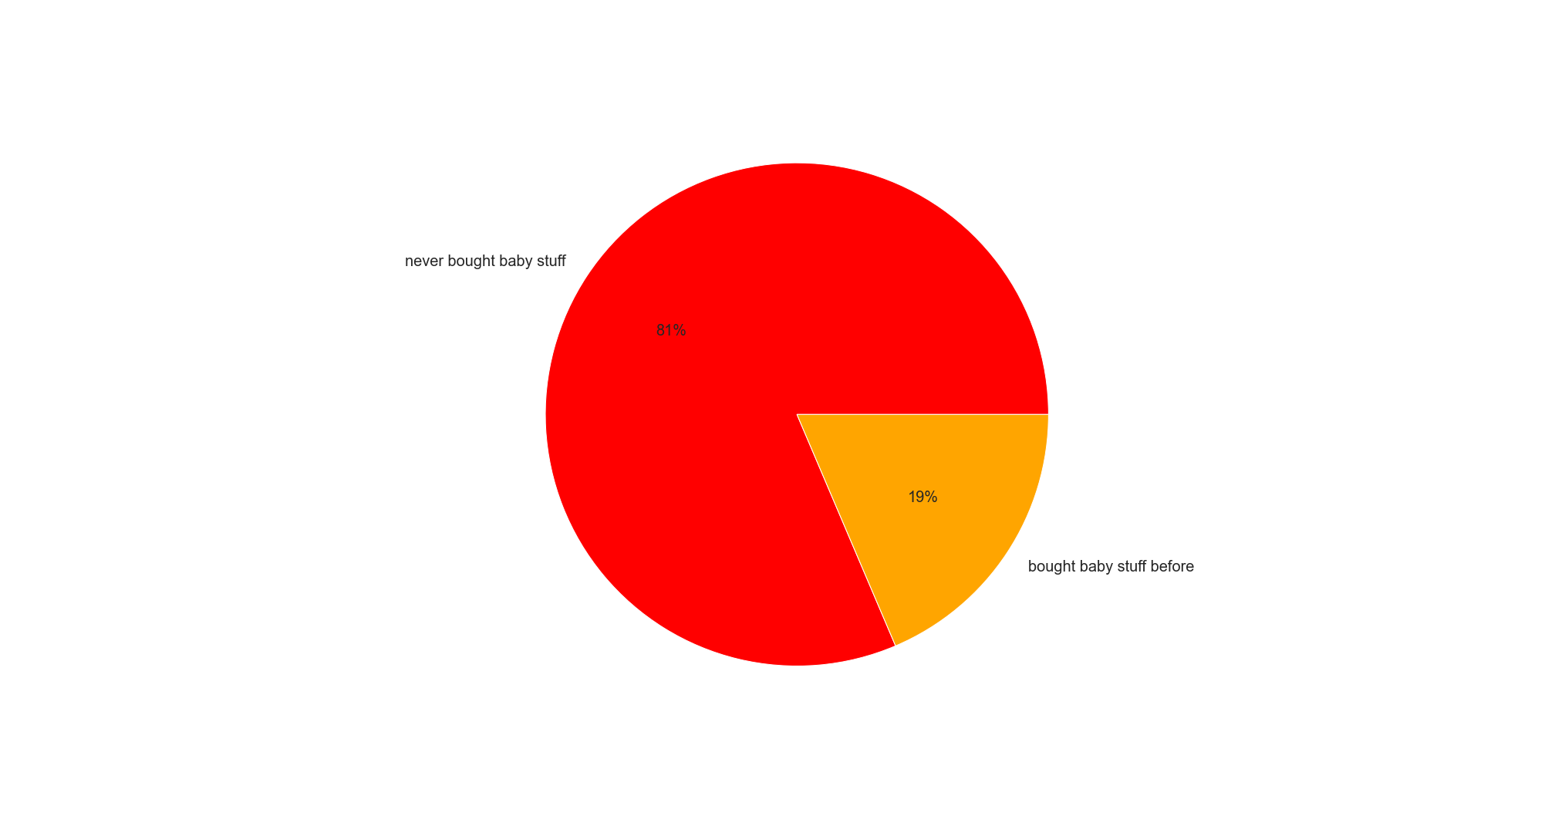

 |  |  |  |  |  | Title page

Visualisations

In this tab you should include all the visualtions from Exercises 4.9 and 4.10, alongside the questions from the project brief that they answer. Include any commentary on the relationship between different variables.

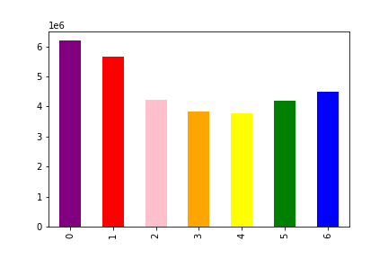

Key Questions
1. the sales team need to know what the busiest days of the week and the hours of day are.

0: Saturday; 1:Sunday; 2: Monday; 3: Tuesday; 4: Wednesday; 5: Thursday; 6: Friday;

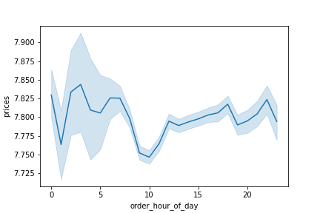
2. They also want to what particular times of the when people spend the most money , as this might inform the type of products they advertise at thes time

 | commonet: people tends to spend more money in Instracart during 12pm to 7am.

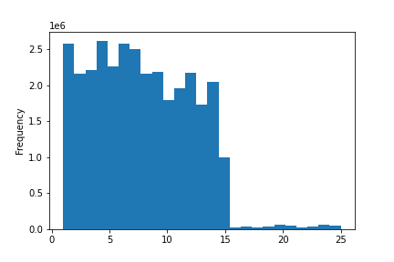

3. Instacart has a lot of products with different price tags. Marketing and sales want to use simpler price range groupings to help direct their efforts.

Most of instacart product are under $15.00

 |  |  |  |  | If the item’s price is lower than or equal to $5, it will be labeled a “low-range product.”
 |  |  |  |  | If the item’s price is above $5 but lower than or equal to $15, it will be labeled a “mid-range product.”
 |  |  |  |  | If the item’s price is above $15, it will be labeled a “high-range product.”

4. Are there certain types of products that are more popular than others? The marketing and sales teams want to know which departments have the highest frequency of product orders.

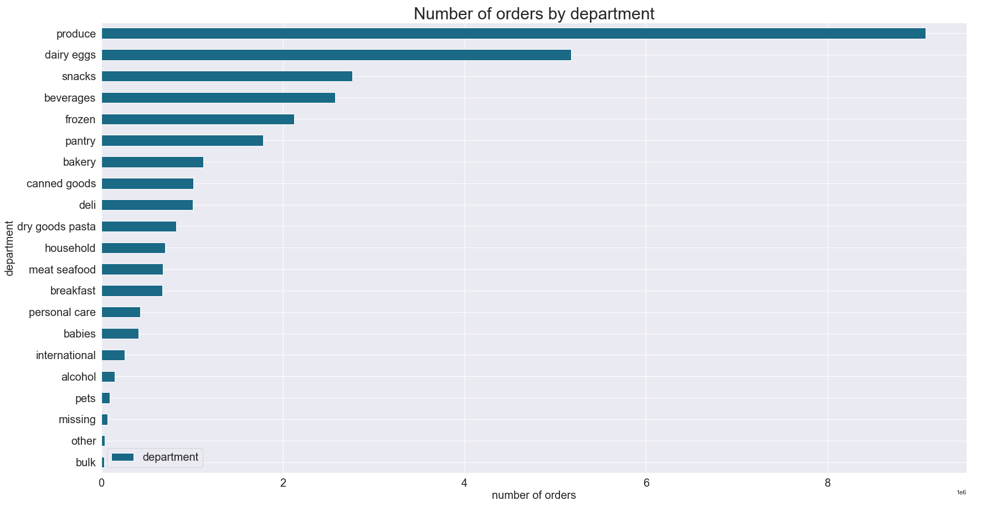

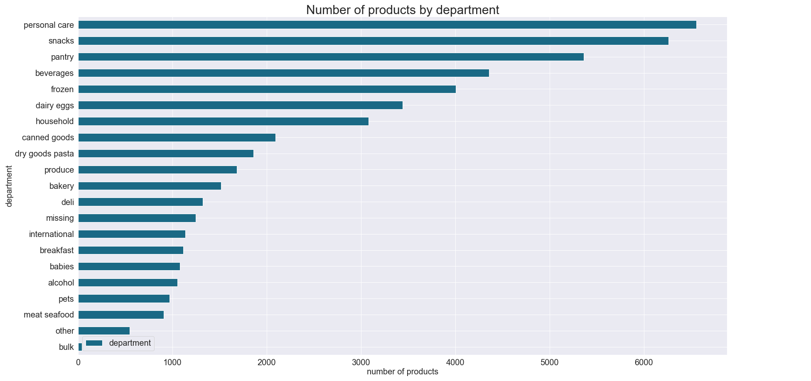

5. a. What’s the distribution among users in regards to their brand loyalty (i.e., how often do they return to Instacart)?

Customers were grouped into 3 categories based on the amount of their orders:
Loyal customer' - more than 40 orders
'Regular customer'- equal to or less than 40 and more than 10 orders
'New customer'- equal to or less than 10 orders

5b. Are there differences in ordering habits based on a customer’s loyalty status?
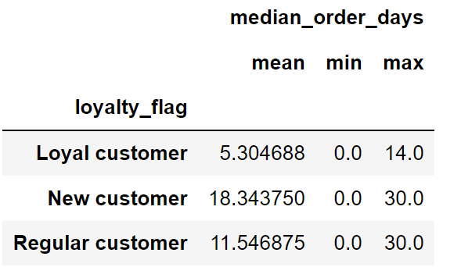
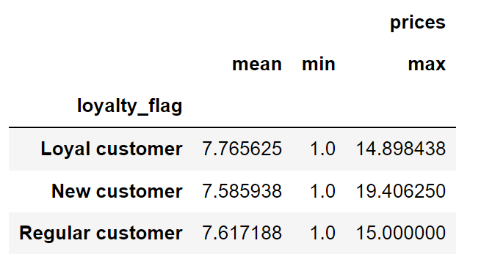

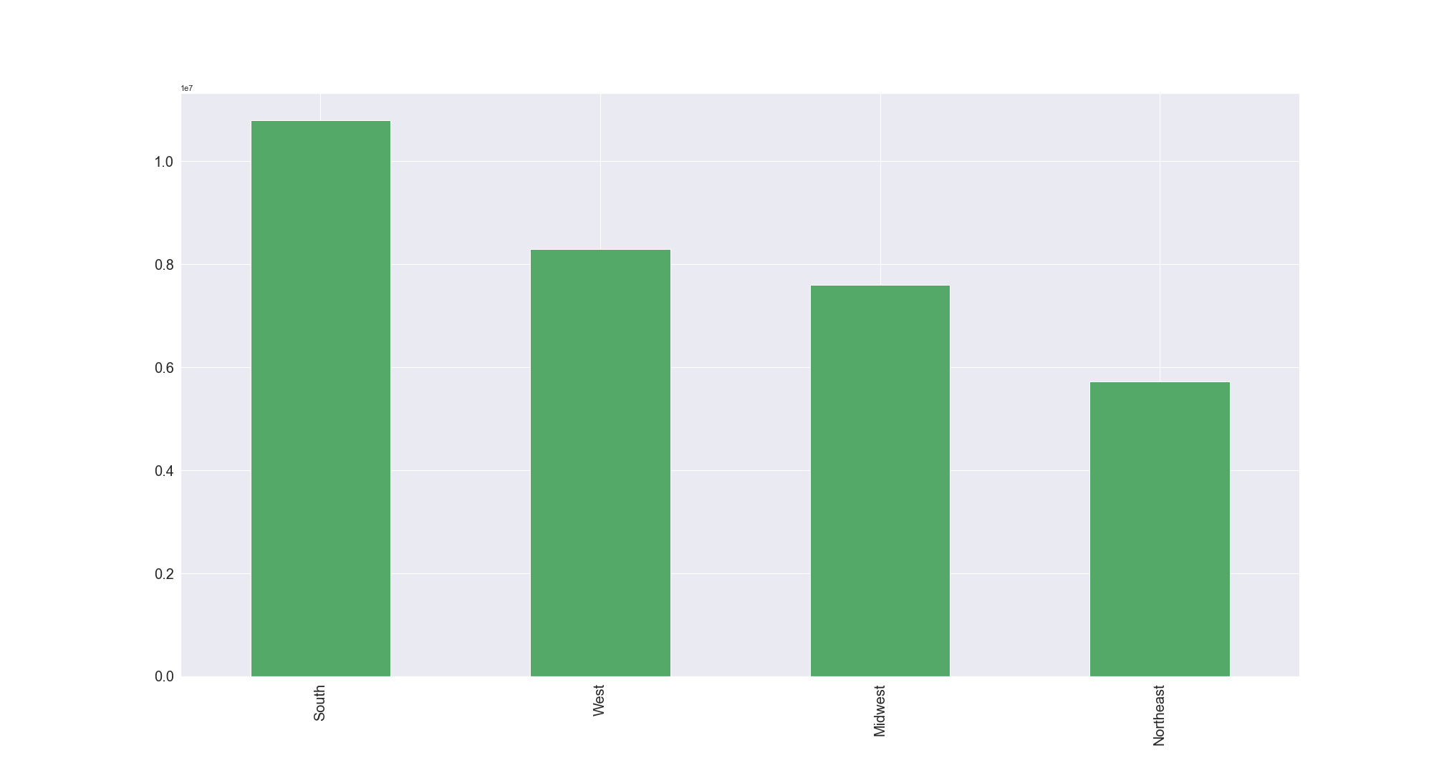
5c. Are there differences in ordering habits based on a customer’s region?

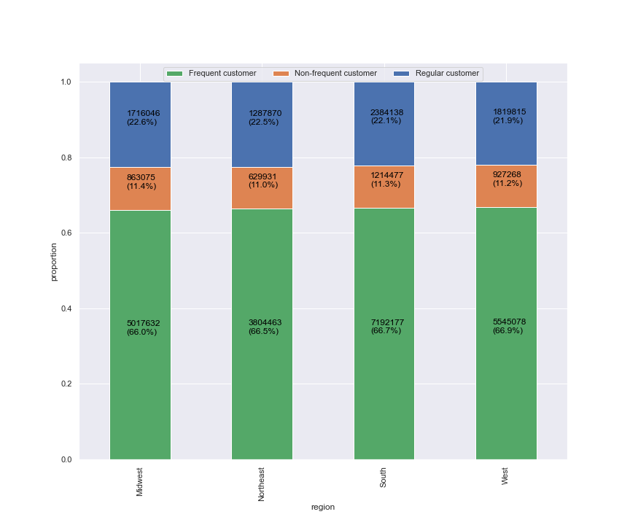

5d. Is there a connection between age and family status in terms of ordering habits?

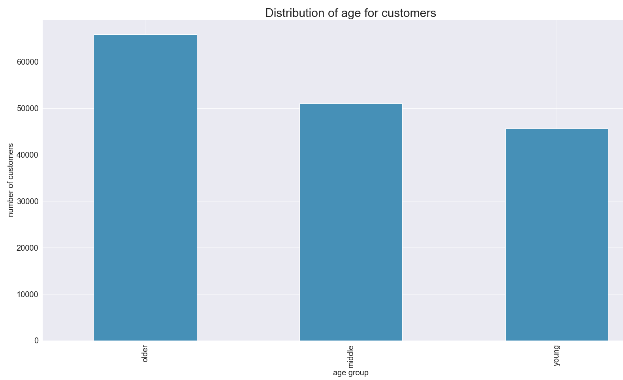

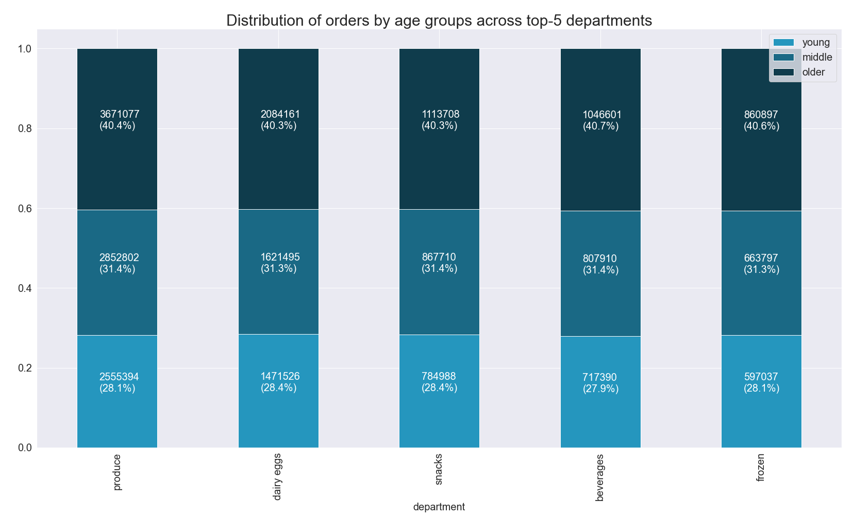

 |  |  |  | Connection Between Age and Spending Power (income)
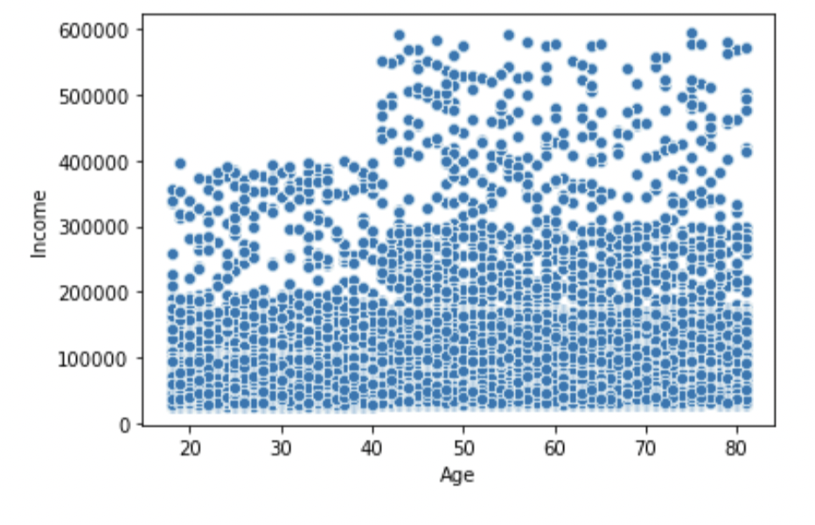

 |  | Distribution of Customer Age Amongst Customer Loyalty

5e. What different classifications does the demographic information suggest? Age? Income? Certain types of goods? Family status?
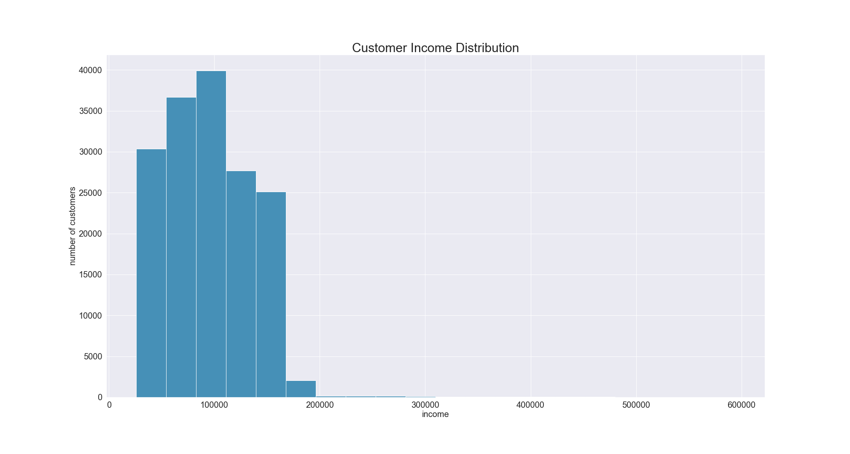

 |  |  | Connection Between Age and Spending Power (income)



 |  |  | Distribution of Price Range of Products Ordered By Income Group
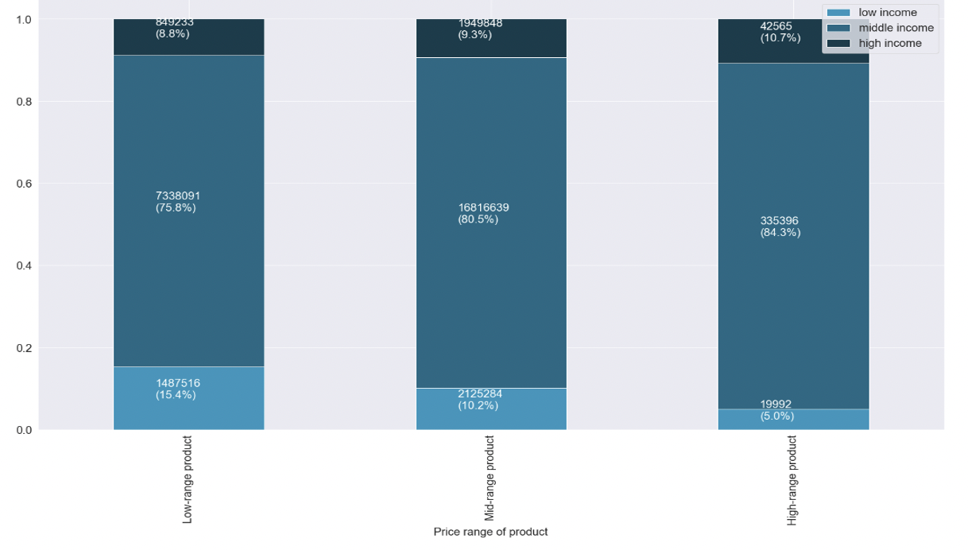

5f. What differences can you find in ordering habits of different customer profiles? Consider the price of orders, the frequency of orders, the products customers are ordering, and anything else you can think of.

7. Recommendations
 |  | Title page

Recommendations

In this tab you should include any recommendations you would made to Instcart in terms of their marketing strategy based on the questions posed in the brief. Every key question has been covered in the Tasks of the Exercises - here you need to add an item - a visualisation or table/crosstable that is showing the answer in the data, acompanied by a comment from you. Please, list the questions below and add the answer underneath.

Question | Answer
Key Question 1 | Ads should be scheduled on weekdays in the early morning, night, and evening when there are fewest orders being placed.
Key Question 2 | Sales team needs to analyze the time 12pm till around 7am in order to place ads for high range products.
Key Question 3 | Further analysis should go into raising sales for low-range products. Currently low-range products account for 31% of sales, but almost 50% of available products.
Key Question 4 | Special attention should be paid to snacks and beverages, since they are available in large numbers and can be advertized more frequently. The sales for personal care department should be further analyzed for efficiency and maybe advertised more actively, since it contains the highest number of products, but the orders from this department are extremely low in comparison to other departments.
Key Question 5a | The sales team should target more advertisements toward regular customers and new customers in order to increase the frequency of orders and sales.
Key Question 5b | New customers and loyal customers should be sent regular notifications to make orders in order to encourage them to continue ordering and to increase frequency. The sales team should further analyze products these customers are ordering most in order to tailor ads to encourage more spending in the departments these customers show most interested in
Key Question 5c | The number of customers from regions corresponds to the population size of these regions. So the ads should be targeted to increase customer base across all regions.
Key Question 5d | The customer base should be increased by putting targeting ads for middle and younger aged customers. Ads should be scheduled from 4 pm till 9 am during weekdays for customers of all ages, since their ordering behavior is similar.
Key Question 5e | Revenue could be increased by advertising more expensive products to customers with higher income and cheaper/mid-range products to customers with lower income based on their order history.
Key Question 5f | Customers should be targeted with ads based on their order history in order to encourage them to order more frequently and become loyal customers. Baby and pet stuff should be advertised to only customers who have bought them, since these are relatively specific items and the share of customers who bought them is relatively small. Customers who never bough meat/seafood should be targeted with ads in order to encourage them to buy more frequently.

