Sheet1
Example

Here's a picture of a dog!

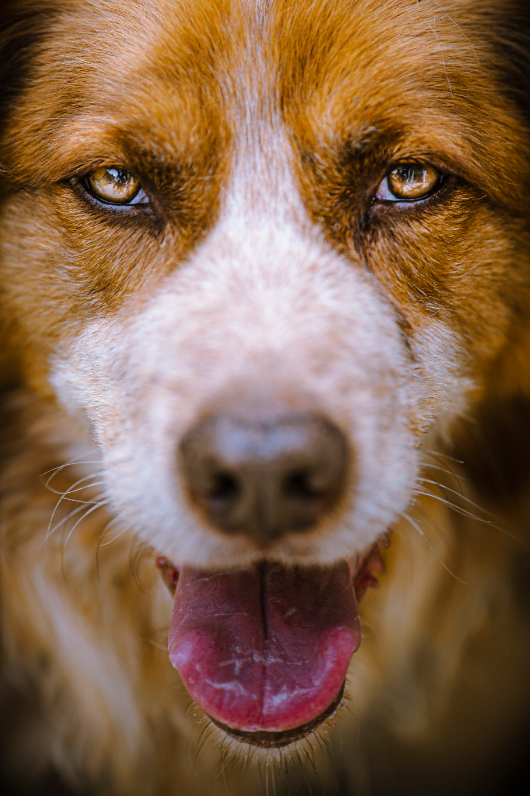

 | Good Pupper

