Foglio1
Coral Bleaching Dashboard

Mombasa and Kilifi in Kenya

Coral Bleaching Trend
Bleaching Severity Analysis
 | No bleaching | Partially bleached | White | Partly dead | Recently dead | Recovered
March | -4 | 3 | 0 | 0 | 0 | 0
April | -7 | 4 | 4 | 1 | 0 | 0
May | -2 | -5 | 1 | 2 | 1 | 3
June | -1 | -5 | -5 | 1 | 4 | 6
Bleaching Severity in May
 | No bleaching | Partially bleached | White | Partly dead | Recently dead | Not found
 | 135 | 116 | 56 | 15 | 7 | 4

Coral Genera Analysis
Management Regime Analysis
Site Analysis
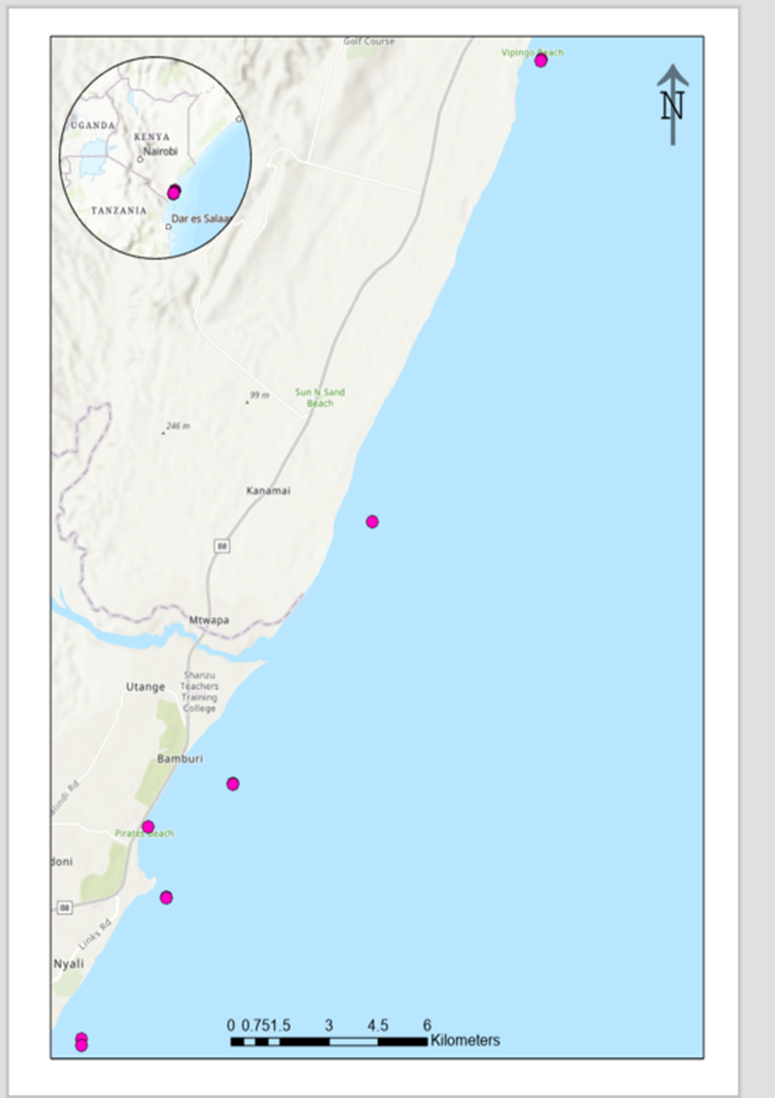
 | White | Recently dead | Recovered
Acropora | 67 | 17 | 17
Favia | 6 |  | 4
Favites | 7 | 5 | 4
Gorniopora | 4 | 1 | 1
Hydnophora | 7 | 8 | 2
Pavona | 22 | 6 | 13
Platygyra | 16 | 14 | 9
Pocillopora | 59 | 24 | 13
Porites Branching | 46 | 12 | 14
Porites Massive | 71 | 12 | 34
Stylophora | 112 | 56 | 13
 | No bleaching | Partially bleached | White | Partly dead | Recently dead | Recovered | Not found
OA | 47 | 8 | 1 | 7 | 8 | 24 | 9
PP | 14 | 2 |  | 13 | 13 | 21 | 2
FP | 47 | 9 | 1 | 17 | 38 | 49 | 3
Final Bleaching Status in June
 | No bleaching | Partially bleached | White | Partly dead | Recently dead | Recovered | Not found
 | 32.432432432 | 5.7057057057 | 0.6006006006 | 11.111111111 | 17.717717718 | 28.228228228 | 4.2042042042

