Regional Summary
Regional Summary

country_region_name | local_authority_count | median_lq_ratio | average_lq_ratio | max_lq_ratio
London | 33 | 12.74 | 12.97 | 20.89
South East | 64 | 10.24 | 10.28 | 15.40
East of England | 45 | 9.92 | 9.82 | 13.93
South West | 26 | 8.48 | 8.48 | 11.48
East Midlands | 35 | 7.03 | 7.10 | 10.06
West Midlands | 30 | 7.02 | 7.31 | 9.83
North West | 35 | 5.80 | 5.69 | 9.95
Wales | 22 | 5.72 | 5.77 | 8.18
Yorkshire and The Humber | 15 | 5.41 | 5.54 | 8.21
North East | 12 | 4.66 | 4.52 | 5.39
Median lower-quartile affordability ratio by region, 2025

Interpretation
London has the highest regional median lower-quartile affordability ratio, while the North East has the lowest. This supports the conclusion that affordability pressure is strongly regional.

Five Year Change
Five Year Change

local_authority_code | local_authority_name | country_region_name | latest_lq_ratio | comparison_lq_ratio | five_year_change
E07000215 | Tandridge | South East | 15.40 | 14.07 | 1.33
E07000111 | Sevenoaks | South East | 14.26 | 13.00 | 1.26
E08000004 | Oldham | North West | 6.04 | 4.78 | 1.26
E07000196 | South Staffordshire | West Midlands | 8.85 | 7.77 | 1.08
E06000015 | Derby | East Midlands | 5.60 | 4.57 | 1.03
W06000019 | Blaenau Gwent | Wales | 4.31 | 3.33 | 0.98
E08000009 | Trafford | North West | 9.95 | 9.00 | 0.95
E06000036 | Bracknell Forest | South East | 10.76 | 9.93 | 0.83
E08000001 | Bolton | North West | 5.91 | 5.11 | 0.80
E08000012 | Liverpool | North West | 4.54 | 3.74 | 0.80
E08000028 | Sandwell | West Midlands | 6.60 | 5.82 | 0.78
E08000002 | Bury | North West | 7.14 | 6.36 | 0.78
E08000011 | Knowsley | North West | 5.24 | 4.50 | 0.74
E08000030 | Walsall | West Midlands | 6.57 | 5.87 | 0.70
E06000018 | Nottingham | East Midlands | 6.01 | 5.32 | 0.69
E07000173 | Gedling | East Midlands | 7.73 | 7.05 | 0.68
E06000035 | Medway | South East | 9.58 | 8.92 | 0.66
E06000020 | Telford and Wrekin | West Midlands | 6.53 | 5.89 | 0.64
E08000005 | Rochdale | North West | 5.84 | 5.21 | 0.63
W06000016 | Rhondda Cynon Taf | Wales | 4.47 | 3.89 | 0.58

Largest increases in affordability pressure, 2020 to 2025

Interpretation
Tandridge recorded the largest five-year increase. The change table shows that worsening affordability is not limited to London; some areas with lower absolute ratios have also moved materially in the wrong direction.

Charts
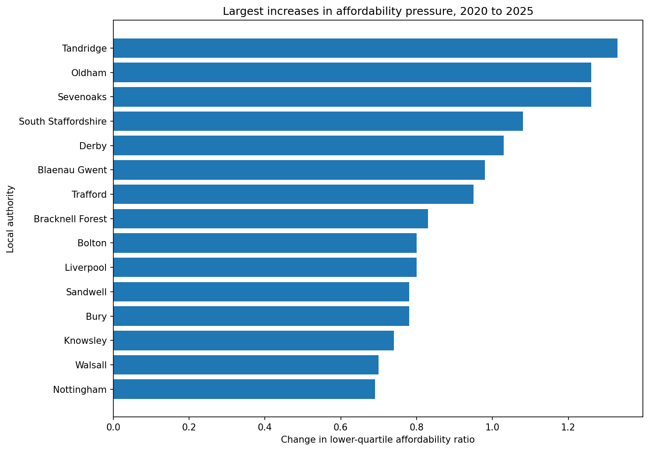
Visual Summary

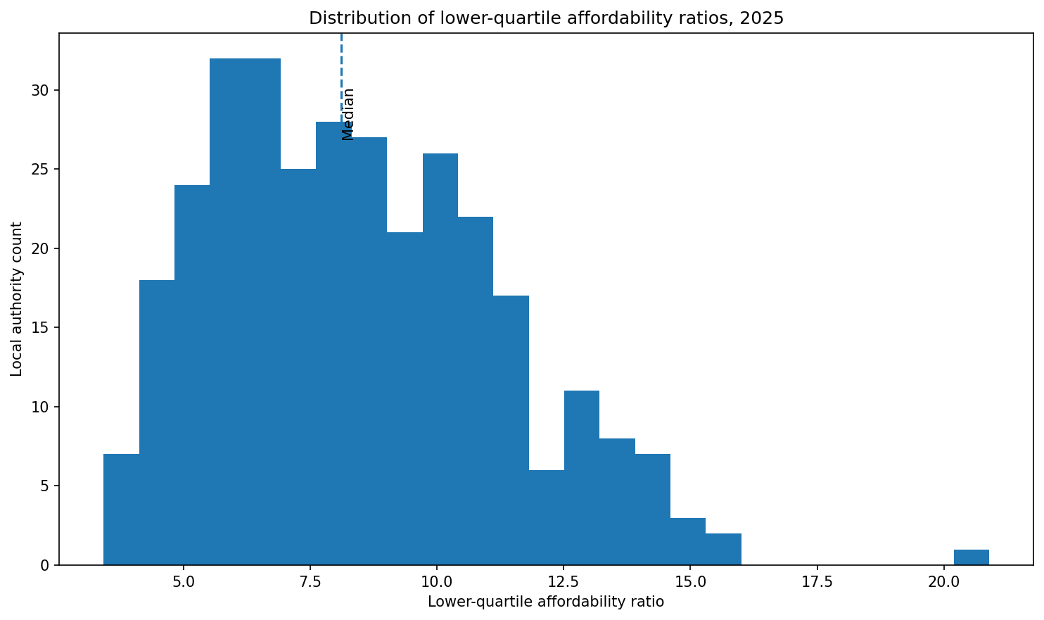
Distribution of affordability pressure | Insights:
 | 1. Affordability pressure is highly localised.
 | 2. London and the South East dominate the highest-pressure areas.
 | 3. The North East has the lowest regional median affordability ratio.
 | 4. Five-year change highlights areas where pressure is worsening, even outside London.

Regional median affordability pressure
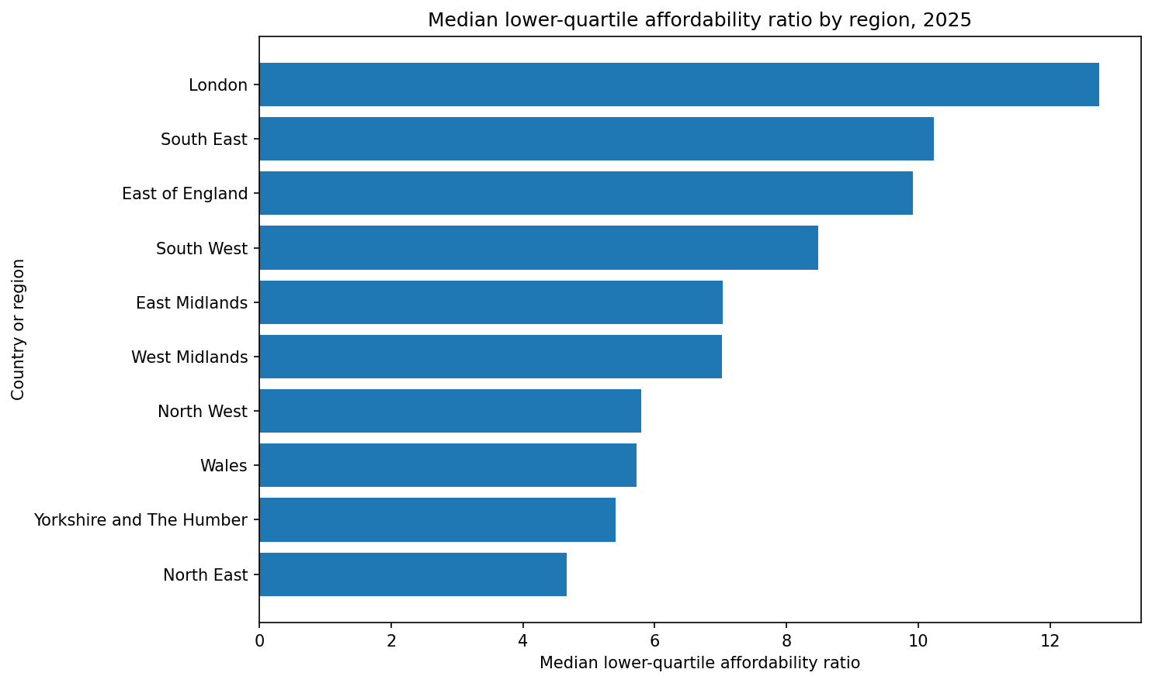

Highest-pressure local authorities
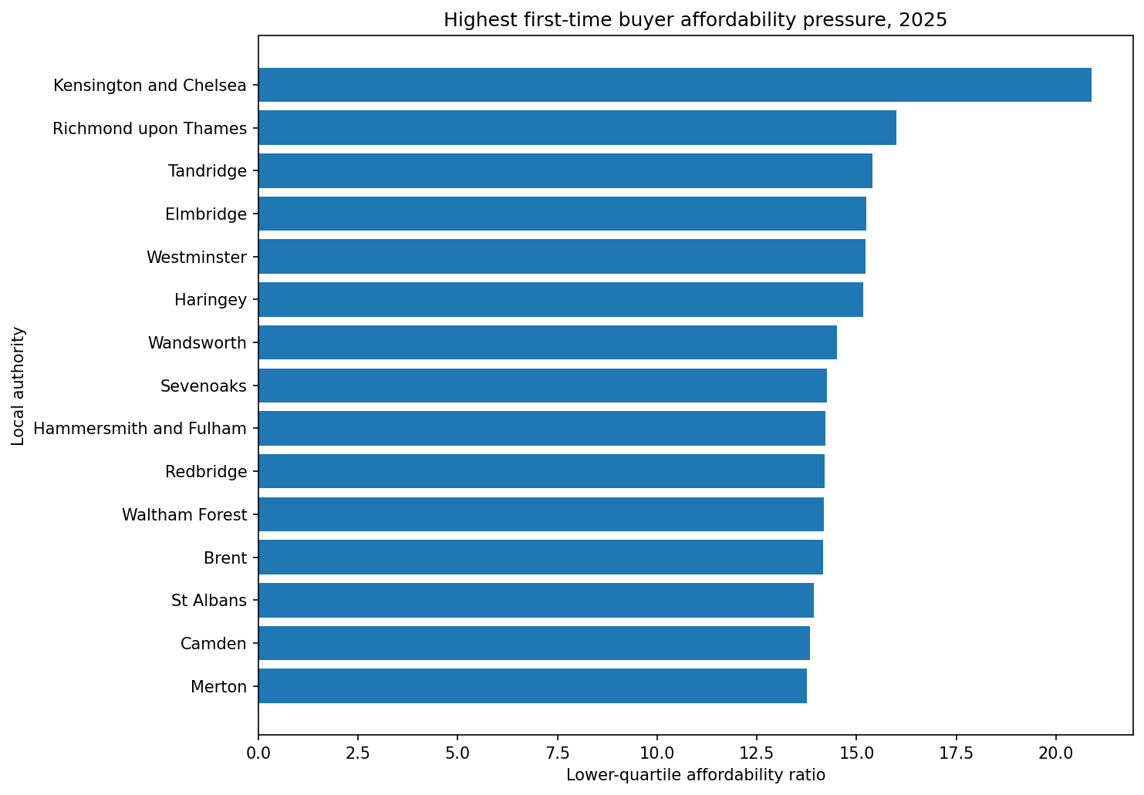

Largest five-year increases

