Sheet1
url | fname | lname | LegaID | Prof_type | Specialty
https://stayinformed.gskpro.com.ca? | Todd | Boyd | 12345 | MD | Respirologist | 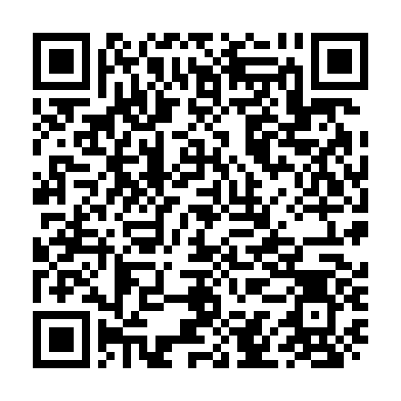
https://stayinformed.gskpro.com.ca? | Tcccc | Girls | 666464 | KK | Despirologist | 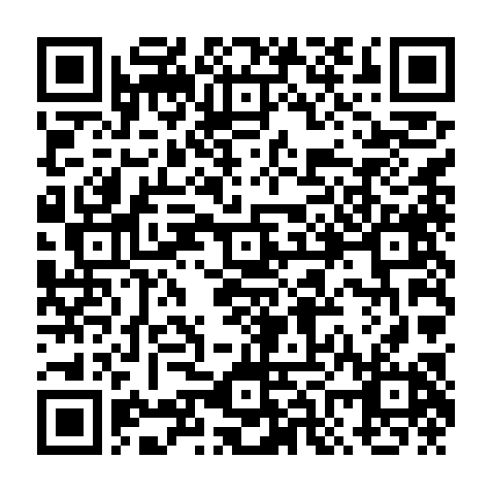
https://stayinformed.gskpro.com.ca? | Kaaa | Boyd | 34534 | DD | Cespirologist | 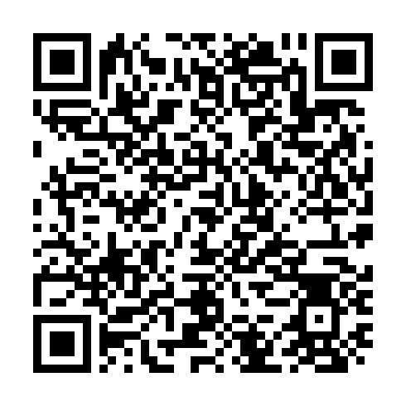
https://stayinformed.gskpro.com.ca? | Ujjjjj | Girls | 654646 | FF | Vespirologist | 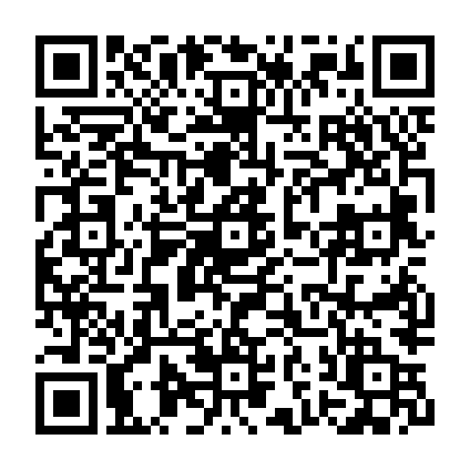
https://stayinformed.gskpro.com.ca? | Ollll | Boyd | 67890 | KK | Mespirologist | 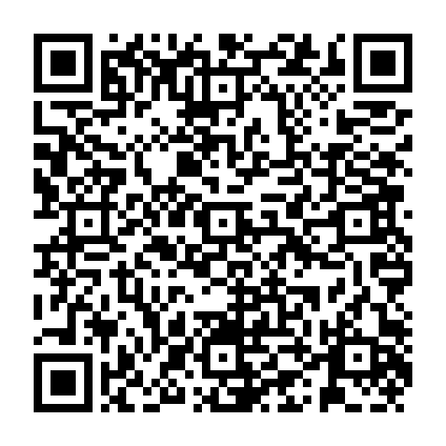
https://stayinformed.gskpro.com.ca? | Pcccc | Girls | 123124 | GG | Pespirologist | 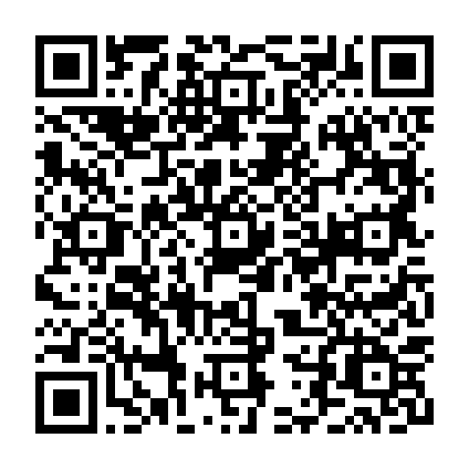
https://stayinformed.gskpro.com.ca? | BJjjjc | Boyd | 452342 | CC | Eespirologist | 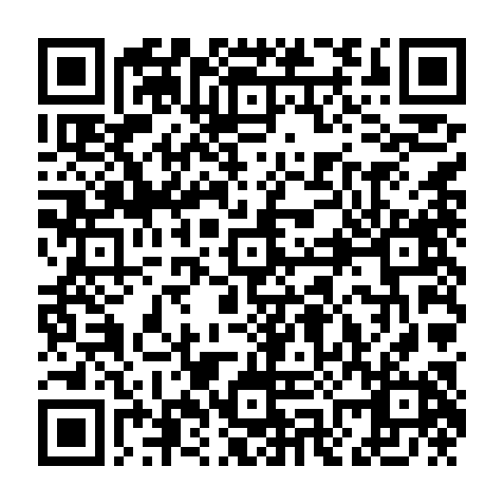
https://stayinformed.gskpro.com.ca? | rHHH | Girls | 234113 | BB | Qespirologist | 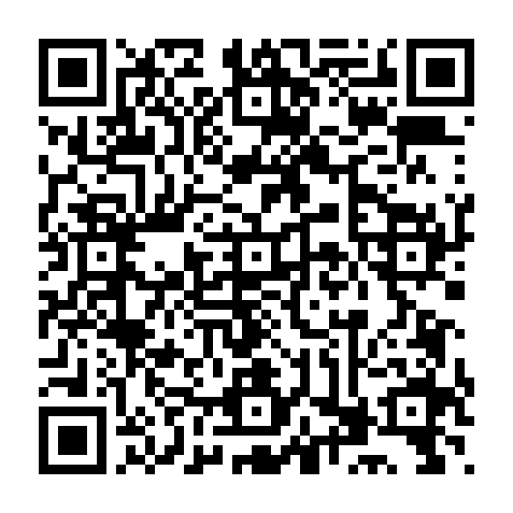
https://stayinformed.gskpro.com.ca? | Vgggg | Boyd | 56545 | VV | Despirologist | 