Summary
Category | Count
Passed | 2
Failed | 2
Skipped | 2
Total | 6
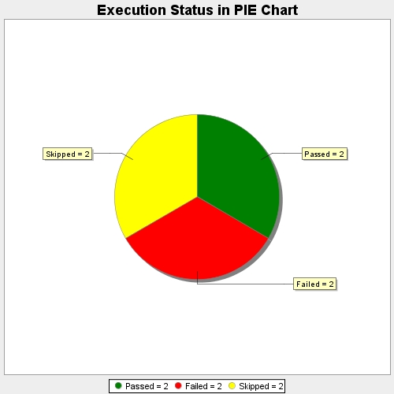
Start Time | 2017-07-17T10:24:48Z
End Time | 2017-07-17T10:24:48Z
Duration | 106 ms

